GRAPHS
How often do you use your wireless speaker?

Row Labels | Count of How often do you use your wireless speaker?
Several times a week | 5
Daily | 4
1-3 times a month | 3
Rarely (fewer than once a month) | 2
Once a week | 1
Grand Total | 15

How would you rate the sound quality of your wireless speaker?
Row Labels | Count of How would you rate the sound quality of your wireless speaker?
Average | 1
Excellent | 8
Good | 6
Grand Total | 15

What's most important to you in a wireless speaker?
 | 1 | 2 | 3 | 4 | 5 | 6
Battery life | 1 | 2 | 3 | 3 | 6
Connectivity options |  | 2 | 3 | 4 | 3 | 3
Design/Looks | 6 | 1 | 2 | 4 | 2
Durability |  | 7 | 4 | 1 | 2 | 1
Price | 5 | 2 | 2 | 2 |  | 4
Sound quality | 3 | 1 | 1 | 1 | 2 | 7

Count of Ranking | Column Labels
Row Labels | 1 | 2 | 3 | 4 | 5 | 6 | Grand Total
Battery life | 1 | 2 | 3 | 3 | 6 |  | 15
Connectivity options |  | 2 | 3 | 4 | 3 | 3 | 15
Design/Looks | 6 | 1 | 2 | 4 | 2 |  | 15
Durability |  | 7 | 4 | 1 | 2 | 1 | 15
Price | 5 | 2 | 2 | 2 |  | 4 | 15
Sound quality | 3 | 1 | 1 | 1 | 2 | 7 | 15
Grand Total | 15 | 15 | 15 | 15 | 15 | 15 | 90

Which brands of wireless speakers do you own or have used before?
Row Labels | Count of Which brands of wireless speakers do you own or have used before? (Select all that apply)
JBL | 10
Bose | 8
Sony | 4
Samsung | 2
Anker | 1
Amazon | 1
Beribes | 1
Infinitive Sound pro | 1
Grand Total | 28

What made you buy your current wireless speaker?
 | 2 | 4 | 1 (Not Important) | 3 (Important, but not a deal breaker) | 5 (Very Important)
Advertising | 2 | 1 | 5 | 4 | 3
Brand reputation | 3 | 4 | 1 | 2 | 5
Expert reviews | 2 | 3 | 3 | 4 | 3
Online reviews from other customers | 2 | 5 | 2 | 3 | 3
Price | 1 | 3 |  | 1 | 10
Recommendation from friends/family | 1 | 3 |  | 6 | 5
Specific features | 4 | 3 |  | 5 | 3
Count of Ranking | Column Labels
Row Labels | 2 | 4 | 1 (Not Important) | 3 (Important, but not a deal breaker) | 5 (Very Important) | Grand Total
Advertising | 2 | 1 | 5 | 4 | 3 | 15
Brand reputation | 3 | 4 | 1 | 2 | 5 | 15
Expert reviews | 2 | 3 | 3 | 4 | 3 | 15
Online reviews from other customers | 2 | 5 | 2 | 3 | 3 | 15
Price | 1 | 3 |  | 1 | 10 | 15
Recommendation from friends/family | 1 | 3 |  | 6 | 5 | 15
Specific features | 4 | 3 |  | 5 | 3 | 15
Grand Total | 15 | 22 | 11 | 25 | 32 | 105

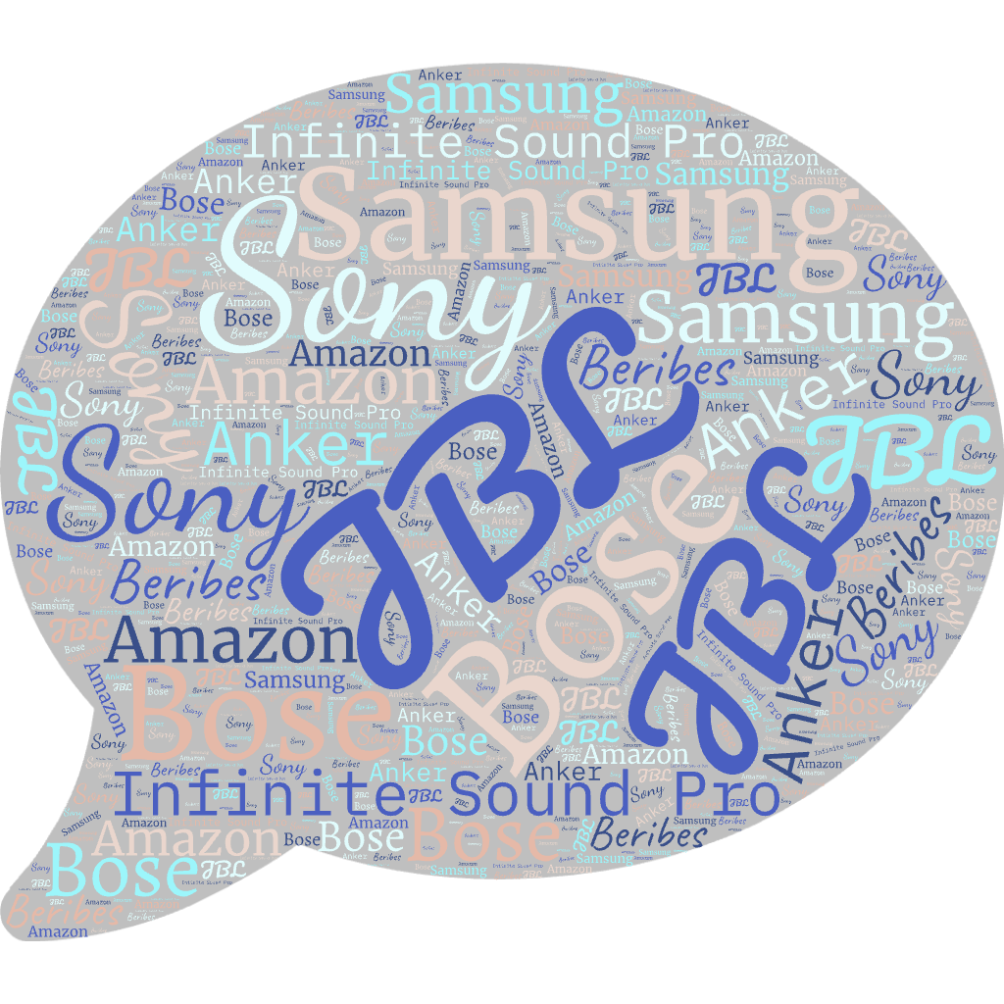


What do you mostly use your wireless speaker for?
Row Labels | Count of What do you mostly use your wireless speaker for? (Select all that apply)
Listening to music | 15
Watching movies/TV shows | 4
Podcasts/Audiobooks | 5
Video/audio calls (work/personal) | 1
Watching movies/TV shows | 1
Work stuff (e.g. Webinars, online meetings) | 1
Grand Total | 27

How likely are you to buy a new wireless speaker in the next 12 months?
Row Labels | Count of How likely are you to buy a new wireless speaker in the next 12 months?
Likely | 2
Neutral | 6
Unlikely | 4
Very Likely | 1
Very Unlikely | 2
Grand Total | 15

Where do you like to buy wireless speakers?
Row Labels | Count of Where do you like to buy wireless speakers?
Brand websites | 2
Department stores (physical store that sells electronics alongside many other products) | 2
Large multi-brand stores (e.g., Amazon) | 9
Multi-brand electronics stores (an actual physical store selling ONLY electronics from a variety of brands) | 2
Grand Total | 15

