Sheet1
All data gathered from: https://quickstats.nass.usda.gov/
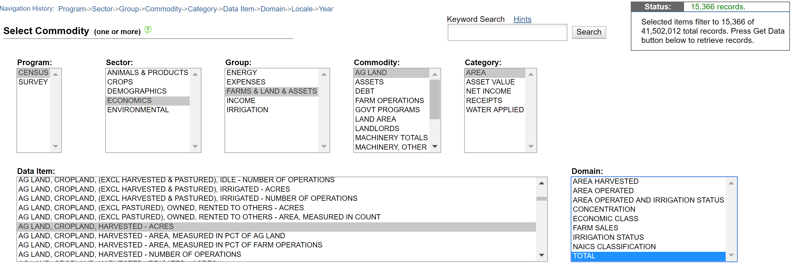
Harvested cropland:

Total Cropland Minus Harvested:

Will add this with harvested to get total planted

Cropland failed:

Cropland (harvested) irrigated:

CountyArea:

*No 1997 available

Agland treated with insectcides

*only cropland doesn’t have insecticides

agland fertilizer:

Crop for grain acres:

corn for sillage acres:

soybeans:

Barley:

Oats:

Wheat:

Vegetable totals:

Fruit and nuts orchards:

Net cash income of operations:

Operations harvested:
*Separately for each year (large row size)

