1 ThermistorTableConversion
pullup R: | 4.7 | kOhm |  |  |  |  |  | Output Marlin Thermistor Table (note: don't add *OVERSAMPLENR)
V_in | 5 | V
oversampler | 16
R25 | 100 | kOhm (at 25°C)
scale | 1023 | (precision of voltage measurement)

Temp | R (kOhm) | V DC | Reading | Reading - oversampled | T (°C) | RT/R25
0 | 332.4 | 4.9302877484 | 1008.7368733 | 16140 | 0 | 3.324 | From thermistor datasheet:
5 | 257.69 | 4.91043866 | 1004.6757498 | 16075 | 5 | 2.5769 |  | B57560G104F
10 | 201.27 | 4.8859057144 | 999.65630917 | 15995 | 10 | 2.0127 |  | R/T characteristics: 8304
15 | 158.34 | 4.8558635918 | 993.50969087 | 15896 | 15 | 1.5834 |  | nickel plated wires
20 | 125.42 | 4.8193974792 | 986.04872425 | 15777 | 20 | 1.2542
25 | 100 | 4.7755491882 | 977.0773639 | 15633 | 25 | 1
30 | 80.239 | 4.723330861 | 966.39349415 | 15462 | 30 | 0.80239
35 | 64.776 | 4.6617536991 | 953.79480684 | 15261 | 35 | 0.64776
40 | 52.598 | 4.5898635205 | 939.0860763 | 15025 | 40 | 0.52598
45 | 42.95 | 4.5068205666 | 922.09548793 | 14754 | 45 | 0.4295
50 | 35.262 | 4.4119413443 | 902.68319904 | 14443 | 50 | 0.35262
55 | 29.1 | 4.3047337278 | 880.74852071 | 14092 | 55 | 0.291
60 | 24.136 | 4.1850464697 | 856.2605077 | 13700 | 60 | 0.24136
65 | 20.114 | 4.0529539776 | 829.23438382 | 13268 | 65 | 0.20114
70 | 16.841 | 3.9090571468 | 799.79309224 | 12797 | 70 | 0.16841
75 | 14.164 | 3.7542408821 | 768.11768448 | 12290 | 75 | 0.14164
80 | 11.963 | 3.5896897317 | 734.45051911 | 11751 | 80 | 0.11963
85 | 10.147 | 3.4171886576 | 699.15679935 | 11187 | 85 | 0.10147
90 | 8.6407 | 3.2384732435 | 662.59162563 | 10601 | 90 | 0.086407
95 | 7.3867 | 3.0557141321 | 625.19911142 | 10003 | 95 | 0.073867
R/T
100 | 6.3383 | 2.871048984 | 587.41662212 | 9399 | 100 | 0.063383
105 | 5.4584 | 2.6866435659 | 549.68727359 | 8795 | 105 | 0.054584
110 | 4.717 | 2.5045131146 | 512.42338324 | 8199 | 110 | 0.04717
115 | 4.0901 | 2.3265378096 | 476.00963584 | 7616 | 115 | 0.040901
120 | 3.5581 | 2.1543091026 | 440.77164239 | 7052 | 120 | 0.035581
125 | 3.105 | 1.9891095452 | 406.97181294 | 6512 | 125 | 0.03105
130 | 2.7179 | 1.8319874897 | 374.8246404 | 5997 | 130 | 0.027179
135 | 2.3861 | 1.6836482691 | 344.47443587 | 5512 | 135 | 0.023861
140 | 2.1008 | 1.5445241736 | 316.00964592 | 5056 | 140 | 0.021008
145 | 1.8548 | 1.4148410325 | 289.47647525 | 4632 | 145 | 0.018548
150 | 1.6419 | 1.2944858796 | 264.85181097 | 4238 | 150 | 0.016419
155 | 1.4573 | 1.1833920712 | 242.12201777 | 3874 | 155 | 0.014573
160 | 1.2967 | 1.0811779812 | 221.20901496 | 3539 | 160 | 0.012967
165 | 1.1566 | 0.98743298159 | 202.02878803 | 3232 | 165 | 0.011566
170 | 1.0341 | 0.90171081774 | 184.49003331 | 2952 | 170 | 0.010341
175 | 0.92664 | 0.82343992152 | 168.47580794 | 2696 | 175 | 0.0092664
V/T
180 | 0.83224 | 0.75217271846 | 153.8945382 | 2462 | 180 | 0.0083224
185 | 0.74907 | 0.68733747227 | 140.62924683 | 2250 | 185 | 0.0074907
190 | 0.67564 | 0.62842749887 | 128.57626627 | 2057 | 190 | 0.0067564
195 | 0.61064 | 0.57492129009 | 117.62889595 | 1882 | 195 | 0.0061064
200 | 0.55299 | 0.5263573698 | 107.69271786 | 1723 | 200 | 0.0055299
205 | 0.50175 | 0.48228961407 | 98.676455039 | 1579 | 205 | 0.0050175
210 | 0.45611 | 0.44230049398 | 90.494681068 | 1448 | 210 | 0.0045611
215 | 0.41537 | 0.40600191189 | 83.067991172 | 1329 | 215 | 0.0041537
220 | 0.37895 | 0.3730593922 | 76.327951644 | 1221 | 220 | 0.0037895
225 | 0.34631 | 0.34313191223 | 70.204789242 | 1123 | 225 | 0.0034631
230 | 0.31701 | 0.31593518849 | 64.640339565 | 1034 | 230 | 0.0031701
235 | 0.29067 | 0.29121340421 | 59.582262502 | 953 | 235 | 0.0029067
240 | 0.26693 | 0.26870722962 | 54.97749918 | 880 | 240 | 0.0026693
245 | 0.24551 | 0.24821504759 | 50.784798737 | 813 | 245 | 0.0024551
250 | 0.22615 | 0.22954031038 | 46.963947505 | 751 | 250 | 0.0022615
255 | 0.20862 | 0.21250371795 | 43.478260692 | 696 | 255 | 0.0020862
260 | 0.19273 | 0.19695548293 | 40.297091808 | 645 | 260 | 0.0019273
265 | 0.17829 | 0.1827382136 | 37.388238502 | 598 | 265 | 0.0017829
270 | 0.16516 | 0.16973748037 | 34.728288484 | 556 | 270 | 0.0016516
275 | 0.15319 | 0.15782402914 | 32.290796363 | 517 | 275 | 0.0015319
280 | 0.14228 | 0.14691426353 | 30.058658318 | 481 | 280 | 0.0014228
285 | 0.13231 | 0.13690139912 | 28.010026261 | 448 | 285 | 0.0013231
290 | 0.12319 | 0.12770593736 | 26.128634783 | 418 | 290 | 0.0012319
295 | 0.11483 | 0.11924616238 | 24.397764822 | 390 | 295 | 0.0011483
300 | 0.10716 | 0.11145874071 | 22.80445835 | 365 | 300 | 0.0010716

1 Instructions & example
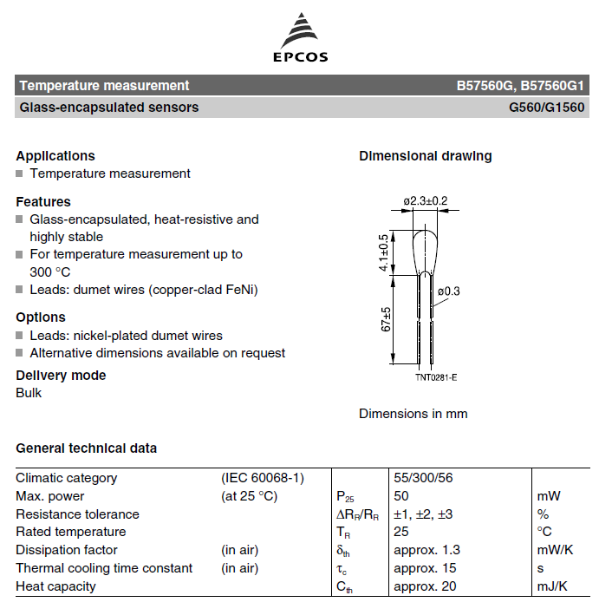
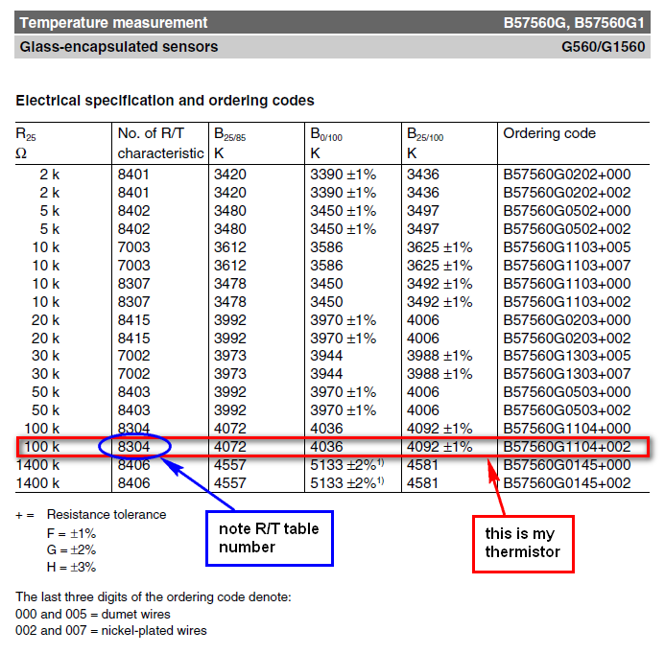
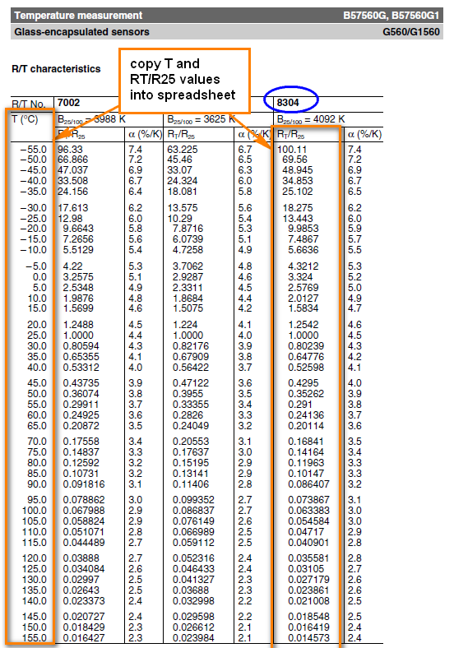
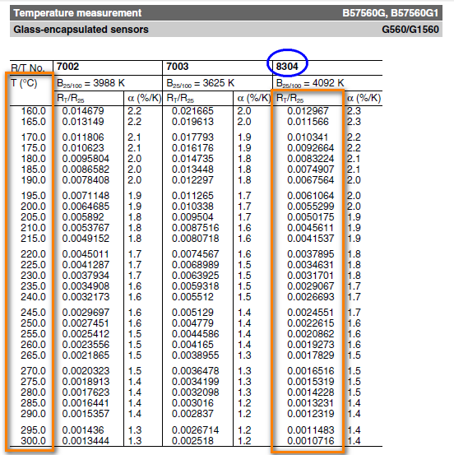
1.) Get your thermistor R/T datasheets from the manufacturer. These should be fairly easy to find on the supplier's website. See example below of how to get your R/T tables (example is from the Epcos 100k thermistor [B57560G104F] that I use for my hot end, very similar to the one originally provided by makergear) - pages below are extracts from the datasheets only.
2.) Copy the R and T values into the main sheet, in the red cells (note: the Alpha [%/k] values aren't required)
3.) enter the value of your pull-up resistor (the resistor used in your voltage divider, which allows you to measure the relative resistance of the thermistor). This is typically 4.7 kOhm. Check the design of your control board (RUMBA, RAMPS, etc), or ask the supplier what the value of this Pullup Resistor is.
4.) Enter the voltage into the voltage divider, Vin (typically 5V, as this is standard logic voltage)
5.) Enter the Oversampling number. For marlin, this is 16 (the thermistor tables in marlin show a measurement value of X * OVERSMAPLENR, but since we include the oversampling here, you just copy the values straight in, as shown on the marlin_table sheet that is generated later). oversampling is used to get greater precision of measurements.
6.) Enter the Thermistor resistance at 25°C, R25. This is the standard value used to specify a thermistor. The resistance of the thermistor at other temperatures is given in the tables relative to R25 (i.e. as a fraction or multiple of R25), so all values in that table get multiplied by this to give the actual resistance, from which the measured voltage is derived. Normally 100kOhm thermistors are used for reprap controls. If you're unsure, just measure the resistance of your thermistor at room temperature, and this will give you a pretty good idea of the nominal resistance.
7.) Enter the precision of the voltage measurement scale. For arduino boards, so for normal reprap applications, this is 1023 (i.e. the analogue measurement splits a voltage of 5V into 1024 increments)
8.) Once you are happy with all of the values in RED BORDERED cells, you can check your READING values at various temperatures, compare them to other tables in Marlin. If the values line up with another thermistor table already in Marlin, great, use that table (note: compare the values in the READING column, column D, since These are the values before teh oversampling factor is applied, and the tables in Marlin include an oversampling Multiplier). Otherwise, add your own table by copying the format of the other tables, and specify the new number that you give it as your thermistor number (in the "configure" code) (or just paste your data over the top of a thermistor table that you aren't using! and comment it accordingly in the code!).
9.) to get a table that you can just copy and paste into your custom Thermistor Table in Marlin, click on the "Create Table" button. This will just create a new sheet with correctly syntaxed data for the table, running from high temp to low temp (as per marlin standard). You can copy and paste these cells directly into the Marlin code.
10.) Remember, at the end of the day, the R25 temp is the most important value, and is easy to measure with a Digital Multimeter. If you don't actually have any technical data about your thermistor, you just need to do the following: a. Measure your thermistor's resistance at room temperature b. Select a thermistor table in your firmware with an appropriate R25 value c. Slowly increase the temperature (using printer control software like Pronterface, etc) until you are able to manually push filament through the hot end and have it melt, extruding out the nozzle. d. This temperature set point can be compared to the theoretical melting point of the filament. If it's close enough, leave the thermistor table as is. If not, select a different table and repeat, or adjust the values in the table so that the Room Temp reading and Melting Point temp line up (i.e. the temperature readings from your printer are roughly what's expected based on the approximate room temperature and melting point of the plastic). e. Now just fine tune your Nozzle Temperature set point (for printing, in your slicer software), as you would normally do regardless of the uncertainty of your thermistor. f. It doesn't matter if you have a bit of an error between your Measured versus Actual temperatures, as long as it is a consistent error, you can still calibrate the printer to run at a set point suitable for that particular filament. You only need to be accurate enough that you can still set reasonable safety limits on your temperature, to prevent damaging the hot end by overtemperature.

2 Instructions & Example
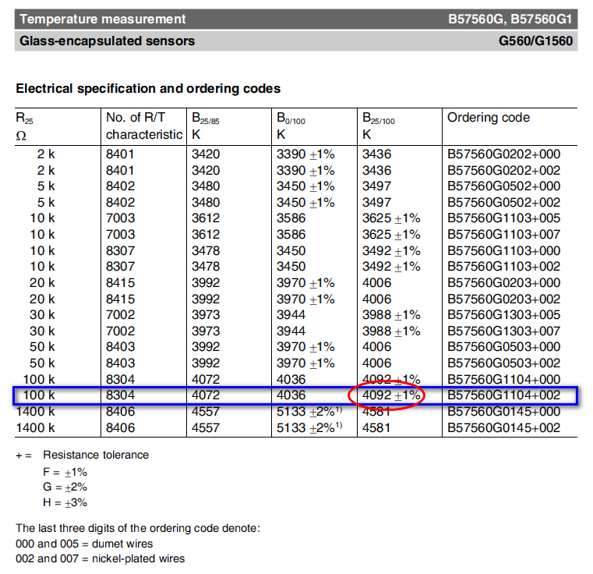
1.) Using the Beta & R25 values supplied by whoever sold you the thermistor (or looking up the datasheets online) complete the calculation inputs (in RED BORDERS)
2.) Input the values for R Pullup, Vin, Oversampling number, and scale, as discussed in method 1.
3.) see example below, for my thermistor.
4.) click the button to generate the thermistor table for use in marlin
NOTE: this method has greater error than using the R/T tables or manual calibrations, but is useful if all you know is the beta value. Note the comments in Method 1, regarding accuracy of your values.

Comparison Chart
Comparison of Methods
 | Thermistor Table | Steinhart-Hart | Beta
0 | 332.4 | 307.58714114 | 352.04905693
5 | 257.69 | 243.39349552 | 268.79550106
10 | 201.27 | 193.51515303 | 207.19500924
15 | 158.34 | 154.57990181 | 161.16088206
20 | 125.42 | 124.04849371 | 126.43353939
25 | 100 | 100 | 100
30 | 80.239 | 80.974656747 | 79.707251291
35 | 64.776 | 65.858240195 | 64.001806284
40 | 52.598 | 53.796594557 | 51.752350342
45 | 42.95 | 44.132158703 | 42.127712985
50 | 35.262 | 36.356619012 | 34.512072092
55 | 29.1 | 30.075437725 | 28.445470917
60 | 24.136 | 24.981165614 | 23.581712713
65 | 20.114 | 20.833280582 | 19.658297064
70 | 16.841 | 17.442894911 | 16.474775355
75 | 14.164 | 14.661109688 | 13.877043212
80 | 11.963 | 12.370112347 | 11.745854153
85 | 10.147 | 10.47634546 | 9.9883582581
90 | 8.6407 | 8.9052454442 | 8.5318252035
95 | 7.3867 | 7.5971756558 | 7.3189561065
100 | 6.3383 | 6.5042715159 | 6.3043591783
105 | 5.4584 | 5.5879845455 | 5.4518836177
110 | 4.717 | 4.8171638908 | 4.7325905485
115 | 4.0901 | 4.166552626 | 4.1231997793
120 | 3.5581 | 3.6156052243 | 3.6048941224
125 | 3.105 | 3.1475545462 | 3.1623939708
130 | 2.7179 | 2.748673314 | 2.7832373018
135 | 2.3861 | 2.407687669 | 2.4572166761
140 | 2.1008 | 2.1153100312 | 2.1759368528
145 | 1.8548 | 1.8638658406 | 1.9324655403
150 | 1.6419 | 1.6469944011 | 1.7210564192
155 | 1.4573 | 1.4594083971 | 1.5369285122
160 | 1.2967 | 1.2967 | 1.3760896888
165 | 1.1566 | 1.1551840843 | 1.2351948924
170 | 1.0341 | 1.0317710834 | 1.1114318037
175 | 0.92664 | 0.92386359078 | 1.0024282732
180 | 0.83224 | 0.82927203591 | 0.90617709603
185 | 0.74907 | 0.746145726 | 0.82097465813
190 | 0.67564 | 0.67291630116 | 0.74537071872
195 | 0.61064 | 0.60825124356 | 0.67812716658
200 | 0.55299 | 0.55101555238 | 0.61818403403
205 | 0.50175 | 0.50024006808 | 0.56463140084
210 | 0.45611 | 0.45509522541 | 0.51668609435
215 | 0.41537 | 0.41486924977 | 0.47367230809
220 | 0.37895 | 0.37895 | 0.43500543217
225 | 0.34631 | 0.34680981056 | 0.40017852405
230 | 0.31701 | 0.3179928074 | 0.36875095712
235 | 0.29067 | 0.29210426859 | 0.34033887017
240 | 0.26693 | 0.26880167936 | 0.31460711096
245 | 0.24551 | 0.24778719438 | 0.29126242245
...

Comparison Chart (2)
Comparison of Methods
 | Thermistor Table |  | Steinhart-Hart |  | Beta
16140 | 0 | 16122 | 0 | 16152 | 0
16075 | 5 | 16058 | 5 | 16087 | 5
15995 | 10 | 15980 | 10 | 16005 | 10
15896 | 15 | 15885 | 15 | 15904 | 15
15777 | 20 | 15770 | 20 | 15781 | 20
15633 | 25 | 15633 | 25 | 15633 | 25
15462 | 30 | 15470 | 30 | 15457 | 30
15261 | 35 | 15278 | 35 | 15248 | 35
15025 | 40 | 15053 | 40 | 15005 | 40
14754 | 45 | 14793 | 45 | 14725 | 45
14443 | 50 | 14494 | 50 | 14406 | 50
14092 | 55 | 14156 | 55 | 14047 | 55
13700 | 60 | 13776 | 60 | 13648 | 60
13268 | 65 | 13355 | 65 | 13210 | 65
12797 | 70 | 12894 | 70 | 12735 | 70
12290 | 75 | 12395 | 75 | 12227 | 75
11751 | 80 | 11861 | 80 | 11690 | 80
11187 | 85 | 11299 | 85 | 11131 | 85
10601 | 90 | 10714 | 90 | 10554 | 90
10003 | 95 | 10112 | 95 | 9967 | 95
9399 | 100 | 9502 | 100 | 9377 | 100
8795 | 105 | 8890 | 105 | 8790 | 105
8199 | 110 | 8285 | 110 | 8212 | 110
7616 | 115 | 7692 | 115 | 7649 | 115
7052 | 120 | 7117 | 120 | 7105 | 120
6512 | 125 | 6565 | 125 | 6583 | 125
5997 | 130 | 6040 | 130 | 6088 | 130
5512 | 135 | 5545 | 135 | 5619 | 135
5056 | 140 | 5080 | 140 | 5180 | 140
4632 | 145 | 4648 | 145 | 4769 | 145
4238 | 150 | 4247 | 150 | 4387 | 150
3874 | 155 | 3878 | 155 | 4033 | 155
3539 | 160 | 3539 | 160 | 3707 | 160
3232 | 165 | 3229 | 165 | 3406 | 165
2952 | 170 | 2946 | 170 | 3130 | 170
2696 | 175 | 2689 | 175 | 2877 | 175
2462 | 180 | 2455 | 180 | 2646 | 180
2250 | 185 | 2242 | 185 | 2434 | 185
2057 | 190 | 2050 | 190 | 2240 | 190
1882 | 195 | 1876 | 195 | 2064 | 195
1723 | 200 | 1718 | 200 | 1903 | 200
1579 | 205 | 1575 | 205 | 1755 | 205
1448 | 210 | 1445 | 210 | 1621 | 210
1329 | 215 | 1328 | 215 | 1499 | 215
1221 | 220 | 1221 | 220 | 1387 | 220
1123 | 225 | 1125 | 225 | 1284 | 225
1034 | 230 | 1037 | 230 | 1191 | 230
953 | 235 | 958 | 235 | 1105 | 235
880 | 240 | 885 | 240 | 1027 | 240
813 | 245 | 820 | 245 | 955 | 245
...

