Sheet1
This guide and calculator is adapted on Martin Pirringer's tutorial: https://grabcad.com/tutorials/dialing-in-a-filament-and-specifying-the-max-volumetric-e-xtrusion-value Please consider supporting him and his robotics team: "If you wish to support this channel on paypal: paypal.me/DudeWithaPulse Or you can also donate to team 1989 through our website Team 1989 Web Site: www.vernonrobotics.com"
My video guide can be found here: https://youtu.be/Mnvj6xCzikM

Step 1: Clear debris from hobbed gear, bring nozzle up to normal printing temp and load filament.
Step 2: Enter the following into pronterface:
 | G91 | Sets relative extrusion (vs absolute)
 | G1 E50 F120 | Extrude 50mm of filament at 120mm per minute (2mm per second)
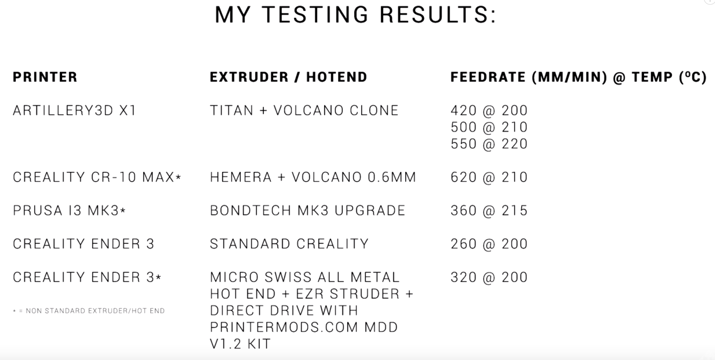
Step 3: Inspect extuded filament for consistency. If all is well, keep repeating with higher feedrate F, until extrusion is inconsistent, extruder stepper skips steps and/or hobbed gear starts eating into filament.
Now wind back the number and test several more times to find a safe and reliable value.
 | G1 E50 F180 | (3mm per second)
 | G1 E50 F240 | (4mm per second)
 | G1 E50 F300 | (5mm per second)
 | G1 E50 F360 | (6mm per second)
 | G1 E50 F420 | (7mm per second)
 | G1 E50 F480 | (8mm per second)
 | etc

Step 4: Select previously reliable extrusion feedrate and enter values into the yellow boxes below
 | Filament width : | 1.75 | mm
 | Reliable F value : | 320 | mm/min
 | Max volumetric extrusion speed: | 12.8 | mm3/sec

Step 5: Enter details from slicer into the yellow boxes below:
 | Layer height: | 0.28 | mm
 | Extrusion width / Nozzle Size: | 0.6 | mm | Line width' in Cura, 'Extrusion width' in S3D
 | Max extrusion limited feedrate: | 76 | mm/sec | Print Speed' in Cura, 'Default printing speed' in S3D
 | This value is your maximum theoretical feedrate (printing speed) to set in your slicer. Any faster than this, and the extruder/hot end won't be able to push through enough plastic to keep up and you will have skipped steps and/or under extrusion.
 | Warning: This value is dependent on a number of variables such as filament type, brand, colour, ambient temperature, etc. Be conservative to ensure success.

