Munka1
ISO Metric thread profile calculator
https://en.wikipedia.org/wiki/ISO_metric_screw_thread |  |  |  |  |  |  |  |  | 5H/8 + H/8 = 3/4 H = 0.75 H
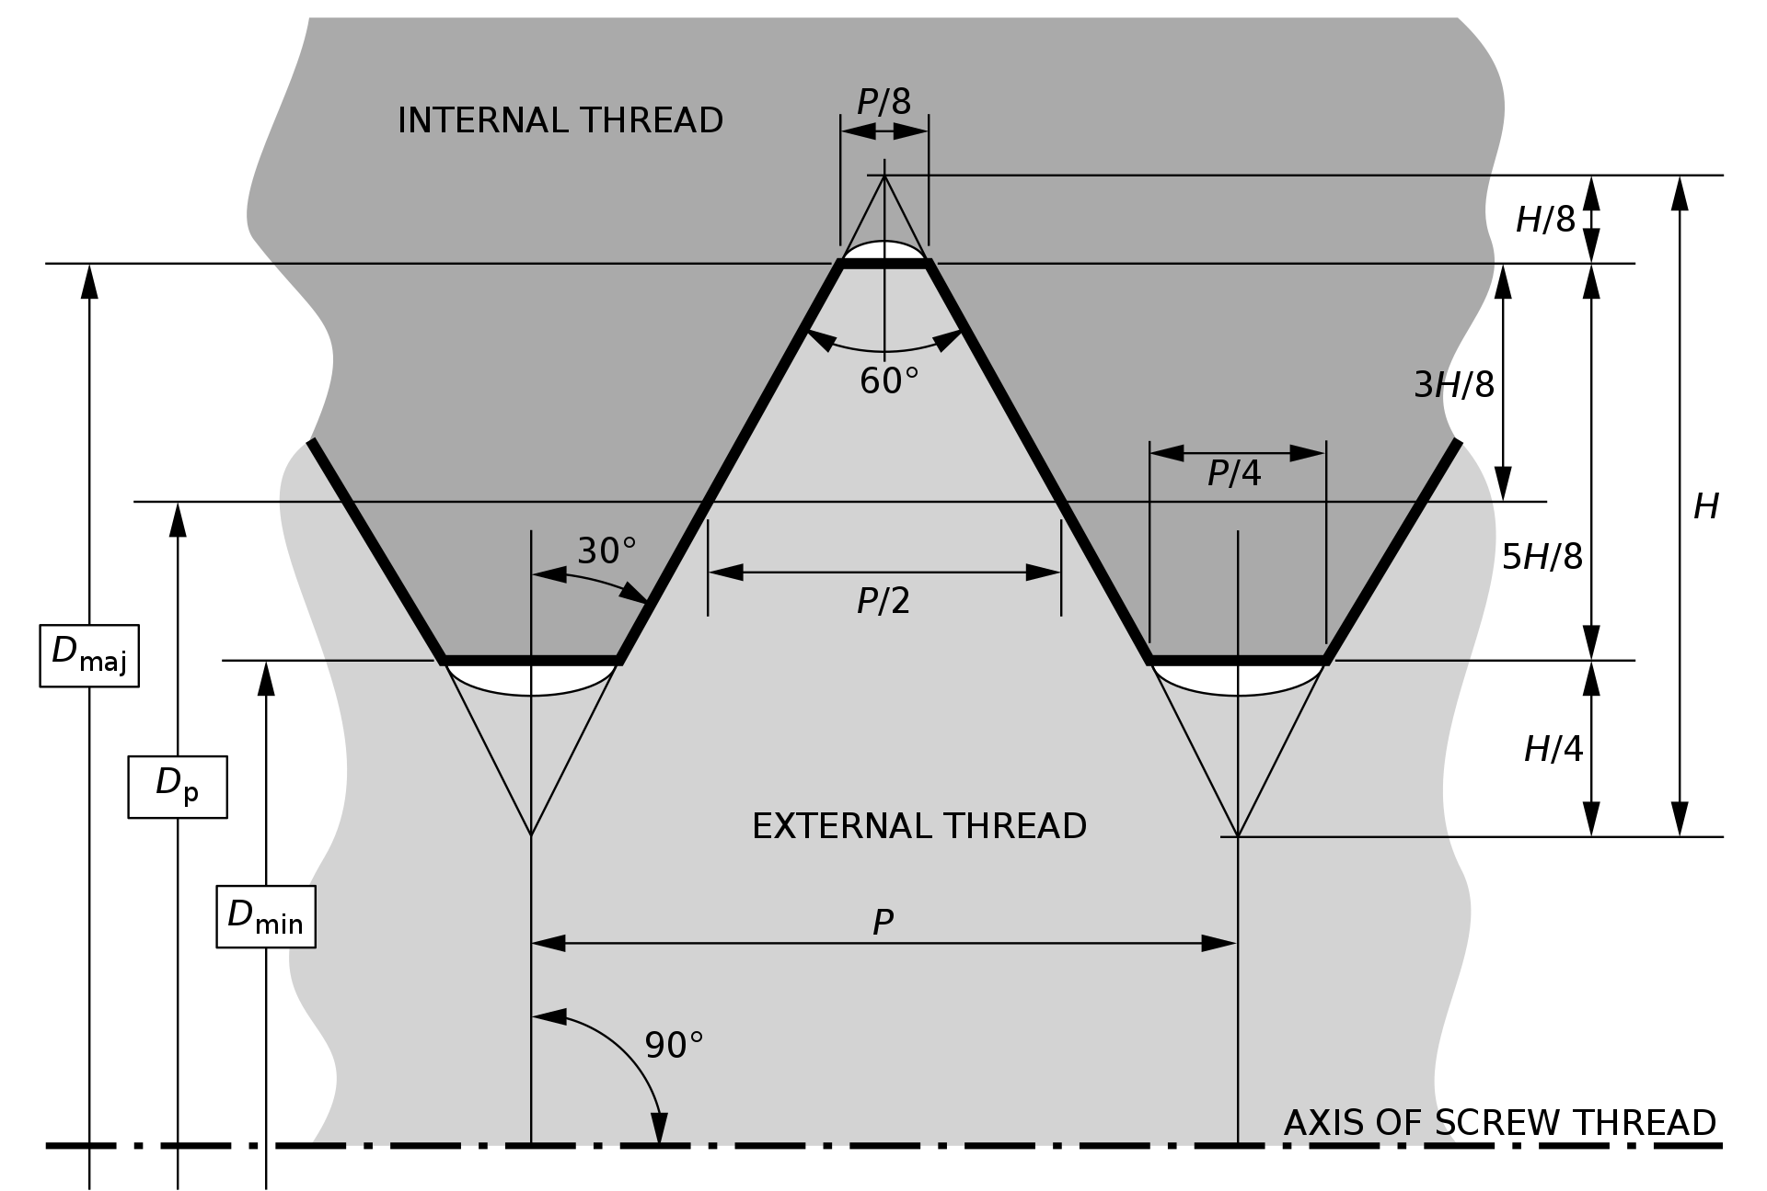
Dmajor = | 10 | mm
Pitch = | 1.5 | mm

H = | 1.299 | mm | = 0.86603 * P
Dp = | 9.026 | mm | = Dmaj - 0.649519 * P

Female / internal thread:
Dmaj = | 10.000 |  | = same as nominal value
Dminor = | 8.376 | mm | = Dmaj - 1.082532 * P

 |  | Hnew = | 0.974 | mm | (=0.75 H)

Add clearance (press pull) on angle surfaces: -0.05 mm
On cylindrical surfaces: -0.1 ..-0.2 (depend of the printer, experiment this)

Author: | https://mytechfun.com
How to use it: | https://youtu.be/nwsPWjqPz6M

Trapezoidal thread (ISO)

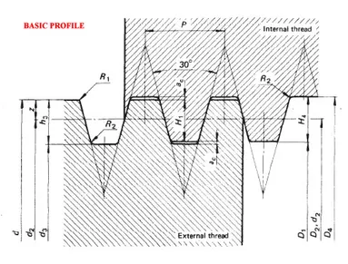

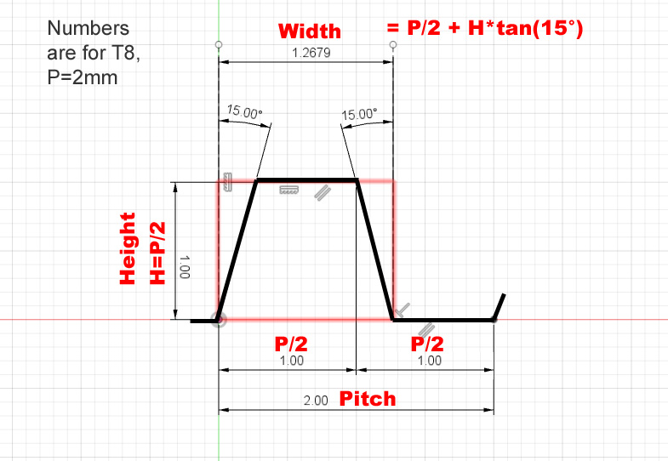
 |  |  |  |  |  | D major = | 8 | mm
 |  |  |  |  |  | P pitch = | 2 | mm

 |  |  |  |  |  | H=P/2= | 1 | mm
 |  |  |  |  |  | D minor = | 6 | mm
 |  |  |  |  |  | Width = | 1.268 | mm

 |  |  |  |  |  | Press/Pull value: | 0.268 | mm

