Manual Calibration Readme
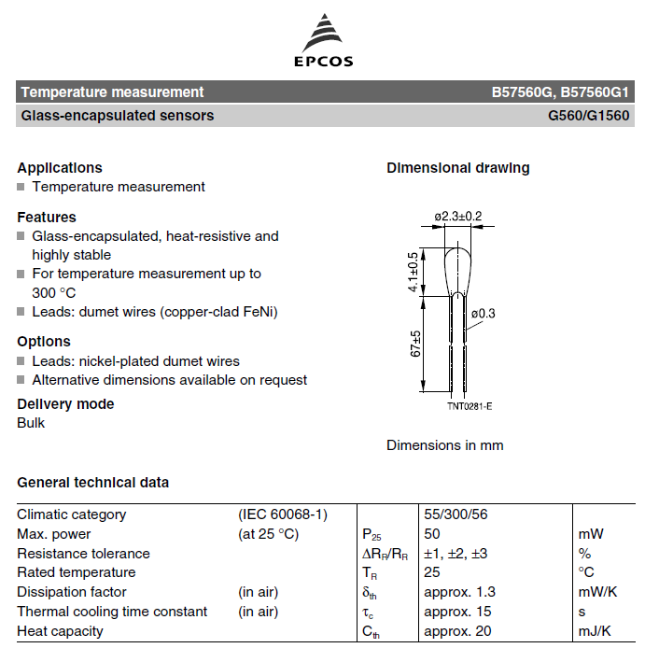
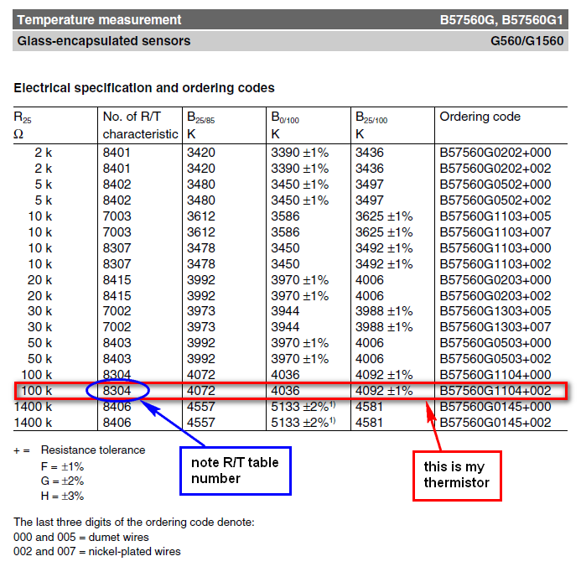
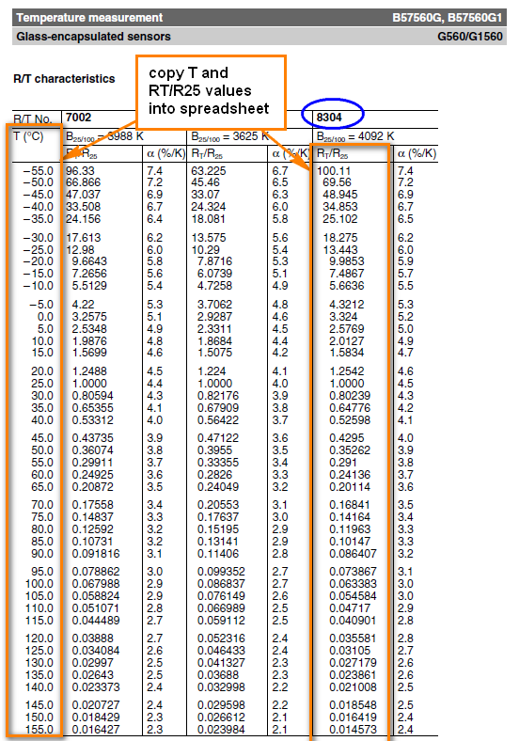
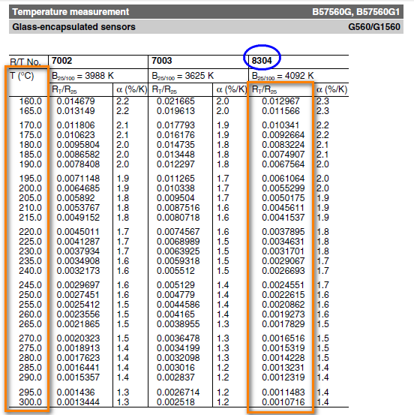
1.) Get your thermistor R/T datasheets from the manufacturer. These should be fairly easy to find on the supplier's website. See example below of how to get your R/T tables (example is from the Epcos 100k thermistor [B57560G104F] that I use for my hot end, very similar to the one originally provided by makergear) - pages below are extracts from the datasheets only.
2.) Copy the R and T values into the main sheet, in the red cells (note: the Alpha [%/k] values aren't required)
3.) enter the value of your pull-up resistor (the resistor used in your voltage divider, which allows you to measure the relative resistance of the thermistor). This is typically 4.7 kOhm. Check the design of your control board (RUMBA, RAMPS, etc), or ask the supplier what the value of this Pullup Resistor is.
4.) Enter the voltage into the voltage divider, Vin (typically 5V, as this is standard logic voltage)
5.) Enter the Oversampling number. For marlin, this is 16 (the thermistor tables in marlin show a measurement value of X * OVERSMAPLENR, but since we include the oversampling here, you just copy the values straight in, as shown on the marlin_table sheet that is generated later). oversampling is used to get greater precision of measurements.
6.) Enter the Thermistor resistance at 25°C, R25. This is the standard value used to specify a thermistor. The resistance of the thermistor at other temperatures is given in the tables relative to R25 (i.e. as a fraction or multiple of R25), so all values in that table get multiplied by this to give the actual resistance, from which the measured voltage is derived. Normally 100kOhm thermistors are used for reprap controls. If you're unsure, just measure the resistance of your thermistor at room temperature, and this will give you a pretty good idea of the nominal resistance.
7.) Enter the precision of the voltage measurement scale. For arduino boards, so for normal reprap applications, this is 1023 (i.e. the analogue measurement splits a voltage of 5V into 1024 increments)
8.) Once you are happy with all of the values in RED BORDERED cells, you can check your READING values at various temperatures, compare them to other tables in Marlin. If the values line up with another thermistor table already in Marlin, great, use that table (note: compare the values in the READING column, column D, since These are the values before the oversampling factor is applied, and the tables in Marlin include an oversampling Multiplier). Otherwise, add your own table by copying the format of the other tables, and specify the new number that you give it as your thermistor number (in the "configure" code) (or just paste your data over the top of a thermistor table that you aren't using! and comment it accordingly in the code!).
9.) to get a table that you can just copy and paste into your custom Thermistor Table in Marlin, click on the "Create Table" button. This will just create a new sheet with correctly syntaxed data for the table, running from high temp to low temp (as per marlin standard). You can copy and paste these cells directly into the Marlin code.
10.) Remember, at the end of the day, the R25 temp is the most important value, and is easy to measure with a Digital Multimeter. If you don't actually have any technical data about your thermistor, you just need to do the following: a. Measure your thermistor's resistance at room temperature b. Select a thermistor table in your firmware with an appropriate R25 value c. Slowly increase the temperature (using printer control software like Pronterface, etc) until you are able to manually push filament through the hot end and have it melt, extruding out the nozzle. d. This temperature set point can be compared to the theoretical melting point of the filament. If it's close enough, leave the thermistor table as is. If not, select a different table and repeat, or adjust the values in the table so that the Room Temp reading and Melting Point temp line up (i.e. the temperature readings from your printer are roughly what's expected based on the approximate room temperature and melting point of the plastic). e. Now just fine tune your Nozzle Temperature set point (for printing, in your slicer software), as you would normally do regardless of the uncertainty of your thermistor. f. It doesn't matter if you have a bit of an error between your Measured versus Actual temperatures, as long as it is a consistent error, you can still calibrate the printer to run at a set point suitable for that particular filament. You only need to be accurate enough that you can still set reasonable safety limits on your temperature, to prevent damaging the hot end by overtemperature.

Manual_Calibration
 |  |  |  |  |  |  |  |  |  | Output Marlin Thermistor Table (note: don't add *OVERSAMPLENR)
Pullup Resistor Value | 4.7 | kOhm |  |  | kOhm
V_in | 5 | V |  |  | V
OVERSAMPLENR | 16 |  |  |  |  |  |  | From thermistor datasheet:
R0 | 100 | kOhm (at 25°C) |  |  |  |  |  |  | B57560G104F
T0 | 25 | °C | T0 In K |  | 298.15 | K
B (Beta, B25/100) | 3950
ADC Resolution | 10 | bit |  |  |  |  |  |  | R/T characteristics: 8304
Max ADC Value | 1023 | precision of voltage measurement |  |  |  |  |  |  | nickel plated wires

In Marlin firmware, uncomment the line "//#define SHOW_TEMP_ADC_VALUES" in file "CONFIGURATION_ADV_H" will returns the thermistor ADC raw value to the connected computer console when issuing command M105 to Marlin. You can connect a known accurate Type-K thermocouple sensor next to the thermistor on the hotend and increase the temperature of the hotend gradually until the value displays on the thermocouple thermometer reach the desire temperature. Then issuing command M105 and check the returned "C" value for the actual ADC thermistor value measured by the firmware. For accurate measurement, wait 30 seconds for the hot end temperature getting stable. e.g. >>> M105 Sending:M105 ok T:18.5 /0.0 B:0.0 /0.0 T0:18.5 /0.0 @:0 B@:0 ADC B:0.0C->1023 T0:18.5C->969 In above example, information following "ADC" are the actual ADC reading from the controller - "B" refers to Hot bed (i.e. 1023), "T0" refers to the first extruder (i.e. 969). The numeric value after "->" are the actual ADC value.

R/T
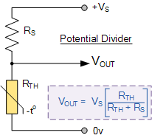
Measured Values |  |  |  |  | Estimated Values, This is for Reference Only
Temperature | Measured ADC Reading | Measured Voltage | Measured Resistance | Measured T (°C) | T (°C) | T (K) | R (kOhm) | Expected Voltage | Expected ADC Reading
-15 | 1020 | 4.99 | 1598 |  | -15 | 258.15 | 778.9810758 | 4.97 | 1017
-10 | 1016 | 4.97 | 682.17142857 |  | -10 | 263.15 | 582.45712787 | 4.96 | 1015
-5 | 1012 | 4.95 | 432.4 |  | -5 | 268.15 | 440.26046692 | 4.95 | 1012
0 | 1008 | 4.93 | 315.84 |  | 0 | 273.15 | 336.20603721 | 4.93 | 1009 |  | 1020
5 | 1004 | 4.91 | 248.35789474 |  | 5 | 278.15 | 259.2456242 | 4.91 | 1005 |  | 1016
10 | 999 | 4.88 | 195.6375 |  | 10 | 283.15 | 201.74577024 | 4.89 | 1000 |  | 1012
15 | 993 | 4.85 | 155.57 |  | 15 | 288.15 | 158.37147665 | 4.86 | 994 |  | 1008
20 | 985 | 4.81 | 121.82894737 |  | 20 | 293.15 | 125.35325813 | 4.82 | 986 |  | 1004
25 | 977 | 4.78 | 99.823913043 |  | 25 | 298.15 | 100 | 4.78 | 977 |  | 999
30 | 966 | 4.72 | 79.652631579 |  | 30 | 303.15 | 80.37140687 | 4.72 | 966 |  | 993
35 | 954 | 4.66 | 64.982608696 |  | 35 | 308.15 | 65.055311262 | 4.66 | 954 |  | 985
V/T
40 | 939 | 4.59 | 52.539285714 |  | 40 | 313.15 | 53.014668594 | 4.59 | 940 |  | 977
45 | 922 | 4.51 | 42.904950495 |  | 45 | 318.15 | 43.481368501 | 4.51 | 923 |  | 966
50 | 903 | 4.41 | 35.3675 |  | 50 | 323.15 | 35.881825819 | 4.42 | 905 |  | 954
55 | 881 | 4.31 | 29.159859155 |  | 55 | 328.15 | 29.784358965 | 4.32 | 884 |  | 939
60 | 857 | 4.19 | 24.264457831 |  | 60 | 333.15 | 24.861647515 | 4.21 | 860 |  | 922
65 | 830 | 4.06 | 20.212435233 |  | 65 | 338.15 | 20.863721434 | 4.08 | 835 |  | 903
70 | 801 | 3.91 | 16.958108108 |  | 70 | 343.15 | 17.598370085 | 3.95 | 807 |  | 881
75 | 770 | 3.76 | 14.304347826 |  | 75 | 348.15 | 14.916822463 | 3.80 | 778 |  | 857
80 | 737 | 3.60 | 12.111538462 |  | 80 | 353.15 | 12.703202348 | 3.65 | 747 |  | 830
85 | 702 | 3.43 | 10.278504673 |  | 85 | 358.15 | 10.866707694 | 3.49 | 714 |  | 801
90 | 665 | 3.25 | 8.7304469274 |  | 90 | 363.15 | 9.3357705779 | 3.33 | 680 |  | 770
95 | 628 | 3.07 | 7.4724050633 |  | 95 | 368.15 | 8.0536673258 | 3.16 | 646 |  | 737
100 | 591 | 2.89 | 6.4298611111 |  | 100 | 373.15 | 6.9751977299 | 2.99 | 611 |  | 702
105 | 553 | 2.70 | 5.53 |  | 105 | 378.15 | 6.0641576348 | 2.82 | 576 |  | 665
110 | 516 | 2.52 | 4.7834319527 |  | 110 | 383.15 | 5.2914040129 | 2.65 | 542 |  | 628
115 | 480 | 2.35 | 4.1546961326 |  | 115 | 388.15 | 4.6333652256 | 2.48 | 508 |  | 591
120 | 445 | 2.17 | 3.6185121107 |  | 120 | 393.15 | 4.0708877665 | 2.32 | 475 |  | 553
125 | 411 | 2.01 | 3.156372549 |  | 125 | 398.15 | 3.5883387724 | 2.16 | 443 |  | 516
130 | 379 | 1.85 | 2.7659937888 |  | 130 | 403.15 | 3.1729040204 | 2.02 | 412 |  | 480
135 | 348 | 1.70 | 2.4231111111 |  | 135 | 408.15 | 2.81403613 | 1.87 | 383 |  | 445
140 | 320 | 1.56 | 2.1394025605 |  | 140 | 413.15 | 2.5030187703 | 1.74 | 355 |  | 411
145 | 293 | 1.43 | 1.8864383562 |  | 145 | 418.15 | 2.2326209038 | 1.61 | 329 |  | 379
150 | 268 | 1.31 | 1.6683443709 |  | 150 | 423.15 | 1.9968212461 | 1.49 | 305 |  | 348
155 | 245 | 1.20 | 1.4800771208 |  | 155 | 428.15 | 1.7905877394 | 1.38 | 282 |  | 320
160 | 224 | 1.09 | 1.3176470588 |  | 160 | 433.15 | 1.6097003208 | 1.28 | 261 |  | 293
165 | 205 | 1.00 | 1.1778728606 |  | 165 | 438.15 | 1.4506079141 | 1.18 | 241 |  | 268
170 | 187 | 0.91 | 1.0513157895 |  | 170 | 443.15 | 1.3103125841 | 1.09 | 223 |  | 245
175 | 171 | 0.84 | 0.94330985915 |  | 175 | 448.15 | 1.1862753425 | 1.01 | 206 |  | 224
180 | 156 | 0.76 | 0.84567474048 |  | 180 | 453.15 | 1.0763392752 | 0.93 | 191 |  | 205
185 | 143 | 0.70 | 0.76375 |  | 185 | 458.15 | 0.97866658572 | 0.86 | 176 |  | 187
190 | 131 | 0.64 | 0.69024663677 |  | 190 | 463.15 | 0.8916868554 | 0.80 | 163 |  | 171
195 | 120 | 0.59 | 0.62458471761 |  | 195 | 468.15 | 0.81405438184 | 0.74 | 151 |  | 156
200 | 109 | 0.53 | 0.56050328228 |  | 200 | 473.15 | 0.74461288696 | 0.68 | 140 |  | 143
205 | 100 | 0.49 | 0.50920910076 |  | 205 | 478.15 | 0.68236623041 | 0.63 | 130 |  | 131
210 | 92 | 0.45 | 0.46444683136 |  | 210 | 483.15 | 0.62645403169 | 0.59 | 120 |  | 120
215 | 84 | 0.41 | 0.42044728435 |  | 215 | 488.15 | 0.57613131787 | 0.55 | 112 |  | 109
220 | 78 | 0.38 | 0.38793650794 |  | 220 | 493.15 | 0.53075148305 | 0.51 | 104 |  | 100
225 | 71 | 0.35 | 0.35052521008 |  | 225 | 498.15 | 0.48975198046 | 0.47 | 97 |  | 92
230 | 66 | 0.32 | 0.32413793103 |  | 230 | 503.15 | 0.45264227607 | 0.44 | 90 |  | 84
235 | 61 | 0.30 | 0.29802494802 |  | 235 | 508.15 | 0.41899367938 | 0.41 | 84 |  | 78
240 | 56 | 0.27 | 0.2721820062 |  | 240 | 513.15 | 0.38843073644 | 0.38 | 78 |  | 71
245 | 52 | 0.25 | 0.25169927909 |  | 245 | 518.15 | 0.36062392682 | 0.36 | 73 |  | 66
250 | 48 | 0.23 | 0.23138461538 |  | 250 | 523.15 | 0.33528345176 | 0.33 | 68 |  | 61
255 | 44 | 0.22 | 0.21123595506 |  | 255 | 528.15 | 0.31215393775 | 0.31 | 64 |  | 56
260 | 41 | 0.20 | 0.19623217923 |  | 260 | 533.15 | 0.29100991009 | 0.29 | 60 |  | 52
265 | 38 | 0.19 | 0.18131979695 |  | 265 | 538.15 | 0.27165191579 | 0.27 | 56 |  | 48
270 | 35 | 0.17 | 0.16649797571 |  | 270 | 543.15 | 0.25390319519 | 0.26 | 52 |  | 44
275 | 33 | 0.16 | 0.15666666667 |  | 275 | 548.15 | 0.23760681845 | 0.24 | 49 |  | 41
280 | 31 | 0.15 | 0.146875 |  | 280 | 553.15 | 0.22262321695 | 0.23 | 46 |  | 38
285 | 28 | 0.14 | 0.13226130653 |  | 285 | 558.15 | 0.20882805051 | 0.21 | 44 |  | 35
290 | 27 | 0.13 | 0.12740963855 |  | 290 | 563.15 | 0.19611036124 | 0.20 | 41 |  | 33
295 | 25 | 0.12 | 0.11773547094 |  | 295 | 568.15 | 0.18437097232 | 0.19 | 39 |  | 31
300 | 23 | 0.11 | 0.1081 |  | 300 | 573.15 | 0.17352109644 | 0.18 | 36 |  | 28
 |  |  |  |  |  |  |  |  |  |  | 27
 |  |  |  |  |  |  |  |  |  |  | 25
 |  |  |  |  |  |  |  |  |  |  | 23

Beta_Calibration
Thermistor Info |  |  |  |  | T (°C) | T (K) | R (kOhm) | ADC Volt | Expected ADC Reading | Reading - oversampled | Readme
R0 | 100 | kOhm |  |  | -15 | 258.15 | 838.64224488 | 4.97 | 1017 | 16277 | 1.) Using the Beta & R25 values supplied by whoever sold you the thermistor (or looking up the datasheets online) complete the calculation inputs (in RED BORDERS)
T0 | 25 | °C | 298.15 | K | -10 | 263.15 | 620.54705593 | 4.96 | 1015 | 16245 | 2.) Input the values for R Pullup, Vin, Oversampling number, and scale, as discussed in method 1.
B (Beta, B25/100) | 4092 |  |  |  | -5 | 268.15 | 464.35555551 | 4.95 | 1013 | 16204 | 3.) see example below, for my thermistor.
T_B | 100 | °C | 373.15 | K | 0 | 273.15 | 351.18555363 | 4.93 | 1009 | 16152 | 4.) click the button to generate the thermistor table for use in marlin
 |  |  |  |  | 5 | 278.15 | 268.27740628 | 4.91 | 1005 | 16086 | NOTE: this method has greater error than using the R/T tables or manual calibrations, but is useful if all you know is the beta value. Note the comments in Method 1, regarding accuracy of your values.
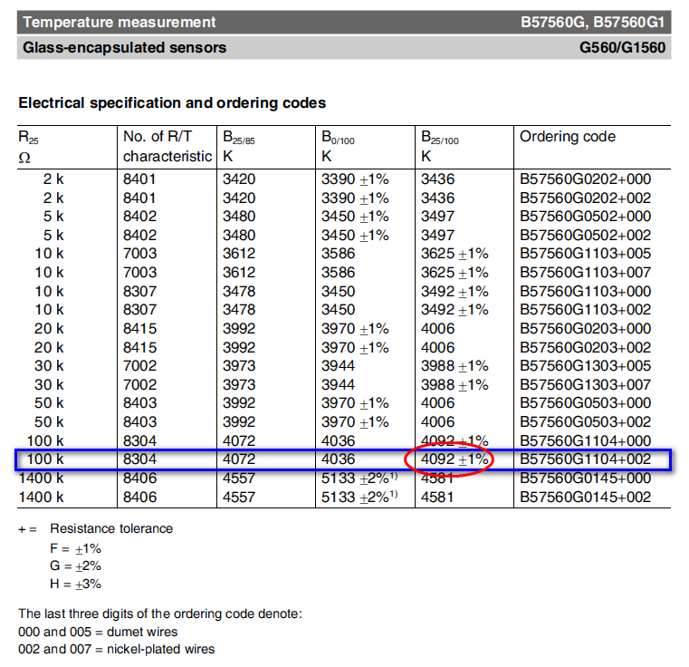
 |  |  |  |  | 10 | 283.15 | 206.90070229 | 4.89 | 1000 | 16004
PullUp R: | 4.7 | kOhm |  |  | 15 | 288.15 | 161.01088111 | 4.86 | 994 | 15904
V_in | 5 | V |  |  | 20 | 293.15 | 126.37569008 | 4.82 | 986 | 15781
oversampler | 16 |  |  |  | 25 | 298.15 | 100 | 4.78 | 977 | 15633
R25 | 100 | kOhm (at 25°C) |  |  | 30 | 303.15 | 79.742533969 | 4.72 | 966 | 15457
ADC Resolution | 10 | bit |  |  | 35 | 308.15 | 64.057560065 | 4.66 | 953 | 15249
scale | 1023 | precision of voltage measurement |  |  | 40 | 313.15 | 51.818908794 | 4.58 | 938 | 15007
References: |  |  |  |  | 45 | 318.15 | 42.198832282 | 4.50 | 920 | 14728
http://en.wikipedia.org/wiki/Thermistor |  |  |  |  | 50 | 323.15 | 34.58378757 | 4.40 | 901 | 14410
 |  |  |  |  | 55 | 328.15 | 28.515334351 | 4.29 | 878 | 14052
 |  |  |  |  | 60 | 333.15 | 23.648281556 | 4.17 | 853 | 13654
 |  |  |  |  | 65 | 338.15 | 19.72079146 | 4.04 | 826 | 13218
 |  |  |  |  | 70 | 343.15 | 16.532847449 | 3.89 | 797 | 12745
 |  |  |  |  | 75 | 348.15 | 13.930621986 | 3.74 | 765 | 12239
 |  |  |  |  | 80 | 353.15 | 11.795041228 | 3.58 | 732 | 11704
 |  |  |  |  | 85 | 358.15 | 10.03335821 | 3.40 | 697 | 11147
 |  |  |  |  | 90 | 363.15 | 8.572899273 | 3.23 | 661 | 10572
 |  |  |  |  | 95 | 368.15 | 7.3563917995 | 3.05 | 624 | 9987
 |  |  |  |  | 100 | 373.15 | 6.3384506341 | 2.87 | 587 | 9399
 |  |  |  |  | 105 | 378.15 | 5.4829192681 | 2.69 | 551 | 8813
 |  |  |  |  | 110 | 383.15 | 4.7608456862 | 2.52 | 515 | 8237
 |  |  |  |  | 115 | 388.15 | 4.1489324085 | 2.34 | 480 | 7674
 |  |  |  |  | 120 | 393.15 | 3.6283429796 | 2.18 | 446 | 7131
 |  |  |  |  | 125 | 398.15 | 3.1837779561 | 2.02 | 413 | 6610
 |  |  |  |  | 130 | 403.15 | 2.8027558018 | 1.87 | 382 | 6114
 |  |  |  |  | 135 | 408.15 | 2.4750504295 | 1.72 | 353 | 5646
 |  |  |  |  | 140 | 413.15 | 2.1922491213 | 1.59 | 325 | 5206
 |  |  |  |  | 145 | 418.15 | 1.9474034295 | 1.46 | 300 | 4795
 |  |  |  |  | 150 | 423.15 | 1.7347522462 | 1.35 | 276 | 4413
 |  |  |  |  | 155 | 428.15 | 1.5495011546 | 1.24 | 254 | 4058
 |  |  |  |  | 160 | 433.15 | 1.3876458764 | 1.14 | 233 | 3731
 |  |  |  |  | 165 | 438.15 | 1.2458304174 | 1.05 | 214 | 3430
 |  |  |  |  | 170 | 443.15 | 1.1212326391 | 0.96 | 197 | 3153
 |  |  |  |  | 175 | 448.15 | 1.0114715951 | 0.89 | 181 | 2899
 |  |  |  |  | 180 | 453.15 | 0.91453221148 | 0.81 | 167 | 2666
 |  |  |  |  | 185 | 458.15 | 0.82870384141 | 0.75 | 153 | 2453
 |  |  |  |  | 190 | 463.15 | 0.75252996273 | 0.69 | 141 | 2259
 |  |  |  |  | 195 | 468.15 | 0.68476685534 | 0.64 | 130 | 2081
 |  |  |  |  | 200 | 473.15 | 0.62434954325 | 0.59 | 120 | 1919
 |  |  |  |  | 205 | 478.15 | 0.57036363327 | 0.54 | 111 | 1771
 |  |  |  |  | 210 | 483.15 | 0.52202195648 | 0.50 | 102 | 1636
 |  |  |  |  | 215 | 488.15 | 0.47864513424 | 0.46 | 95 | 1513
 |  |  |  |  | 220 | 493.15 | 0.43964536156 | 0.43 | 88 | 1400
 |  |  |  |  | 225 | 498.15 | 0.40451283612 | 0.40 | 81 | 1297
 |  |  |  |  | 230 | 503.15 | 0.37280436955 | 0.37 | 75 | 1203
 |  |  |  |  | 235 | 508.15 | 0.34413380399 | 0.34 | 70 | 1117
 |  |  |  |  | 240 | 513.15 | 0.31816392634 | 0.32 | 65 | 1038
 |  |  |  |  | 245 | 518.15 | 0.29459962853 | 0.29 | 60 | 965
 |  |  |  |  | 250 | 523.15 | 0.2731821073 | 0.27 | 56 | 899
 |  |  |  |  | 255 | 528.15 | 0.25368393329 | 0.26 | 52 | 838
 |  |  |  |  | 260 | 533.15 | 0.23590484936 | 0.24 | 49 | 782
 |  |  |  |  | 265 | 538.15 | 0.21966818181 | 0.22 | 46 | 731
 |  |  |  |  | 270 | 543.15 | 0.20481776813 | 0.21 | 43 | 684
 |  |  |  |  | 275 | 548.15 | 0.19121532124 | 0.20 | 40 | 640
 |  |  |  |  | 280 | 553.15 | 0.17873816323 | 0.18 | 37 | 600
 |  |  |  |  | 285 | 558.15 | 0.1672772727 | 0.17 | 35 | 563
 |  |  |  |  | 290 | 563.15 | 0.15673559889 | 0.16 | 33 | 528
 |  |  |  |  | 295 | 568.15 | 0.14702660317 | 0.15 | 31 | 496
 |  |  |  |  | 300 | 573.15 | 0.13807299489 | 0.14 | 29 | 467

Comparison Temperature Chart
Comparison of Methods
 | Thermistor Table | Steinhart-Hart | Beta
-15 | 778.9810758 | 639.29294374 | 838.64224488
-10 | 582.45712787 | 498.45378201 | 620.54705593
-5 | 440.26046692 | 390.59590769 | 464.35555551
0 | 336.20603721 | 307.58714114 | 351.18555363
5 | 259.2456242 | 243.39349552 | 268.27740628
10 | 201.74577024 | 193.51515303 | 206.90070229
15 | 158.37147665 | 154.57990181 | 161.01088111
20 | 125.35325813 | 124.04849371 | 126.37569008
25 | 100 | 100 | 100
30 | 80.37140687 | 80.974656747 | 79.742533969
35 | 65.055311262 | 65.858240195 | 64.057560065
40 | 53.014668594 | 53.796594557 | 51.818908794
45 | 43.481368501 | 44.132158703 | 42.198832282
50 | 35.881825819 | 36.356619012 | 34.58378757
55 | 29.784358965 | 30.075437725 | 28.515334351
60 | 24.861647515 | 24.981165614 | 23.648281556
65 | 20.863721434 | 20.833280582 | 19.72079146
70 | 17.598370085 | 17.442894911 | 16.532847449
75 | 14.916822463 | 14.661109688 | 13.930621986
80 | 12.703202348 | 12.370112347 | 11.795041228
85 | 10.866707694 | 10.47634546 | 10.03335821
90 | 9.3357705779 | 8.9052454442 | 8.572899273
95 | 8.0536673258 | 7.5971756558 | 7.3563917995
100 | 6.9751977299 | 6.5042715159 | 6.3384506341
105 | 6.0641576348 | 5.5879845455 | 5.4829192681
110 | 5.2914040129 | 4.8171638908 | 4.7608456862
115 | 4.6333652256 | 4.166552626 | 4.1489324085
120 | 4.0708877665 | 3.6156052243 | 3.6283429796
125 | 3.5883387724 | 3.1475545462 | 3.1837779561
130 | 3.1729040204 | 2.748673314 | 2.8027558018
135 | 2.81403613 | 2.407687669 | 2.4750504295
140 | 2.5030187703 | 2.1153100312 | 2.1922491213
145 | 2.2326209038 | 1.8638658406 | 1.9474034295
150 | 1.9968212461 | 1.6469944011 | 1.7347522462
155 | 1.7905877394 | 1.4594083971 | 1.5495011546
160 | 1.6097003208 | 1.2967 | 1.3876458764
165 | 1.4506079141 | 1.1551840843 | 1.2458304174
170 | 1.3103125841 | 1.0317710834 | 1.1212326391
175 | 1.1862753425 | 0.92386359078 | 1.0114715951
180 | 1.0763392752 | 0.82927203591 | 0.91453221148
185 | 0.97866658572 | 0.746145726 | 0.82870384141
190 | 0.8916868554 | 0.67291630116 | 0.75252996273
195 | 0.81405438184 | 0.60825124356 | 0.68476685534
200 | 0.74461288696 | 0.55101555238 | 0.62434954325
205 | 0.68236623041 | 0.50024006808 | 0.57036363327
210 | 0.62645403169 | 0.45509522541 | 0.52202195648
215 | 0.57613131787 | 0.41486924977 | 0.47864513424
220 | 0.53075148305 | 0.37895 | 0.43964536156
225 | 0.48975198046 | 0.34680981056 | 0.40451283612
230 | 0.45264227607 | 0.3179928074 | 0.37280436955
...

Comparison Voltage Chart
Comparison of Methods
 | Thermistor Table |  | Steinhart-Hart |  | Beta
4.99 | -15 | 16249 | -15 | 16277 | -15
4.97 | -10 | 16215 | -10 | 16245 | -10
4.95 | -5 | 16173 | -5 | 16204 | -5
4.93 | 0 | 16122 | 0 | 16152 | 0
4.91 | 5 | 16058 | 5 | 16086 | 5
4.88 | 10 | 15980 | 10 | 16004 | 10
4.85 | 15 | 15885 | 15 | 15904 | 15
4.81 | 20 | 15770 | 20 | 15781 | 20
4.78 | 25 | 15633 | 25 | 15633 | 25
4.72 | 30 | 15470 | 30 | 15457 | 30
4.66 | 35 | 15278 | 35 | 15249 | 35
4.59 | 40 | 15053 | 40 | 15007 | 40
4.51 | 45 | 14793 | 45 | 14728 | 45
4.41 | 50 | 14494 | 50 | 14410 | 50
4.31 | 55 | 14156 | 55 | 14052 | 55
4.19 | 60 | 13776 | 60 | 13654 | 60
4.06 | 65 | 13355 | 65 | 13218 | 65
3.91 | 70 | 12894 | 70 | 12745 | 70
3.76 | 75 | 12395 | 75 | 12239 | 75
3.60 | 80 | 11861 | 80 | 11704 | 80
3.43 | 85 | 11299 | 85 | 11147 | 85
3.25 | 90 | 10714 | 90 | 10572 | 90
3.07 | 95 | 10112 | 95 | 9987 | 95
2.89 | 100 | 9502 | 100 | 9399 | 100
2.70 | 105 | 8890 | 105 | 8813 | 105
2.52 | 110 | 8285 | 110 | 8237 | 110
2.35 | 115 | 7692 | 115 | 7674 | 115
2.17 | 120 | 7117 | 120 | 7131 | 120
2.01 | 125 | 6565 | 125 | 6610 | 125
1.85 | 130 | 6040 | 130 | 6114 | 130
1.70 | 135 | 5545 | 135 | 5646 | 135
1.56 | 140 | 5080 | 140 | 5206 | 140
1.43 | 145 | 4648 | 145 | 4795 | 145
1.31 | 150 | 4247 | 150 | 4413 | 150
1.20 | 155 | 3878 | 155 | 4058 | 155
1.09 | 160 | 3539 | 160 | 3731 | 160
1.00 | 165 | 3229 | 165 | 3430 | 165
0.91 | 170 | 2946 | 170 | 3153 | 170
0.84 | 175 | 2689 | 175 | 2899 | 175
0.76 | 180 | 2455 | 180 | 2666 | 180
0.70 | 185 | 2242 | 185 | 2453 | 185
0.64 | 190 | 2050 | 190 | 2259 | 190
0.59 | 195 | 1876 | 195 | 2081 | 195
0.53 | 200 | 1718 | 200 | 1919 | 200
0.49 | 205 | 1575 | 205 | 1771 | 205
0.45 | 210 | 1445 | 210 | 1636 | 210
0.41 | 215 | 1328 | 215 | 1513 | 215
0.38 | 220 | 1221 | 220 | 1400 | 220
0.35 | 225 | 1125 | 225 | 1297 | 225
0.32 | 230 | 1037 | 230 | 1203 | 230
...

