Steps Calculator Belt
Belt Driven System | Value | Unit | Remarks | Formulas
Step Angle | 1.8 | Degree |  | // Typical stepper motors have 200 steps per full step/rev = 1.8°/step, so 1/16 microstepping = STEPS_PER_REVOLUTION_E = 3200
Steps for 1 Rotation | 200 | steps | A stepper motor converts electronic signals into mechanical movement each time an incoming pulse is applied to the motor. Each pulse moves the shaft in fixed increments. If the stepper motor has a 1.8° step resolution, then in order for shaft to rotate one complete revolution, in full step operation, the stepper motor would need to receive 200 pulses, 360° ÷ 1.8 = 200 | // X-Y Axis 3200, / 20 tooth, / 2mm pitch = 200*16 / 20 / 2 = 80 :: (STEPS_PER_REVOLUTION_X / IDLER_TEETH_X / BELT_PITCH_X)
Belt Pitch | 2 | mm
Pulley Tooth Count | 20 | GT2 |  | // Z Axis 3200, / 1.25mm pitch leadscrew = 200*16 /1.25 = 2560 :: (STEPS_PER_REVOLUTION_Z / PITCH_OF_Z_ROD)
1 Revolution Movement | 40 | mm |  | // Z Axis 3200, / 2mm pitch leadscrew = 200*16 /2 = 1600 :: (STEPS_PER_REVOLUTION_Z / PITCH_OF_Z_ROD)
Driver Microstepping | 16 | micro steps | MCU needs to tick 16 times to achive 1 full step | // Z Axis 3200, / 8mm pitch leadscrew = 200*16 /8 = 400 :: (STEPS_PER_REVOLUTION_Z / PITCH_OF_Z_ROD)
No of micro steps for 1mm | 80 | steps | StepsPerMM = ((360/StepAngle)*Microstepping)/(BeltPitch*ToothCount)
1 micro step distance | 0.0125 | mm | therotical maximum resolution | // E-Axia 3200, / (11mm Gear OD * pi) :: (STEPS_PER_REVOLUTION_E * EXTRUDER_GEAR_RATIO / (PINCH_WHEEL_DIAMETER * PI))
No of full steps for 1mm | 5 | steps
1 full step distance | 0.2 | mm | best chance resolution

Lead Screw Driven System | Value | Unit | Remarks
Step Angle | 1.8 | Degree
Steps for 1 Rotation | 200 | steps
Screw Pitch | 2 | mm
Screw Starts | 4
Screw Lead (movement per revolution) | 8 | mm | Tr8*8 Leadscrew, the first 8 of Tr8 means it is for 8mm diameter Leadscrew and the second 8 means the Lead. 8mm Lead means when drive by a stepper driver in Full Step mode, it moves 8mm per revolution. | These are specifically TR8x8(P2) lead screws. 8mm diameter, 8mm movement per revolution, quad start with 2mm thread pitch. The important fact is that the nut advances 8mm per turn. This is because there are four independent thread paths spaced at 2mm from one another. "there are at least two common types of 8mm lead screws. One is 2mm pitch 4-start (8mm per turn), the other is 2mm pitch single start (2mm per turn). This listing is for 2mm pitch 4-start lead screw. Note: in your printer settings 400.00 is number of steps with 1.8° motors and 1/16th stepping"
Lead Screw Pulley Tooth Count | 20 | GT2
Motor Pulley Tooth Count | 20 | GT2
Driver Microstepping | 16 | micro steps | MCU needs to tick 16 times to achive 1 full step
No of micro steps for 1mm | 400 | steps | StepsPerMM = ((360/StepAngle)*Microstepping)/(LeadscrewPitch)*(PulleyLeadscrew/PulleyMotor) | Number of Start indicates the relation between lead and pitch of a screw. Mathematically, Lead = n * Pitch, where n = number of start. Now,Lead is the distance between two corresponding points on the SAME thread. Whereas Pitch is the distance between two corresponding points on the two CONSECUTIVE threads. So, in SINGLE START (n=1) ,pitch equals lead. In DOUBLE START (n=2), the distance between two corresponding points on the SAME thread (lead) is twice of that of on the two CONSECUTIVE thread (pitch). Likewise, triple start :)
1 micro step distance | 0.0025 | mm
No of full steps for 1mm | 25 | steps
1 full step distance | 0.04 | mm | ideal z-axis movement multiplier

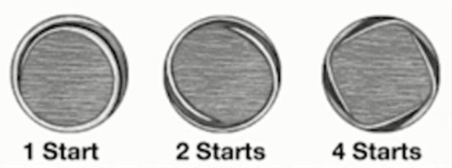 |  |  | 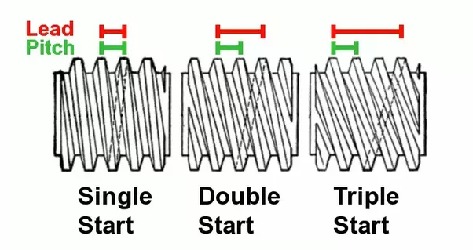 | Lead = n * Pitch, where n = number of start. Now,Lead is the distance between two corresponding points on the SAME thread. Whereas Pitch is the distance between two corresponding points on the two CONSECUTIVE threads. SINGLE START (n=1) ,pitch equals lead. In DOUBLE START (n=2), the distance between two corresponding points on the SAME thread (lead) is twice of that of on the two CONSECUTIVE thread (pitch). Likewise, triple start Tr8*8 Leadscrew This is a Pitch 2mm, 4 Starts. Equation: 8mm Lead= 2mm Pitch*4 Starts. Tr8*8 Leadscrew, the first 8 of Tr8 means it is for 8mm diameter Leadscrew and the second 8 means the Lead. 8mm Lead means when drive by a stepper driver in Full Step mode, it moves 8mm per revolution.
Lead Length Calculator | Value | Unit | Remarks
Pitch | 2 | mm
Lead | 8 | mm

