Specs
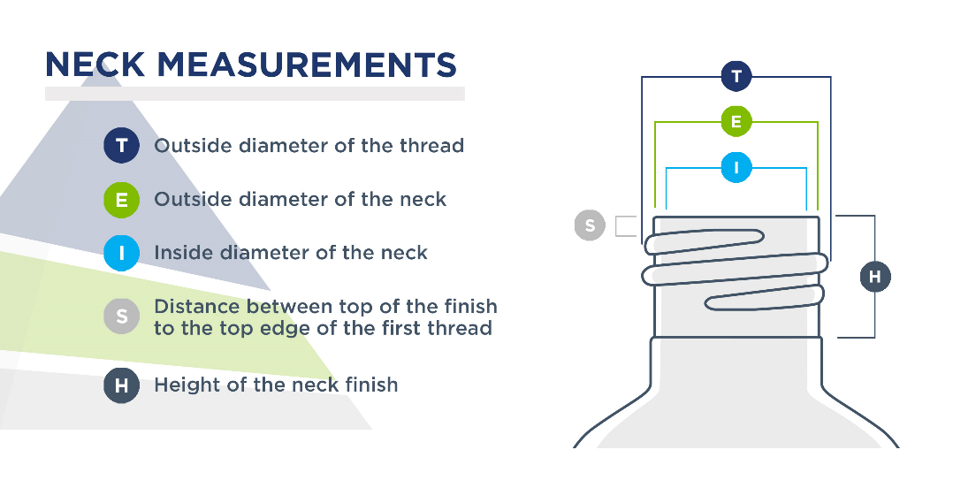
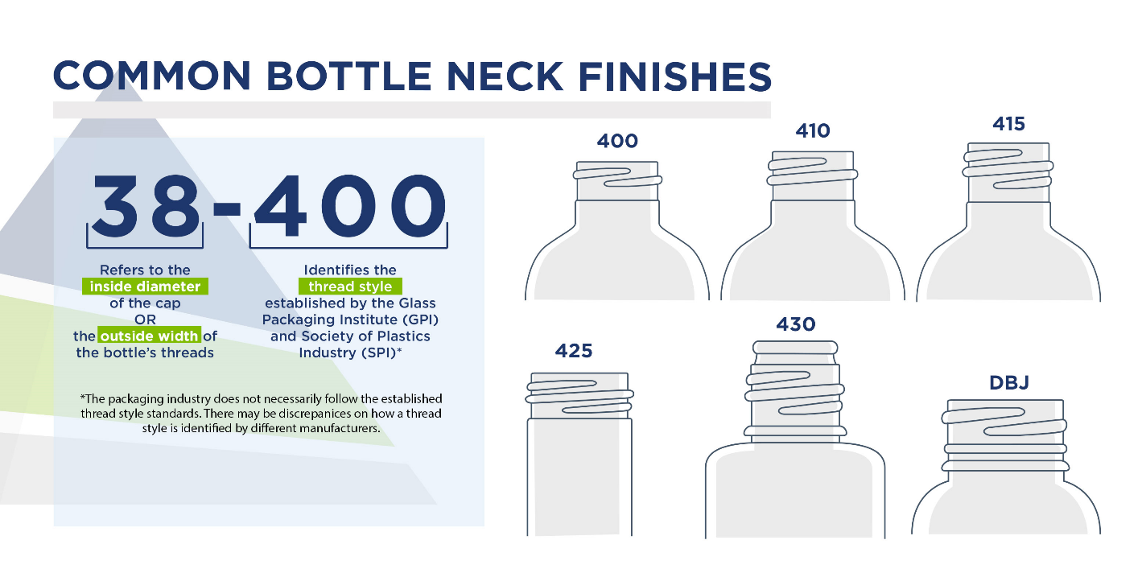
MM | T |  | E |  | 400H (H= height) |  | 410H |  | 415H |  | S |  | I | THDS/ | thread width (a) | Helix angle |  | Cap specifications
 | Max | Min | Max | Min | Max | Min | Max | Min | Max | Min | Max | Min | Min | IN. | mm | degrees | arcmins | Thread diameter | Pitch | Section height | Hole diameter
13 | 13.06 |  | 11.53 |  |  |  |  |  |  |  |  |  |  | 12 | 1.14 | 3 | 11 | 13.26 | 2.317 | 0.987 | 11.73
15 | 14.76 |  | 13.23 |  |  |  |  |  |  |  |  |  |  | 12 | 1.14 | 2 | 48 | 14.96 | 2.299 | 0.987 | 13.43
18 | 17.88 |  | 15.75 |  |  |  |  |  |  |  |  |  |  | 8 | 2.13 | 3 | 30 | 18.08 | 3.474 | 1.845 | 15.95 | L style thread measurements
20 | 19.89 | 19.48 | 17.75 | 17.35 | 9.08 | 9.04 | 14.45 | 13.69 | 19.23 | 18.46 | 1.32 | 0.56 | 10.26 | 8 | 2.13 | 3 | 7 | 20.09 | 3.437 | 1.845 | 17.95
22 | 21.89 |  | 19.76 |  |  |  |  |  |  |  |  |  |  | 8 | 2.13 | 2 | 49 | 22.09 | 3.414 | 1.845 | 19.96 | Threads/in | a (mm)
24 | 23.87 | 23.47 | 21.74 | 21.34 | 10.54 | 9.78 | 16.79 | 16.03 | 24.69 | 23.93 | 1.55 | 0.79 | 13.1 | 8 | 2.13 | 2 | 34 | 24.07 | 3.390 | 1.845 | 21.94 | 5 | 3.05
28 | 27.64 | 27.12 | 25.25 | 24.74 | 10.47 | 9.78 | 18.36 | 17.06 | 27.86 | 27.1 | 1.55 | 0.79 | 15.6 | 6 | 2.39 | 2 | 57 | 27.84 | 4.507 | 2.070 | 25.45 | 6 | 2.39
30 | 28.62 |  | 26.23 |  |  |  |  |  |  |  |  |  |  | 6 | 2.39 | 2 | 51 | 28.82 | 4.507 | 2.070 | 26.43 | 8 | 2.13
33 | 32.14 | 31.52 | 29.74 | 29.14 | 10.62 | 9.86 |  |  | 33 | 32 | 1.55 | 0.79 | 20.1 | 6 | 2.39 | 2 | 31 | 32.34 | 4.466 | 2.070 | 29.94 | 6 | 2.39
35 | 34.64 |  | 32.25 |  |  |  |  |  |  |  |  |  |  | 6 | 2.39 | 2 | 21 | 34.84 | 4.492 | 2.070 | 32.45 | 12 | 1.14
38 | 37.50 | 36.88 | 35.10 | 34.5 | 10.62 | 9.86 |  |  |  |  | 1.55 | 0.79 | 17.45 | 6 | 2.39 | 2 | 9 | 37.70 | 4.446 | 2.070 | 35.30
40 | 40.13 | 39.37 | 37.75 | 36 | 10.62 | 9.86 |  |  |  |  | 1.55 | 0.79 | 27.7 | 6 | 2.39 | 2 | 0 | 40.33 | 4.424 | 2.070 | 37.95
43 | 42.00 | 41.25 | 39.62 | 38.86 | 10.62 | 9.86 |  |  |  |  | 1.55 | 0.79 | 29.6 | 6 | 2.39 | 1 | 55 | 42.20 | 4.437 | 2.070 | 39.82
45 | 44.20 |  | 41.81 |  |  |  |  |  |  |  |  |  |  | 6 | 2.39 | 1 | 49 | 44.40 | 4.424 | 2.070 | 42.01
48 | 47.50 | 46.74 | 45.11 | 44.35 | 10.62 | 9.86 |  |  |  |  | 1.55 | 0.79 | 35.1 | 6 | 2.39 | 1 | 41 | 47.70 | 4.404 | 2.070 | 45.31
51 | 50.00 | 49.1 | 47.60 | 46.71 | 10.75 | 10 |  |  |  |  | 1.55 | 0.79 | 37.6 | 6 | 2.39 | 1 | 36 | 50.20 | 4.405 | 2.070 | 47.80 | Tolerance | 0.2
53 | 52.50 | 51.61 | 50.11 | 49.23 | 10.75 | 10 |  |  |  |  | 1.55 | 0.79 | 40.1 | 6 | 2.39 | 1 | 31 | 52.70 | 4.384 | 2.070 | 50.31
58 | 56.50 | 55.6 | 54.10 | 53.22 | 10.75 | 10 |  |  |  |  | 1.55 | 0.79 | 44.1 | 6 | 2.39 | 1 | 25 | 56.70 | 4.405 | 2.070 | 54.30
60 | 59.50 | 58.6 | 57.10 | 56.21 | 10.75 | 10 |  |  |  |  | 1.55 | 0.79 | 47 | 6 | 2.39 | 1 | 20 | 59.70 | 4.365 | 2.070 | 57.30
63 | 62.51 | 61.62 | 60.12 | 59.23 | 10.75 | 10 |  |  |  |  | 1.55 | 0.79 | 50 | 6 | 2.39 | 1 | 16 | 62.71 | 4.356 | 2.070 | 60.32
66 | 65.50 |  | 63.12 |  |  |  |  |  |  |  |  |  |  | 6 | 2.39 | 1 | 13 | 65.70 | 4.384 | 2.070 | 63.32
70 | 69.50 | 68.6 | 67.00 | 66.22 | 10.75 | 10 |  |  |  |  | 1.55 | 0.79 | 57 | 6 | 2.39 | 1 | 8 | 69.70 | 4.332 | 2.070 | 67.20
75 | 74.00 | 73.1 | 71.60 | 70.71 | 10.75 | 10 |  |  |  |  | 1.55 | 0.79 | 61.5 | 6 | 2.39 | 1 | 4 | 74.20 | 4.340 | 2.070 | 71.80
77 | 77.10 | 76.2 | 74.70 | 73.81 | 12.75 | 12 |  |  |  |  | 1.9 | 1.14 | 64.7 | 6 | 2.39 | 1 | 1 | 77.30 | 4.310 | 2.070 | 74.90
83 | 83.00 | 82.12 | 80.00 | 79.07 | 12.75 | 12 |  |  |  |  | 1.9 | 1.14 | 70 | 5 | 3.05 | 1 | 9 | 83.20 | 5.247 | 2.641 | 80.20
89 | 89.18 | 88.3 | 86.12 | 85.24 | 14 | 13.2 |  |  |  |  | 1.9 | 1.14 | 74.1 | 5 | 3.05 | 1 | 4 | 89.38 | 5.228 | 2.641 | 86.32
100 | 100.00 | 99.1 | 96.95 | 96 | 15.55 | 14.8 |  |  |  |  | 1.9 | 1.14 | 85 | 5 | 3.05 | 0 | 59 | 100.20 | 5.403 | 2.641 | 97.15
110 | 110.00 | 109.1 | 107.00 | 106 | 15.55 | 14.8 |  |  |  |  | 1.9 | 1.14 | 95 | 5 | 3.05 | 0 | 51 | 110.20 | 5.136 | 2.641 | 107.20
120 | 120.00 | 119.1 | 117.00 | 116 | 17.8 | 17 |  |  |  |  | 1.9 | 1.14 | 105 | 5 | 3.05 | 0 | 47 | 120.20 | 5.163 | 2.641 | 117.20

