web
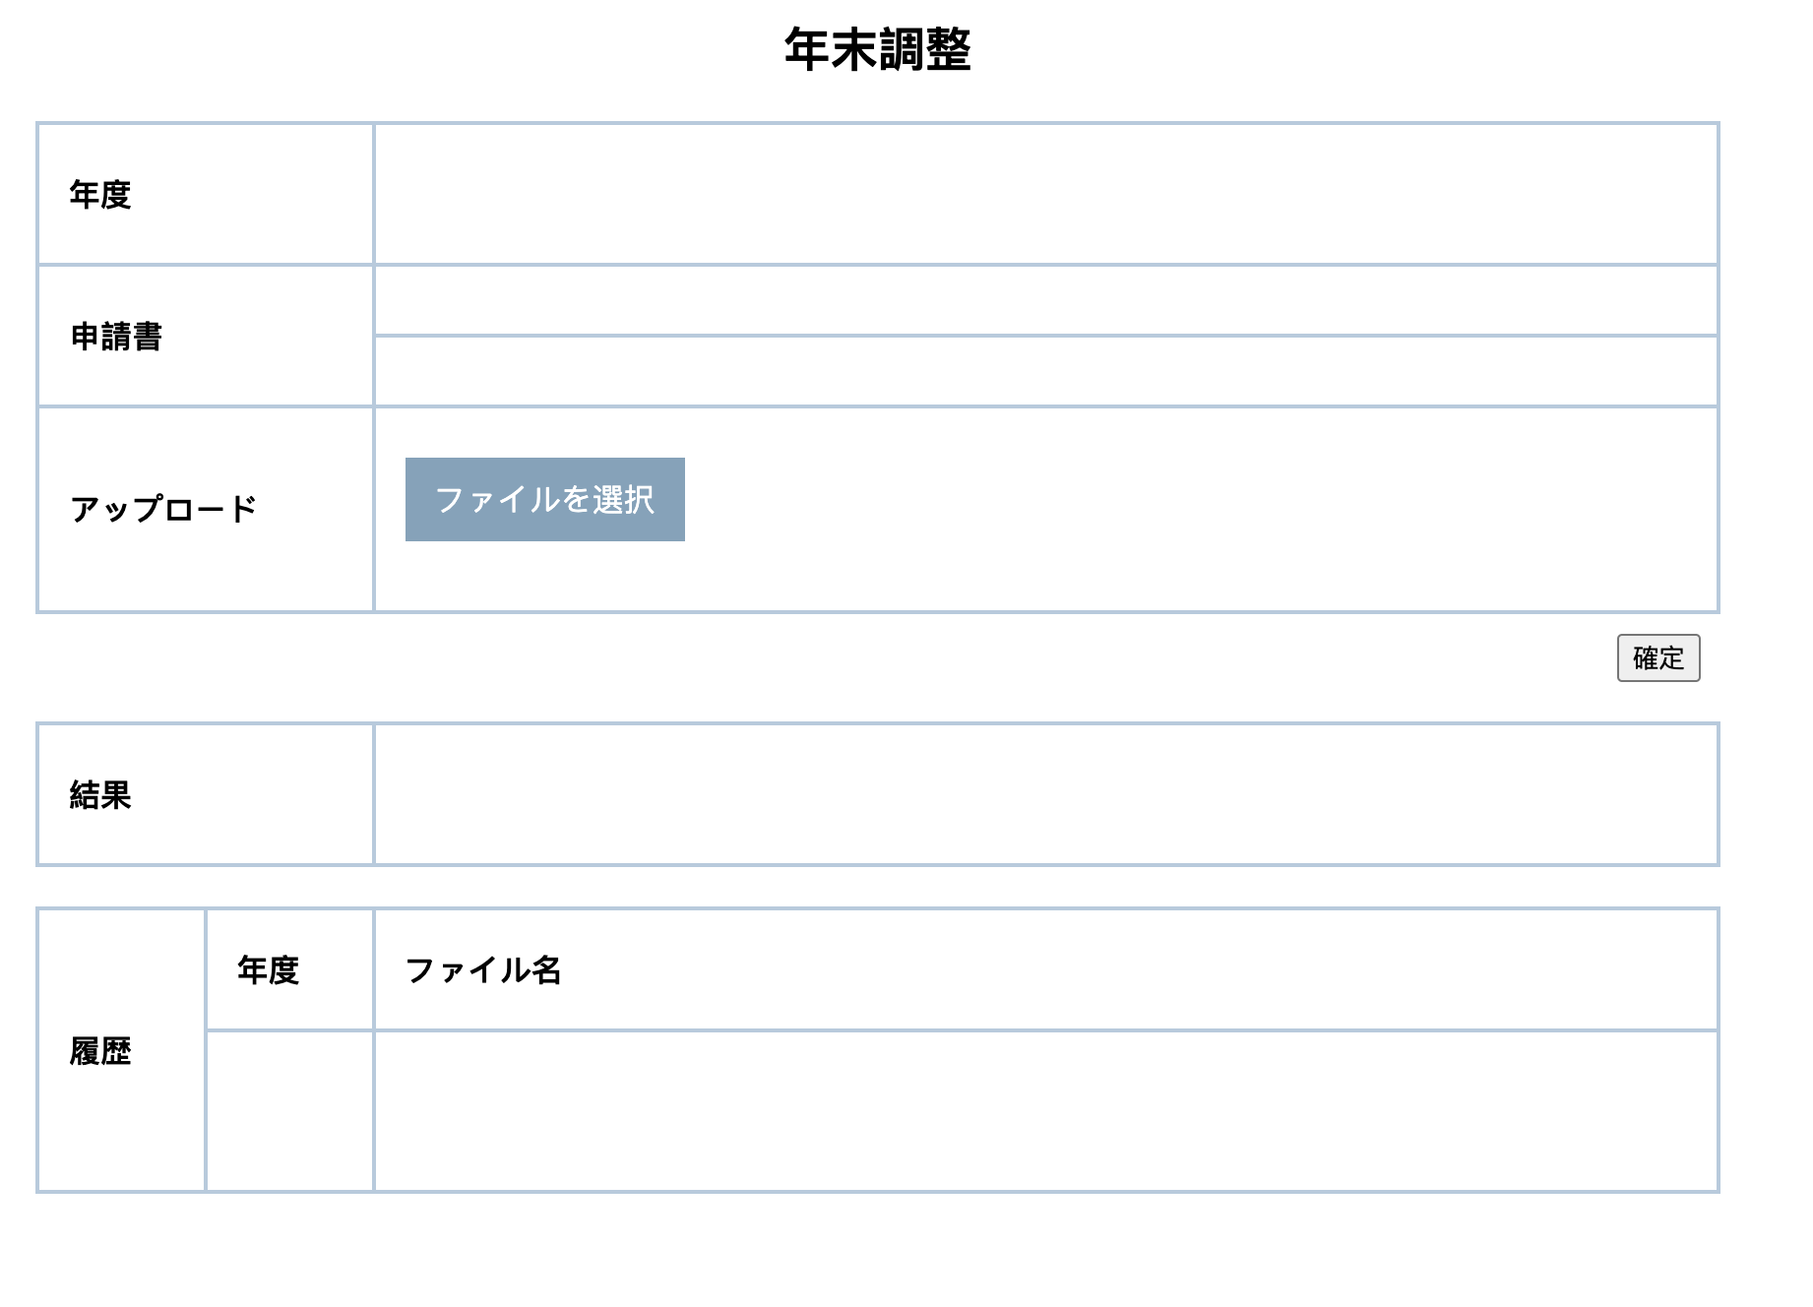
adjustment.html

<!DOCTYPE html>
<html xmlns:th="http://www.thymeleaf.org">
<head>
<meta http-equiv="Content-Type" content="text/html; charset=UTF-8">
<meta name="renderer" content="webkit">
<meta http-equiv="X-UA-Compatible" content="IE=edge">
<head>
<meta charset="UTF-8">
<title>年末調整画面</title>
<style>
.table-container {
width: 50%;
margin-left: 20px;
margin-bottom: 20px;
}
h1 {
text-align: center;
font-size: 24px;
font-weight: bold;
}
table {
width: 100%;
margin-top: 20px;
border-collapse: collapse;
}
th, td {
border: 2px solid #b3cbde;
padding: 15px;
text-align: left;
}
th {
height: 40px;
width: 20%;
}
.upload-area {
margin-bottom: 20px;
}
.file-list {
list-style: none;
padding: 0;
}
.file-item {
margin-bottom: 5px;
}
.file-input {
display: none;
}
.custom-button {
display: inline-block;
padding: 10px 15px;
background-color: #7fa3bc;
color: white;
cursor: pointer;
margin-top: 10px;
}
.delete-btn {
margin-left: 10px;
cursor: pointer;
}
.button-container {
text-align: right;
padding-right: 10px;
padding-top: 10px;
}
.history-header {
width: 10%;
text-align: left;
}
.year-header, .file-name-header {
height: 30px;
}
.year-header {
width: 10%;
text-align: left;
}
.file-name-header {
width: 80%;
text-align: left;
}
.file-name-cell {
height: 50px;
text-align: left;
}
</style>
</head>
<body>
<div class="table-container">
<h1>年末調整</h1>
<table>
<tr>
<th>年度</th>
<td th:text="${currentYear}"></td>
</tr>
<tr>
<th rowspan="2">申請書</th>
<td th:if="${requstFileI1ULStatus == 1}" th:text="${requstFile1Name}">
<a th:href="@{|/download/${requstFile1Name}|}" th:text="${requstFile1Name}"></a>
</td>
</tr>
<tr>
<td th:if="${requstFileI2ULStatus == 1}" th:text="${requstFile2Name}">
<a th:href="@{|/download/${requstFile2Name}|}" th:text="${requstFile2Name}"></a>
</td>
</tr>
<tr>
<th>アップロード</th>
<td>
<div class="upload-area">
<input type="file" id="fileUpload" multiple class="file-input"/>
<label for="fileUpload" class="custom-button">ファイルを選択</label>
<ul id="fileList" class="file-list"></ul>
</div>
</td>
</tr>
</table>
<div class="button-container">
<button onclick="submitFiles()">確定</button>
</div>
<table>
<tr>
<th>結果</th>
<td><a th:href="@{|/download/${file.fileName}|}" th:text="${file.fileName}"></a></td>
</table>
<table>
<tr>
<th class="history-header" rowspan="11">履歴</th>
<th class="year-header">年度</th>
<th class="file-name-header">ファイル名</th>
</tr>
<th:block th:each="i : ${#numbers.sequence}">
<tr>
<td class="year-header" th:text="${#dates.year() - i}"></td>
<td class="file-name-cell">
<div th:each="file : ${histories[i-1]}">
<a th:href="@{|/download/${file.fileName}|}" th:text="${file.fileName}"></a>
</div>
</td>
</tr>
</th:block>
</table>
</div>
<script>
document.getElementById('fileUpload').addEventListener('change', uploadFiles);
function uploadFiles() {
const input = document.getElementById('fileUpload');
const fileList = document.getElementById('fileList');
fileList.innerHTML = '';
Array.from(input.files).forEach((file, index) => {
const li = document.createElement('li');
li.textContent = file.name;
li.classList.add('file-item');
const deleteBtn = document.createElement('button');
deleteBtn.textContent = '削除';
deleteBtn.className = 'delete-btn';
deleteBtn.onclick = function() { this.parentElement.remove(); };
li.appendChild(deleteBtn);
fileList.appendChild(li);
});
}
function submitFiles() {
const files = document.getElementById('fileUpload').files;
const formData = new FormData();
for (let i = 0; i < files.length; i++) {
formData.append('files', files[i]);
}
fetch('/upload', { method: 'POST', body: formData })
.then(response => response.json())
.then(data => console.log('Success:', data))
.catch((error) => console.error('Error:', error));
}
</script>
</body>
</html>

Back-end
AdjustmentController.java

package com.softtech.controller;
import java.io.IOException;
import java.security.Principal;
import java.time.Year;
import java.util.List;
import javax.servlet.http.HttpServletResponse;
import org.springframework.beans.factory.annotation.Autowired;
import org.springframework.http.ResponseEntity;
import org.springframework.stereotype.Controller;
import org.springframework.ui.Model;
import org.springframework.web.bind.annotation.GetMapping;
import org.springframework.web.bind.annotation.PostMapping;
import org.springframework.web.bind.annotation.RequestParam;
import org.springframework.web.multipart.MultipartFile;
import org.springframework.web.servlet.ModelAndView;
import com.softtech.service.AdjustmentService;
@Controller
public class AdjustmentController {
@Autowired
private AdjustmentService adjustmentService;
@GetMapping("/adjustment")
public String showAdjustmentPage(Model model) {
// 添加数据到模型中，比如当前年份
model.addAttribute("currentYear", Year.now().getValue());
return "ems/adjustment"; // 返回的视图名称应该与HTML文件的存储路径匹配
}
@GetMapping("/year-end-adjustment")
public ModelAndView yearEndAdjustmentView(Principal principal) {
ModelAndView modelAndView = new ModelAndView("year-end-adjustment");
String employeeId = principal.getName(); // Assuming the employeeId is the username
modelAndView.addObject("resultFiles", adjustmentService.getResultFiles(employeeId));
modelAndView.addObject("histories", adjustmentService.getHistoricalFiles(employeeId));
return modelAndView;
}
@PostMapping("/upload")
public ResponseEntity<?> uploadFiles(@RequestParam("files") List<MultipartFile> files, Principal principal) {
String employeeId = principal.getName(); // Assuming the employeeId is the username
adjustmentService.uploadFiles(files, employeeId);
return ResponseEntity.ok("Files uploaded successfully");
}
@GetMapping("/download")
public void downloadFile(@RequestParam("fileName") String fileName, HttpServletResponse response) {
try {
adjustmentService.downloadFile(fileName, response);
} catch (IOException e) {
e.printStackTrace();
}
}
@GetMapping("/your-path")
public String yourMethod(Model model) {
model.addAttribute("currentYear", Year.now().getValue());
return "your-template";
}
}

AdjustmentService.java

package com.softtech.service;
import java.io.IOException;
import java.nio.file.Files;
import java.nio.file.Path;
import java.nio.file.Paths;
import java.util.List;
import javax.servlet.http.HttpServletResponse;
import org.springframework.stereotype.Service;
import org.springframework.web.multipart.MultipartFile;
@Service
public class AdjustmentService {
private final Path rootLocation = Paths.get("file-storage");
public void uploadFiles(List<MultipartFile> files, String employeeId) {
files.forEach(file -> {
try {
Path destinationFile = rootLocation.resolve(
Paths.get(employeeId + "/" + file.getOriginalFilename()))
.normalize().toAbsolutePath();
if (!destinationFile.getParent().equals(rootLocation.toAbsolutePath())) {
// This is a security check
throw new IllegalStateException("Cannot store file outside current directory.");
}
file.transferTo(destinationFile);
} catch (IOException e) {
throw new RuntimeException("Failed to store file.", e);
}
});
}
public void downloadFile(String fileName, HttpServletResponse response) throws IOException {
Path file = rootLocation.resolve(fileName);
if (Files.exists(file)) {
response.setHeader("Content-Disposition", "attachment; filename=\"" + file.getFileName().toString() + "\"");
Files.copy(file, response.getOutputStream());
response.getOutputStream().flush();
} else {
throw new IOException("File not found");
}
}
// Method to fetch result files based on employee ID
public List<String> getResultFiles(String employeeId) {
// Dummy implementation
return List.of("file1.pdf", "file2.pdf"); // This should be replaced with actual DB query
}
// Method to fetch historical files based on employee ID
public List<List<String>> getHistoricalFiles(String employeeId) {
// Dummy implementation
return List.of(
List.of("file1.pdf", "file2.pdf"),
List.of("file3.pdf", "file4.pdf")
); // This should be replaced with actual DB query
}
}

AdjustmentDetail.java

package com.softtech.entity;
import java.util.Date;
public class AdjustmentDetail {
private int year;
private String employeeID;
private String uploadStatus;
private String adjustmentStatus;
private Date insertDate;
private Date updateDate;
// Getters and Setters
public int getYear() {
return year;
}
public void setYear(int year) {
this.year = year;
}
public String getEmployeeID() {
return employeeID;
}
public void setEmployeeID(String employeeID) {
this.employeeID = employeeID;
}
public String getUploadStatus() {
return uploadStatus;
}
public void setUploadStatus(String uploadStatus) {
this.uploadStatus = uploadStatus;
}
public String getAdjustmentStatus() {
return adjustmentStatus;
}
public void setAdjustmentStatus(String adjustmentStatus) {
this.adjustmentStatus = adjustmentStatus;
}
public Date getInsertDate() {
return insertDate;
}
public void setInsertDate(Date insertDate) {
this.insertDate = insertDate;
}
public Date getUpdateDate() {
return updateDate;
}
public void setUpdateDate(Date updateDate) {
this.updateDate = updateDate;
}
}

AdjustmentFile.java

package com.softtech.entity;
public class AdjustmentFile {
private int fileID;
private String employeeID;
private String fileType;
private int fileYear;
private String fileName;
private String filePath;
// Getters and Setters
public int getFileID() {
return fileID;
}
public void setFileID(int fileID) {
this.fileID = fileID;
}
public String getEmployeeID() {
return employeeID;
}
public void setEmployeeID(String employeeID) {
this.employeeID = employeeID;
}
public String getFileType() {
return fileType;
}
public void setFileType(String fileType) {
this.fileType = fileType;
}
public int getFileYear() {
return fileYear;
}
public void setFileYear(int fileYear) {
this.fileYear = fileYear;
}
public String getFileName() {
return fileName;
}
public void setFileName(String fileName) {
this.fileName = fileName;
}
public String getFilePath() {
return filePath;
}
public void setFilePath(String filePath) {
this.filePath = filePath;
}
}

AdjustmentRequest.java

package com.softtech.entity;
import java.util.Date;
public class AdjustmentRequest {
private int year;
private String employeeID;
private String requestFile1ID;
private String requestFile1Name;
private String requestFile1ULStatus;
private String requestFile2ID;
private String requestFile2Name;
private String requestFile2ULStatus;
private Date insertDate;
private Date updateDate;
// Getters and setters
public int getYear() {
return year;
}
public void setYear(int year) {
this.year = year;
}
public String getEmployeeID() {
return employeeID;
}
public void setEmployeeID(String employeeID) {
this.employeeID = employeeID;
}
public String getRequestFile1ID() {
return requestFile1ID;
}
public void setRequestFile1ID(String requestFile1ID) {
this.requestFile1ID = requestFile1ID;
}
public String getRequestFile1Name() {
return requestFile1Name;
}
public void setRequestFile1Name(String requestFile1Name) {
this.requestFile1Name = requestFile1Name;
}
public String getRequestFile1ULStatus() {
return requestFile1ULStatus;
}
public void setRequestFile1ULStatus(String requestFile1ULStatus) {
this.requestFile1ULStatus = requestFile1ULStatus;
}
public String getRequestFile2ID() {
return requestFile2ID;
}
public void setRequestFile2ID(String requestFile2ID) {
this.requestFile2ID = requestFile2ID;
}
public String getRequestFile2Name() {
return requestFile2Name;
}
public void setRequestFile2Name(String requestFile2Name) {
this.requestFile2Name = requestFile2Name;
}
public String getRequestFile2ULStatus() {
return requestFile2ULStatus;
}
public void setRequestFile2ULStatus(String requestFile2ULStatus) {
this.requestFile2ULStatus = requestFile2ULStatus;
}
public Date getInsertDate() {
return insertDate;
}
public void setInsertDate(Date insertDate) {
this.insertDate = insertDate;
}
public Date getUpdateDate() {
return updateDate;
}
public void setUpdateDate(Date updateDate) {
this.updateDate = updateDate;
}
}

