Exercise01_CreateCourseSite
1) | Login to the sakai
 | URL: http://<your server ip>: 8080/portal
 |  | (Ex: My test server is 1088.16.135. So the link is "http://10.88.16.135:8080")
 | Default account:
 |  | Username: admin
 |  | Password: admin

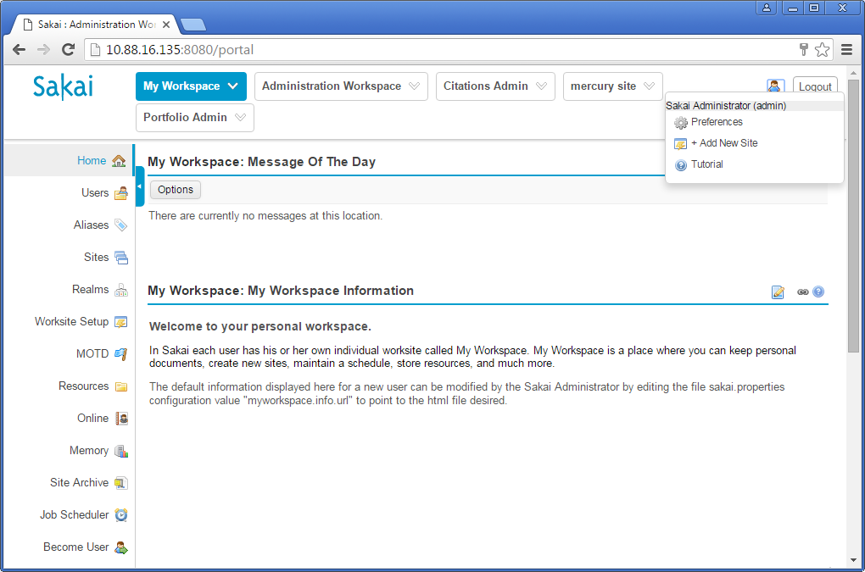

 |  |  |  |  | Click on this help icon to learn the features on sakai.
2) | Create a site for a course
 | Context:
 |  | We want to build a site for training, online testing

 | How to create?

 |  | Login with account admin. Then perform below steps:
 | 1 | Click on Worksite Setup in left menu
 |  | Then click on button "New" in the top screen of "My Workspace: Worksite Setup"
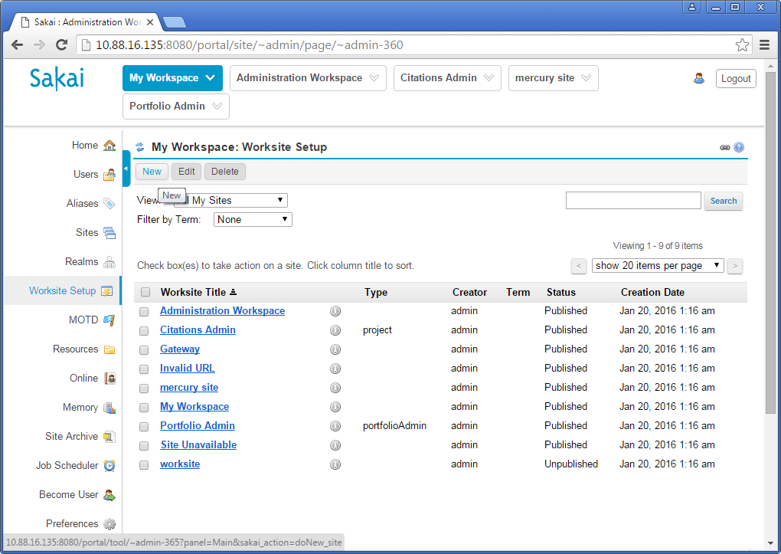

 | 2 | Select course site
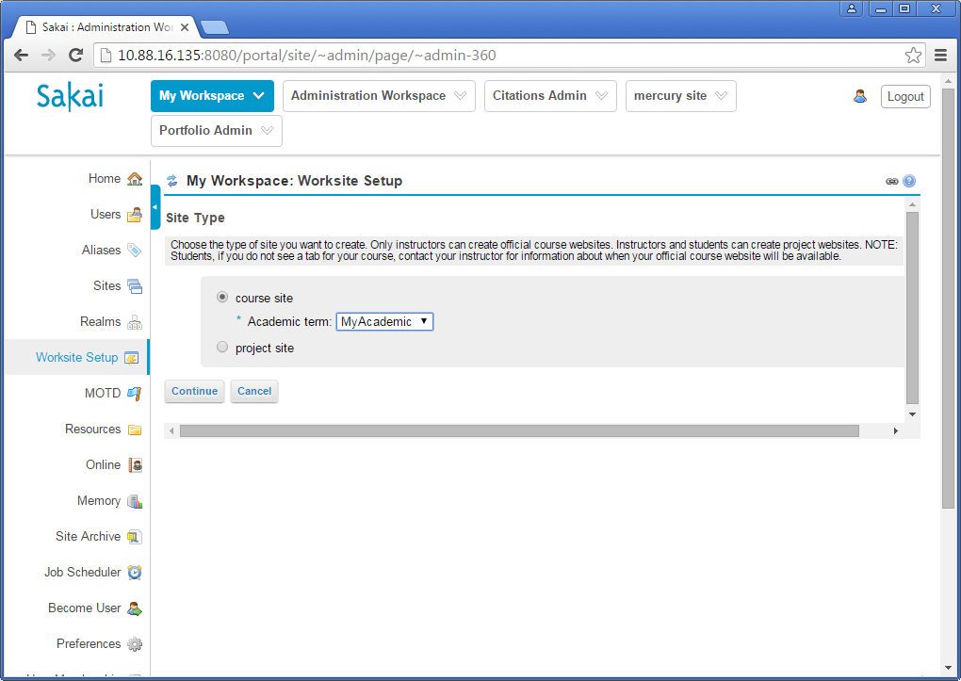

 |  | Trouble shooting:
 |  |  | If you don't see any item in Academic term, please check in sheet "Sakai", section | 2.c) Create "Academic term"

 | 3 | Select course section
 |  | Click link "Still cannot find your course/section?"

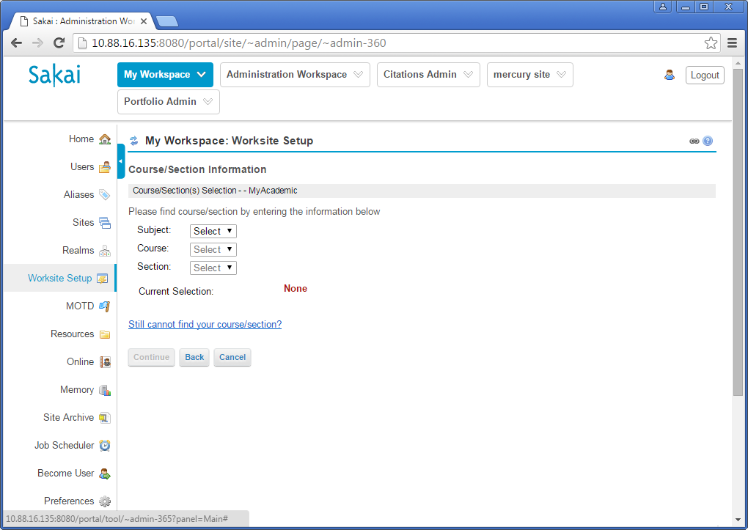

 | 4 | Input information for Course
 |  | Subject: input your course name
 |  | Course: input any code (we will changed it later)
 |  | Section: input any code (we will changed it later)
 |  | Authorizer's username: admin
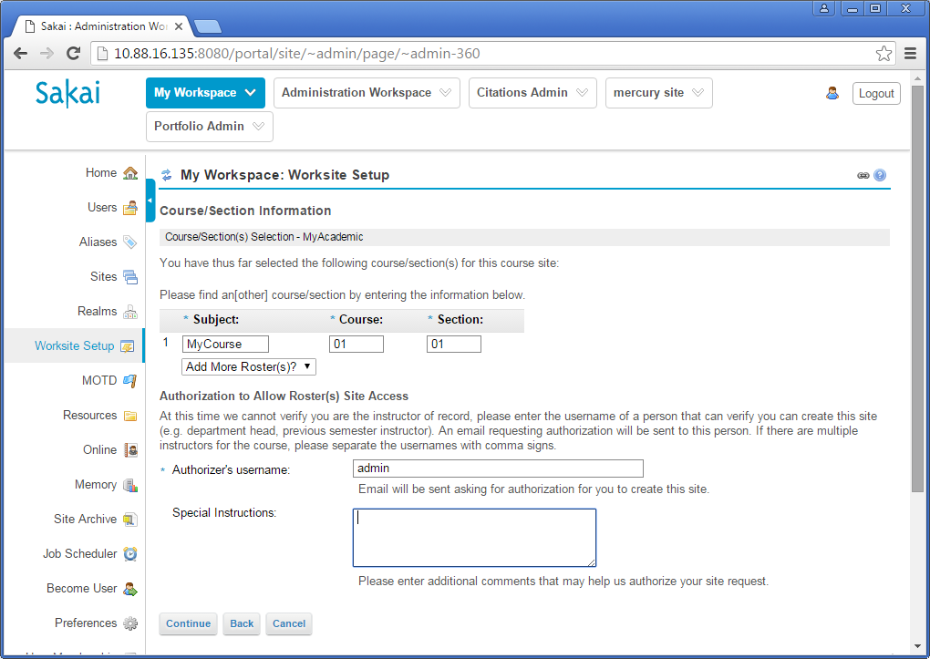

 | 5 | Select Language, input Course Introduction

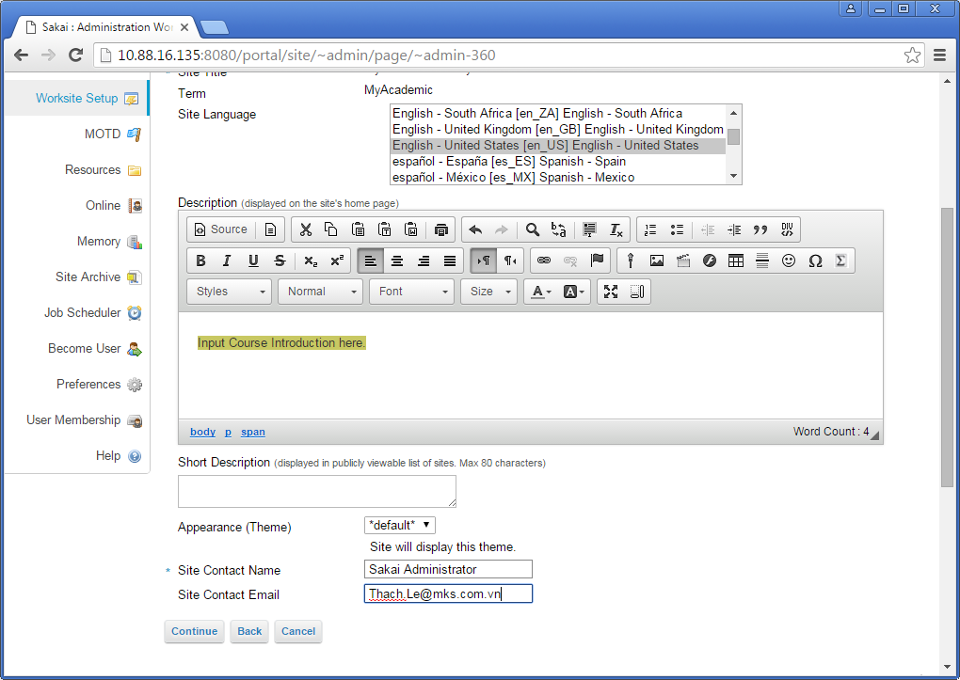

 | 6 | Select tools for course site

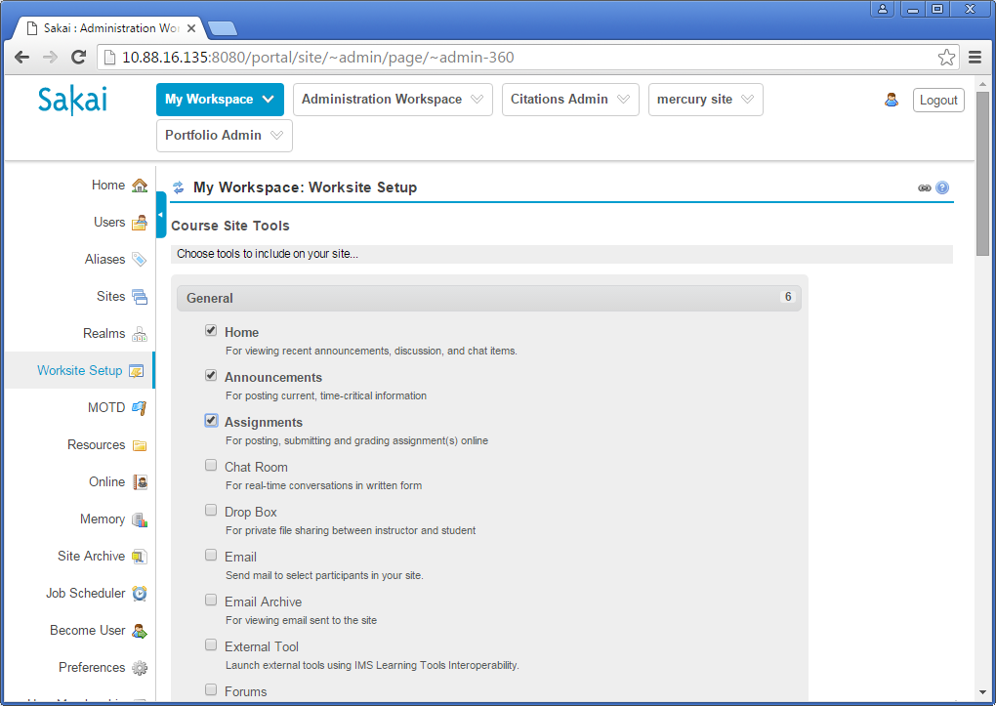

 |  | Please select more tools:

 |  | Then, click on button "Continue" twice. Finally, click on button "Request site".
 | 7 | Edit site
 |  | Click on left menu "Sites"
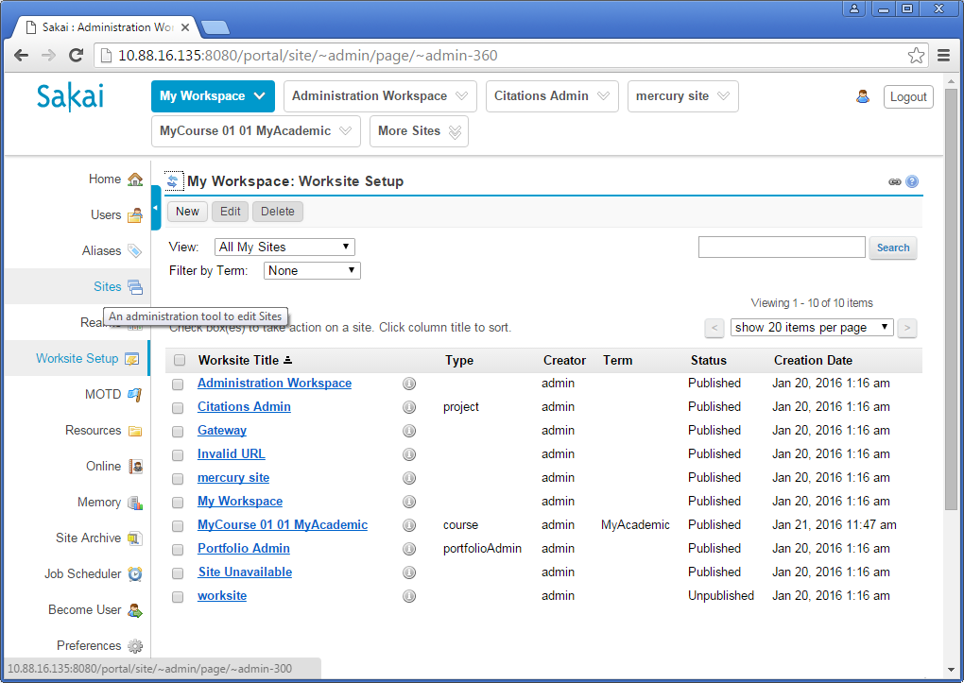

 | 8 | Search created site
 |  | Search "MyCourse". Then click on link of Site Id
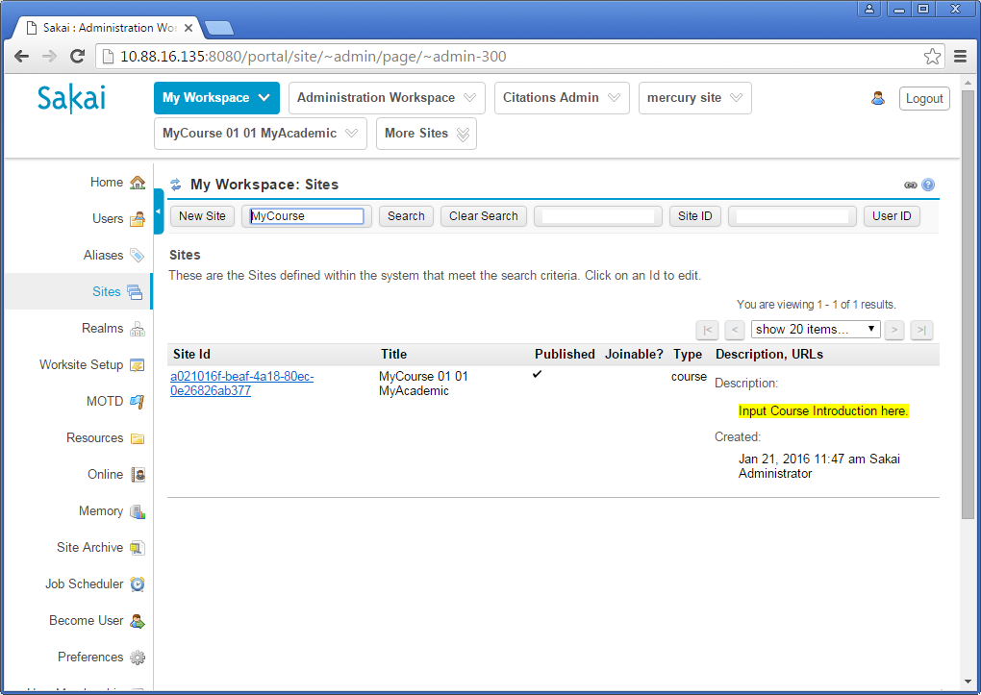

 | 9 | Change Title, Site URL Alias
 |  | Ex: Change Title to "Java Fresher"
 |  |  | Change Site URL Alias to "javafresher"
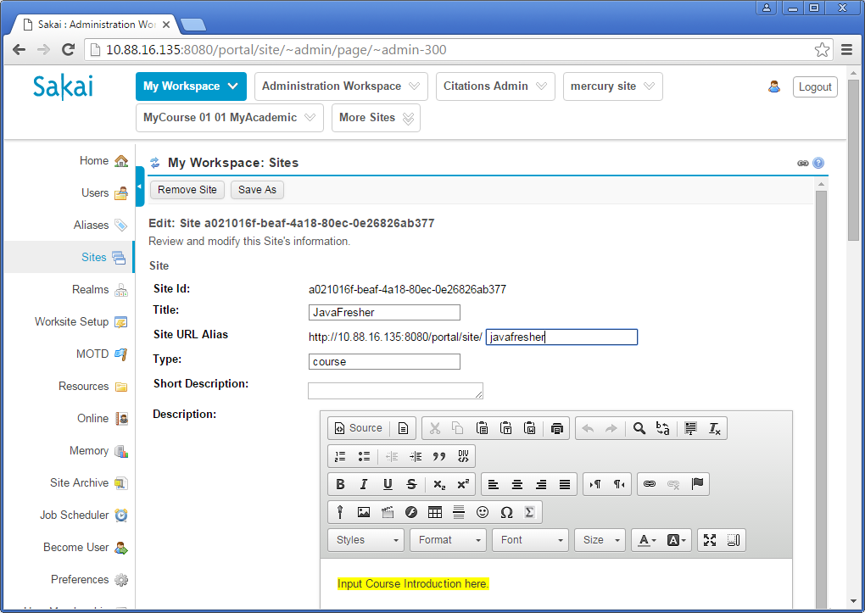

 |  | Then, click on button "Save".

 | 10 | Change setting the order of sites
 |  | Click on left menu "Preferences". Then drag the course "JavaFresher" from column "Active Sites" into the "My Workspace"
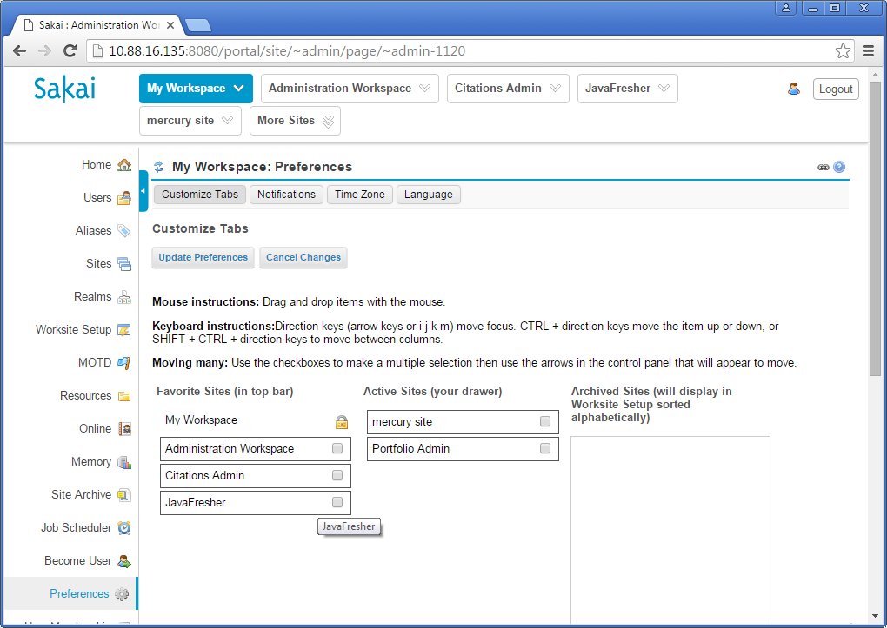

 |  | Then, click of button "Update Preferences".
 |  | Click any site "Administration Workspace" or "Ciations Admin", etc to refresh the bar of sites.

Exercise02_CreateQuestionBank
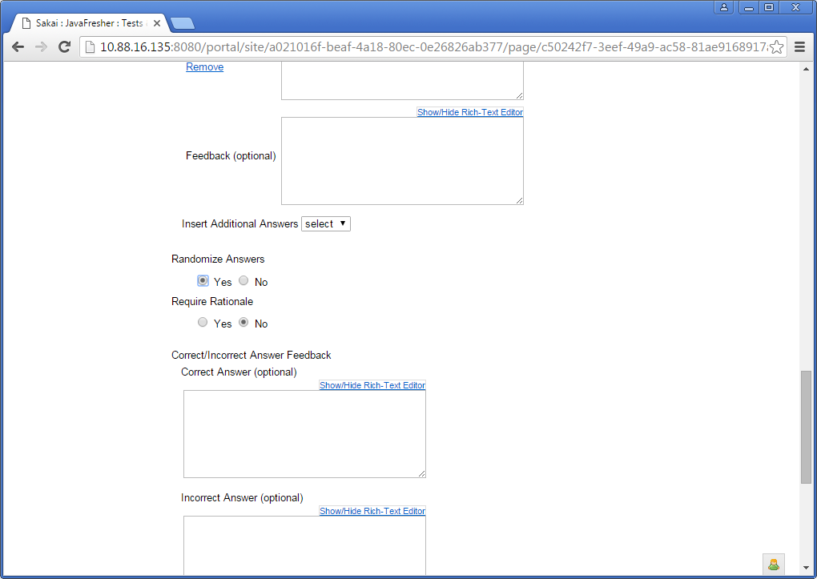
1) | Create Question Bank
 | 1 | Create Question Pool
 |  | Click on the course site such as "JavaFresher".
 |  | Click on left menu "Tests & Quizzes".

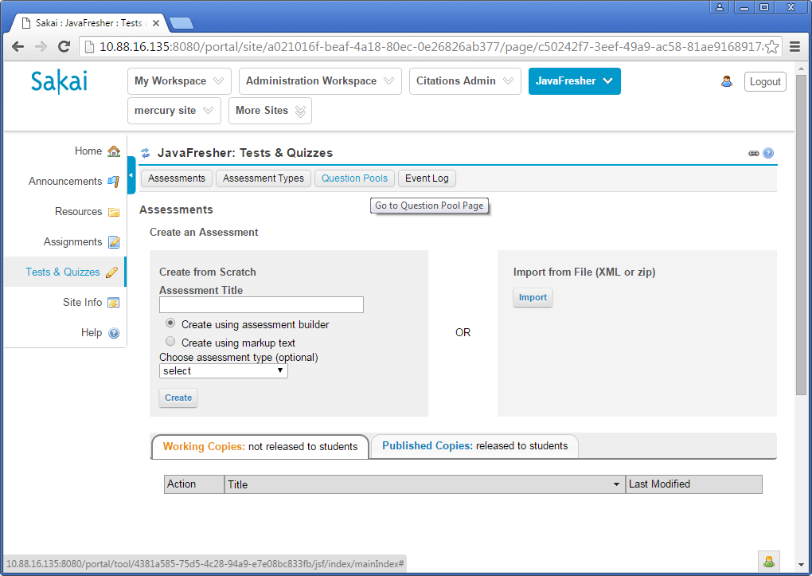

 |  | Click on link "Add New Pool"
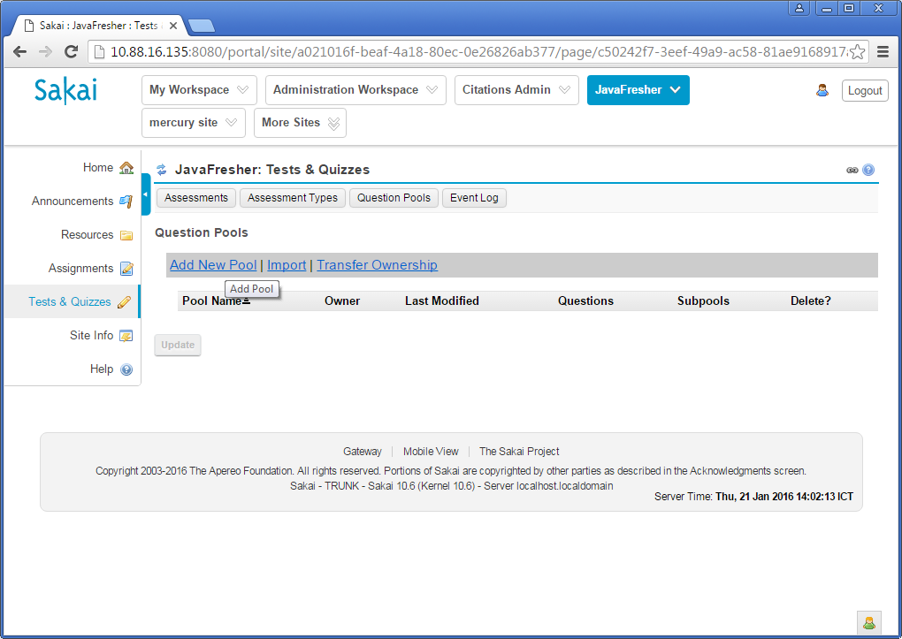

 |  | Input information for Pool
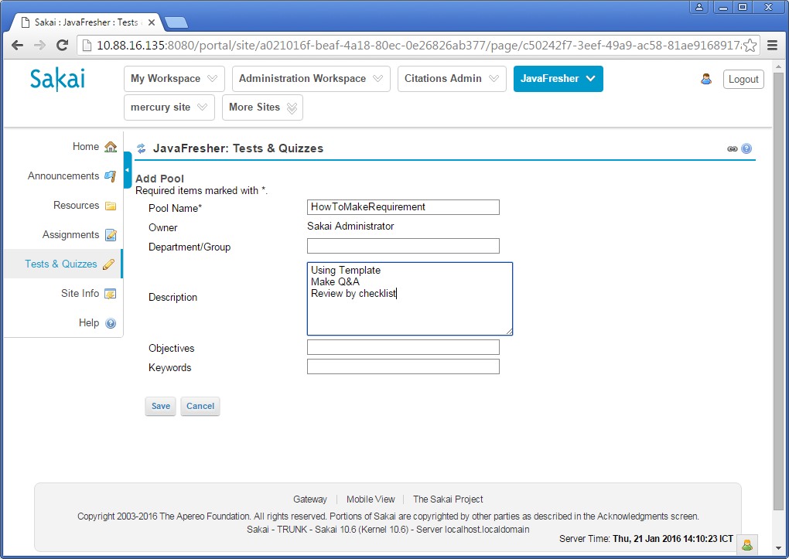

 |  | Then click on button "Save"

 |  | Click on link of Pool Name

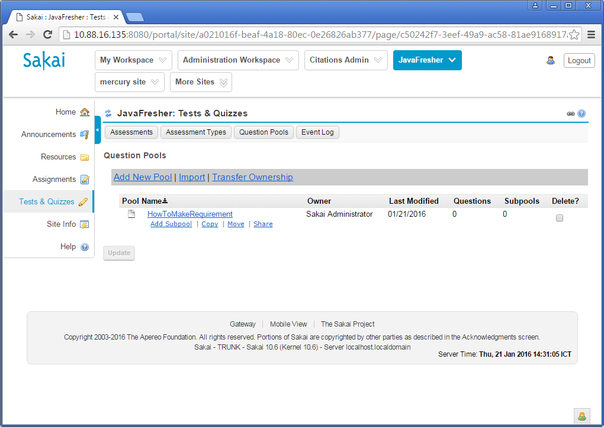

 | 2 | Create Question

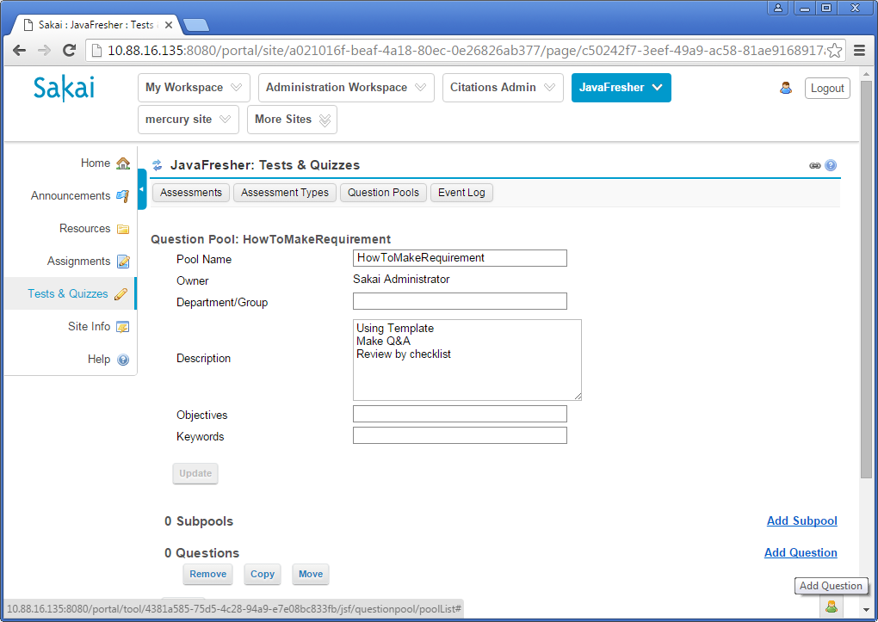

 |  | Select question type.
 |  | Ex: Select Multiple Choice
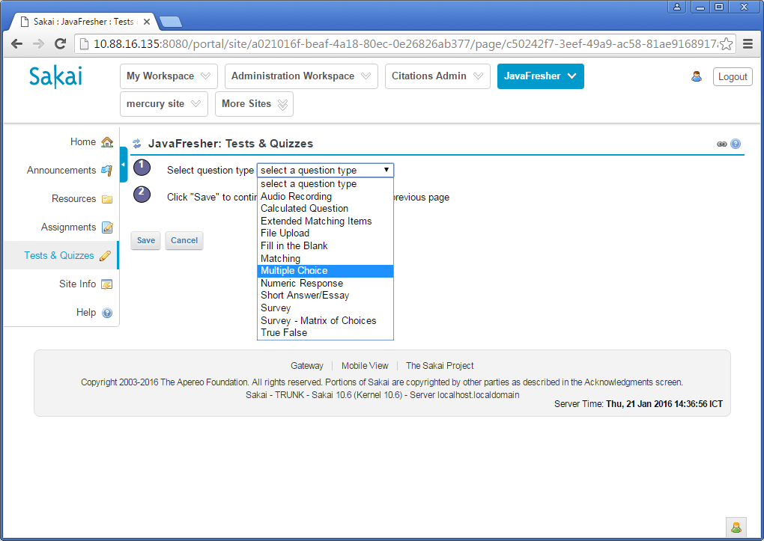

 |  | Then click on button "Save"

 |  | Input information for question: Question Text, Options, select correct option; Randomize options or not.

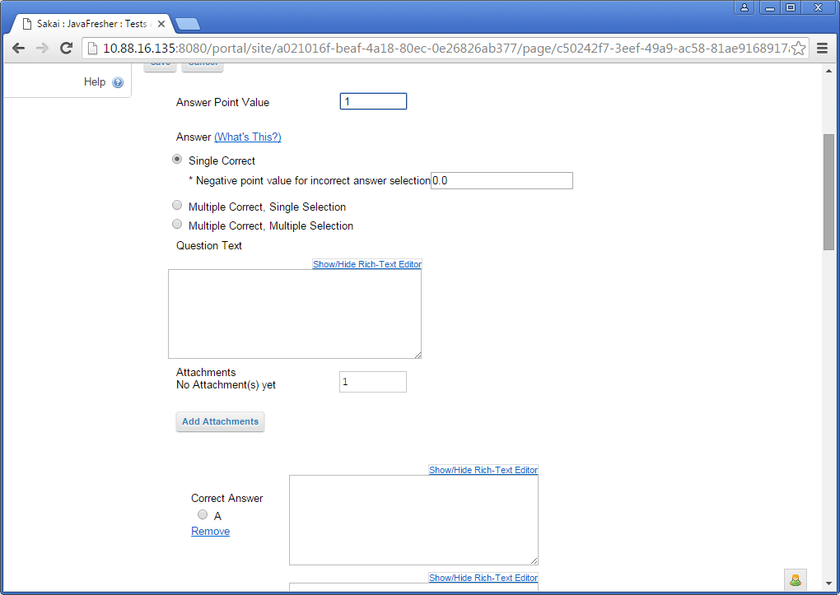

 |  | Select "Yes" for section "Randomize Answers" if your optional answers have not item or similar item such as "Both A and B are true".

Exercise03_CreateAccount
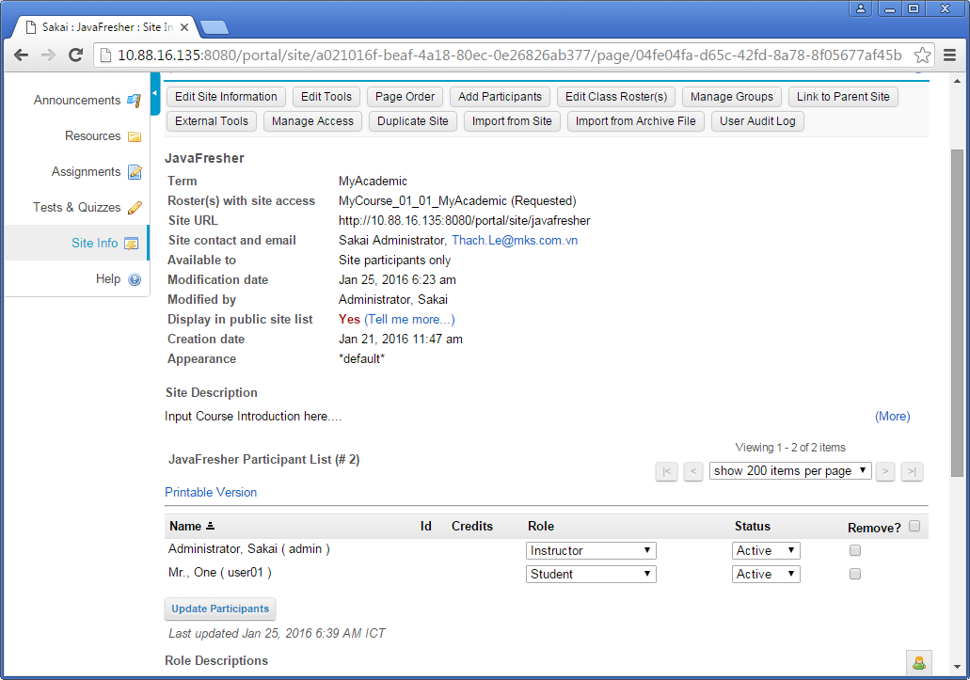
1) | Create local account on Sakai
 | Login by account admin.
 | Go to site "My Workspace", click on left menu Users.
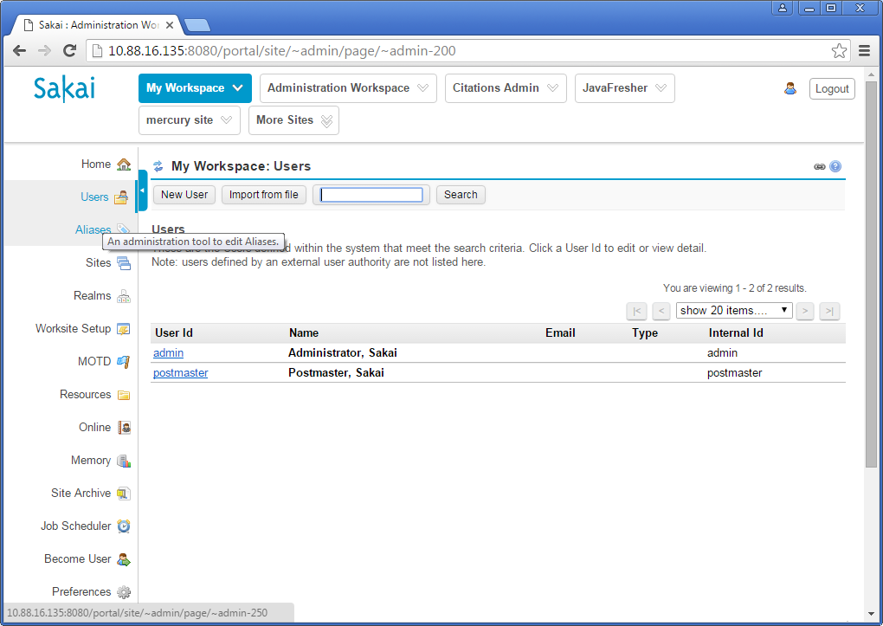

 |  | Then click on button "New User"

 | Input information for user. Then click on button "Save Details".

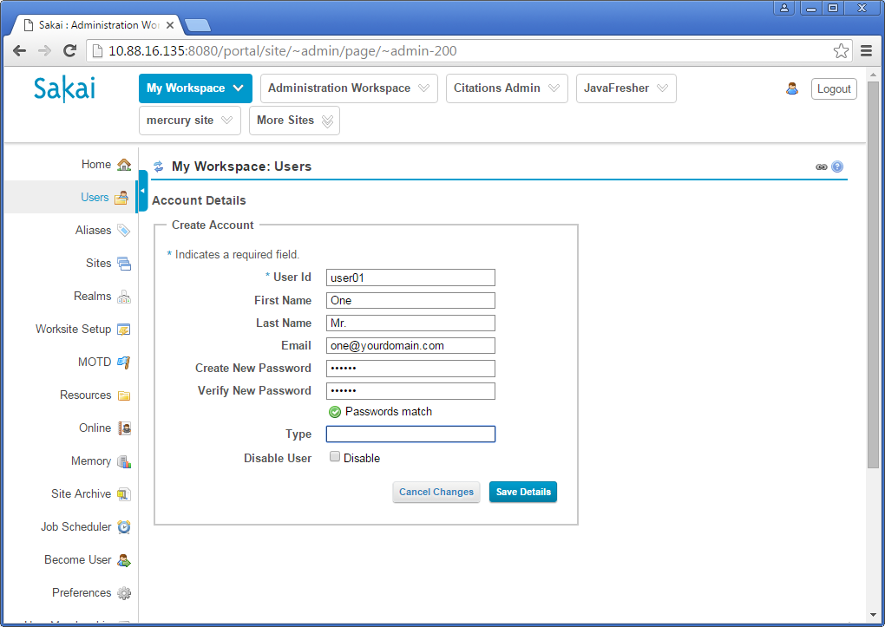

2) | Add users to the course site

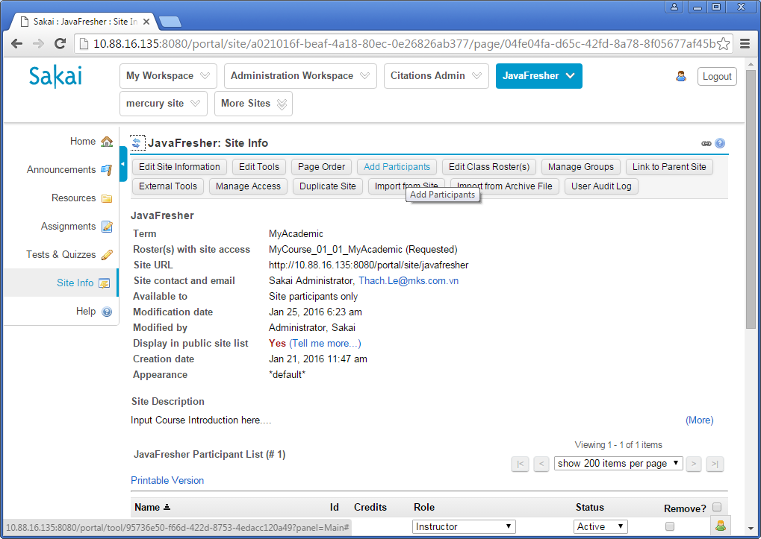

 | Input the username of the account

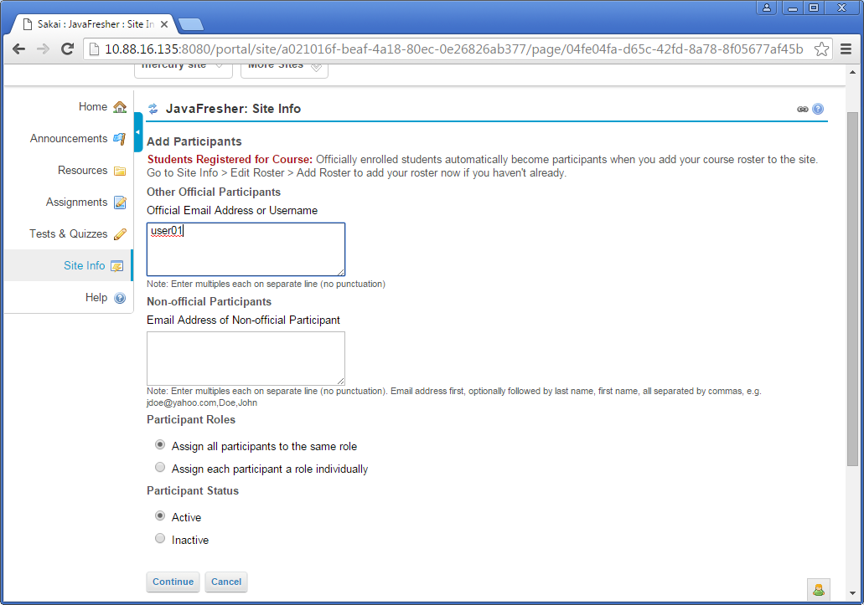

 | Select role for user in the course site
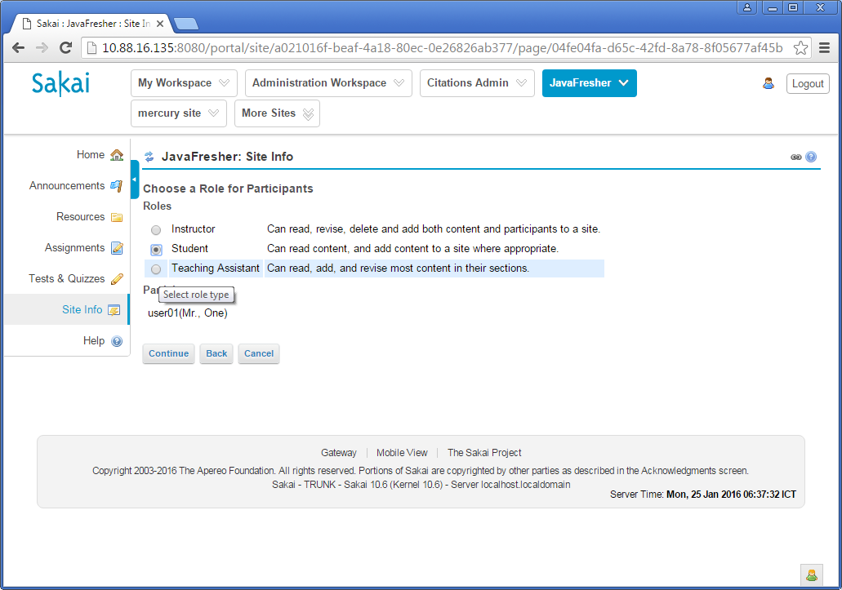

 |  | Then click on button "Continue".

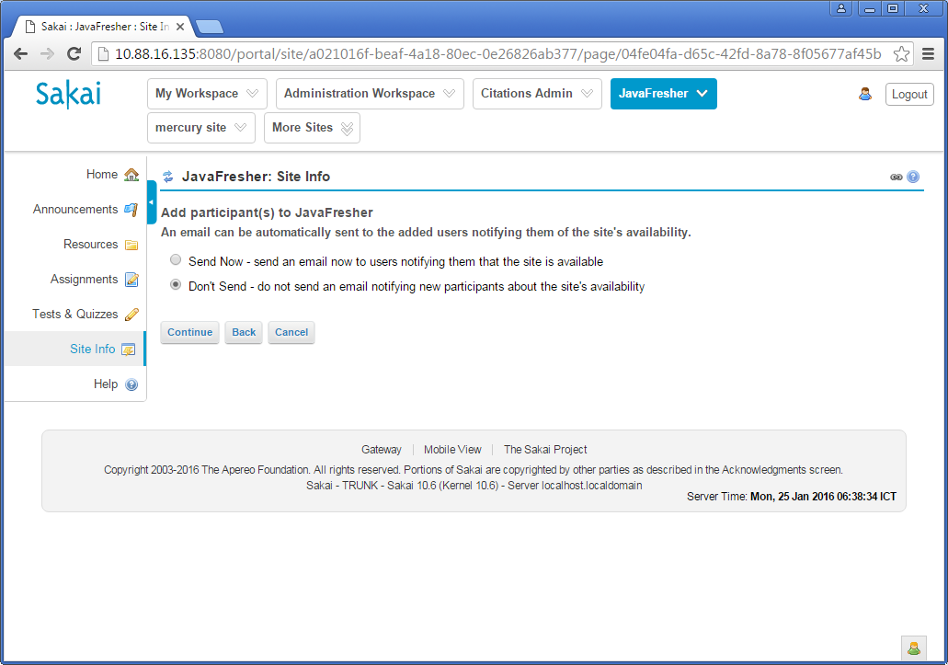
 | Click on button "Continue".

 | Click on the button "Finish"
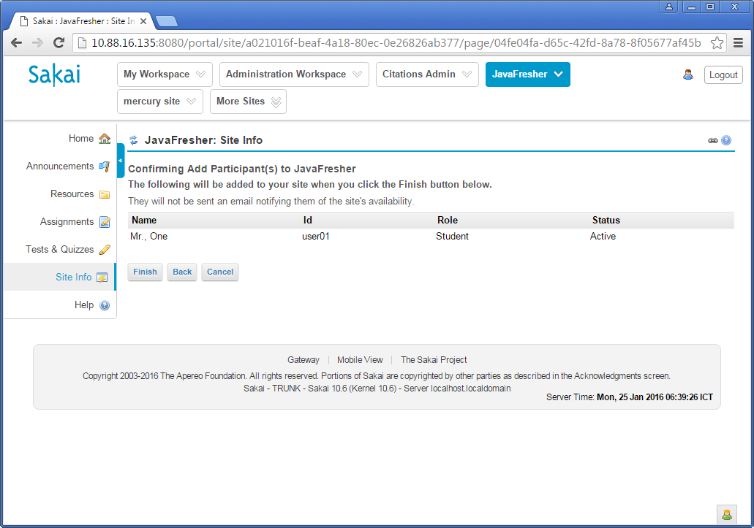

 | View the result of adding account the the course site.

Exercise04_CreateTestSession
1) | Create Test session
 | Within the course site such as "JavaFresher", click on left menu "Tests & Quizzes".
 | Select "Create using markup text"
 | Select "Chose assessment type (optional): Timed Test

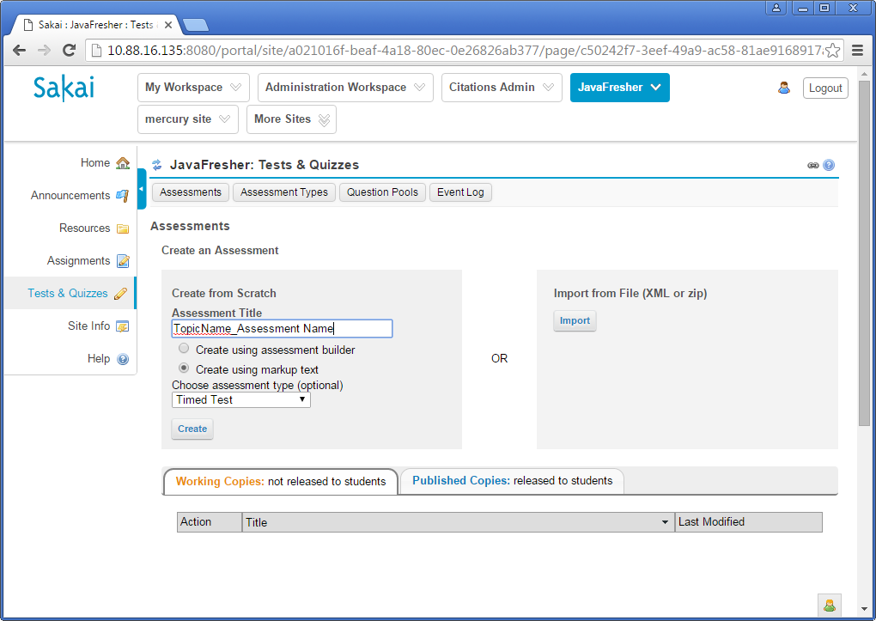

 | Click on button "Next"
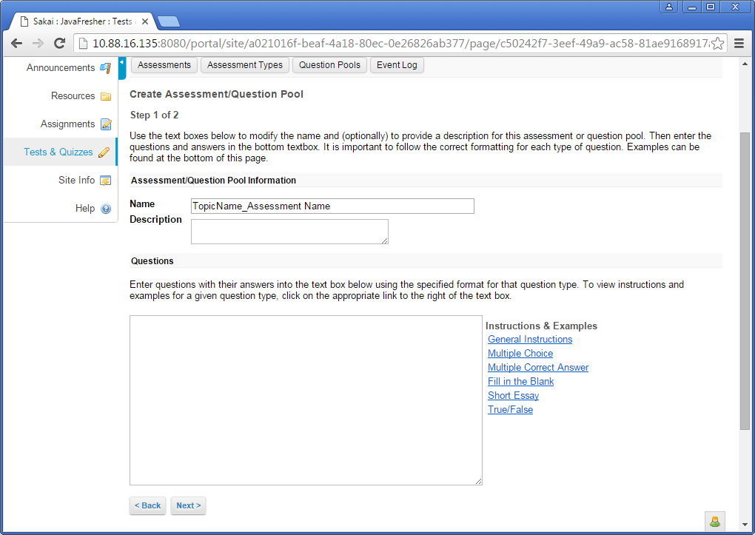

 | Click on button "Create Assessment"
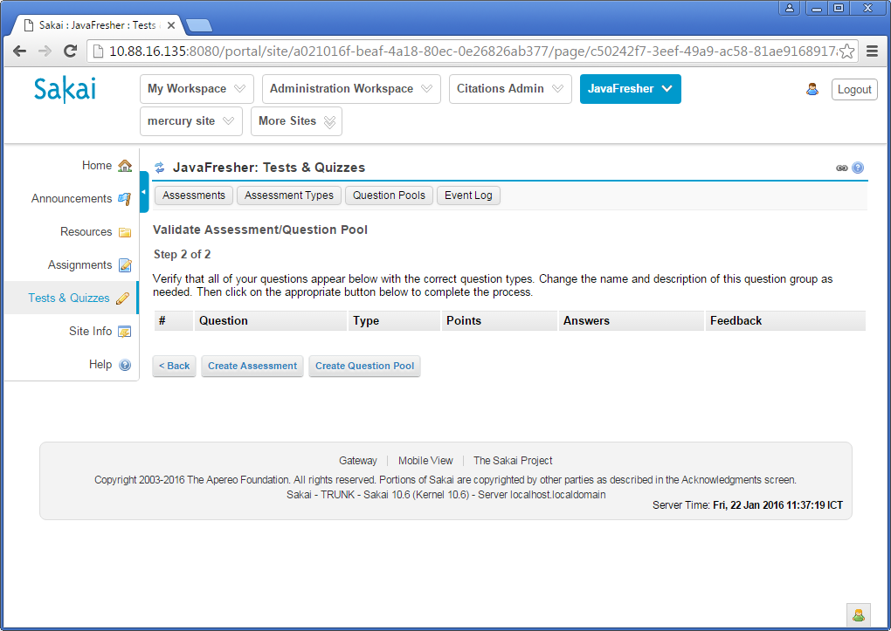

 | Click on Action "Edit" of the Assessment.
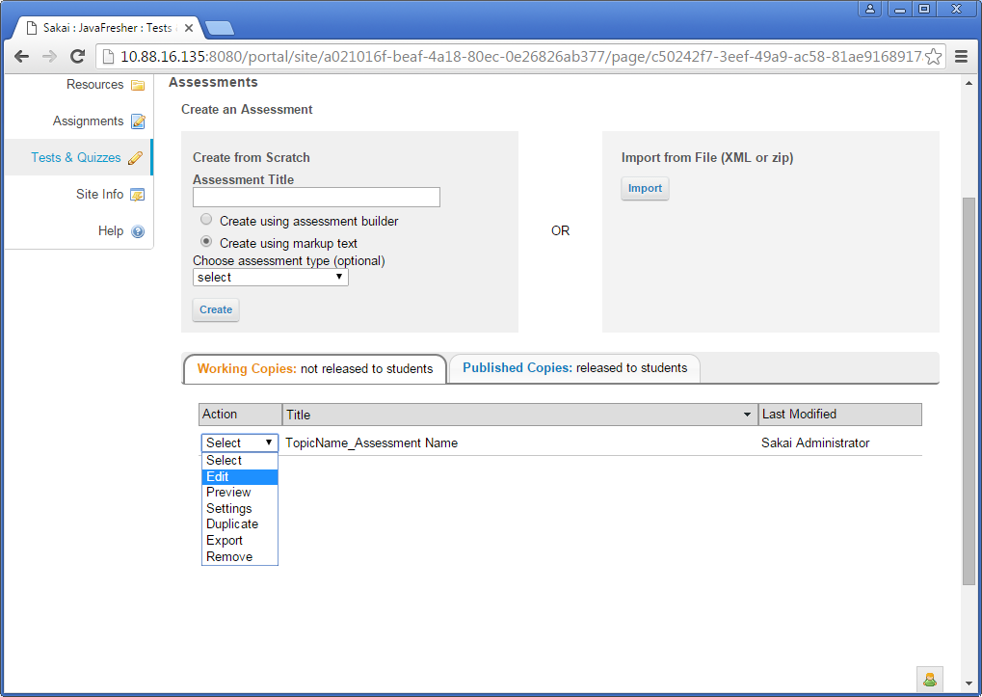

 | Click on link "Edit" of the Part 1
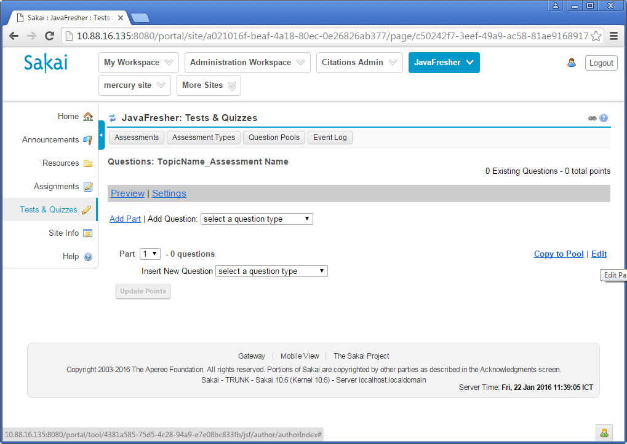

 | Input Title for the part.
 | Select Question Pools, number question will be drawed.
 | Input point(s) for each correct answer.
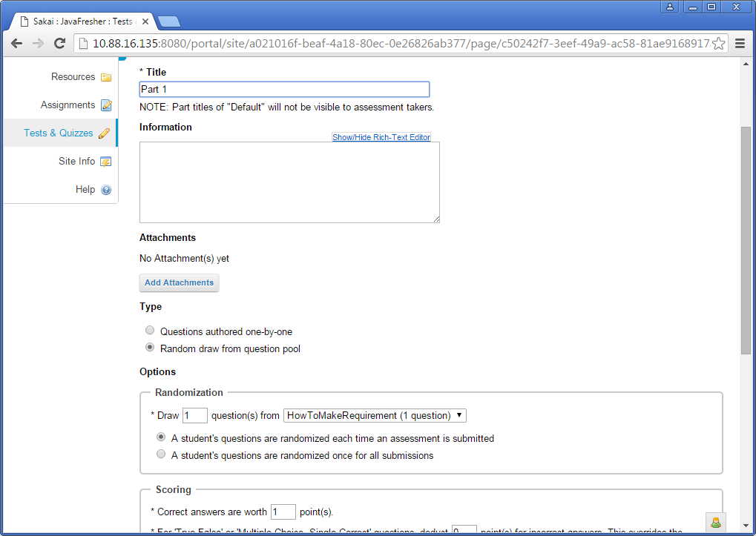

 |  | Then click button "Save".

 | Add more Part if you want. Then select questions from a question pool similar above guidelines.
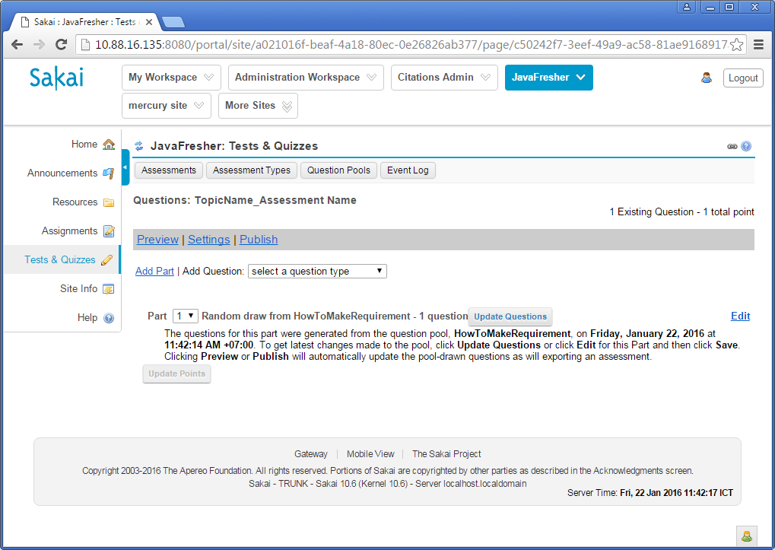

 | Click on link "Settings".
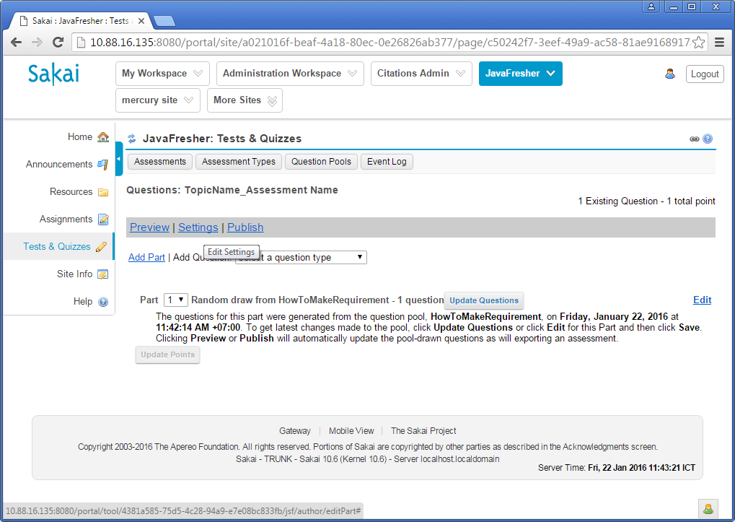

 | Setting available time, due time and limit duration for the test session.

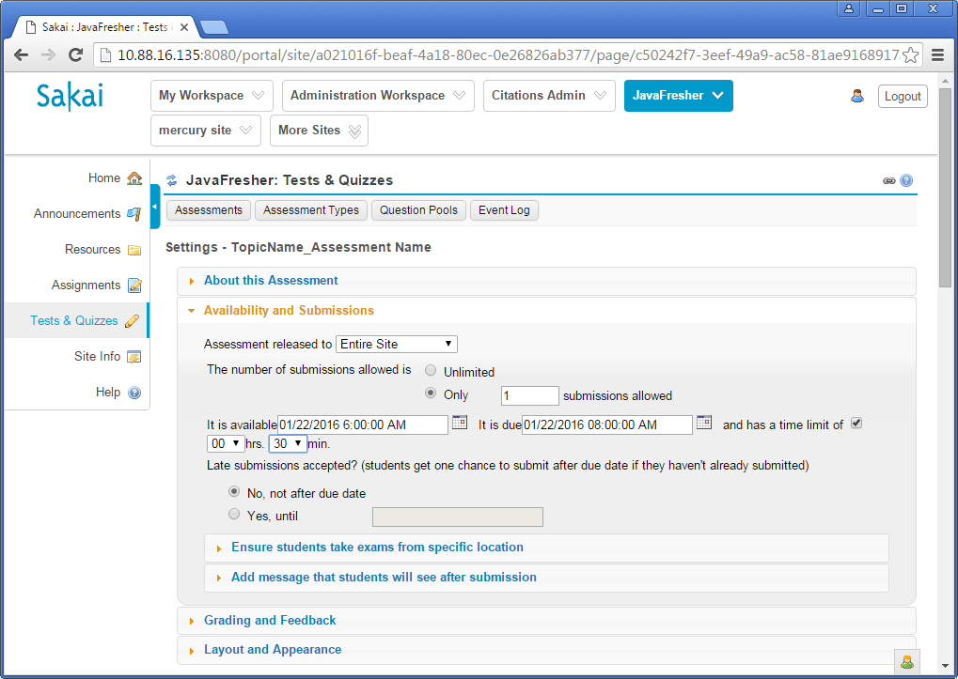

 | Setting Feedback Delivery: Feedback on submission
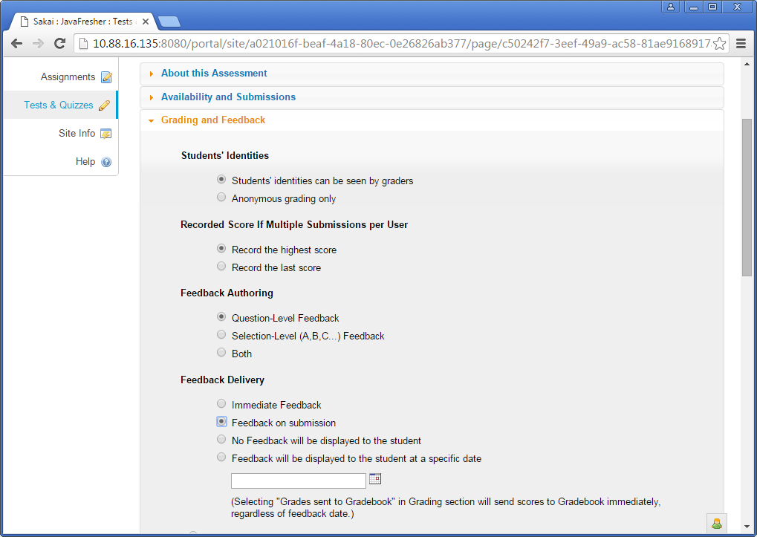

 | Setting Layout and Appearance for the test session

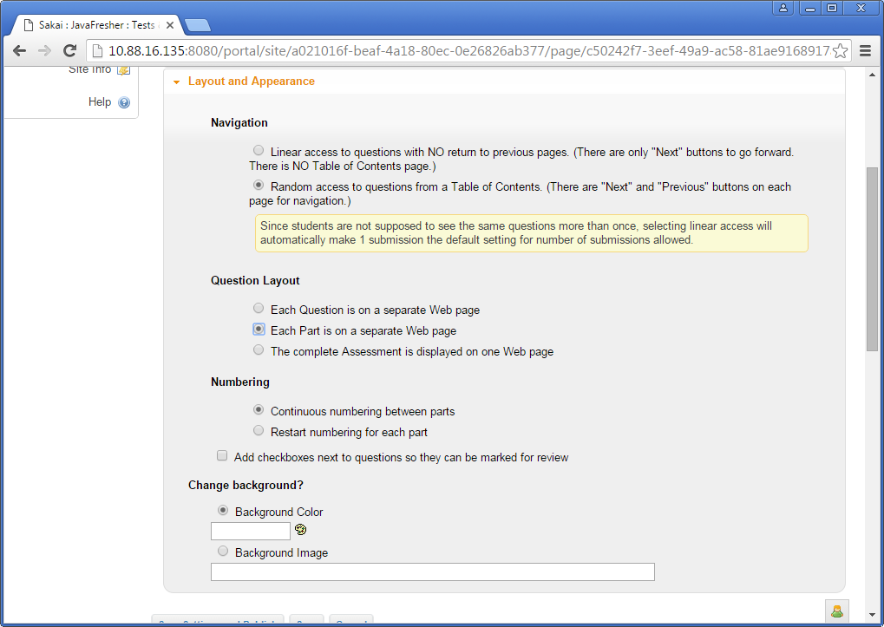

 | Then click on button "Save Settings and Publish"
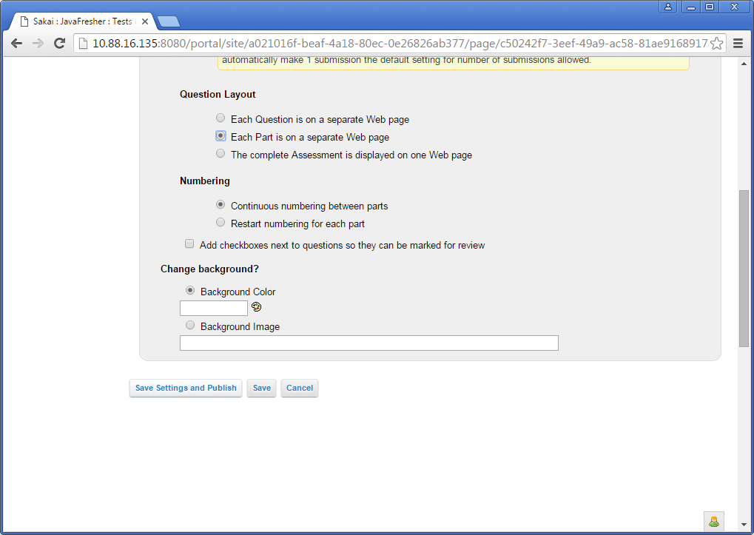

 | Click on button "Publish"

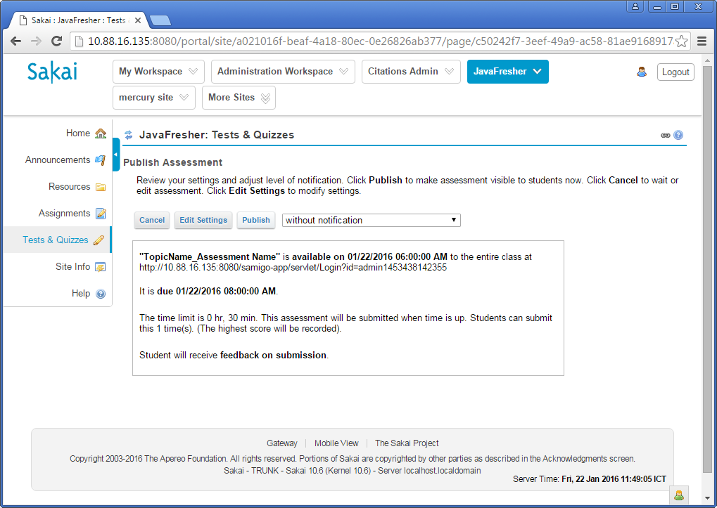

 | Now, all students of the site "JavaFresher" can perform the test from the available.

2) | Monitor the progress of the test session and view result.

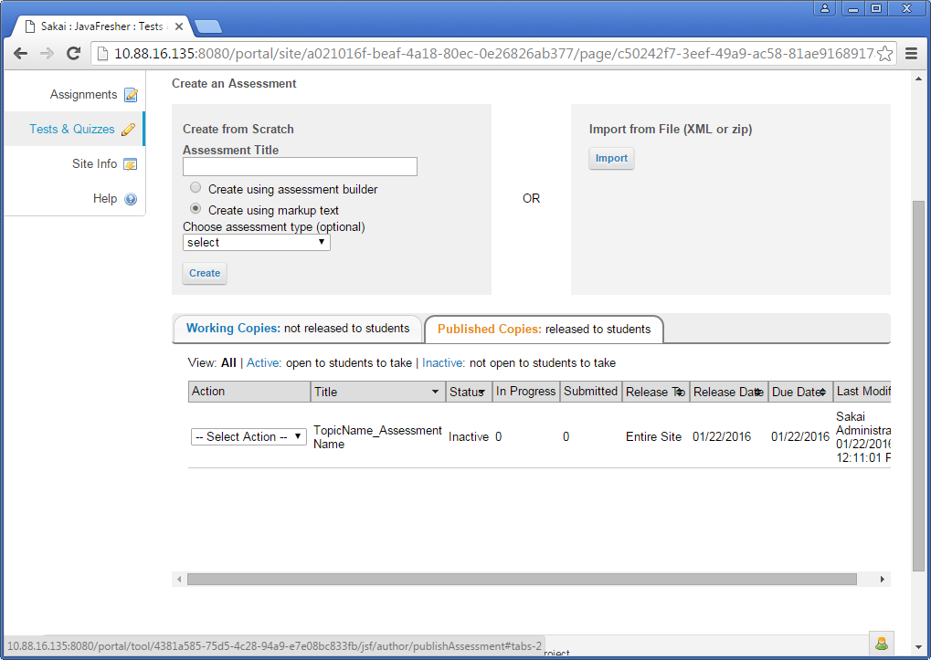

 |  |  | Select action "Score" to view and export the test result.

