Sheet1
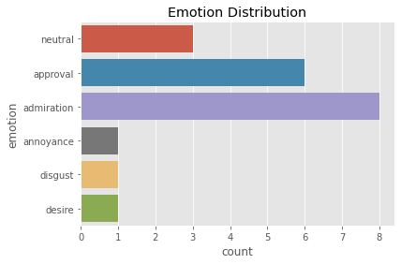
Id | title | rating | body
1 | A T-Shirt | "5.0 out of 5 stars" | "Tight a lying shirt slimfit shirts."
2 | Fits like a glove | "5.0 out of 5 stars" | "The three Romberg undershirts fit like a glove. The t-shirts come in a cool, ecofriendly"
3 | Fits great | "5.0 out of 5 stars" | "Very good quality and comfortable to wear."
4 | sturdier / firmer quality | "4.0 out of 5 stars" | "I expected something more robust / solid quality cut and wearing comfort are good"
5 | Ideal fit! | "5.0 out of 5 stars" | "Bodysuits fit and hug the body ideally. Best wearing comfort!"
6 | Super Quality | "5.0 out of 5 stars" | "Super"
7 | Wrong colour | "5.0 out of 5 stars" | "Unfortunately the shirts were not delivered in white as ordered, but in ice grey. Due to the good fit and quality we keep it"
8 | Scratchy and no slim fit | "5.0 out of 5 stars" | "Unfortunately, the sticker at the neck are very scratchy, which is very uncomfortable. "
9 | Bad Price-Performance Ratio | "1.0 out of 5 stars" | "Very comfortable to wear, good quality"
10 | Everything Great | "5.0 out of 5 stars" | "Everything Great"
11 | Super Product | "5.0 out of 5 stars" | "Fits great and fits very well."
12 | Comfortable | "5.0 out of 5 stars" | "Slightly shorter sleeve, cut relatively tight for my figure so I only use the shirts as underwear"
13 | Exactly as described | "5.0 out of 5 stars" | "Expectations met."
14 | Recommended as a vest | "3.0 out of 5 stars" | "If you wear the T-shirts under a shirt or jumper, they are definitely recommended"
15 | Tiptop | "5.0 out of 5 stars" | "Very comfortable to wear, fits as ordered. All around good."
16 | fit | "5.0 out of 5 stars" | "Perfect! Fits like a glove!"
17 | M ordered but is more like L | "3.0 out of 5 stars" | cannot be worn under polo shirt, otherwise good wearing comfort"
18 | All good | "5.0 out of 5 stars" | "Very good!"
19 | Great fit when worn | "5.0 out of 5 stars" | "I got the shirts to wear under my white shirts."
20 | Top product at a good price | "5.0 out of 5 stars" | "The shirts have proven so good that I immediately reordered them again."
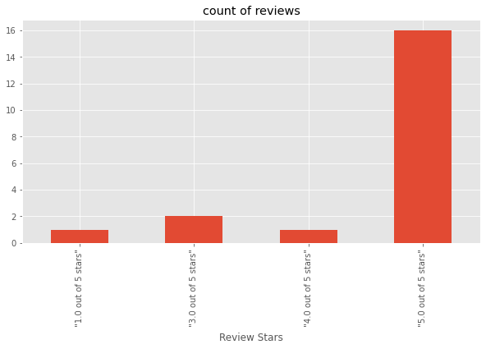

Id | neg | neu | pos | compound | title | rating | body
1 | 0.459 | 0.541 | 0 | -0.5267 | A T-Shirt | "5.0 out of 5 stars" | "Tight a lying shirt slimfit shirts."
2 | 0 | 0.578 | 0.422 | 0.743 | Fits like a glove | "5.0 out of 5 stars" | "The three Romberg undershirts fit like a glove. The t-shirts come in a cool, ecofriendly"
3 | 0 | 0.435 | 0.565 | 0.7574 | Fits great | "5.0 out of 5 stars" | "Very good quality and comfortable to wear."
4 | 0.105 | 0.399 | 0.497 | 0.7828 | sturdier / firmer quality | "4.0 out of 5 stars" | "I expected something more robust / solid quality cut and wearing comfort are good"
5 | 0 | 0.318 | 0.682 | 0.9168 | Ideal fit! | "5.0 out of 5 stars" | "Bodysuits fit and hug the body ideally. Best wearing comfort!"
6 | 0 | 1 | 0 | 0 | Super Quality | "5.0 out of 5 stars" | "Super"
7 | 0.056 | 0.664 | 0.279 | 0.7717 | Wrong colour | "5.0 out of 5 stars" | "Unfortunately the shirts were not delivered in white as ordered, but in ice grey. Due to the good fit and quality we keep it"
8 | 0.194 | 0.806 | 0 | -0.4391 | Scratchy and no slim fit | "5.0 out of 5 stars" | "Unfortunately, the sticker at the neck are very scratchy, which is very uncomfortable. "
9 | 0.615 | 0.385 | 0 | -0.7501 | Bad Price-Performance Ratio | "1.0 out of 5 stars" | "Very comfortable to wear, good quality"
10 | 0 | 0.196 | 0.804 | 0.6249 | Everything Great | "5.0 out of 5 stars" | "Everything Great"
11 | 0 | 0.549 | 0.451 | 0.6249 | Super Product | "5.0 out of 5 stars" | "Fits great and fits very well."
12 | 0.109 | 0.891 | 0 | -0.2111 | Comfortable | "5.0 out of 5 stars" | "Slightly shorter sleeve, cut relatively tight for my figure so I only use the shirts as underwear"
13 | 0 | 1 | 0 | 0 | Exactly as described | "5.0 out of 5 stars" | "Expectations met."
14 | 0 | 0.71 | 0.29 | 0.5423 | Recommended as a vest | "3.0 out of 5 stars" | "If you wear the T-shirts under a shirt or jumper, they are definitely recommended"
15 | 0 | 0.715 | 0.285 | 0.5563 | Tiptop | "5.0 out of 5 stars" | "Very comfortable to wear, fits as ordered. All around good."
16 | 0 | 0.493 | 0.507 | 0.4738 | fit | "5.0 out of 5 stars" | "Perfect! Fits like a glove!"
17 | 0 | 0.49 | 0.51 | 0.7421 | M ordered but is more like L | "3.0 out of 5 stars" | cannot be worn under polo shirt, otherwise good wearing comfort"
18 | 0 | 1 | 0 | 0 | All good | "5.0 out of 5 stars" | "Very good!"
19 | 0 | 1 | 0 | 0 | Great fit when worn | "5.0 out of 5 stars" | "I got the shirts to wear under my white shirts."
20 | 0 | 0.728 | 0.272 | 0.5777 | Top product at a good price | "5.0 out of 5 stars" | "The shirts have proven so good that I immediately reordered them again."

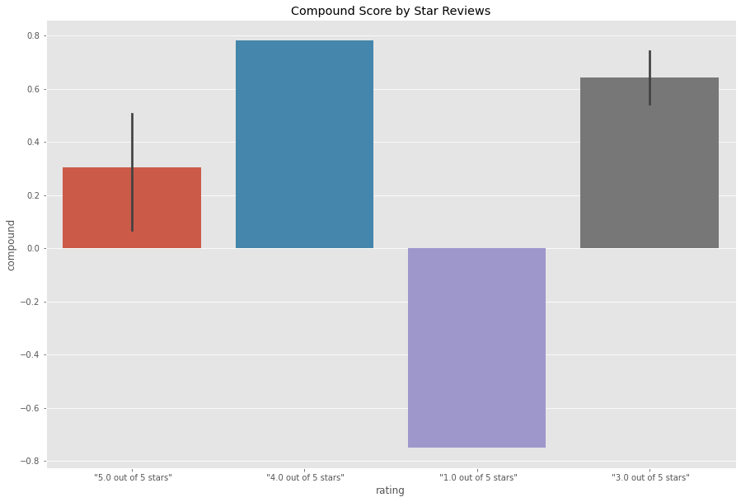

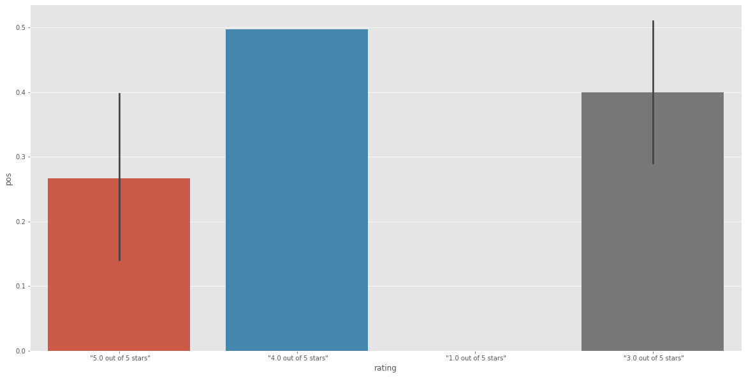

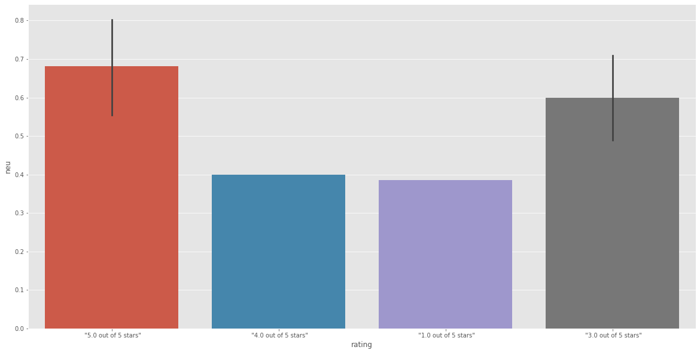

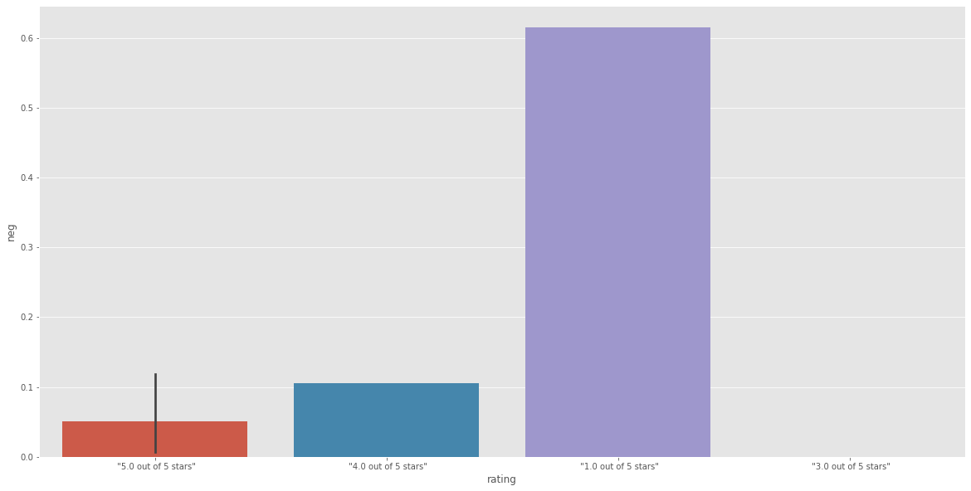

Id | title | rating | body | emotion | score
1 | A T-Shirt | "5.0 out of 5 stars" | "Tight a lying shirt slimfit shirts." | neutral | 0.98931
2 | Fits like a glove | "5.0 out of 5 stars" | "The three Romberg undershirts fit like a glove. The t-shirts come in a cool, ecofriendly" | approval | 0.981884
3 | Fits great | "5.0 out of 5 stars" | "Very good quality and comfortable to wear." | admiration | 0.973936
4 | sturdier / firmer quality | "4.0 out of 5 stars" | "I expected something more robust / solid quality cut and wearing comfort are good" | admiration | 0.882224
5 | Ideal fit! | "5.0 out of 5 stars" | "Bodysuits fit and hug the body ideally. Best wearing comfort!" | approval | 0.831464
6 | Super Quality | "5.0 out of 5 stars" | "Super" | admiration | 0.743915
7 | Wrong colour | "5.0 out of 5 stars" | "Unfortunately the shirts were not delivered in white as ordered, but in ice grey. Due to the good fit and quality we keep it" | neutral | 0.866353
8 | Scratchy and no slim fit | "5.0 out of 5 stars" | "Unfortunately, the sticker at the neck are very scratchy, which is very uncomfortable. " | annoyance | 0.900242
9 | Bad Price-Performance Ratio | "1.0 out of 5 stars" | "Very comfortable to wear, good quality" | disgust | 0.959184
10 | Everything Great | "5.0 out of 5 stars" | "Everything Great" | admiration | 0.983849
11 | Super Product | "5.0 out of 5 stars" | "Fits great and fits very well." | admiration | 0.989782
12 | Comfortable | "5.0 out of 5 stars" | "Slightly shorter sleeve, cut relatively tight for my figure so I only use the shirts as underwear" | neutral | 0.950833
13 | Exactly as described | "5.0 out of 5 stars" | "Expectations met." | desire | 0.649973
14 | Recommended as a vest | "3.0 out of 5 stars" | "If you wear the T-shirts under a shirt or jumper, they are definitely recommended" | approval | 0.977362
15 | Tiptop | "5.0 out of 5 stars" | "Very comfortable to wear, fits as ordered. All around good." | approval | 0.940384
16 | fit | "5.0 out of 5 stars" | "Perfect! Fits like a glove!" | admiration | 0.872084
17 | M ordered but is more like L | "3.0 out of 5 stars" | cannot be worn under polo shirt, otherwise good wearing comfort" | approval | 0.940632
18 | All good | "5.0 out of 5 stars" | "Very good!" | admiration | 0.947023
19 | Great fit when worn | "5.0 out of 5 stars" | "I got the shirts to wear under my white shirts." | approval | 0.505805
20 | Top product at a good price | "5.0 out of 5 stars" | "The shirts have proven so good that I immediately reordered them again." | admiration | 0.860247

