Dashboard


Inc. 5000 2019 Analysis: Meet the Companies Building the Future

AVG. GROWTH

within USA

DOWNLOAD DATASET FOR > FREE

AVG. REVENUE

Maximum Workers

Avg Revenue among Companies on List
$47,470,830.01
Avg Growth among Companies on List
45.44%
On an Avg Staff increased by 13.11%

Industry wise
Industry wise Avg Revenue of companies
 | Total
Media | $16,708,695.65
Advertising & Marketing | $18,908,384.46
IT Services | $19,130,232.56
Education | $20,835,714.29
IT System Development | $21,088,333.33
Software | $21,573,969.63
Environmental Services | $22,506,976.74
IT Management | $22,577,536.23
Travel & Hospitality | $26,736,842.11
Business Products & Services | $28,601,829.27
Computer Hardware | $31,178,125.00
Engineering | $32,954,320.99
Manufacturing | $33,303,314.92
Real Estate | $34,061,111.11
Food & Beverage | $39,855,905.51
Financial Services | $40,004,184.10
Telecommunications | $41,825,316.46
Construction | $58,422,571.43
Insurance | $58,742,857.14
Government Services | $59,391,949.15
Retail | $66,552,760.74
Consumer Products & Services | $72,073,650.79
Human Resources | $73,582,165.61
Energy | $80,221,794.87
Logistics & Transportation | $101,293,010.75
Health | $109,330,056.18
Security | $123,747,761.19
REVENUE

Industries with Largest avg Growth
 | Total
Logistics & Transportation | 717.5633457
Consumer Products & Services | 685.6403
Food & Beverage | 668.22553386
Computer Hardware | 651.97524375
Energy | 592.07559103
Retail | 584.82380184
Health | 546.9118809
Software | 524.67376074
Telecommunications | 515.41188987
Security | 487.1801597

10 Most represented Industries
 | Total
Business Products & Services | 492
Advertising & Marketing | 489
Software | 461
Health | 356
Construction | 350
Consumer Products & Services | 315
IT Management | 276
Financial Services | 239
Government Services | 236
Real Estate | 198
10 Least Represented industries
 | Total
Computer Hardware | 32
IT Services | 43
Environmental Services | 43
Media | 46
Travel & Hospitality | 57
Security | 67
Insurance | 70
Education | 70
Energy | 78
Telecommunications | 79

Top 10 Companies with Highest Revenue $
 | Total
Prime Therapeutics | $21,400,000,000.00
Uber Technologies | $11,300,000,000.00
Allied Universal | $5,800,000,000.00
Carahsoft Technology | $5,400,000,000.00
CoAdvantage | $4,600,000,000.00
84 Lumber Company | $3,900,000,000.00
Total Quality Logistics | $3,600,000,000.00
Chewy | $3,500,000,000.00
SRS Distribution | $2,600,000,000.00
Transportation Insight | $2,300,000,000.00
10 Companies with minimum Revenue $
 | Total
Thorn Pest Solutions | $2,000,000.00
Towner Communications | $2,000,000.00
Taylor's Natural Green Lawn | $2,000,000.00
Vennli | $2,000,000.00
The SnapBar | $2,000,000.00
Women Rocking Business | $2,000,000.00
The Shredder + MedShred | $2,000,000.00
Your Business Solutions | $2,000,000.00
Superior Print and Exhibit | $2,000,000.00
ZoCo Design | $2,000,000.00
Company wise

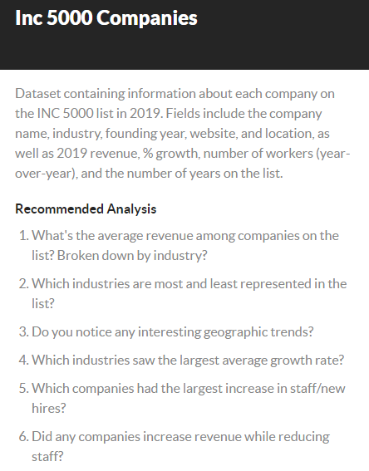

Top 10 Companies with Highest Growth %
 | Total
Freestar | 36680.3882
FreightWise | 30547.9317
Cece's Veggie Co. | 23880.4852
LadyBoss | 21849.8925
Perpay | 18166.407
Cano Health | 14183.4118
Bear Mattress | 13480.731
Connected Solutions Group | 12700.6588
Providence Healthcare Management | 12564.5364
NOM | 11996.2964
10 Companies with minimum Growth %
 | Total
CrossCountry Mortgage | 0.0238
DirectDefense | 0.0266
Vidoori | 1.204
Vivayic | 52.1691
HNM Systems | 52.1919
Naval Systems | 52.2037
Real Restoration Group | 52.2127
Village Plumbing & Air | 52.2377
Golden Star Technology | 52.3467
Gemini Power Systems | 52.43

Revenue Inc. while Staff Dec.
 | Total
21400000000 | -600
1100000000 | -73
783900000 | -243
492500000 | -43
195800000 | -71
151400000 | -3
114600000 | -127
109500000 | -4
97700000 | -4
97600000 | -11
91800000 | -86
84700000 | -7
84100000 | -16
74100000 | -54
68600000 | -20
48800000 | -22
44700000 | -682
44300000 | -3
39300000 | -300
38100000 | -2
36000000 | -4
33700000 | -10
29000000 | -7
28700000 | -6
26800000 | -1
24600000 | -6
23500000 | -15
22900000 | -6
21900000 | -39
21600000 | -48
21300000 | -30
20500000 | -27
19600000 | -8
19300000 | -150
18700000 | -28
18400000 | -3
18100000 | -8
17300000 | -5
17200000 | -2
15900000 | -11
15200000 | -80
15000000 | -5
14700000 | -1
13500000 | -1
13000000 | -1
11500000 | -5
10700000 | -22
10600000 | -8
10100000 | -1
9400000 | -4
...
Top 10 Companies increase in New Workers
 | Total
Allied Universal | 118531
Alorica | 43000
Infiniti HR | 37145
CircusTrix | 13739
ScribeAmerica | 11641
TaskUs | 9198
Freddy's Frozen Custard | 6494
Pathway Vet Alliance | 4174
Four Foods Group | 3500
Pacific Dental Services | 3356
Top 10 Companies with Max Yrs on List
 | Total
Jarrett Logistics Systems | 14
WMK | 14
Pacific Dental Services | 14
Total Quality Logistics | 14
G&A Partners | 14
CapTech Ventures | 13
Employment Screening Services | 13
MedRisk | 13
Bankers Healthcare Group | 13
iCIMS | 13

