Sheet1
Product Name | Product Image | Cost Price
Cross Connector T , X , Universal clamp for 8 dia rod | 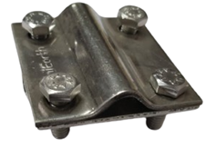 | 78
Cross Connector FL Material:GI |  | 50
Connection Clamps For Flat Steel Structures- Girders | 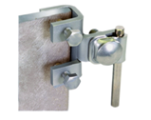
Wire To Air Terminal Clamp - Single Conductor | 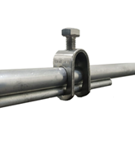 | 50
Wire To Air Terminal Clamp -Double Conductor | 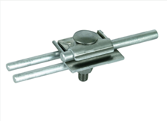 | 80
Test Clamp- Wire to GI strip | 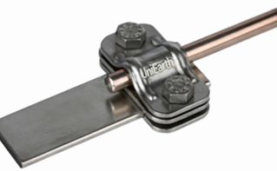 | 75
Test Clamp- Flat to flat |  | 75
Test Clamp- Bimetallic Connector
Earthing Test Link
Connection Clamps For Circular Steel Structures- Railings Big Dia | 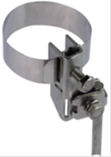
Conductor Holder- Running Clamp | 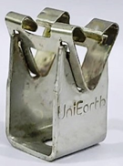 | 20
Circular Conductor-AL Wire | 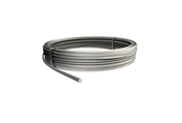 | 51.375
Air Terminal Rod-AL LA 1000 mm x 10mm |  | 250
Concrete Base Support Air Terminal- Heavy 17Kg | 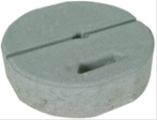 | 450
Concrete Base For Air Terminal Support- Light 8.5kg | 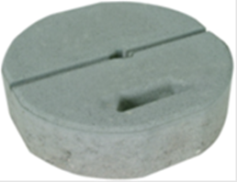 | 300
Air Terminal Rod-AL LA 1500 mm x 16mm
Air Terminal Rod-AL LA 2000 mm x 16mm
Tripod Support Air Terminal Rods 2.5 m | 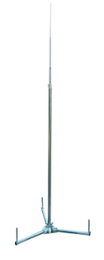 | 2700
Flat Conductor Holder- GI Flat Holder | 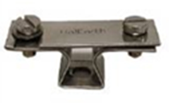 | 80
Plastic Base | 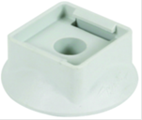 | 8
Galvanised Iron Flat Conductor 25x6mm | 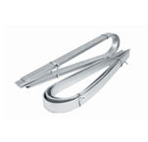 | 88.8
Circular Conductor Holder For Flat Roofs- Black Box Type | 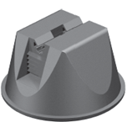 | 50
Copper Bonded Steel Rod- 1500mm Long and 17.2mm dia | 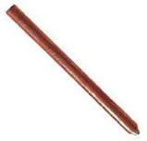 | 650
Copper Bonded Steel Rod- 3000mm Long and 17.2mm dia | 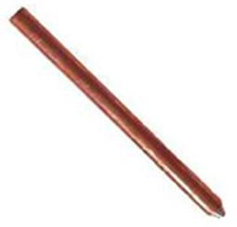 | 1250
Ground Enhancing Compound | 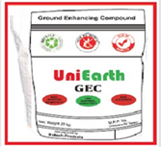 | 140
Metal Structure Connection Clamp- Railings Small Dia
Expansion Pieces- GI
Circular Conductor - GI
Air Terminal Metal Base | 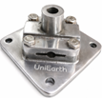 | 100
Expansion Pieces- AL | 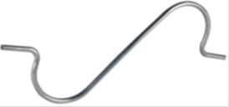 | 70
Universal Parallel Connector-SS 6mm to 22 mm dia | 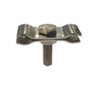 | 78
Parallel Connector Rebar- SS 16mm to 45 mm dia |  | 78
Parallel Connector Rebar- SS 16mm to 32 mm dia |  | 78
Parallel Connector Rebar- SS 16mm to 25 mm dia |  | 78
Rod to Flat Clamp- 17.2 mm rod to 25 x 6 strip
Rebar Clamp- Cross for 6-10mm dia | 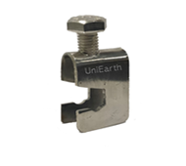 | 72
Rebar Clamp- Cross for 17.2 mm dia | 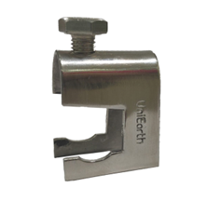 | 72
Air Terminal Rod- AL LA 1200mm *12mm
Lightning Strike Counter-Digital LSC - CITEL LSCA 790121 | 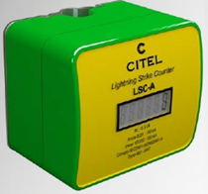 | 4000
Lightning Strike Counter-Time Stamp+ Bluetooth LSC | 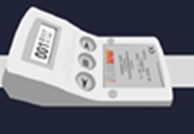 | 23000
Polyplastic cover 6" | 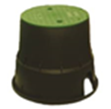 | 100
Concrete Chamber Cover (300x300mm) | 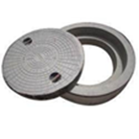
Connection Clamps For Corrugated Steel Sheets -One way connection Connecting range 2-18mm | 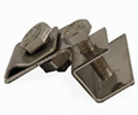 | 70
Metal Bonder - Henkel Loctite
Metal Bonder - Lord 810/20GB | 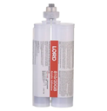 | 2800
Connection Clamps For Corrugated Steel Shed roof tops- 2 way connection Connecting range > 20 mm |  | 70
Metal Bonder - 3M DP8407NS
Metal Bonder - Mega Seal
Wire Straightner - 5 Pulley
Wire Straightner - 10 Pulley
SS Bolt
SS Washer
Rawl Plug- Sleeve
MS Chequered Plate - 250*250mm |  | 450
Bridging cable | 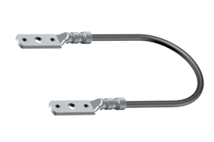 | 200
Plastic corrosion Tape | 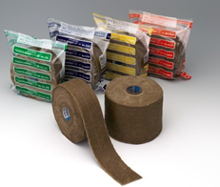 | 220
Clamping Show | 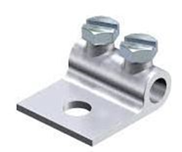
Air Terminal Base - 85 x 85 mm Alumimium self support air terminal base |  | 100
FRP Earth Pit Cover | 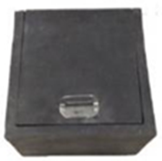 | 1100
Earth Rod Termination Clamp |  | 150
Staright Connector |  | 60
Exothermic Straight Joint | 
Exothermic T-Joint | 
Exothermic L-Joint
Cross Joint | 
Exothermic Weld Powder
Exothermic Accessories
CULA 1000x25mm |  | 900
SS325-CB-250 |  | 1850
Side Mounting clamp | 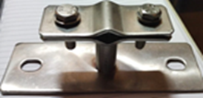 | 350
Lightning Arrester - 1 mtr Copper Spike Type ( Pipe) |  | 900
Nylon Rubber Conductor Holder - Nylon/PU Conductor Holder | 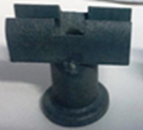 | 13
Earth Bonding Point 70*70 | 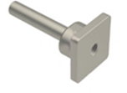 | 300
Earth Bonding Point 70*100 |  | 350
Earth Bonding Point 80*150 |  | 400
ESE LA Collar | 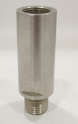 | 500
ESE LA Clamp | 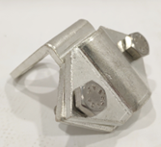 | 480
Disc for exothermic |  | 2
FP 350- GI |  | 535
Copper Wire 8WG ( Mtr) |  | 168.75
ESE LANG 60 |  | 42000
Earth Bus Bar | 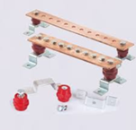
Bare Copper Cable - 70mm bare copper cable | 
Copper rod internally thread - 19mm x 3 Mtr. |  | 1850
Rod to cable clamp |  | 110
Copper Busbar - 500*50*6mm |  | 2100
Bentonite Powder - 25KG |  | 140
Copper Bonded Conductor 10mm ( Mtr) | 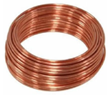
SS Test Link Box | 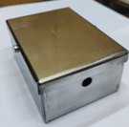
Copper Strip | 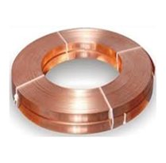
Copper Plate- 600*600*6mm | 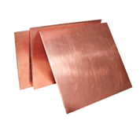
GI Plate - 600*600*6mm | 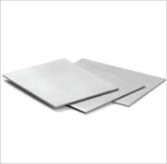
Copper Cable 50 Sqmm
Metal Roof Conductor Holder Base | 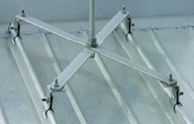
PolyPlastic Cover 12" 300x300x260mm | 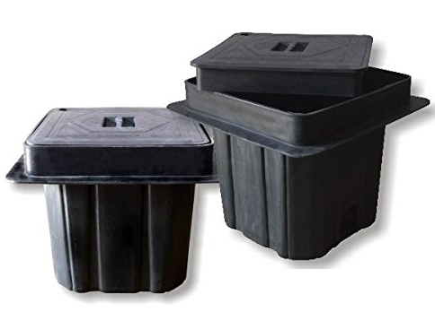
GI Test Point 150*26*6mm | 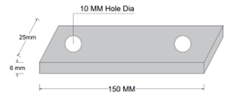
Bi- Metallic Lugs
CB - LA 8*1500mm | 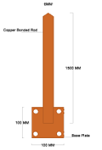
CB - LA 8*5000mm | 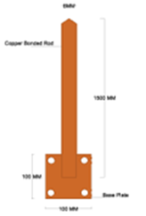
GI Test Point | 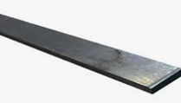
Copper Bonded Steel Rod | 
Tinned Copper Saddle - 50*6 | 
PVC Sleeve
MS Flat 50*6
Copper Earth Clamp 250*25*3mm
Copper Earth Mat 1000*1000mm
SS Nute Bolt M12*65mm
MS Rod 40*3000mm
Copper Cleat
GI Rod 12mm
Copper Rod 3m Long 25mm Dia
Tinned Copper Tape Clamp
GI Chamber Cover
Tinned Copper Cable to tape Square Clamp
Tinned Copper Cable to Cable Clamp
Copper Bare Conductor
Aluminum 10Sqmm Flexible Jumper
Aluminum 10Sqmm Wire
Heat Shrinkable Sleev
Polycarbonate Test Link Box
Exothermic Mold | 

