Sheet1
Product Name | Product Image
Cross Connector T , X , Universal clamp for 8 dia rod | 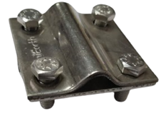
Cross Connector FL Material:GI
Connection Clamps For Flat Steel Structures- Girders | 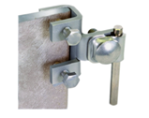
Wire To Air Terminal Clamp - Single Conductor | 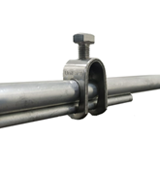
Wire To Air Terminal Clamp -Double Conductor | 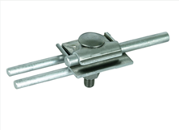
Test Clamp- Wire to GI strip | 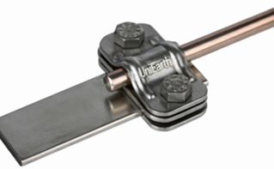
Test Clamp- Flat to flat
Test Clamp- Bimetallic Connector
Earthing Test Link
Connection Clamps For Circular Steel Structures- Railings Big Dia | 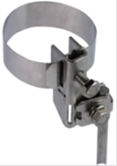
Conductor Holder- Running Clamp | 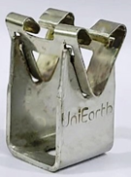
Circular Conductor-AL Wire | 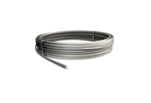
Air Terminal Rod-AL LA 1000 mm x 10mm
Concrete Base Support Air Terminal- Heavy 17Kg | 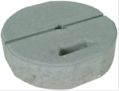
Concrete Base For Air Terminal Support- Light 8.5kg | 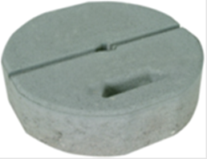
Air Terminal Rod-AL LA 1500 mm x 16mm
Air Terminal Rod-AL LA 2000 mm x 16mm
Tripod Support Air Terminal Rods 2.5 m | 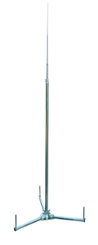
Flat Conductor Holder- GI Flat Holder | 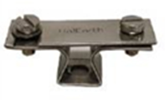
Plastic Base | 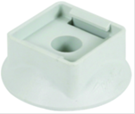
Galvanised Iron Flat Conductor | 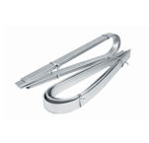
Circular Conductor Holder For Flat Roofs- Black Box Type | 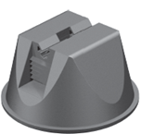
Copper Bonded Steel Rod- 1500mm Long and 17.2mm dia | 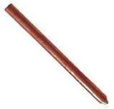
Copper Bonded Steel Rod | 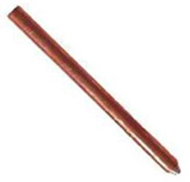
Ground Enhancing Compound | 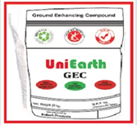
Metal Structure Connection Clamp- Railings Small Dia
Expansion Pieces- GI
Circular Conductor - GI
Air Terminal with Metal Base- GI | 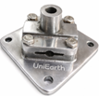
Expansion Pieces- AL | 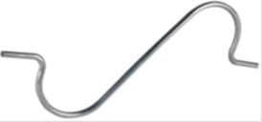
Universal Parallel Connector-SS 6mm to 22 mm dia | 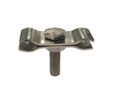
Parallel Connector Rebar- SS 16mm to 45 mm dia
Parallel Connector Rebar- SS 16mm to 32 mm dia | 
Parallel Connector Rebar- SS 16mm to 25 mm dia
Rod to Flat Clamp- 17.2 mm rod to 25 x 6 strip
Rebar Clamp- Cross for 6-10mm dia | 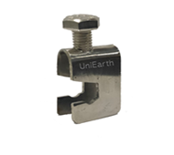
Rebar Clamp- Cross for 17.2 mm dia | 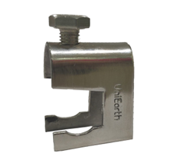
Air Terminal Rod- AL LA 1200mm *12mm
Lightning Strike Counter-Digital LSC - CITEL LSCA 790121 | 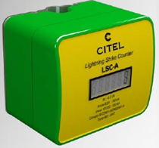
Lightning Strike Counter-Time Stamp+ Bluetooth LSC | 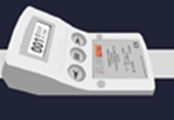
Polyplastic cover 6" | 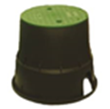
Concrete Chamber Cover (300x300mm) | 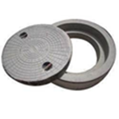
Connection Clamps For Corrugated Steel Sheets -One way connection Connecting range 2-18mm | 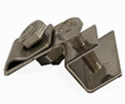
Metal Bonder - Henkel Loctite
Metal Bonder - Lord 810/20GB | 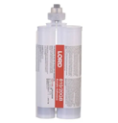
Connection Clamps For Corrugated Steel Shed roof tops- 2 way connection Connecting range > 20 mm
Metal Bonder - 3M DP8407NS
Metal Bonder - Mega Seal
Wire Straightner - 5 Pulley
Wire Straightner - 10 Pulley
SS Bolt
SS Washer
Rawl Plug- Sleeve
MS Chequered Plate - 250*250mm
Bridging cable | 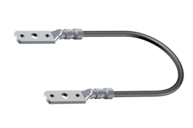
Plastic corrosion Tape | 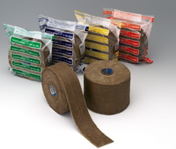
Clamping Show | 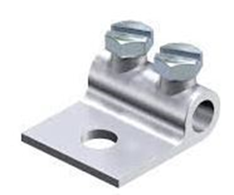
Air Terminal Base - 85 x 85 mm Alumimium self support air terminal base
FRP Earth Pit Cover | 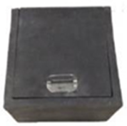
Earth Rod Termination Clamp
Staright Connector | 
Straight Joint
T-Joint
L-Joint
Cross Joint
Exothermic Weld Powder
Exothermic Accessories
CULA
SS325-CB-250
Side Mounting clamp | 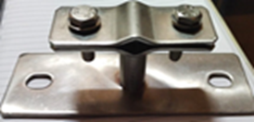
Lightning Arrester - 1 mtr Copper Spike Type
Nylon Rubber Conductor Holder - Nylon/PU Conductor Holder | 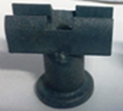
Earth Bonding Point 70*70 | 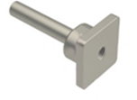
Earth Bonding Point 70*100
Earth Bonding Point 80*150
ESE LA Collar | 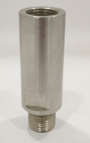
ESE LA Clamp | 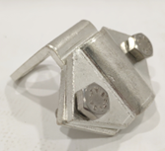
Diso for exothermic
FP 350- GI
Copper Wire
ESE LANG 60
Earth Bus Bar | 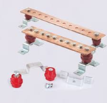
Bare Copper Cable - 70mm bare copper cable | 
Copper rod internally thread - 19mm
Rod to cable clamp | 
Copper Busbar - 500*50*6mm
Bentonite Powder - 25KG | 
Copper Bonded Conductor | 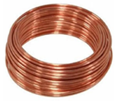
SS Test Link Box | 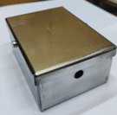
Copper Strip | 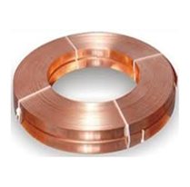
Copper Plate- 600*600*6mm | 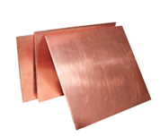
GI Plate - 600*600*6mm | 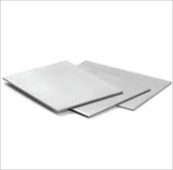
Copper Cable 50 Sqmm
Metal Roof Conductor Holder Base | 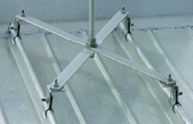
PolyPlastic Cover 12" 300x300x260mm | 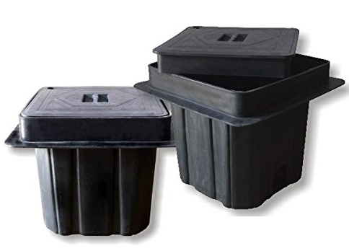
GI Test Point 150*26*6mm | 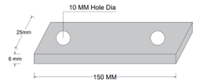
Bi- Metallic Lugs
CB - LA 8*1500mm | 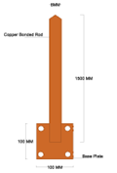
CB - LA 8*5000mm | 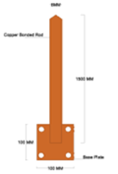
GI Test Point | 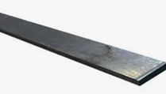
Copper Bonded Steel Rod | 
Tinned Copper Saddle - 50*6 | 
PVC Sleeve
MS Flat 50*6
Copper Earth Clamp 250*25*3mm
Copper Earth Mat 1000*1000mm
SS Nute Bolt M12*65mm
MS Rod 40*3000mm
Copper Cleat
GI Rod 12mm
Copper Rod 3m Long 25mm Dia
Tinned Copper Tape Clamp
GI Chamber Cover
Tinned Copper Cable to tape Square Clamp
Tinned Copper Cable to Cable Clamp
Copper Bare Conductor
Aluminum 10Sqmm Flexible Jumper
Aluminum 10Sqmm Wire
Heat Shrinkable Sleev
Polycarbonate Test Link Box

