Sheet1
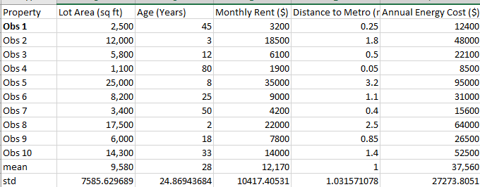
 | -0.9333 | 0.6997 | -0.8611 | -0.9258 | -0.9225
 | 0.319 | -0.9892 | 0.6076 | 0.5768 | 0.3828
 | -0.4983 | -0.6273 | -0.5827 | -0.6834 | -0.5668
 | -1.1179 | 2.107 | -0.9859 | -1.1197 | -1.0655
 | 2.0328 | -0.7881 | 2.1915 | 1.9339 | 2.1061
 | -0.1819 | -0.1045 | -0.3043 | -0.1018 | -0.2405
 | -0.8147 | 0.9007 | -0.7651 | -0.7804 | -0.8052
 | 1.0441 | -1.0294 | 0.9436 | 1.2554 | 0.9694
 | -0.4719 | -0.386 | -0.4195 | -0.3441 | -0.4055
 | 0.6222 | 0.2171 | 0.1757 | 0.189 | 0.5478
Mean | 0.00 | 0.00 | 0.00 | 0.00 | 0.00
Stdev | 1.00 | 1.00 | 1.00 | 1.00 | 1.00

