EMPLOYEE DASHBOARD
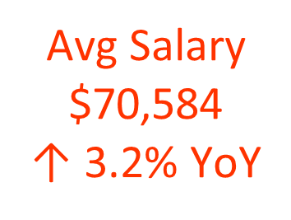
TOP EARNERS BY EMPLOYEE
 | Total
Barbara | 134173
Gregory | 132723
Holly | 133425
Jose | 141543
Kristina | 149377
Lisa | 131830
Michael | 132590
Michelle | 135055
Raymond | 133044
Vincent | 133039
WORKFORCE SPREAD BY POSITION
 | Total
Accountant | 173
Accounts Payable Specialist | 109
Content Creator | 308
Customer Service Manager | 74
Customer Service Representative | 503
Finance Manager | 9
Financial Analyst | 161
Help Desk Technician | 488
HR Assistant | 30
HR Coordinator | 56
HR Manager | 1
Inventory Specialist | 1044
IT Manager | 28
IT Support Specialist | 447
Logistics Coordinator | 1061
Marketing Coordinator | 206
Marketing Manager | 29
Operations Analyst | 557
Operations Manager | 56
Recruiter | 85
Sales Consultant | 478
Sales Manager | 52
Sales Representative | 740
Sales Specialist | 565
SEO Specialist | 175
Software Developer | 627
Support Specialist | 608
System Administrator | 280
 |  | EMPLOYEE DATA ANALYSIS
WORKFORCE DISTRIBUTION BY DEPARTMENT
 | Total
Customer Service | 779
Finance | 210
HR | 94
IT | 601
Marketing | 352
Operations | 1250
Sales | 863

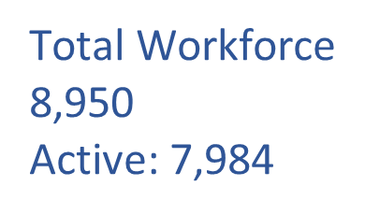

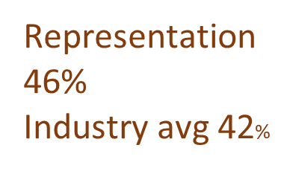

Female

EMPLOYEE COUNT BY DEPARTMENT
 | Count of Employee_ID | Sum of Salary
Customer Service | 1673 | 110146520
Finance | 452 | 34555917
HR | 172 | 11032946
IT | 1382 | 113221190
Marketing | 718 | 48579179
Operations | 2718 | 177757880
Sales | 1835 | 139836079

MONTHLY EMPLOYEE TREND
 | Total
Jan | 734
Feb | 774
Mar | 761
Apr | 719
May | 755
Jun | 774
Jul | 747
Aug | 745
Sep | 753
Oct | 729
Nov | 734
Dec | 725

PERFORMANCE RATING BY DEPARTMENT
 | Excellent | Good | Needs Improvement | Satisfactory
Customer Service | 228 | 611 | 329 | 505
Finance | 96 | 202 | 39 | 115
HR | 30 | 75 | 23 | 44
IT | 261 | 583 | 158 | 380
Marketing | 108 | 275 | 124 | 211
Operations | 409 | 1198 | 322 | 789
Sales | 434 | 819 | 128 | 454
EMPLOYEE EDUCATION SNAPSHOT
 | Total
Bachelor | 69921.570532
High School | 62144.286971
Master | 82675.957154
PhD | 86033.196653
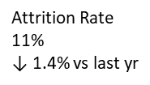 | Avg FAvg Female Salary $59,446 36% of workforceemale Salary $59,446 36% of workforce

PIE CHART GENDER (DEPT)
Row Labels | Count of Employee_ID
Customer Service | 779
Finance | 210
HR | 94
IT | 601
Marketing | 352
Operations | 1250
Sales | 863
Grand Total | 4149

WORKFORCE SPREAD BY POSITION
Row Labels | Count of Atrrition status
Accountant | 173
Accounts Payable Specialist | 109
Content Creator | 308
Customer Service Manager | 74
Customer Service Representative | 503
Finance Manager | 9
Financial Analyst | 161
Help Desk Technician | 488
HR Assistant | 30
HR Coordinator | 56
HR Manager | 1
Inventory Specialist | 1044
IT Manager | 28
IT Support Specialist | 447
Logistics Coordinator | 1061
Marketing Coordinator | 206
Marketing Manager | 29
Operations Analyst | 557
Operations Manager | 56
Recruiter | 85
Sales Consultant | 478
Sales Manager | 52
Sales Representative | 740
Sales Specialist | 565
SEO Specialist | 175
Software Developer | 627
Support Specialist | 608
System Administrator | 280
Grand Total | 8950

EMPLOYEE COUNT BY SALARY
Row Labels | Count of Employee_ID | Sum of Salary
Customer Service | 1673 | 110146520
Finance | 452 | 34555917
HR | 172 | 11032946
IT | 1382 | 113221190
Marketing | 718 | 48579179
Operations | 2718 | 177757880
Sales | 1835 | 139836079
Grand Total | 8950 | 635129711

MONTHLY TREND LINE
Row Labels | Count of Employee_ID
Jan | 734
Feb | 774
Mar | 761
Apr | 719
May | 755
Jun | 774
Jul | 747
Aug | 745
Sep | 753
Oct | 729
Nov | 734
Dec | 725
Grand Total | 8950

COUNT OF DEPT(PERFORMANCE)
Department | Count of Performance Rating
Customer Service | 779
Finance | 210
HR | 94
IT | 601
Marketing | 352
Operations | 1250
Sales | 863
Grand Total | 4149

TOP 10 EMPLOYEES
Department | (All)

Row Labels | Max of Salary
Barbara | 134173
Gregory | 132723
Holly | 133425
Jose | 141543
Kristina | 149377
Lisa | 131830
Michael | 132590
Michelle | 135055
Raymond | 133044
Vincent | 133039
Grand Total | 149377

PERFORMANCE RATING
 |  |  |  |  | - Performance Rating Analysis:

Count of Employee_ID | Column Labels
Row Labels | Excellent | Good | Needs Improvement | Satisfactory | Grand Total
Customer Service | 228 | 611 | 329 | 505 | 1673
Finance | 96 | 202 | 39 | 115 | 452
HR | 30 | 75 | 23 | 44 | 172
IT | 261 | 583 | 158 | 380 | 1382
Marketing | 108 | 275 | 124 | 211 | 718
Operations | 409 | 1198 | 322 | 789 | 2718
Sales | 434 | 819 | 128 | 454 | 1835
Grand Total | 1566 | 3763 | 1123 | 2498 | 8950

EMPLOYEE EDUCATION SNAPSHOT
Row Labels | Average of Salary
Bachelor | 69921.570532
High School | 62144.286971
Master | 82675.957154
PhD | 86033.196653
Grand Total | 70964.21352

