Deregulation
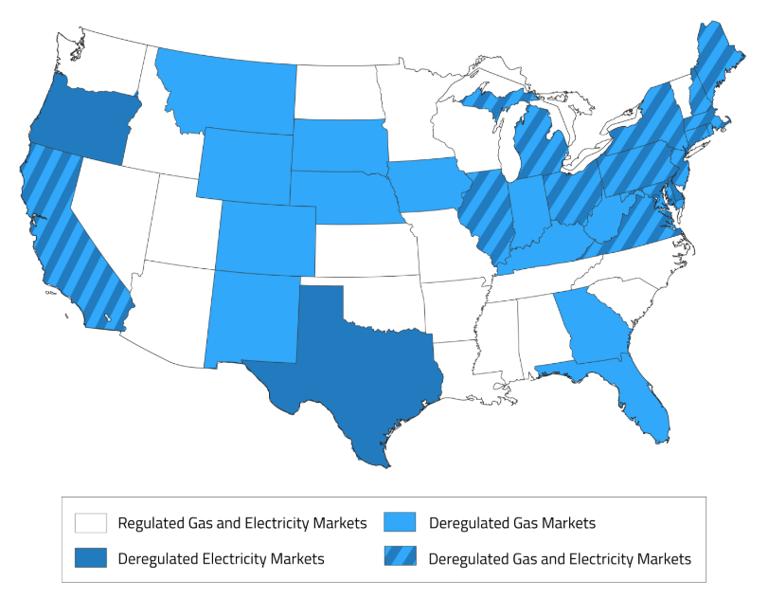
 | https://www.electricchoice.com/map-deregulated-energy-markets/ |  |  |  |  |  |  | https://www.electricchoice.com/map-deregulated-energy-markets/ | State | Gas | Year | Electric |  | Year | Comments
 | State | Gas | Year | Electric | Year |  | Comments |  | Alabama | No | N/A | No | 0 | N/A | No Comments
AL | Alabama | No | N/A | No | N/A | 0 | No Comments |  | Alaska | No | N/A | No | 0 | N/A | No Comments
AK | Alaska | No | N/A | No | N/A | 0 | No Comments |  | Arizona | No | N/A | No | 0 | N/A | In 2004 energy regulation was placed on hold due to various regulatory orders.
AZ | Arizona | No | N/A | No | N/A | 0 | In 2004 energy regulation was placed on hold due to various regulatory orders. |  | Arkansas | No | N/A | No | 0 | N/A | In 2003 Bill 1114 was signed to reverse energy deregulation laws.
AR | Arkansas | No | N/A | No | N/A | 0 | In 2003 Bill 1114 was signed to reverse energy deregulation laws. |  | California | Yes | 1995 | Yes* | 1 | N/A | *California’s electric choice works on a very limited lottery system called DirectAcccess.
CA | California | Yes | 1995 | Yes* | N/A | 1 | *California’s electric choice works on a very limited lottery system called DirectAcccess. |  | Colorado | Yes | 1999 | No | 0 | N/A | Colorado is Natural Gas Deregulated, however no utilities currently offer choice programs.
CO | Colorado | Yes | 1999 | No | N/A | 0 | Colorado is Natural Gas Deregulated, however no utilities currently offer choice programs. |  | Connecticut | Yes* | 1996 | Yes | 1 | 1998 | *Gas choice is partial and very limited.
CT | Connecticut | Yes* | 1996 | Yes | 1998 | 1 | *Gas choice is partial and very limited. |  | Delaware | No* | N/A | Yes | 1 | 1999 | *Gas choice was trialed and discontinued.
DE | Delaware | No* | N/A | Yes | 1999 | 1 | *Gas choice was trialed and discontinued. |  | Florida | Yes | 2002 | No | 0 | N/A | No Comments
FL | Florida | Yes | 2002 | No | N/A | 0 | No Comments |  | Georgia | Yes | 1998 | No | 0 | N/A | No Comments
GA | Georgia | Yes | 1998 | No | N/A | 0 | No Comments |  | Hawaii | No | N/A | No | 0 | N/A | No Comments
HI | Hawaii | No | N/A | No | N/A | 0 | No Comments |  | Idaho | No | N/A | No | 0 | N/A | No Comments
ID | Idaho | No | N/A | No | N/A | 0 | No Comments |  | Illinois | Yes | 2002 | Yes | 1 | 1997 | Approximately 75% of the state of Illinois is eligible for Natural Gas Choice.
IL | Illinois | Yes | 2002 | Yes | 1997 | 1 | Approximately 75% of the state of Illinois is eligible for Natural Gas Choice. |  | Indiana | Yes | 1998 | No | 0 | N/A | Natural Gas Choice is only available for NIPSCO customers.
IN | Indiana | Yes | 1998 | No | N/A | 0 | Natural Gas Choice is only available for NIPSCO customers. |  | Iowa | Yes* | 1997 | No | 0 | N/A | *Natural Gas Choice is only available to a small number of consumers.
IA | Iowa | Yes* | 1997 | No | N/A | 0 | *Natural Gas Choice is only available to a small number of consumers. |  | Kansas | No | N/A | No | 0 | N/A | No Comments
KS | Kansas | No | N/A | No | N/A | 0 | No Comments |  | Kentucky | Yes | 2000 | No | 0 | N/A | No Comments
KY | Kentucky | Yes | 2000 | No | N/A | 0 | No Comments |  | Louisiana | No | N/A | No | 0 | N/A | No Comments
LA | Louisiana | No | N/A | No | N/A | 0 | No Comments |  | Maine | Yes* | 1998 | Yes | 1 | 2000 | *Natural Gas Choice underwent more of a ‘restructuring’ process. It is only available to Industrial and Commercial consumers.
ME | Maine | Yes* | 1998 | Yes | 2000 | 1 | *Natural Gas Choice underwent more of a ‘restructuring’ process. It is only available to Industrial and Commercial consumers. |  | Maryland | Yes* | 1995 | Yes | 1 | 1999 | *Some residential, commercial and industrial customers in some areas of Maryland are not eligible for Natural Gas Choice.
MD | Maryland | Yes* | 1995 | Yes | 1999 | 1 | *Some residential, commercial and industrial customers in some areas of Maryland are not eligible for Natural Gas Choice. |  | Massachusetts | Yes | 1998 | Yes | 1 | 1998 | No Comments
MA | Massachusetts | Yes | 1998 | Yes | 1998 | 1 | No Comments |  | Michigan | Yes | 2008 | Yes | 1 | 1998 | No Comments
MI | Michigan | Yes | 2008 | Yes | 1998 | 1 | No Comments |  | Minnesota | No | N/A | No | 0 | N/A | No Comments
MN | Minnesota | No | N/A | No | N/A | 0 | No Comments |  | Mississippi | No | N/A | No | 0 | N/A | No Comments
MS | Mississippi | No | N/A | No | N/A | 0 | No Comments |  | Missouri | No | N/A | No | 0 | N/A | No Comments
MO | Missouri | No | N/A | No | N/A | 0 | No Comments |  | Montana | Yes | 1986 | No | 0 | N/A | No Comments
MT | Montana | Yes | 1986 | No | N/A | 0 | No Comments |  | Nebraska | Yes | 1998 | No | 0 | N/A | No Comments
NE | Nebraska | Yes | 1998 | No | N/A | 0 | No Comments |  | Nevada | No | N/A | No | 0 | N/A | Nevada is currently campaigning to adopt energy deregulation. The status of this state could change in the near future.
NV | Nevada | No | N/A | No | N/A | 0 | Nevada is currently campaigning to adopt energy deregulation. The status of this state could change in the near future. |  | New Hampshire | Yes* | 1998 | Yes | 1 | 1998 | *New Hampshire does not offer Natural Gas Choice to residential customers at this time.
NH | New Hampshire | Yes* | 1998 | Yes | 1998 | 1 | *New Hampshire does not offer Natural Gas Choice to residential customers at this time. |  | New Jersey | Yes | 1999 | Yes | 1 | 1999 | No Comments
NJ | New Jersey | Yes | 1999 | Yes | 1999 | 1 | No Comments |  | New Mexico | Yes | 1980s | No | 0 | N/A | Natural Gas Choice is available however, participation is very limited.
NM | New Mexico | Yes | 1980s | No | N/A | 0 | Natural Gas Choice is available however, participation is very limited. |  | New York | Yes | 1999 | Yes | 1 | 1997 | No Comments
NY | New York | Yes | 1999 | Yes | 1997 | 1 | No Comments |  | North Carolina | No | N/A | No | 0 | N/A | No Comments
NC | North Carolina | No | N/A | No | N/A | 0 | No Comments |  | North Dakota | No | N/A | No | 0 | N/A | No Comments
ND | North Dakota | No | N/A | No | N/A | 0 | No Comments |  | Ohio | Yes | 1997 | Yes | 1 | 1996 | No Comments
OH | Ohio | Yes | 1997 | Yes | 1996 | 1 | No Comments |  | Oklahoma | No | N/A | No | 0 | N/A | In 2001 Senate Bill 440 was signed for further investigation and study of the impacts of energy deregulation.
OK | Oklahoma | No | N/A | No | N/A | 0 | In 2001 Senate Bill 440 was signed for further investigation and study of the impacts of energy deregulation. |  | Oregon | No | N/A | Yes | 1 | 1997 | No Comments
OR | Oregon | No | N/A | Yes | 1997 | 1 | No Comments |  | Pennsylvania | Yes | 1999 | Yes | 1 | 1996 | No Comments
PA | Pennsylvania | Yes | 1999 | Yes | 1996 | 1 | No Comments |  | Rhode Island | Yes | 1996 | Yes | 1 | 1996 | No Comments
RI | Rhode Island | Yes | 1996 | Yes | 1996 | 1 | No Comments |  | South Carolina | No | N/A | No | 0 | N/A | No Comments
SC | South Carolina | No | N/A | No | N/A | 0 | No Comments |  | South Dakota | Yes | 2005 | No | 0 | N/A | No Comments
SD | South Dakota | Yes | 2005 | No | N/A | 0 | No Comments |  | Tennessee | No | N/A | No | 0 | N/A | No Comments
TN | Tennessee | No | N/A | No | N/A | 0 | No Comments |  | Texas | No | N/A | Yes | 1 | 2002 | Electricity deregulation is available to 85% of Texans.
TX | Texas | No | N/A | Yes | 2002 | 1 | Electricity deregulation is available to 85% of Texans. |  | Utah | No | N/A | No | 0 | N/A | No Comments
UT | Utah | No | N/A | No | N/A | 0 | No Comments |  | Vermont | No | N/A | No | 0 | N/A | No Comments
VT | Vermont | No | N/A | No | N/A | 0 | No Comments |  | Virginia | Yes | 2001 | Yes | 1 | 2007 | Both Natural Gas and Electric Choice programs are limited for residential consumers.
VA | Virginia | Yes | 2001 | Yes | 2007 | 1 | Both Natural Gas and Electric Choice programs are limited for residential consumers. |  | Washington | No | N/A | No | 0 | N/A | No Comments
WA | Washington | No | N/A | No | N/A | 0 | No Comments |  | Washington DC | Yes | 1999 | Yes | 1 | 2001 | No Comments
DC | Washington DC | Yes | 1999 | Yes | 2001 | 1 | No Comments |  | West Virginia | Yes | 2010 | No | 0 | N/A | Natural Gas Choice is available but participation is very limited.
WV | West Virginia | Yes | 2010 | No | N/A | 0 | Natural Gas Choice is available but participation is very limited. |  | Wisconsin | No* | N/A | No | 0 | N/A | *Wisconsin’s Natural Gas Choice program was discontinued in 2001.
WI | Wisconsin | No* | N/A | No | N/A | 0 | *Wisconsin’s Natural Gas Choice program was discontinued in 2001. |  | Wyoming | Yes* | 1996 | No | 0 | N/A | *Very limited program, only one utility offers a choice program.
WY | Wyoming | Yes* | 1996 | No | N/A | 0 | *Very limited program, only one utility offers a choice program.

RPS
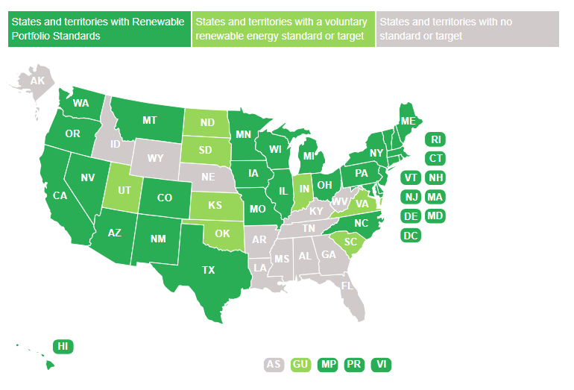
http://www.ncsl.org/research/energy/renewable-portfolio-standards.aspx

