まとめ
PC | VAIO
full speed hub | no brand

PCにfull speed hubとhubとキーボードを接続し、接続/切断を繰り返して正しく認識するか確認

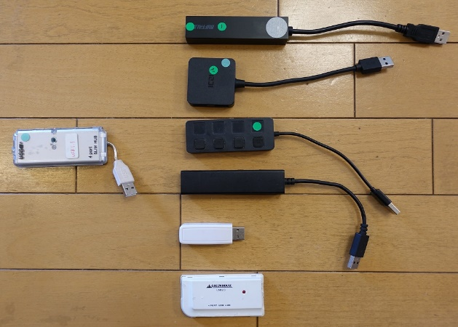
keyboardを固定してhubの動作を確認
 | elecom TK-FCP027
full speed hub + elecom BSH4U25 | 10/10
elecom BSH4U25 | 0/20
full speed hub + ICZI USB | 0/20
full speed hub + elecom U2H-YS4BBK | 0/20
full speed hub + elecom U2H-SS4BBK | 0/20
full speed hub + seria x2 hub | 0/20
full speed hub + GH-UHC204PW | 0/20
full speed hub | 2/20
直接接続 | 0/20


hubを固定してkeybord, mouseの動作を確認
 | full speed hub + BSH4U25
elecom TK-FCP027 | 10/10
KB1500U | 10/10
apple A1243 | 10/10
dell KB212-B | 10/10
eee-life | 10/10
MAGIC-PRO | 10/10
logicool M235 | 0/20
3coins 2123/KP-02 | 0/20
microsoft KB | 0/20

win-catc
 |  | 行高さ15, 図形47%?, catc zoom 40%
Keyboard | ELECOM TK-FCP027
接続 | VAIOPC - FullSpeedHub - Keyboard

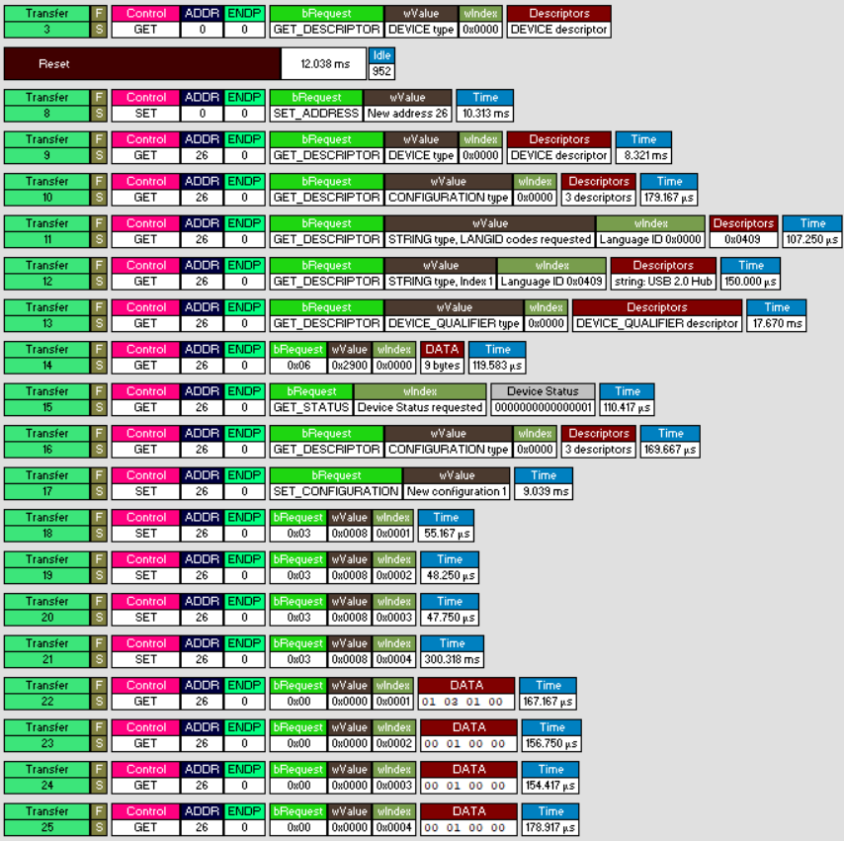
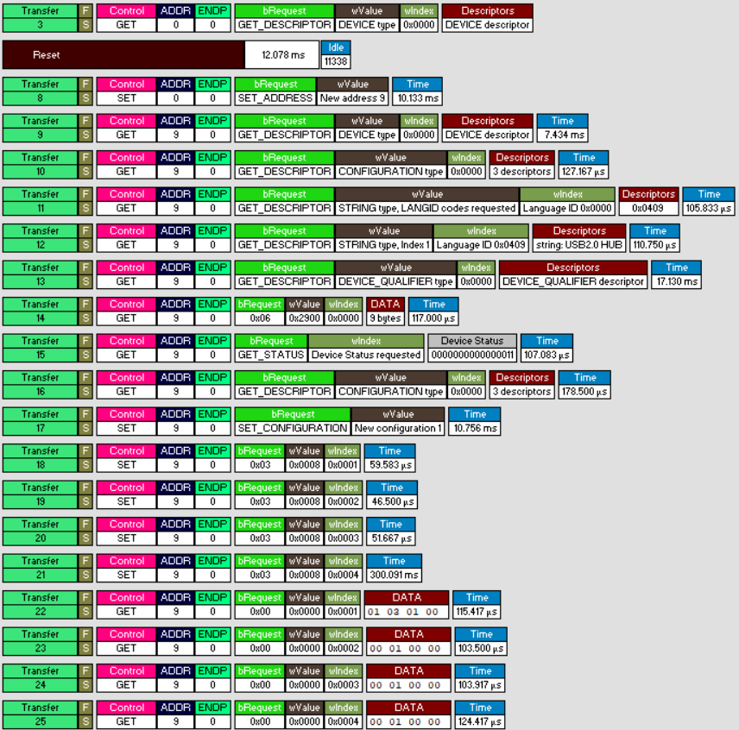
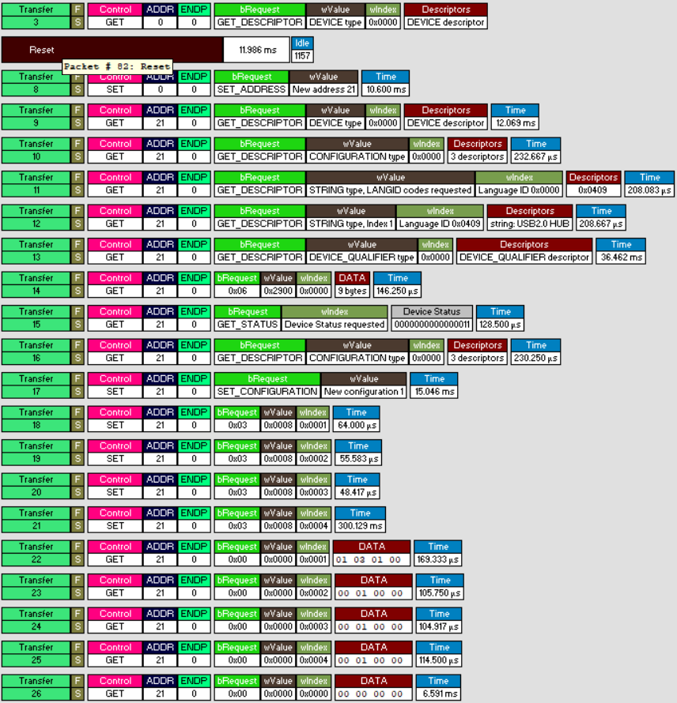
 | winFS-ok1 | winFS-ng1 | winFS-ng2
get dev desc

set adrs x
get dev desc
get config desc
get str desc
get str desc
get qual
get desc(hub)
get dev status
get config desc
set config desc
set feature(1)-power
set feature(2)-power
set feature(3)-power
set feature(4)-power
get status(1)
get status(2)
get status(3)
get status(4)
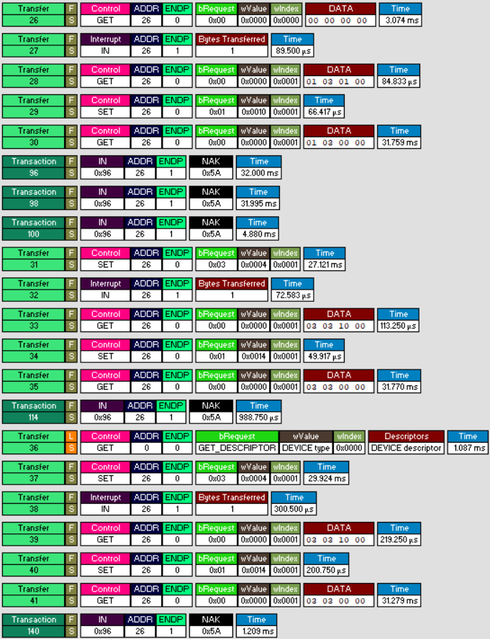
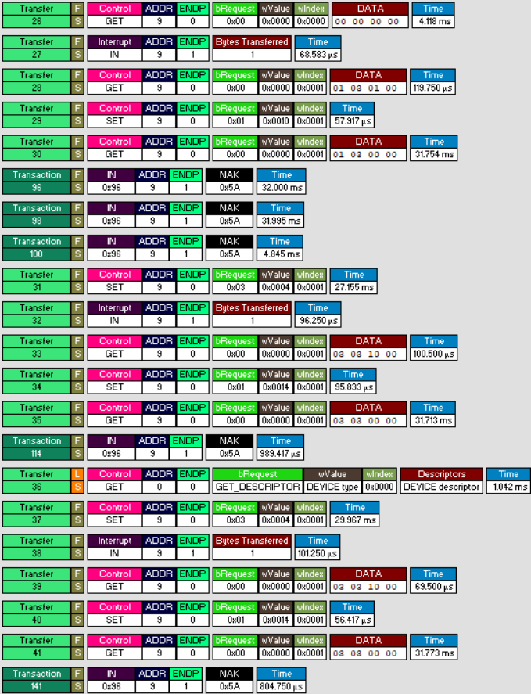
get status(0)
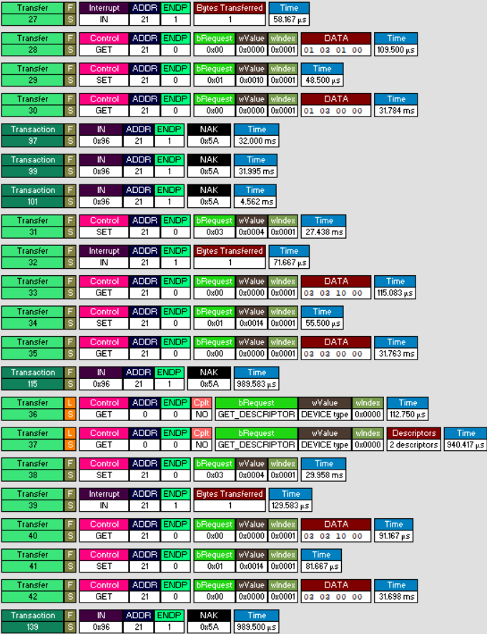
?
get status(1)
clear feature(1) c-conn
get status(1)
?

set feature(1)-reset
?
get status(1)
clear feature(1) c-res
get status(1)
?
get dev desc
set feature(1)-reset
?
get status(1)
clear feature(1) c-res
get status(1)
?
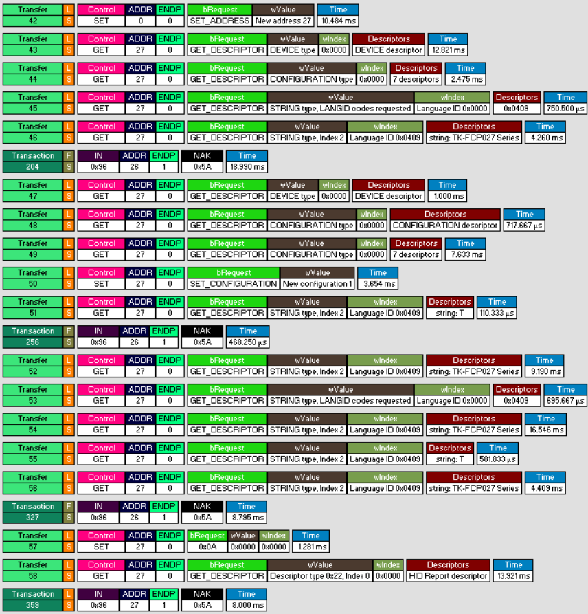
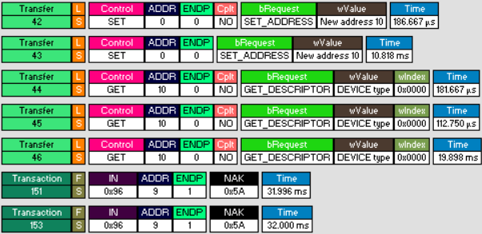
set adrs x
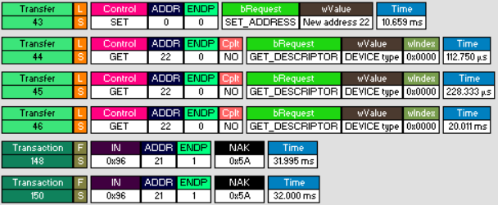
get dev desc
get config desc
get str desc
get str desc
?
get dev desc
get config desc
get config desc
set config
get str desc
?
get str desc
get str desc
get str desc
get str desc
get str desc
?
?
get desc-hidrep

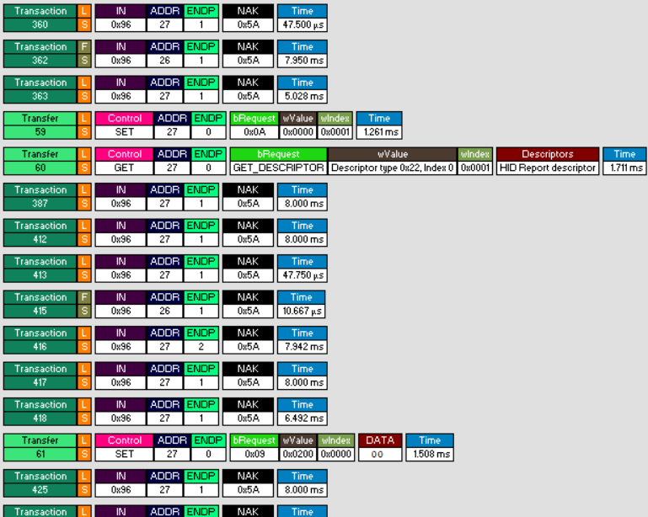

?
get desc-hidrep

?

usb2btp-catc
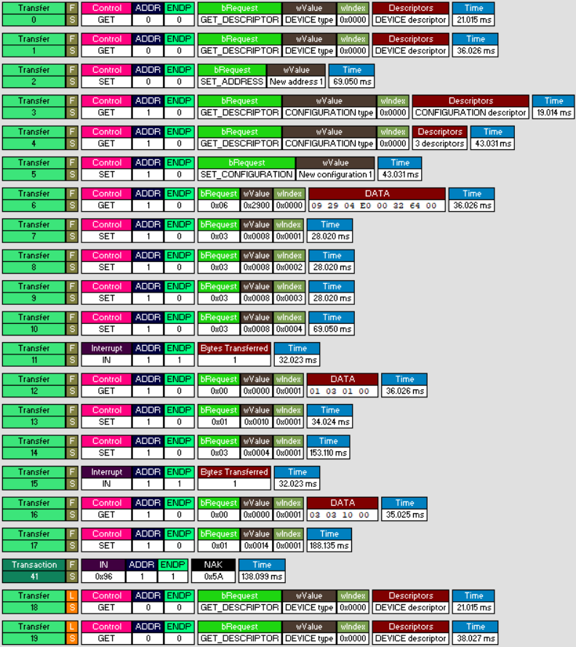
 | usb2btpHS_ng1 |  | usb2btpHS_ok1
 |  | get dev desc
 |  | get dev desc
 |  | set adrs x
 |  | get config desc
 |  | get config desc
 |  | set config desc
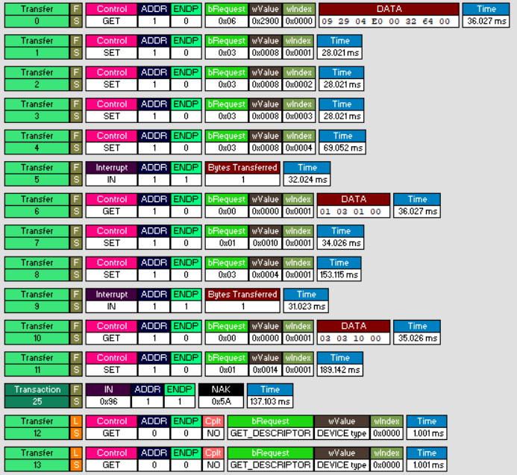
get desc(hub) |  | get desc(hub)
set feature(1)-power |  | set feature(1)-power
set feature(2)-power |  | set feature(2)-power
set feature(3)-power |  | set feature(3)-power
set feature(4)-power |  | set feature(4)-power
? |  | ?
get status(1) |  | get status(1)
clearFeature |  | clearFeature
setFeature |  | setFeature
? |  | ?
get status(1) |  | get status(1)
clearFeature |  | clearFeature
? |  | ?
get device desc |  | get dev desc
get device desc |  | get dev desc
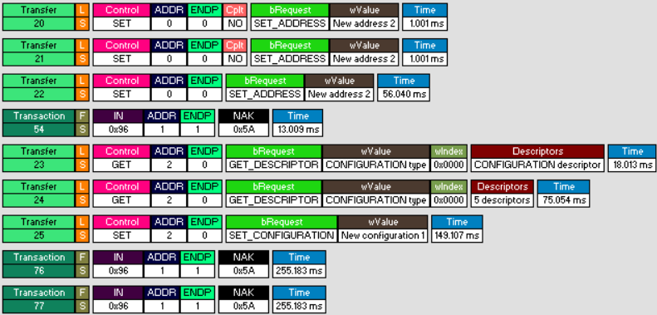
 |  | set adrs x

 |  | ?
 |  | get config desc
 |  | get config desc
 |  | set config desc

