pixel simulator
width | 100
height | 100

 | x | y
pixel | 10 | 99
npixel | 0.1 | 0.99
t_raw | 0.1 | 0.99 |  | linear blend |  | fade blend
t | 0.0 | 1.0 |  | 0.1 | 0.99 | 0.01 | 1.00

 | x | y |  | x | y | x | y
 | location |  |  | gradient_vector |  | direction_vector |  | dot product | Interpolate | M | N | t | val | norm_val_rgb
 | 0 | 0 | A | -1 | -1 | 0.1 | 0.99 | -1.09 | AB | -1.09 | -1.89 | 0.00856 | -1.096848
 | 1 | 0 | B | 1 | -1 | -0.9 | 0.99 | -1.89 | CD | 0.11 | -0.91 | 0.00856 | 0.1012688
 | 0 | 1 | C | 1 | -1 | 0.1 | -0.01 | 0.11 | AB|CD | -1.096848 | 0.1012688 | 0.9999901494 | 0.101257 | 140.41026722
 | 1 | 1 | D | 1 | 1 | -0.9 | -0.01 | -0.91

 |  |  | Linear Interpolation Example
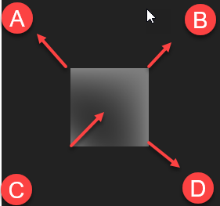
 |  |  |  |  |  |  |  | Program Output
 |  |  |  |  |  |  |  | using precast gradients: {(0, 0): (-1, -1), (1, 0): (1, -1), (0, 1): (1, -1), (1, 1): (1, 1)}
 |  |  |  |  |  |  |  | value of data[(90, 10)] = [-0.324 -0.324 -0.324] ([86 86 86])
 |  |  |  |  |  |  |  | value of data[(30, 70)] = [-0.252 -0.252 -0.252] ([95 95 95])
 |  |  |  |  |  |  |  | value of data[(1, 99)] = [-0.000396 -0.000396 -0.000396] ([127 127 127])
 |  |  |  |  |  |  |  | value of data[(10, 99)] = [-0.00378 -0.00378 -0.00378] ([127 127 127])
 |  |  |  |  |  |  |  | value of data[(20, 99)] = [-0.00716 -0.00716 -0.00716] ([126 126 126])
 |  |  |  |  |  |  |  | value of data[(30, 99)] = [-0.01014 -0.01014 -0.01014] ([126 126 126])
 |  |  |  |  |  |  |  | value of data[(40, 99)] = [-0.01272 -0.01272 -0.01272] ([125 125 125])
 |  |  |  |  |  |  |  | value of data[(50, 99)] = [-0.0149 -0.0149 -0.0149] ([125 125 125])
 |  |  |  |  |  |  |  | value of data[(75, 99)] = [-0.0186 -0.0186 -0.0186] ([125 125 125])
 |  |  |  |  |  |  |  | done

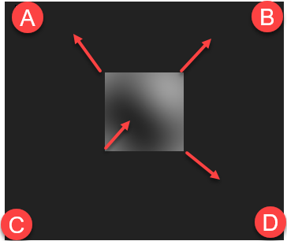
 | Fade Function Interpolation
 |  |  |  |  |  |  |  | Program Output
 |  |  |  |  |  |  |  | using precast gradients: {(0, 0): (-1, -1), (1, 0): (1, -1), (0, 1): (1, -1), (1, 1): (1, 1)}
 |  |  |  |  |  |  |  | value of data[(90, 10)] = [-0.21343222 -0.21343222 -0.21343222] ([100 100 100])
 |  |  |  |  |  |  |  | value of data[(30, 70)] = [0.1100581 0.1100581 0.1100581] ([141 141 141])
 |  |  |  |  |  |  |  | value of data[(1, 99)] = [0.0199799 0.0199799 0.0199799] ([130 130 130])
 |  |  |  |  |  |  |  | value of data[(10, 99)] = [0.101257 0.101257 0.101257] ([140 140 140])
 |  |  |  |  |  |  |  | value of data[(20, 99)] = [0.15090805 0.15090805 0.15090805] ([146 146 146])
 |  |  |  |  |  |  |  | value of data[(30, 99)] = [0.14364364 0.14364364 0.14364364] ([145 145 145])
 |  |  |  |  |  |  |  | value of data[(40, 99)] = [0.08619603 0.08619603 0.08619603] ([138 138 138])
 |  |  |  |  |  |  |  | value of data[(50, 99)] = [-1.4677394e-05 -1.4677394e-05 -1.4677394e-05] ([127 127 127])
 |  |  |  |  |  |  |  | value of data[(75, 99)] = [-0.15442527 -0.15442527 -0.15442527] ([107 107 107])
 |  |  |  |  |  |  |  | done

