qPCR
Taq Kapa 3G
Nb Echantillons | 1 | 10 |  |  |  |  |  |  |  |  |  | JRL 28/11/23
 | Volume (µL) |  |  |  |  |  |  |  |  | 1 | 2 | 3 | 4 | 5 | 6 | 7 | 8 | 9 | 10 | 11 | 12
ADN | 2 |  |  | Programme |  |  |  |  | A |  |  | 1 | H20
Mix 3G (2X) | 12.5 | 125 |  |  | 95°C | 10 sec | 45 cycles |  | B |  |  | 2 | H20
Primer Pgfwd2 (100 µM) | 0.1 | 1 |  |  | 55°C | 30 sec |  |  | C |  |  | 3
Primer Pxrev7 (100 µM) | 0.1 | 1 |  |  | 72°C | 30 sec |  |  | D |  |  | 4
Taq Kapa 3G (2,5U/µL) | 0.2 | 2 |  |  |  |  |  |  | E |  |  | 5
SYBR Green 10X | 2.5 | 25 |  |  |  |  |  |  | F |  |  | 6
eau qsp 25 µL | 7.6 | 76 | ok |  |  |  |  |  | G |  |  | 7
Volume total (µL) | 25 | 230 |  |  |  |  |  |  | H |  |  | 1DIL10
Volume à distribuer | 23
 |  |  |  | 1DIL10 | échantillon n°1 20/11, dillué 10X

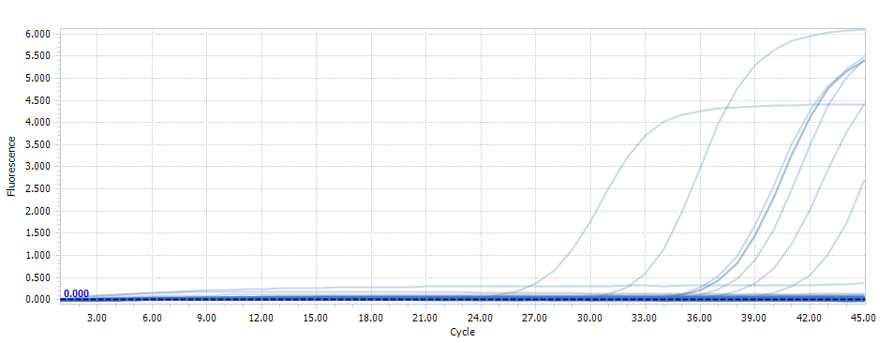
 |  | sample
 | A3 | 1 | 35.89
 | B3 | 2 | 40.48
 | C3 | 3 | 35.94
 | D3 | 4 | 38.13
 | E3 | 5 | 31.69
 | F3 | 6 | 36.8
 | G3 | 7 | 35.59
 | H3 | 1DIL10 | 26.01
 | A4 | H20 | 40.48
 | B4 | H20 | 40.48

 | Equation Courbe 2
 | y = -0,3395x + 9,9245
 | y = Log Nb molécules
 | x = Cq

 |  | Position | Cq | Sample | Calcul Log nb mol | Nb mol/puit | concentration d'ADN, ng/µL | Dépôt de 2 µl d'ADN, ng | nb mol PG/ng de cible | %age PG, si 1 copie rDNA/PG | %age PG, si 5 copie rDNA/PG | %age PG, si 10 copie rDNA/PG
 | 2023-11-27 | A3 | 35.89 | 1 | -2.260155 | 0 | 0.1 | 0.20 | 0 | 0.00 | 0.00 | 0.00
 |  | B3 | 40.48 | 2 | -3.81846 | 0 | 0.1 | 0.20 | 0 | 0.00 | 0.00 | 0.00
 |  | C3 | 35.94 | 3 | -2.27713 | 0 | 0.1 | 0.20 | 0 | 0.00 | 0.00 | 0.00
 |  | D3 | 38.13 | 4 | -3.020635 | 0 | 0.1 | 0.20 | 0 | 0.00 | 0.00 | 0.00
 |  | E3 | 31.69 | 5 | -0.834255 | 0 | 0.1 | 0.20 | 1 | 0.00 | 0.00 | 0.00
 |  | F3 | 36.8 | 6 | -2.5691 | 0 | 0.1 | 0.20 | 0 | 0.00 | 0.00 | 0.00
 |  | G3 | 35.59 | 7 | -2.158305 | 0 | 0.1 | 0.20 | 0 | 0.00 | 0.00 | 0.00
 |  | H3 | 26.01 | 1DIL10 | 1.094105 | 12 | 1 | 2.00 | 6 | 0.02 | 0.00 | 0.00
 |  | A4 | 40.48 | H20 | -3.81846 | 0
 |  | B4 | 40.48 | H20 | -3.81846 | 0

