Лист1
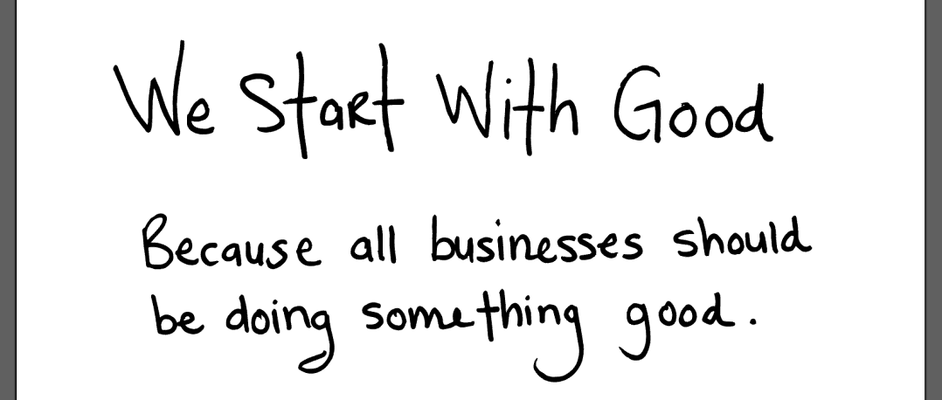
This | is | hard
xls | or | xlsx

text |  | test

Table can contain numbers, formulas, plots, images with text

num | 1 | 2 | 3
square | 1 | 4 | 9

Text from scatter

Image also can be in Excel document

