Sheet1
1

 |  |  |  |  |  | Distribution of dataset on the basis of difficulty

2

 |  |  |  |  |  |  | Distribution of dataset on the basis of attendence

3



 |  |  |  |  |  | Distribution of dataset on the basis of Number of times the student is taking this course

 | 4

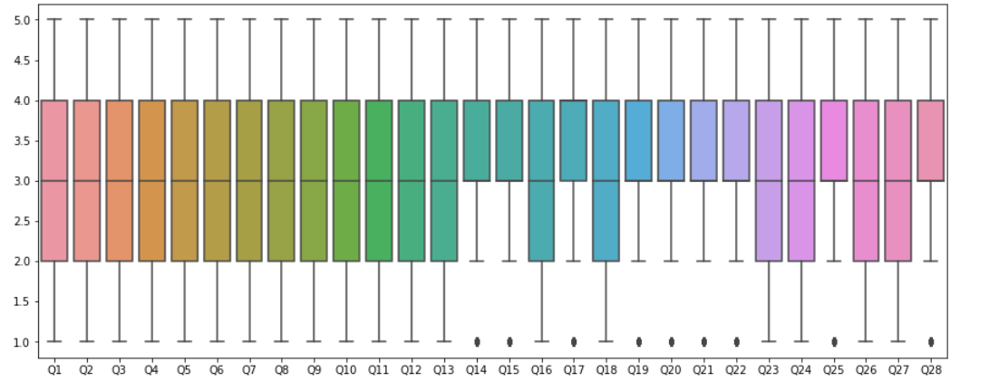

 |  |  | By above graph, we can see that very less students have given completely disagree (Rating 1) for Question Q14, Q15, Q17, Q19 - Q22, Q25

 | 5
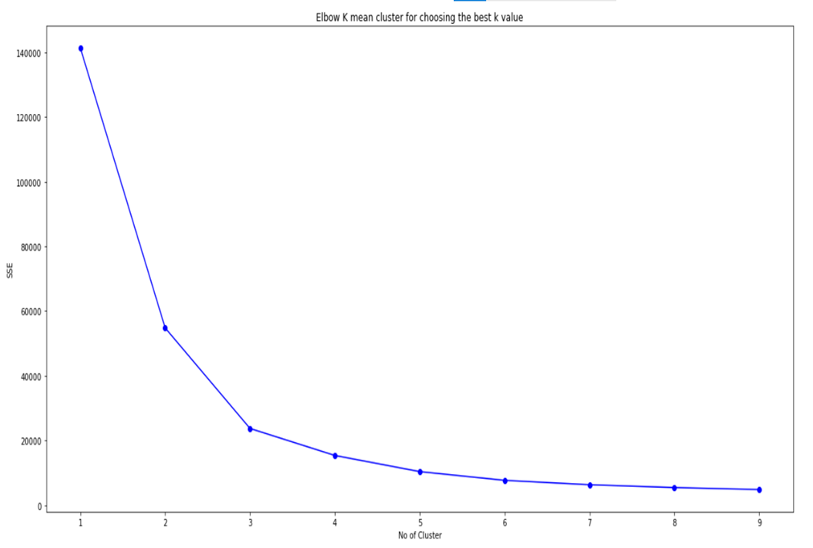

 |  |  |  | Elbow k mean method to get an optimal value of K. From the graph we chose K value as 4.

 | 6
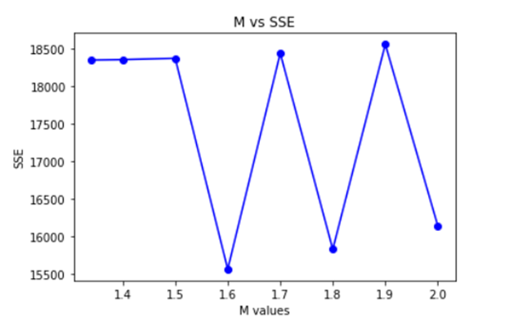

 |  |  |  | plotting M(fegree of fuzziness vs sse(Sum squared error)

 | 7

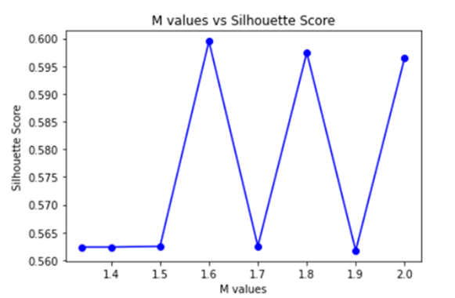

 |  |  |  |  | plotting M(degree of fuzziness) vs Silhouette Score

 | 8 | Overview of all the four algorithms cluster-wise

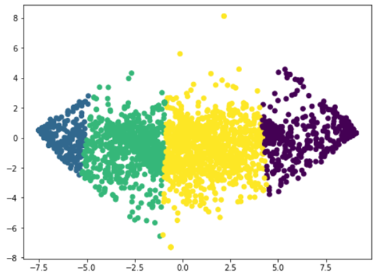

 |  |  |  |  |  |  | K- Means

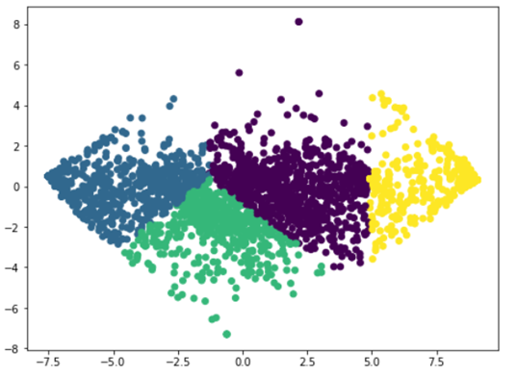

 |  |  |  |  |  |  | K-Medoids

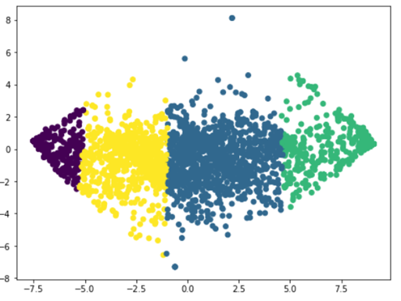

 |  |  |  |  |  |  | Fuzzy C-Mean Clusters

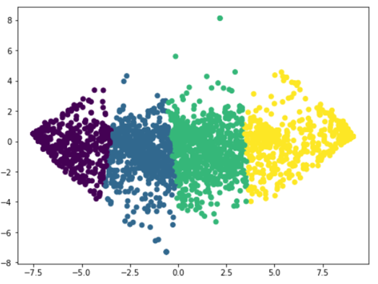

 |  |  |  |  |  |  | Self Optimizing Maps

