FAQ
FAQ: How is the Early Life Churn 2nd and 3rd Payment rate calculated and what period does it represent?

2nd Month MRC Refill Rate:
The 2nd month rate represents the 2nd Month MRC Refill Rate calculated by epay which Dealers can view. This represent the number of 2nd customer MRC payments made within fifty (50) days following each account activation. For the DLAR, the activation month is 2 months in arrears to allow for a full 50 days to be reflected as the rate is finalized in the current month. For example, with the August DLAR, 2nd month rate represents # of payment within 50 days of activations performed in June (see below).

3rd Month Refill Rate:
The 3rd month rate represents the 3rd Month MRC Refill Rate calculated by epay which Dealers can view. This represent the number of 3rd customer MRC payments made within one hundred (100) days following each account activation. For the DLAR, the activation month is 4 months in arrears to allow for a full 100 days to be reflected as the rate is finalized in the current month. For example, with the August DLAR, 3rd month rate represents # of payments within 100 days of activations performed in April (see below).

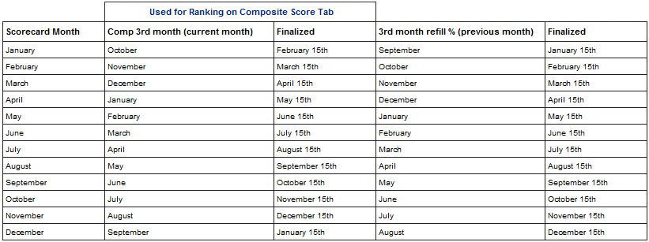

Conversion Rate:
Totals Sales (gross adds + upgrades)/Replenishment Count
AAL Conversion Rate:
Secondary Adds/Replenishment Count
Secondary Adds & RPL Count are 2 days in arrears

Missed Opportunity:
(30% Conversion - Current Conversion)*Replenishment Count. These are the incremental activations you would received if conversion was at 30%.

Other Family Plans:
Promotional Family Plan Offers.

