Sheet1
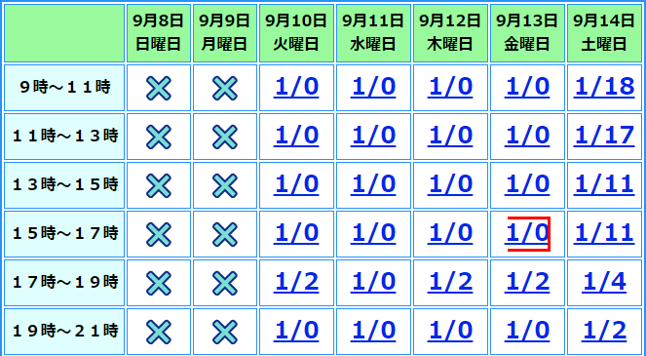

 |  |  |  |  |  |  | 2

 |  |  |  |  |  |  | 3

 |  |  |  |  |  |  | 4

 |  |  |  |  |  |  | 5

 |  |  |  |  |  |  | 6

 |  |  |  |  |  |  | 7

1 | 2 | 3 | 4 | 5 | 6 | 7

