Introduction
Idemat 2024 Rev V1-2 |  |  |  |  |  |  |  |  |  |  | Idemat is CC BY for students, tutors and lecturers
Data on Eco-costs 2024 V1.0 |  | "Idemat2024" |  |  |  |  |  |  |  |  | Idemat is CC BY for designers, engineers, architects, employees
This database provides data as well on Recipe2016, the Carbon Footprint, CED, and Ecological Footprint (EF) |  |  |  |  |  |  |  |  |  |  | Idemat is not CC BY for sellers of software for LCA and/or CSRD
 |  |  |  |  |  |  |  |  | Idemat by Joost Vogtlander is licensed under CC BY-NC 4.0
 |  |  |  |  |  |  |  |  | Industrial Property of Aiming Better
The eco-costs 2023 data in this database are based on the latest midpoint tables:
- UseTox 2 for Ecotoxicity and Human toxicity (cancer and non-cancer) as reccommended by EF
- IPCC 2021 GWP 100a (the latest tables)
- EF recommended characterisation factors for acidification, eutrofication, photochemical oxidant forming and fine dust

The LCA calculation model can be depicted as follows:

This database is for "background processes" (i.e. upstream and downstream processes) |  |  |  |  |  |  | These data are to be used to convert the input tables of LCI to eco-costs.

This database provides data on the eco-costs on several aggregation levels:
1. table "Idemat 2023": practical data based on carefully selected LCIs from peer reviewed papers and scientific databases from universities
Note: detailed calculations of ecocosts of Ecoinvent LCIs are only available on the blackboard of the Delft University of Technology
2. table of the EF system of the EU for the PEF project (Product Environmental Footprint)
3. eco-costs data on processing of materials (from gate to gate), as used in the Cambridge Engineering Selector
4. table on food of 'agri-footprint'
5. EVR data on the production phase (from gate to gate)
5. EVR data for different consumption sectors for the EU25 (EIPRO study) (from cradle to gate)

The eco-costs data have been calculated by Simapro 9.4.0.1 applying the Ecocosts 2023 V1.0 data and midpoint tables see www.ecocostsvalue.com tab data)
This excel file on emissions and resource depletion provides data on:
- emisssion data of pure substances which are emitted: tab "emissions full lists" (the charaterisation tables)
- material scarcity data of pure substances which are used in the life-cycle chain: table "materials depl"
- water scarcity and biodiversity
In general, these data are to be used to convert the output tables of LCI to eco-costs , to be used when "foreground processes" (also called core processes) have emissions.

Changes:
2016-07-01 | first version of the Idematapp file, with new LCIs based on ELCD, own calculations (e.g. transport), specific LCIs from recent scientific peer reviewed papers, data from Probas, CESedupack, USLCI., Chalmers University, University of Bath
2016-07-02 | small corrections on natural fibres (extra degumming for textiles)
2016-07-10 | midpoints of eco-costs and CED added
2016-07-12 | small correction in thermosets
2016-08-04 | correction of mercury (primary) |  | and small corrections of other metals from ProBas
2016-08-21 | correction wool (correction USLCI)
2016-08-22 | recipe added, and small changes in non-ferro (sulfur oxides in ProBas)
2016-08-23 | small changes in cotton
2017-06-19 | version with new LCI data of the ELCD and data based on new eco-costs 2017:
 | all midpoint characterisation factors have been updated, with entirely new calculations on eco-costs of resource depletion (new modelling of land-use change and metal depletion)
2017-07-24 | agrofootprint added, and ReCiPe updated to '2016'
2017-07-31 | small corrections in CED and Recipe
2017-12-11 | packaging and food added plus downcycled (mechanical) plasics
2018-01-20 | packaging film, MAP gases, and special plastics added, corrections for heat of combustion of thermoplastics
2018-02-06 | corrections for N2 and O2
2018-03-10 | new data on Copper; new run in Simapro v8.5 (with new LCI data of ELCD) and ecocosts 2017 v1.2 (with uranium, raw, added)
2018-03-23 | Changed conversion carbon footprint (0.116 instead of 0.135) in tab agri-footprint
2018-05-11 | bio-PE and bio-PET changed
2018-07-30 | metals revised (new eco-costs of metals depletion)
2018-08-14 | wood revised and wood for wet civil engineering added
2018-09-14 | revision in ecocosts fine dust midpoint table
2018-10-01 | new data rare earth scarcity
2018-12-12 | new data metal scarcity
2018-12-14 | tab added for EN15804
2019-04-01 | battery data added for innomat: Iron Nitride magnet, SmCo magnet, ceramic magnet
2019-04-05 | carbon fibre changed and CED sustainable wind sun water corrected, estimate boron added
2019-04-11 | innomat data added:, graphite, ZnO, MnO2, Boron
2019-05-14 | lnadfill replaced under waste handllng F.130.01 |  |  |  | glass bottles changed
2019-05-27 | waste handling lines added (digesting cow dung, digesting food waste, digesting garden waste, composting)
2019-06-15 | tomato study added
2019-08-02 | new calculations based on ecocosts 2017 version V1.6 (for academic year 2019/2020)
2019-09-20 | some minor corrections
2019-09-21 | correction vanadium
2020-02-08 | correction particle board, paper+board, new plastics europe data (ABS,PA,PC,PE,PET,PMMA,POM,PP,PS,PUR,PVC,SAN,Polyols, MDI,TDI)
2020-08-17 | new version for academic year 2020-2021 with Ecocosts 2017 version 1.8 and new EF version 3.0
2020-09-07 | name changed from Idematapp to Idemat
2020-10-29 | food revised (fish)
2020-12-14 | stainless steel (and metals) revised, by revising EoL-RIR (recycled content); plus agri-footprint (5) updated and World Food database added (only eco-costs) in the Simapro Release 9.1.1.1
2020-12-30 | ReCiPe and EF recalculated
2021-04-02 | mismatch names of uranium adapted in CED, ReCiPe and EF
2021-04-16 | included 15 most used electricity countries (from Idemat 2012 Electricity file) |  |  |  |  |  | and | general elctricity and fuel electricity calculations updated
2021-05-13 | CED values updated for the 15 countries electricity
2021-09-02 | Idemat 2022 with eco-costs 2022 (for academic year 2021-2022)
2021-10-01 | small correction on white paint
2021-11-22 | Rev A. CESedupack data replaced by litterature data and better descriptions (e.g. added URLs)
2021-12-01 | Boron, Boron Carbide, and Borosilicate glass changed; pulp deleted; small changes in EoL heat data
2022-01-01 | Vanadium new calculation, ReCiPe normalisation checked |  |  |  |  | sulphuric acid
2022-02-01 | Recycled Neodymium magnets added
2022-02-07 | corrections CED plastics (CESedupack data replaced by TUD calculations of RevA)
2022-04-14 | bio MDF and bio particle board added
2022-04-30 | small corrections in rare earth
2022-07-21 | radiata pine revised; data for packaging paper revised to latest FEFCO data
2022-08-26 | data paper and packaging changed in materials as well as processing
2022-09-10 | PEI added and special plastics renumbered
2022-10-06 | recalculation of PB-1
2022-10-08 | recalculation CED of plastics and electricity per fuel
2022-11-10 | Aluminium trade and EVOH renewed
2022-11-15 | LNG added and pipeline renewed
2022-11-23 | printing and refrigerants added |  | offshore wind updated
2022-12-01 | Idemat 2023 with eco-costs 2023
2022-12-23 | NMC811 battery updated, electricity Norway added, copper revised
2023-01-12 | titanium and titanium oxide updated, printing details added
2023-07-01 | Idemat2023RevA: addition of chemical inorganic, chemicals organic, solvents, detergents, some chemical gasses, in chemicals. Renumbering of chemicals and alloys
2023-08-03 | addition proxi tables: plus addition fuels: EU lables, and lease car norms; plus correction EPS GPPS HIPS PPE TDI MDI PA 6
2023-08-10 | addition of pesticides, plus new EF midpoint tables for ecotoxicity, human cancer anf non-cancer (eco-costs 2023 V1.2)
2023-09-12 | upgrades of Li-ion batteries NMC 811 and LFP
2023-11-22 | correction nuclear electricity; PBAT added
2023-12-04 | revision of world electricity data
2023-12-16 | new eco-costs2024 plus new full list of electricity of countries (provinces and states) for the year 2022
2023-12-20 | particular metals added (arsenic, barium, berylium, bismuth, boron, hafnium, Niobium, Rhenium, Strontium, Thallium, Thorium) plus boric acid added
2024-01-16 | torrified wood, carbon sequestration in wood > 100 years
2024-02-04 | swiss electricity added, small correction electricity EU, obsolete electricity LCIs removed |  |  |  |  |  |  |  |  | ,
2024-02-28 | tungsten virgin and seconday market mix updated
2024-03-10 | Added: - fiber laser cutting 1000W, 6000W, steel and AL; - asphalt; - glass (flint, green, brown); - folding boxboard GC!, 2, 3
2024-03-11 | PAN (Acrilic) added
2024-03-12 | clinker updated
2024-03-14 | Flax, Mycelium Protective Packaging, Paperfoam shifted to new category
2024-03-18 | chromium updated; leather updated; chromium oxide new; magnesium oxide new
2024-03-19 | new food data (250 lines)
2024-03-25 | grease (lithium-based and polymer-based) added;
2024-03-27 | coating metals changed to single side data; small correction glass
2024-04-15 | combustion of paper and wood: small correction of LHV calculation
2024-04-16 | conntainer transport sea corrected for m3kg
2024-05-13 | biodiversity credit added to testliner, kraftliner updated
2024-05-29 | EMAA (Ethylene-Methacrylic Acid Copolymer) and Methacrylic acid
2024-07-04 | data on IC and PCB updated; Naphtha added; Ferric Cloride added; Carnauba wax added
2024-07-05 | bio-PE updated for ethanol based; bio-PE added for tallow based
2024-07-12 | direct emissions added; passenger kilometers added for air and rail
2024-07-14 | TRACI V2.1 midpoints added
2024-07-17 | redefinition protection of nature and biodiversity
2024-07-24 | internet traffic and use of storage datacentres
2024-08-01 | paper for (fat) food added |  | plastics for EU bottles added: PE,PET,PP, PVC
2024-08-11 | bioPP added | ABS and SAN updated
2024-08-13 | updated PEEK, PTFE and EPDM, PMMA, POM, PTFE
2024-08-14 | added PAN, bio-PET, PEF |  | updated PA11
2024-08-15 | HVO updated
2024-08-17 | EoL added for bioPE, bioPP, bioPET, PA11,PEF
2024-08-22 | update Epoxy resin, PP, PS, PVC
2024-08-23 | added household paper mun incineration
2024-08-23 | update MMA, Phthalic anhydride, Polyether-polyols,
2024-08-25 | updated Accoya and PV cells
2024-09-01 | talc (talcum) added
2024-09-03 | deleted EoL of Plastic film in power plant
2024-09-03 | update EoL for power plant and municipal watse incineration of PPS, Nafion, Epicholohydrin, PVDC, bio-PP
2024-09-14 correction bio PP WtE
2024-09-19 | some bars removed (where units are not the same in the group)
2024-09-30 | epichlorohydrin updated, which lower epoxi and HCL
2024-10-06 | HVO from rape oil to soybean oil; HVO norm EU changed to tallow waste;
2024-10-06 | 5 times transport by truck with HVO (instead of B7) added
2024-10-08 | Mica revised
2024-10-08 | electricity from sawdust added
2014-10-24 | 6 lines for water added
2014-11-23 | Aluminium virgin revised (europe and global, so 1 extra)
2024-10-24 | 6 lines for water added
2024-11-23 | Aluminiums revised (europe and global, so 1 extra)
2024-11-25 | Coppers revised (1 extra)
2024-11-27 | Probas revisions: Cr, Co, Ga, Au, In, Li, Mn, Hg, Mo, Nb, Ag, Ta, Tl, Sn, W
2024-12-03 | A.030.18.113 deleted (double) |  | A.140.04.101.230701 Geotextiles moved
2024-12-04 | duck down (china and poland) added, polyester fibre fill added
2024-12-10 | mining of hardcoal and lignite added, antracite corrected
2024-12-14 | no converting added to plastic processing
2024-12-15 | hydrogen 3 extra lines
2024-12-26 | wool, grease at far australia added
2025-01-05 | all basic carbon steel LCIs revised |  |  | A1
2025-01-12 | revision of logic dies |  |  | A3
2025-03-11 | quicklime and hydrated lime revised |  |  | A4
2025-03-16 | delivery vans added and fuels EU lease segments changed |  |  |  | A5

The IDEMAT App (and the IDEMATlightLCA App) facilitates the search for sustainable materials by combining the cradle-to-gate data with end-of-life scenarios: see |  |  |  |  |  |  |  |  |  | www.idematapp.com
Available for Iphone and Ipad in the App Store, and for Android smartphones in the Google Play store

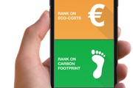
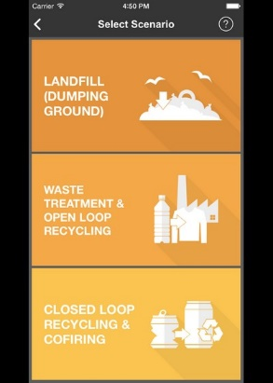
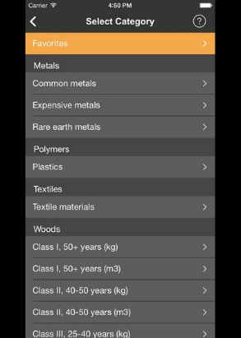
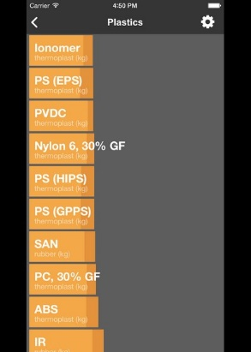
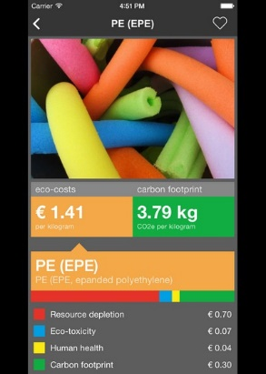

The line numbers of a material or service in these apps correspond with the line numbers in the Idematapp tab, as well as in the Idemat tab and Ecoinvent tab (of the Idemat file at the blackboard)

