Scope 2 Emissions FY23-24
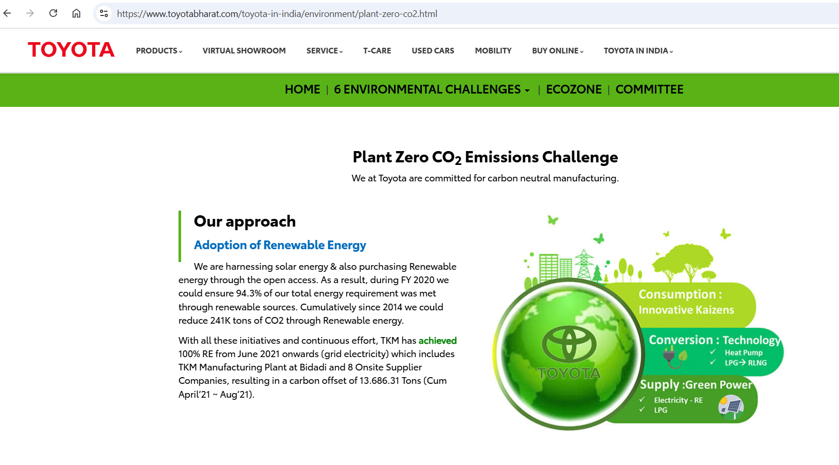
Electricity Consumption (FY 2023-2024)
Month | Total Electricity Consumed (Renewable) | Unit | tCO2 |  |  |  |  | Reference - https://www.toyotabharat.com/toyota-in-india/environment/plant-zero-co2.html
Apr-23 | 86370 | kWh | 62.79 | 0.71 | 61.3227
May-23 | 108860 | kWh | 79.14 | 0.71 | 77.2906
Jun-23 | 114070 | kWh | 82.93 | 0.71 | 80.9897
Jul-23 | 113550 | kWh | 82.55 | 0.71 | 80.6205
Aug-23 | 126170 | kWh | 91.73 | 0.71 | 89.5807
Sep-23 | 115960 | kWh | 84.30 | 0.71 | 82.3316
Oct-23 | 108400 | kWh | 78.81 | 0.71 | 76.964
Nov-23 | 101460 | kWh | 73.76 | 0.71 | 72.0366
Dec-23 | 117700 | kWh | 85.57 | 0.71 | 83.567
Jan-24 | 112030 | kWh | 81.45 | 0.71 | 79.5413
Feb-24 | 103770 | kWh | 75.44 | 0.71 | 73.6767
Mar-24 | 117410 | kWh | 85.36 | 0.71 | 83.3611
Total | 1325750 | kWh | 963.82 |  | 941.2825 | 704.7034 | 941.28
Note: As 100% of the consumed electricity is supplied by TKM and TKM Produces its 100% electricity from renewable sources (solar), the Scope 2 emissions are considered as "zero" |  |  |  |  |  | 236.5791

