Sheet1
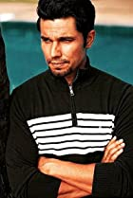 | Randeep Hooda | Neuroticism Conscientiousness Openness
 | Priyanka Chopra | Extraversion Neuroticism Agreeableness Openness
 | Shah Rukh Khan | Extraversion Neuroticism Agreeableness Conscientiousness Openness
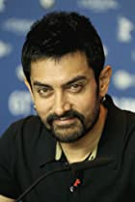 | Aamir Khan | Agreeableness Conscientiousness Openness
 | Karen David | Neuroticism Agreeableness Openness
 | Aishwarya Rai Bachchan | Neuroticism Agreeableness Conscientiousness Openness
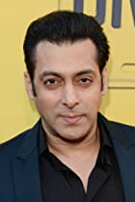 | Salman Khan | Extraversion Openness
 | Hrithik Roshan | Neuroticism Openness
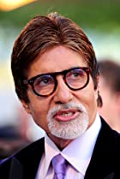 | Amitabh Bachchan | Extraversion Neuroticism Agreeableness Conscientiousness Openness
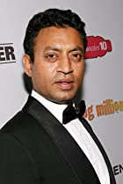 | Irrfan Khan | Extraversion Neuroticism Agreeableness Openness
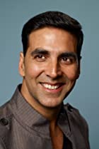 | Akshay Kumar | Extraversion Neuroticism Openness
 | Saif Ali Khan | Extraversion Neuroticism Agreeableness Openness
 | Joseph Vijay | Extraversion Neuroticism Agreeableness Openness
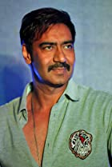 | Ajay Devgn | Neuroticism Agreeableness Conscientiousness Openness
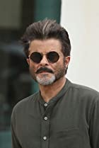 | Anil Kapoor | Neuroticism Openness
 | Mahesh Babu | Neuroticism Openness
 | Anurag Kashyap | Extraversion Neuroticism Agreeableness Conscientiousness Openness
 | Tabu | Extraversion Neuroticism Agreeableness Conscientiousness Openness
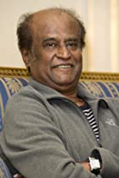 | Rajinikanth | Extraversion Neuroticism Openness
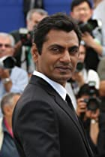 | Nawazuddin Siddiqui | Extraversion Neuroticism Agreeableness Openness
 | Shraddha Kapoor | Extraversion Neuroticism Agreeableness Conscientiousness Openness
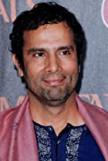 | Tarsem Singh | Extraversion Neuroticism Agreeableness Conscientiousness Openness
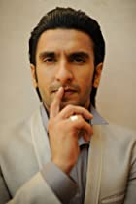 | Ranveer Singh | Neuroticism Agreeableness Openness
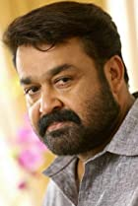 | Mohanlal | Neuroticism Agreeableness Conscientiousness Openness
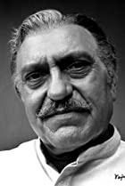 | Amrish Puri | Extraversion Neuroticism Agreeableness Conscientiousness Openness
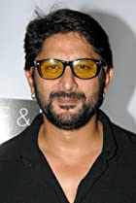 | Arshad Warsi | Neuroticism Conscientiousness Openness
 | Kamal Haasan | Extraversion Neuroticism Conscientiousness Openness
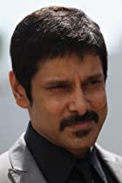 | Vikram | Neuroticism Agreeableness Conscientiousness Openness
 | Madhuri Dixit | Extraversion Neuroticism Agreeableness Conscientiousness Openness
 | Prithviraj Sukumaran | Extraversion Neuroticism Agreeableness Openness
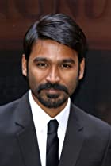 | Dhanush | Neuroticism Agreeableness Conscientiousness Openness
 | Nayanthara | Neuroticism Agreeableness Conscientiousness Openness
 | Tamannaah Bhatia | Extraversion Neuroticism Agreeableness Conscientiousness Openness
 | Anjali Jay | Neuroticism Agreeableness Openness
 | Lara Dutta | Extraversion Neuroticism Openness
 | Vidya Balan | Extraversion Neuroticism Openness
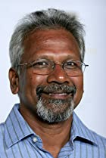 | Mani Ratnam | Neuroticism Agreeableness Conscientiousness Openness
 | Rakul Preet Singh | Extraversion Neuroticism Agreeableness Conscientiousness Openness
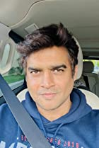 | Madhavan | Neuroticism Conscientiousness Openness
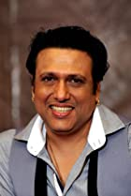 | Govinda | Extraversion Neuroticism Agreeableness Openness
 | Sonam Kapoor | Neuroticism Agreeableness Openness
 | Emraan Hashmi | Neuroticism Agreeableness Openness
 | Dharmendra | Extraversion Neuroticism Agreeableness Conscientiousness Openness
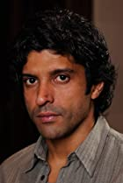 | Farhan Akhtar | Extraversion Neuroticism Openness
 | Sonakshi Sinha | Neuroticism Agreeableness Conscientiousness Openness
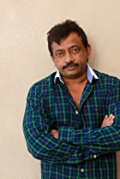 | Ram Gopal Varma | Neuroticism Agreeableness Conscientiousness Openness
 | Asin Thottumkal | Extraversion Neuroticism Conscientiousness Openness
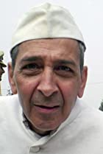 | Roshan Seth | Extraversion Agreeableness Conscientiousness Openness
 | Kalki Koechlin | Extraversion Neuroticism Openness
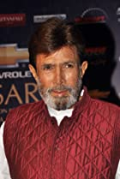 | Rajesh Khanna | Extraversion Neuroticism Agreeableness Conscientiousness Openness
 | Ajith Kumar | Neuroticism Agreeableness Conscientiousness Openness
 | Om Puri | Neuroticism Agreeableness Openness
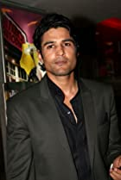 | Rajeev Khandelwal | Neuroticism Agreeableness Openness
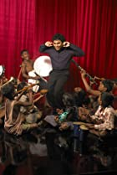 | A.R. Rahman | Extraversion Openness
 | Mira Nair | Extraversion Neuroticism Agreeableness Conscientiousness Openness
 | Sana Khaan | Extraversion Neuroticism Agreeableness Openness
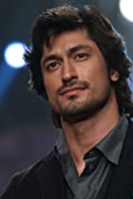 | Vidyut Jammwal | Neuroticism Conscientiousness Openness
 | Sudeep | Neuroticism Agreeableness Openness
 | Chitrangda Singh | Extraversion Neuroticism Agreeableness Openness
 | Amala Paul | Extraversion Neuroticism Agreeableness Conscientiousness Openness
 | Milton Reid | Neuroticism Agreeableness Openness
 | Ameesha Patel | Neuroticism Conscientiousness Openness
 | Rupa Ganguly | Extraversion Neuroticism Agreeableness Conscientiousness Openness
 | Amyra Dastur | Extraversion Neuroticism Agreeableness Conscientiousness Openness
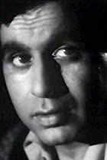 | Dilip Kumar | Extraversion Neuroticism Agreeableness Conscientiousness Openness
 | Urmila Matondkar | Extraversion Neuroticism Agreeableness Openness
 | Ashutosh Rana | Neuroticism Agreeableness Conscientiousness Openness
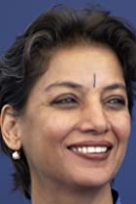 | Shabana Azmi | Conscientiousness Openness
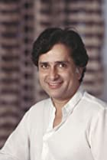 | Shashi Kapoor | Neuroticism Conscientiousness Openness
 | Sushmita Sen | Neuroticism Agreeableness Conscientiousness Openness
 | Rekha | Extraversion Neuroticism Conscientiousness Openness
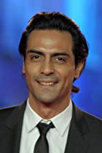 | Arjun Rampal | Extraversion Agreeableness Conscientiousness Openness
 | Zeenat Aman | Extraversion Neuroticism Agreeableness Conscientiousness Openness
 | Anushka Shetty | Extraversion Neuroticism Agreeableness Conscientiousness Openness
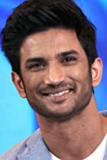 | Sushant Singh Rajput | Neuroticism Agreeableness Openness
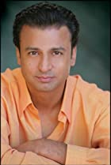 | Shelley Malil | Extraversion Neuroticism Conscientiousness Openness
 | Amrita Rao | Extraversion Neuroticism Agreeableness Openness
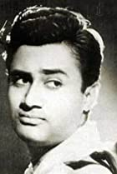 | Dev Anand | Neuroticism Agreeableness Conscientiousness Openness
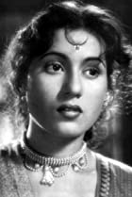 | Madhubala | Neuroticism Agreeableness Conscientiousness Openness
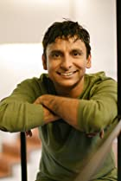 | Inaamulhaq | Extraversion Neuroticism Agreeableness Openness
 | Genelia D'Souza | Extraversion Neuroticism Conscientiousness Openness
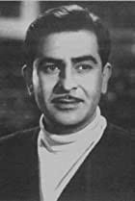 | Raj Kapoor | Extraversion Neuroticism Agreeableness Conscientiousness Openness
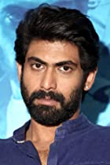 | Rana Daggubati | Neuroticism Openness
 | Rimi Sen | Extraversion Neuroticism Conscientiousness Openness
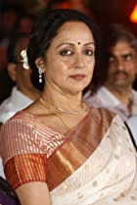 | Hema Malini | Extraversion Neuroticism Conscientiousness Openness
 | Imtiaz Ali | Neuroticism Agreeableness Openness
 | Sanjay Leela Bhansali | Extraversion Neuroticism Agreeableness Conscientiousness Openness
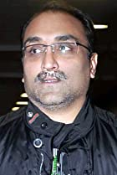 | Aditya Chopra | Extraversion Neuroticism Agreeableness Openness
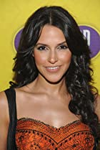 | Neha Dhupia | Extraversion Neuroticism Agreeableness Openness
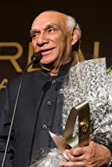 | Yash Chopra | Extraversion Neuroticism Openness
 | Anna Kashfi | Extraversion Agreeableness Conscientiousness Openness
 | Deepti Naval | Neuroticism Agreeableness Conscientiousness Openness
 | Sonali Bendre | Extraversion Openness
 | Prachi Desai | Extraversion Neuroticism Openness
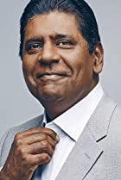 | Vijay Amritraj | Neuroticism Agreeableness Openness
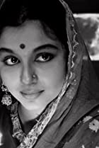 | Sharmila Tagore | Extraversion Neuroticism Conscientiousness Openness
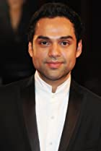 | Abhay Deol | Neuroticism Agreeableness Conscientiousness Openness
 | Riteish Deshmukh | Neuroticism Agreeableness Openness
 | Shaheer Sheikh | Extraversion Neuroticism Agreeableness Openness
 | Gulshan Grover | Extraversion Neuroticism Openness
 | Amrita Singh | Extraversion Neuroticism Agreeableness Openness
 | Shweta Basu Prasad | Extraversion Neuroticism Agreeableness Conscientiousness Openness
 | Divya Dutta | Agreeableness Conscientiousness Openness
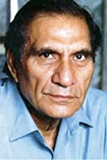 | B.R. Chopra | Extraversion Neuroticism Agreeableness Openness
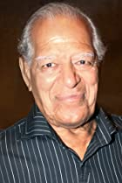 | Dara Singh | Neuroticism Agreeableness Openness
 | Parveen Babi | Extraversion Neuroticism Conscientiousness Openness
 | Bhoomika Chawla | Extraversion Neuroticism Openness
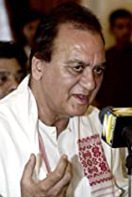 | Sunil Dutt | Neuroticism Agreeableness Openness
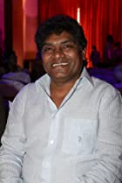 | Johnny Lever | Extraversion Neuroticism Conscientiousness Openness
 | Sherlyn Chopra | Extraversion Neuroticism Agreeableness Openness
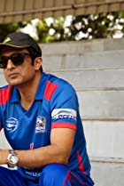 | Sanjay Suri | Extraversion Neuroticism Agreeableness Openness
 | Saeed Jaffrey | Extraversion Neuroticism Openness
 | Pawan Kalyan | Extraversion Neuroticism Openness
 | Deepa Mehta | Extraversion Neuroticism Conscientiousness Openness
 | Uttam Kumar | Neuroticism Agreeableness Conscientiousness Openness
 | Pran | Agreeableness Conscientiousness Openness
 | Ashok Kumar | Extraversion Agreeableness Conscientiousness Openness
 | Hrishikesh Mukherjee | Neuroticism Agreeableness Conscientiousness Openness
 | Tahir Raj Bhasin | Neuroticism Agreeableness Conscientiousness Openness
 | Soha Ali Khan | Extraversion Neuroticism Conscientiousness Openness
 | Saroo Brierley | Neuroticism Agreeableness Conscientiousness Openness
 | Shatrughan Sinha | Extraversion Neuroticism Openness
 | Tom Alter | Extraversion Neuroticism Openness
 | Kishore Kumar | Extraversion Neuroticism Conscientiousness Openness
 | Gauri Khan | Neuroticism Agreeableness Conscientiousness Openness
 | Gulzar | Extraversion Neuroticism Agreeableness Openness
 | Isha Koppikar | Extraversion Neuroticism Openness
 | Guru Dutt | Extraversion Agreeableness Conscientiousness Openness
 | Nassar | Extraversion Neuroticism Agreeableness Conscientiousness Openness
 | Subhash Ghai | Agreeableness Openness
 | A.J. Khan | Extraversion Neuroticism Agreeableness Openness
 | Kapil Sharma | Extraversion Neuroticism Openness
 | Ayesha Jhulka | Extraversion Neuroticism Conscientiousness Openness
 | Arjan Bajwa | Extraversion Neuroticism Agreeableness Conscientiousness Openness
 | Celina Jaitly | Neuroticism Agreeableness Conscientiousness Openness
 | Divya Bharti | Extraversion Neuroticism Agreeableness Openness
 | Zohra Sehgal | Extraversion Neuroticism Agreeableness Openness
 | Hrishitaa Bhatt | Extraversion Neuroticism Openness
 | Tusshar Kapoor | Neuroticism Agreeableness Openness
 | Victor Banerjee | Extraversion Neuroticism Agreeableness Conscientiousness Openness
 | Angad Bedi | Extraversion Neuroticism Openness
 | Rati Agnihotri | Neuroticism Agreeableness Conscientiousness Openness
 | Nargis | Extraversion Neuroticism Conscientiousness Openness
 | Namrata Singh Gujral | Neuroticism Agreeableness Conscientiousness Openness
 | Sarika | Extraversion Neuroticism Agreeableness Conscientiousness Openness
 | Preeti Jhangiani | Extraversion Neuroticism Agreeableness Openness
 | Shreya Ghoshal | Extraversion Neuroticism Conscientiousness Openness
 | Meenakshi Sheshadri | Extraversion Neuroticism Agreeableness Openness
 | Shamita Shetty | Extraversion Neuroticism Agreeableness Openness
 | Aparna Sen | Neuroticism Conscientiousness Openness
 | Ekta Kapoor | Neuroticism Openness
 | Sajid Nadiadwala | Neuroticism Agreeableness Conscientiousness Openness
 | Karishma Tanna | Extraversion Neuroticism Agreeableness Conscientiousness Openness
 | Diana Penty | Extraversion Neuroticism Agreeableness Openness
 | Jiiva | Extraversion Neuroticism Agreeableness Openness
 | Bindiya Goswami | Neuroticism Agreeableness Conscientiousness Openness
 | Farooq Shaikh | Neuroticism Agreeableness Openness
 | Tinnu Anand | Extraversion Neuroticism Agreeableness Conscientiousness Openness
 | Ashok Saraf | Neuroticism Agreeableness Openness
 | Krishna D.K. | Extraversion Neuroticism Openness
 | Poonam Dhillon | Extraversion Neuroticism Conscientiousness Openness
 | Rajesh Vivek | Extraversion Neuroticism Agreeableness Conscientiousness Openness
 | Mohandas K. Gandhi | Extraversion Neuroticism Agreeableness Conscientiousness Openness
 | Sangeeta Bijlani | Neuroticism Openness
 | Debashree Roy | Extraversion Neuroticism Openness
 | Mohan Babu | Extraversion Neuroticism Agreeableness Openness
 | Gungun Uprari | Extraversion Neuroticism Openness
 | Mandakini | Neuroticism Openness
 | Aarti Chhabria | Extraversion Neuroticism Openness
 | Jayasudha | Extraversion Neuroticism Agreeableness Openness
 | Deepa Sahi | Extraversion Conscientiousness Openness
 | Sidharth Shukla | Agreeableness Openness
 | P. Padmarajan | Extraversion Neuroticism Openness
 | Sharat Saxena | Neuroticism Agreeableness Openness
 | Jagathi Sreekumar | Neuroticism Agreeableness Conscientiousness Openness
 | Sonu Walia | Neuroticism Agreeableness Conscientiousness Openness
 | A.K. Hangal | Extraversion Neuroticism Agreeableness Openness
 | Vikram Gokhale | Extraversion Agreeableness Openness
 | Isha Sharvani | Neuroticism Conscientiousness Openness
 | Mrinal Sen | Extraversion Neuroticism Openness
 | Iqbal Khan | Extraversion Neuroticism Conscientiousness Openness
 | Reena Roy | Neuroticism Openness
 | Prakash Mehra | Neuroticism Openness
 | Mita Vasisht | Extraversion Neuroticism Agreeableness Conscientiousness Openness
 | Aamna Sharif | Extraversion Neuroticism Agreeableness Conscientiousness Openness
 | Pooja Bedi | Extraversion Neuroticism Agreeableness Conscientiousness Openness
 | Renuka Shahane | Extraversion Neuroticism Agreeableness Openness
 | Ravi Shankar | Extraversion Neuroticism Agreeableness Conscientiousness Openness
 | Priyanka Kothari | Extraversion Neuroticism Agreeableness Conscientiousness Openness
 | Bharathiraja | Extraversion Neuroticism Agreeableness Openness
 | Sachin Tendulkar | Agreeableness Openness
 | Nasir Hussain | Agreeableness Openness
 | Anita Hassanandani Reddy | Extraversion Neuroticism Agreeableness Conscientiousness Openness
 | Monica Bedi | Extraversion Neuroticism Agreeableness Conscientiousness Openness
 | Gemini Ganesan | Neuroticism Agreeableness Conscientiousness Openness
 | Tanushree Dutta | Extraversion Neuroticism Agreeableness Conscientiousness
 | Lakshmi | Extraversion Neuroticism Agreeableness Openness
 | Sonam | Extraversion Neuroticism Agreeableness Openness
 | David Abraham | Neuroticism Conscientiousness Openness
 | Ramesh Deo | Extraversion Neuroticism Conscientiousness Openness
 | Mahendra Kapoor | Extraversion Neuroticism Conscientiousness Openness
 | Adoor Gopalakrishnan | Extraversion Neuroticism Conscientiousness Openness
 | Jaya Prada | Extraversion Neuroticism Agreeableness Openness
 | Bimal Roy | Neuroticism Agreeableness Conscientiousness Openness
 | Mayuri Kango | Extraversion Neuroticism Agreeableness Conscientiousness Openness
 | Anirudh Agarwal | Extraversion Neuroticism Openness
 | Manorama | Extraversion Neuroticism Openness
 | Anurag Sinha | Neuroticism Agreeableness Conscientiousness Openness
 | Rajeshwari Sachdev | Extraversion Neuroticism Agreeableness Openness
 | Raqesh Bapat | Neuroticism Agreeableness Conscientiousness Openness
 | Rudyard Kipling | Extraversion Neuroticism Agreeableness Openness
 | Asha Bhosle | Extraversion Agreeableness Conscientiousness Openness
 | Rehman | Neuroticism Agreeableness Conscientiousness Openness
 | Kratika Sengar | Extraversion Neuroticism Openness
 | Vaibhav Tatwawaadi | Extraversion Neuroticism
 | Sumona Chakravarti | Extraversion Neuroticism Conscientiousness Openness
 | Vyjayanthimala | Neuroticism Openness
 | Neha Chowdhury | Extraversion Neuroticism Conscientiousness Openness
 | Raai Laxmi | Extraversion Neuroticism Openness
 | Smriti Malhotra-Irani | Extraversion Neuroticism Agreeableness Openness
 | Nadeem Baig | Extraversion Neuroticism Openness
 | Vanisri | Extraversion Neuroticism Openness
 | Ilaiyaraaja | Extraversion Agreeableness Conscientiousness Openness
 | Sumanth | Neuroticism Agreeableness Openness
 | Jagjit Singh | Extraversion Conscientiousness Openness
 | Meiyang Chang | Extraversion Neuroticism Agreeableness Conscientiousness Openness
 | Harindranath Chattopadhyay | Extraversion Neuroticism Agreeableness Openness
 | Aditi Govitrikar | Extraversion Neuroticism Agreeableness Openness
 | Pramod Moutho | Neuroticism Openness
 | Babita Kapoor | Neuroticism Conscientiousness Openness
 | Sunidhi Chauhan | Extraversion Neuroticism Openness
 | Thilakan | Neuroticism Agreeableness Conscientiousness Openness
 | Yash Dasgupta | Extraversion Neuroticism Agreeableness Conscientiousness Openness
 | Rocky Verma | Extraversion Neuroticism Openness
 | Roopashree Jeevaji | Extraversion Neuroticism Agreeableness Openness
 | Sheela | Neuroticism Openness
 | Megha Gupta | Extraversion Neuroticism Agreeableness Conscientiousness Openness
 | Benjamin Gilani | Extraversion Neuroticism Agreeableness Conscientiousness Openness
 | John Edathattil | Extraversion Agreeableness Openness
 | Jawaharlal Nehru | Extraversion Neuroticism Agreeableness Conscientiousness Openness
 | Sai Paranjape | Extraversion Neuroticism Conscientiousness Openness
 | Lata Mangeshkar | Extraversion Neuroticism Openness
 | Johnny Walker | Extraversion Agreeableness Conscientiousness Openness
 | Bappi Lahiri | Extraversion Neuroticism Agreeableness Conscientiousness Openness
 | Ram Gopal Bajaj | Extraversion Neuroticism Agreeableness Openness
 | Shaji N. Karun | Extraversion Neuroticism Agreeableness Openness
 | Zubeen Garg | Neuroticism Agreeableness Openness
 | Perizaad Zorabian | Neuroticism Agreeableness Conscientiousness Openness
 | Naushad | Extraversion Neuroticism Openness
 | Mamta Kaash | Neuroticism Agreeableness Conscientiousness Openness
 | Rahat Kazmi | Extraversion Neuroticism Conscientiousness Openness
 | Shazia Iqbal | Neuroticism Agreeableness Conscientiousness Openness
 | Majrooh Sultanpuri | Extraversion Neuroticism Openness
 | B.R. Ishara | Neuroticism Agreeableness Openness
 | Dev Benegal | Neuroticism Conscientiousness Openness
 | Maharishi Mahesh Yogi | Extraversion Neuroticism Agreeableness Conscientiousness Openness
 | Daler Mehndi | Extraversion Neuroticism Openness
 | Abhishekh Khan | Neuroticism Agreeableness Conscientiousness Openness
 | Sarita Joshi | Conscientiousness Openness
 | D. Rama Naidu | Neuroticism Agreeableness Conscientiousness Openness
 | Geeta Dutt | Extraversion Neuroticism Agreeableness Conscientiousness Openness
 | Reeth Mazumder | Extraversion Neuroticism Agreeableness Conscientiousness Openness
 | Madhu Mantena Varma | Extraversion Neuroticism Agreeableness Conscientiousness Openness
 | Dhundiraj Govind Phalke | Extraversion Neuroticism Openness
 | Kahlil Joseph | Neuroticism Agreeableness Conscientiousness Openness
 | Sahir Ludhianvi | Extraversion Agreeableness Openness
 | Arko Pravo Mukherjee | Extraversion Neuroticism Agreeableness Openness
 | Aditi Singh | Neuroticism Conscientiousness Openness
 | Lalita Ahmed | Extraversion Neuroticism Agreeableness Openness
 | Sania Mirza | Extraversion Neuroticism Agreeableness Openness
 | Shweta Shetty | Extraversion Agreeableness Openness
 | Pradeep Pandey | Neuroticism Agreeableness Openness
 | Faisal Saif | Extraversion Neuroticism Agreeableness Conscientiousness Openness
 | Hemen Gupta | Extraversion Neuroticism Agreeableness Conscientiousness Openness
 | A.C. Trilogchander | Extraversion Neuroticism Openness
 | Satarupa Sanyal | Extraversion Neuroticism Openness
 | Birsa Dasgupta | Extraversion Neuroticism Agreeableness Conscientiousness Openness
 | Vishnudeva | Extraversion Neuroticism
 | Kamalakara Kameshwara Rao | Neuroticism Agreeableness Conscientiousness Openness
 | Jamuna | Neuroticism Agreeableness Openness
 | Prem Khan | Neuroticism Conscientiousness Openness
 | Indira Gandhi | Neuroticism Agreeableness Openness
 | Rahul Gandhi | Neuroticism Agreeableness Conscientiousness Openness
 | Rizwann Sikander | Neuroticism Agreeableness Openness
 | G.K. Pillai | Extraversion Neuroticism Openness
 | Harivansh Rai Bachchan | Neuroticism Agreeableness Conscientiousness Openness
 | Anjori Alagh | Neuroticism Conscientiousness Openness
 | Tom George | Extraversion Neuroticism Agreeableness Conscientiousness Openness
 | Mike Hoare | Extraversion Neuroticism Openness
 | Rahul Aggarwal | Neuroticism Agreeableness Conscientiousness Openness
 | Samarth Narain | Neuroticism Agreeableness Conscientiousness Openness
 | Gopimohan | Extraversion Neuroticism Agreeableness Conscientiousness Openness
 | Mithun Purandare | Extraversion Neuroticism Agreeableness Conscientiousness Openness
 | Yash Gawli | Extraversion Agreeableness Conscientiousness Openness
 | Govindini Murty | Extraversion Neuroticism Openness
 | Kranti Kanadé | Extraversion Neuroticism Conscientiousness Openness
 | Arun K. Vir | Agreeableness Openness
 | Niranjan Pal | Extraversion Neuroticism Agreeableness Conscientiousness Openness
 | Rajkumar Patra | Extraversion Neuroticism Agreeableness Conscientiousness Openness
 | Rajiv Gandhi | Neuroticism Openness
 | Sam Ghosh | Extraversion Neuroticism Agreeableness Conscientiousness Openness
 | Rajiv Jain | Neuroticism Agreeableness Conscientiousness Openness
 | Bobby Kumar | Extraversion Neuroticism Openness
 | Sathya Sai Baba | Neuroticism Agreeableness Openness
 | Gautam Chattopadhyay | Extraversion Neuroticism Agreeableness Openness
 | Vinodini | Extraversion Neuroticism Agreeableness Openness
 | Ashish Rudhra | Extraversion Neuroticism Agreeableness Openness
 | Anjan Das | Agreeableness Openness
 | Vikky Varun | Neuroticism Agreeableness Conscientiousness Openness
 | Prashast Singh | Neuroticism
 | Tiger Jeet Singh | Extraversion Agreeableness Openness
 | Dev Agarwal | Neuroticism Agreeableness Conscientiousness Openness
 | Shillpi Sharma | Extraversion Neuroticism Agreeableness Openness
 | Chitrapu Narayana Rao | Neuroticism Agreeableness Conscientiousness Openness
 | Pavan Kumar N R | Extraversion Neuroticism Conscientiousness Openness
 | Akansha Khanna | Extraversion Neuroticism Conscientiousness Openness
 | Ravi Valleti | Extraversion Neuroticism Openness
 | Ramesh Auti | Neuroticism Agreeableness Conscientiousness Openness
 | Manuj Kathuria | Neuroticism Agreeableness Conscientiousness Openness
 | Babu Solomon R. | Extraversion Neuroticism Openness
 | Tiya Gandwani | Extraversion Neuroticism Agreeableness Conscientiousness Openness
 | Shiv Dayal Batish | Extraversion Neuroticism Openness
 | Aakash Ghoshal | Extraversion Neuroticism Agreeableness Conscientiousness Openness
 | Aditi Sengupta | Neuroticism Openness
 | Tushar Unadkat | Extraversion Neuroticism Openness
 | John Frost | Extraversion Neuroticism Agreeableness Conscientiousness Openness
 | Asha Posley | Extraversion Neuroticism Agreeableness Conscientiousness Openness
 | Aroop Dwivedi | Extraversion Neuroticism Agreeableness Conscientiousness Openness
 | Sukracharyya Ghosh | Neuroticism Agreeableness Conscientiousness Openness
 | Chitra Ramanathan | Extraversion Neuroticism Agreeableness Conscientiousness Openness
 | Deepak Vinayak | Extraversion Neuroticism Agreeableness Openness
 | Arnie | Extraversion Neuroticism Agreeableness Openness

