Top Clubs
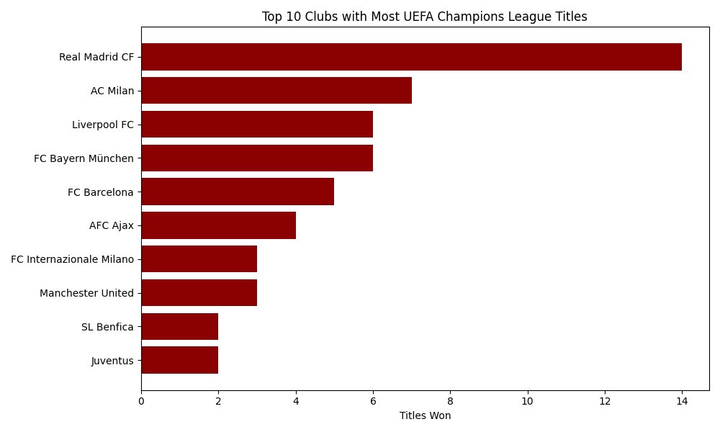
Position | Club | Country | Participated | Titles | Played | Win | Draw | Loss | Goals For | Goals Against | Pts | Goal Diff
1 | Real Madrid CF | ESP | 53 | 14 | 476 | 285 | 81 | 110 | 1047 | 521 | 651 | 526
7 | AC Milan | ITA | 30 | 7 | 267 | 131 | 68 | 68 | 437 | 251 | 330 | 186
6 | Liverpool FC | ENG | 27 | 6 | 248 | 142 | 50 | 56 | 472 | 228 | 334 | 244
2 | FC Bayern München | GER | 39 | 6 | 382 | 229 | 76 | 77 | 804 | 373 | 534 | 431
3 | FC Barcelona | ESP | 33 | 5 | 339 | 197 | 76 | 66 | 667 | 343 | 470 | 324
10 | AFC Ajax | NED | 39 | 4 | 247 | 112 | 64 | 71 | 396 | 282 | 288 | 114
13 | FC Internazionale Milano | ITA | 24 | 3 | 205 | 98 | 54 | 53 | 290 | 204 | 250 | 86
4 | Manchester United | ENG | 30 | 3 | 293 | 160 | 69 | 64 | 533 | 284 | 389 | 249
8 | SL Benfica | POR | 42 | 2 | 287 | 130 | 67 | 90 | 475 | 334 | 327 | 141
5 | Juventus | ITA | 37 | 2 | 301 | 153 | 70 | 78 | 479 | 301 | 376 | 178

Country Titles
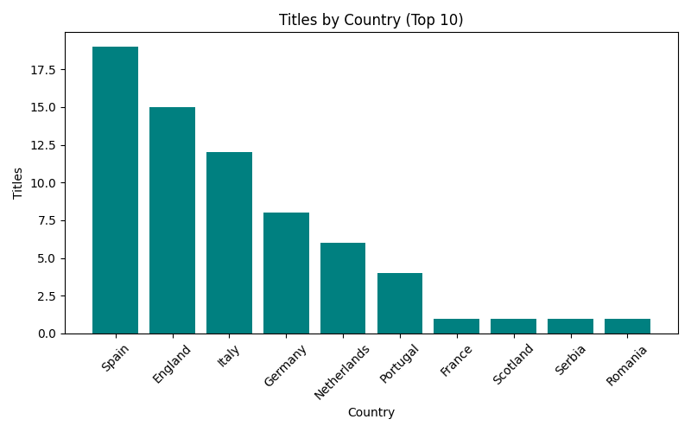
Unnamed: 0 | Country | Participated | Titles | Played | Win | Draw | Loss | Goals For | Goals Against | Pts | Goal Diff
1 | Spain | 152 | 19 | 1379 | 717 | 313 | 349 | 2476 | 1492 | 1747 | 984
2 | England | 140 | 15 | 1278 | 676 | 280 | 322 | 2289 | 1299 | 1632 | 990
4 | Italy | 142 | 12 | 1127 | 528 | 285 | 314 | 1731 | 1219 | 1341 | 512
3 | Germany | 171 | 8 | 1216 | 573 | 250 | 393 | 2128 | 1589 | 1396 | 539
7 | Netherlands | 99 | 6 | 577 | 228 | 147 | 202 | 864 | 723 | 603 | 141
6 | Portugal | 109 | 4 | 708 | 296 | 161 | 251 | 1064 | 889 | 753 | 175
5 | France | 118 | 1 | 810 | 337 | 178 | 295 | 1214 | 1003 | 852 | 211
8 | Scotland | 80 | 1 | 443 | 186 | 89 | 168 | 648 | 582 | 461 | 66
17 | Serbia | 53 | 1 | 269 | 118 | 59 | 92 | 454 | 351 | 295 | 103
18 | Romania | 74 | 1 | 321 | 106 | 78 | 137 | 417 | 473 | 290 | -56

Top Scorers
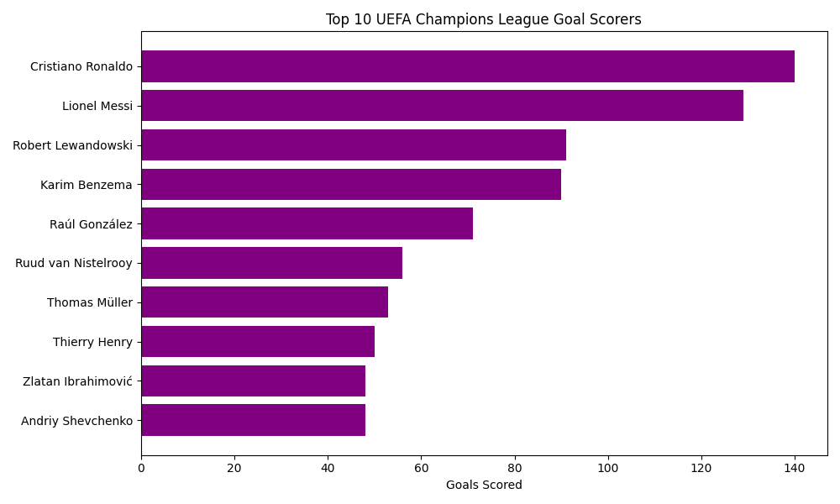
Unnamed: 0 | Player | Goals
0 | Cristiano Ronaldo | 140
1 | Lionel Messi | 129
2 | Robert Lewandowski | 91
3 | Karim Benzema | 90
4 | Raúl González | 71
5 | Ruud van Nistelrooy | 56
6 | Thomas Müller | 53
7 | Thierry Henry | 50
8 | Zlatan Ibrahimović | 48
9 | Andriy Shevchenko | 48

Club Win %
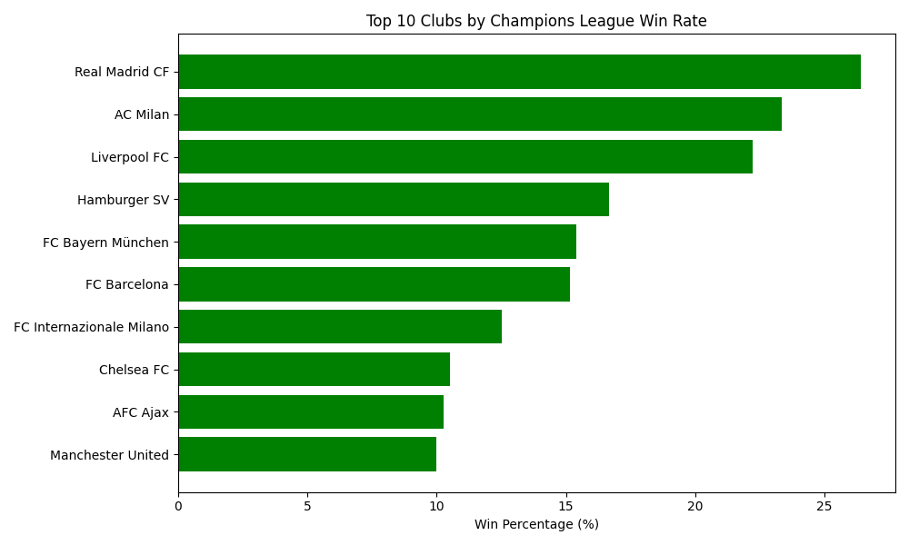
Position | Club | Country | Participated | Titles | Played | Win | Draw | Loss | Goals For | Goals Against | Pts | Goal Diff | WinPercent
1 | Real Madrid CF | ESP | 53 | 14 | 476 | 285 | 81 | 110 | 1047 | 521 | 651 | 526 | 26.41509434
7 | AC Milan | ITA | 30 | 7 | 267 | 131 | 68 | 68 | 437 | 251 | 330 | 186 | 23.333333333
6 | Liverpool FC | ENG | 27 | 6 | 248 | 142 | 50 | 56 | 472 | 228 | 334 | 244 | 22.222222222
81 | Hamburger SV | GER | 6 | 1 | 43 | 19 | 9 | 15 | 72 | 56 | 47 | 16 | 16.666666667
2 | FC Bayern München | GER | 39 | 6 | 382 | 229 | 76 | 77 | 804 | 373 | 534 | 431 | 15.384615385
3 | FC Barcelona | ESP | 33 | 5 | 339 | 197 | 76 | 66 | 667 | 343 | 470 | 324 | 15.151515152
13 | FC Internazionale Milano | ITA | 24 | 3 | 205 | 98 | 54 | 53 | 290 | 204 | 250 | 86 | 12.5
12 | Chelsea FC | ENG | 19 | 2 | 201 | 104 | 53 | 44 | 342 | 181 | 261 | 161 | 10.526315789
10 | AFC Ajax | NED | 39 | 4 | 247 | 112 | 64 | 71 | 396 | 282 | 288 | 114 | 10.256410256
4 | Manchester United | ENG | 30 | 3 | 293 | 160 | 69 | 64 | 533 | 284 | 389 | 249 | 10

Top Coaches
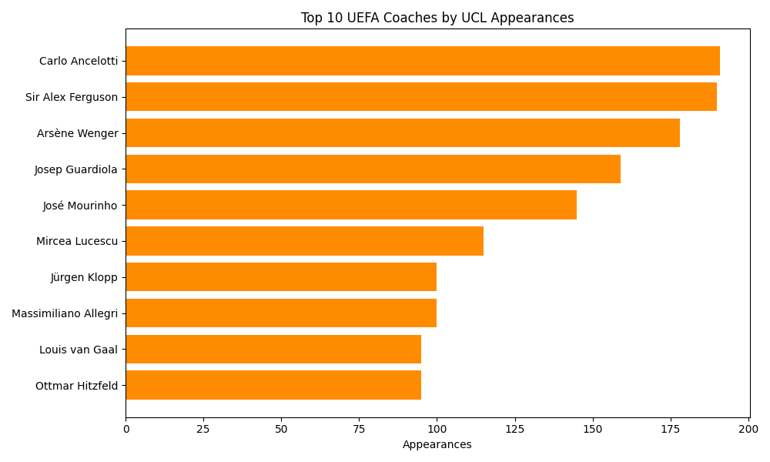
Unnamed: 0 | Coach | Appearance
0 | Carlo Ancelotti | 191
1 | Sir Alex Ferguson | 190
2 | Arsène Wenger | 178
3 | Josep Guardiola | 159
4 | José Mourinho | 145
5 | Mircea Lucescu | 115
6 | Jürgen Klopp | 100
7 | Massimiliano Allegri | 100
8 | Louis van Gaal | 95
9 | Ottmar Hitzfeld | 95

Player Goals
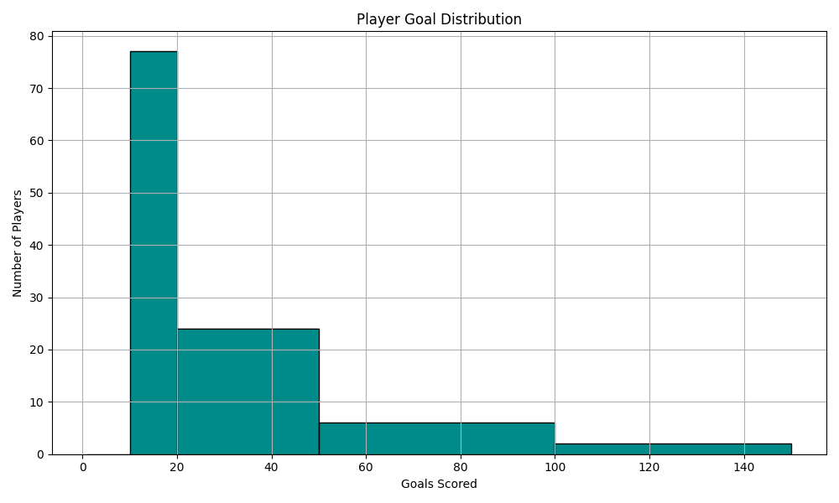
Unnamed: 0 | Player | Goals
0 | Cristiano Ronaldo | 140
1 | Lionel Messi | 129
2 | Robert Lewandowski | 91
3 | Karim Benzema | 90
4 | Raúl González | 71
5 | Ruud van Nistelrooy | 56
6 | Thomas Müller | 53
7 | Thierry Henry | 50
8 | Zlatan Ibrahimović | 48
9 | Andriy Shevchenko | 48
10 | Filippo Inzaghi | 46
11 | Didier Drogba | 44
12 | Mohamed Salah | 44
13 | Neymar | 43
14 | Alessandro Del Piero | 42
15 | Sergio Agüero | 41
16 | Kylian Mbappé | 40
17 | Edinson Cavani | 35
18 | Erling Haaland | 35
19 | Fernando Morientes | 33
20 | Arjen Robben | 31
21 | Samuel Eto’o | 30
22 | Antoine Griezmann | 30
23 | Kaká | 30
24 | Wayne Rooney | 30
25 | Edin Džeko | 29
26 | Patrick Kluivert | 29
27 | Roy Makaay | 29
28 | David Trezeguet | 29
29 | Ryan Giggs | 28
30 | Rivaldo | 27
31 | Sadio Mané | 27
32 | Lisandro | 19
33 | Luis Enrique | 19
34 | Ole Gunnar Solskjær | 19
35 | Heung-Min Son | 19
36 | Willian | 18
37 | John Carew | 18
38 | Andy Cole | 18
39 | Ronaldinho | 18
40 | Paulo Dybala | 18
41 | Lucho González | 18
42 | Romelu Lukaku | 18
43 | Juninho Pernambucano | 18
44 | Franck Ribéry | 18
45 | Javier Saviola | 18
46 | Pierre-Emerick Aubameyang | 17
47 | Francesco Totti | 17
48 | Hulk | 17
49 | Timo Werner | 17
50 | Michael Ballack | 16
51 | David Beckham | 16
52 | Roberto Carlos | 16
53 | Guti | 16
54 | Dries Mertens | 16
55 | Gerard Piqué | 16
56 | Pedro Rodríguez | 16
57 | Roberto Soldado | 16
58 | Vinícius Júnior | 15
59 | Seydou Doumbia | 15
60 | Iván Helguera | 15
61 | Simone Inzaghi | 15
62 | Pavel Nedvěd | 15
63 | Sergio Ramos | 15
64 | Alexis Sánchez | 15
65 | Rodrygo | 15
66 | Diego Tristán | 15
67 | Arturo Vidal | 15
68 | Theo Walcott | 15
69 | Sylvain Wiltord | 15
70 | Vincent Aboubakar | 14
71 | Kingsley Coman | 14
72 | Kevin De Bruyne | 14
73 | Serge Gnabry | 14
74 | Javier Hernández | 14
75 | Klaas Jan Huntelaar | 14
76 | Miroslav Klose | 14
77 | Adriano | 14
78 | Kostas Mitroglou | 14
79 | Bernardo Silva | 14
80 | Ronaldo | 14
81 | Robert Pirès | 14
82 | David Villa | 14
83 | Zinédine Zidane | 14
84 | Dimitar Berbatov | 13
85 | Peter Crouch | 13
86 | Sonny Anderson | 13
87 | Deco | 13
88 | Carsten Jancker | 13
89 | Jan Koller | 13
90 | Fredrik Ljungberg | 13
91 | Jackson Martínez | 13
92 | Lukas Podolski | 13
93 | Hakan Şükür | 13
94 | Carlos Tévez | 13
95 | Burak Yılmaz | 13
96 | Dani Alves | 12
97 | Marco Asensio | 12
98 | Philippe Coutinho | 12
99 | Radamel Falcao | 12
100 | Mario Götze | 12
101 | Roy Keane | 12
102 | Walter Pandiani | 12
103 | Marcus Rashford | 12
104 | Mehmet Scholl | 12
105 | Bastian Schweinsteiger | 12
106 | Paulo Sérgio | 12
107 | Giovanni | 12
108 | Wesley Sneijder | 12

