reference
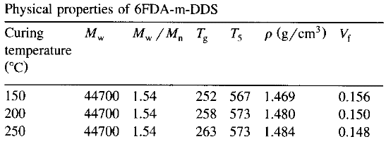
Reference | 1~100
NO. | DOI
1 | https://doi.org/10.1016/j.progpolymsci.2007.01.007
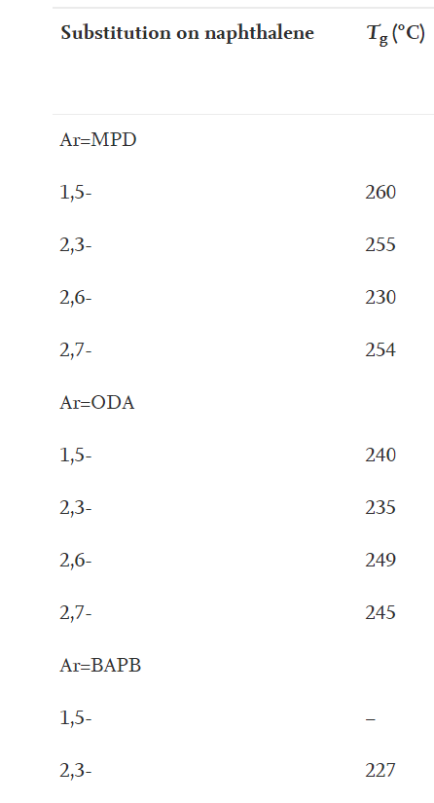

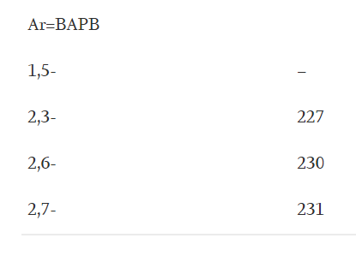

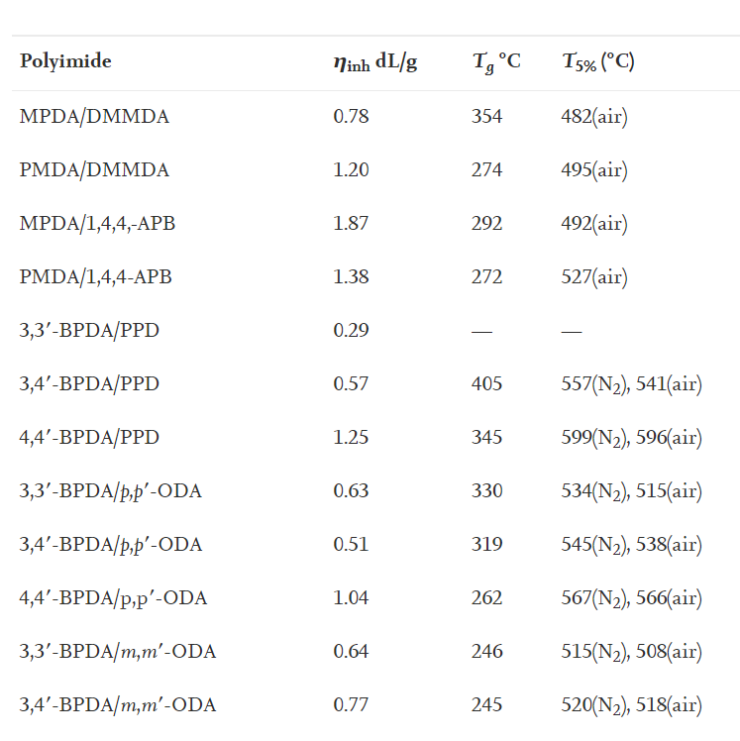

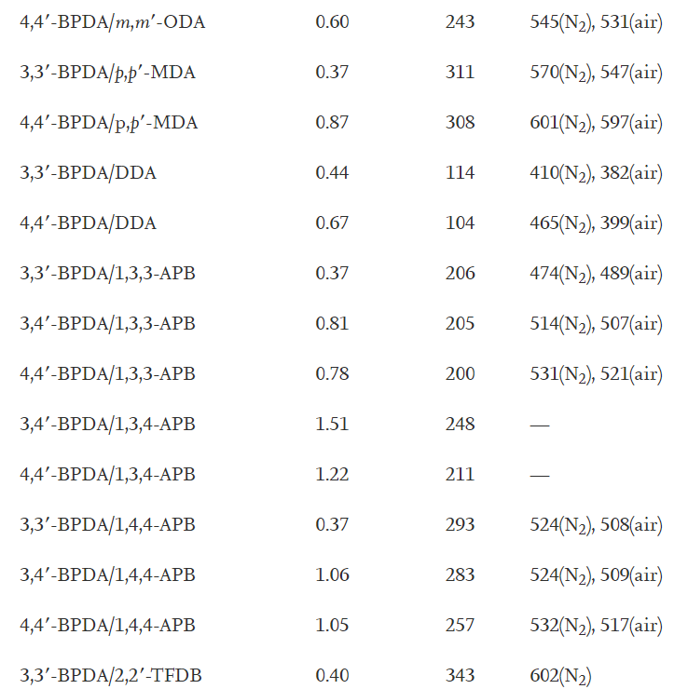

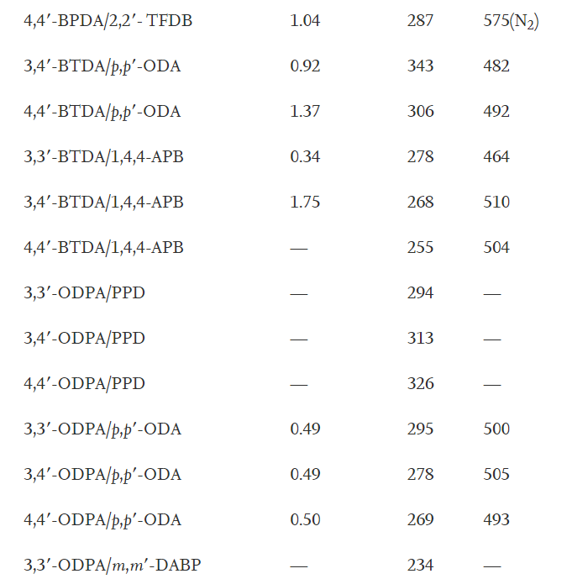

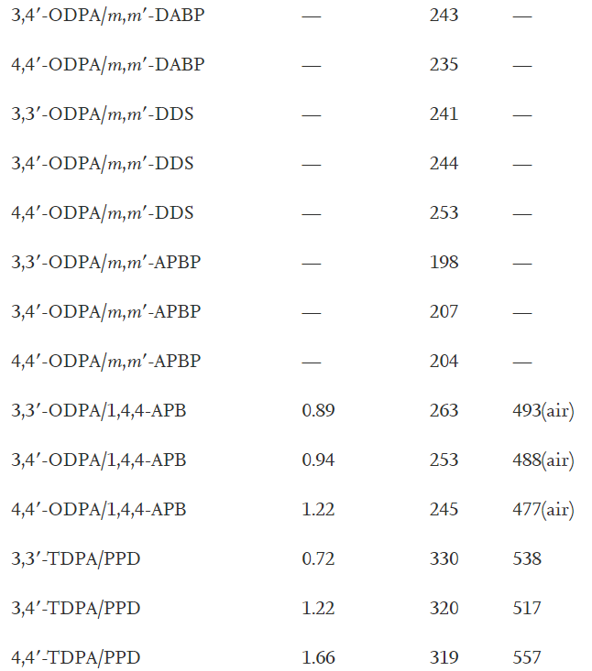

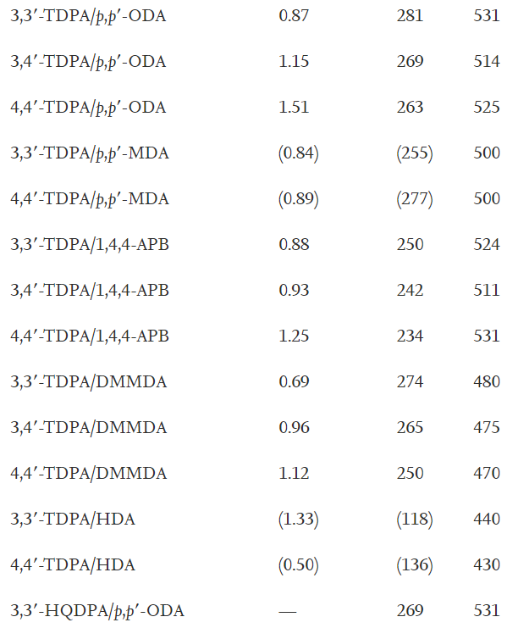

2 | https://doi.org/10.1016/S0040-6031(00)00698-5
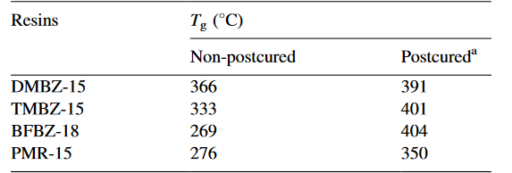

3 | https://doi.org/10.1021/ja00152a008

4 | https://doi.org/10.1016/0032-3861(92)90736-G

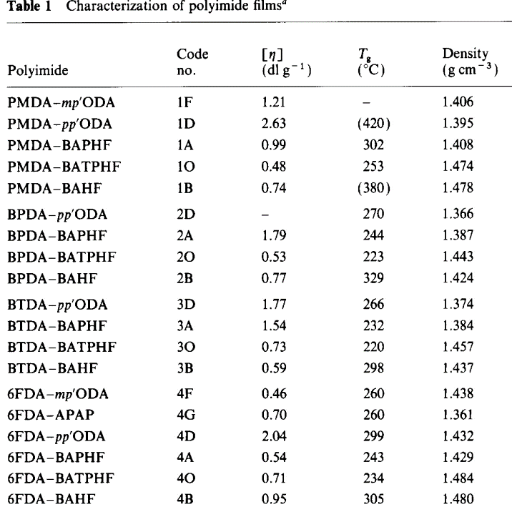

5 | https://doi.org/10.1016/S0079-6700(00)00042-3

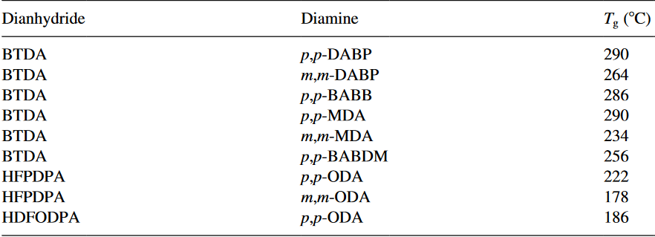

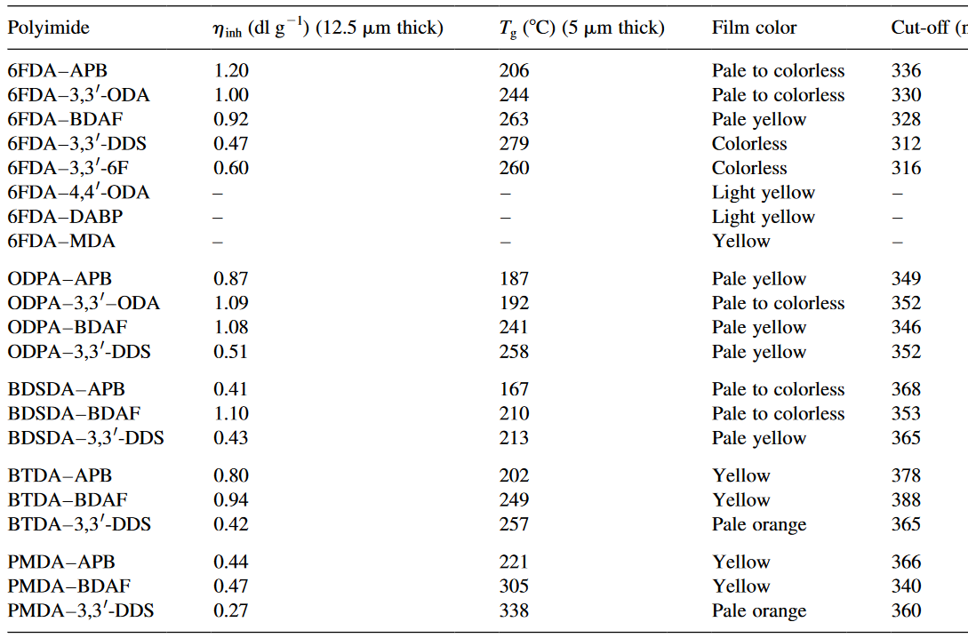

6 | https://doi.org/10.1021/ma00091a028

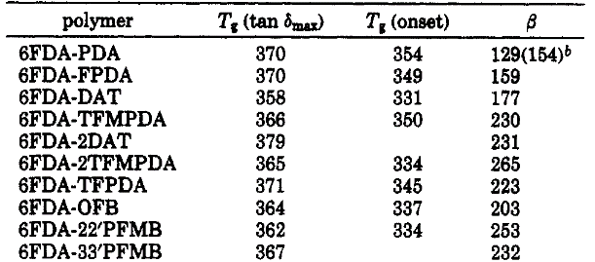

7 | https://doi.org/10.1016/0376-7388(96)00115-9

data
Polyimide structure and performance data
NO. | polyimide |  | Tg/℃ | λcutoff/nm | reference (please fill in, thank you) | Remark | Other properties
 | Diamine | Dianhydride |  |  | "paper doi number"or "original URL" or "book name + page number"
1.1 |  |  |  |  |  |  | CTE、Td、Tensile modulus (Gpa) etc.
 |  |  |  |  | https://doi.org/10.1016/j.progpolymsci.2019.01.004
 |  |  | 354

 |  |  |  |  | doi:10.1016/j.progpolymsci.2007.01.007
1.2

 |  |  | 274

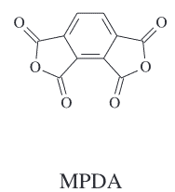
1.3 |  |  | 292

1.4 |  |  | 272

1.5 |  |  | none

 |  |  | 405

1.6

 |  |  | 345
1.7

1.8 |  |  | 330 |  | 44画图横着

1.9

 |  |  | 319

1.10
 |  |  | 262

1.11

 |  |  | 246

1.12

 |  |  | 245

1.13

 |  |  | 243

1.14
 |  |  | 311

1.15
 |  |  | 308

1.16 |  |  |  |  | 55排
 |  | DDA | 114

1.17
 |  |  | 104
 |  | DDA

1.18
 |  |  | 206

1.19
 |  |  | 205

1.20
 |  |  | 200

1.21
 |  |  | 248

1.22 |  |  | 211

1.23
 |  |  | 293

1.24

 |  |  | 283

1.25
 |  |  | 257

1.26
 |  |  | 343

1.27
 |  |  | 287

1.28
 |  |  |  |  | 96排
 |  |  | 343

1.29
 |  |  | 306

1.30
 |  |  | 278

1.31 |  |  | 268

1.32 |  |  | 255

1.33 |  |  |  |  | 12排
 |  |  | 326

1.34
 |  |  | 295

1.35 |  |  | 278

1.36 |  |  |  |  | 22排

 |  |  | 293

1.37 |  |  |  |  |  | 重复删除
 |  |  | 383

1.38 |  |  | 257

1.39 |  |  | 343

1.40 |  |  | 287

1.41
 |  |  | 343

1.42 |  |  | 306

1.43
 |  |  | 278

1.44
 |  |  | 268

1.45 |  |  | 255

1.46 |  |  | 294

1.47
 |  |  | 313

1.48
 |  |  | 326

1.49
 |  |  | 295

1.50
 |  |  | 278

1.51
 |  |  | 269

1.52
 |  |  | 234 |  | 77排

1.53
 |  |  | 243

1.54
 |  |  | 253

1.55

 |  |  | 241

1.56
 |  |  | 244

1.57 |  |  | 253

1.58 |  |  | 198 |  | 97排

1.59
 |  |  | 207

1.60 |  |  | 204

1.61 |  |  | 263

1.62
 |  |  | 253

1.63 |  |  | 245

1.64

 |  |  | 330

1.65
 |  |  | 320

1.66
 |  |  | 319

1.67

 |  |  | 281

1.68
 |  |  | 269

1.69
 |  |  | 263

1.70
 |  |  | 255

1.71
 |  |  | 500

1.72 |  |  | 524

1.73 |  |  | 511

1.74
 |  |  | 531

1.75

 |  |  | 480

1.76

 |  |  | 475

1.77

 |  |  | 470

1.78

 |  |  | 440

1.79

 |  |  | 430
1.80

 |  |  | 531

1.81
 |  |  | 536 |  | https://doi.org/10.1016/j.progpolymsci.2019.01.004

2 |  |  |  |  | https://doi.org/10.1016/S0040-6031(00)00698-5
2.1 | 2,2'-dimethyl-benzidine (DMBZ-15) |  | 366 |  | https://doi.org/10.1016/S0040-6031(00)00698-5

2.2 | 2,2',6,6'-tetramethylbenzidine (TMBZ-15) |  | 333
 |  |  |  |  |  | 删掉

2.3 | 2,2'-bis(trifluoromethyl)benzidine (BFBZ) |  | 269

2.4 | PMR |  | 276 |  | https://doi.org/10.1016/S0040-6031(00)00698-5

 |  |  |  |  | https://doi.org/10.1021/ja00152a008
3 |  |  |  |  | https://doi.org/10.1021/ja00152a008

3.1 | Polyimide-1 |  | 227

3.2 | Polyimide-2 |  | 229

3.3 | Polyimide-3 |  | 235

3.4 | Polyimide-4 |  | no

3.5 | Polyimide-5 |  | no

4 |  |  |  |  | https://doi.org/10.1016/0032-3861(92)90736-G
 |  |  |  |  | https://doi.org/10.1016/0032-3861(92)90736-G
4.1
 |  |  | no

4.2 |  |  | 420

4.3 |  |  | 302

4.4 |  |  | 253

4.5 |  |  | 380

4.6 |  |  | 270

4.7 |  |  | 244

4.8 |  |  | 223

4.9 |  |  | 329

4.10 |  |  | 266

4.11 |  |  | 232

4.12 |  |  | 220

4.13 |  |  | 298

4.14 |  |  | 260

4.15 |  |  | 260

4.16 |  |  | 299

4.17 |  |  | 243

4.18 |  |  | 234

4.19 |  |  | 305 |  | https://doi.org/10.1016/0032-3861(92)90736-G

5 |  |  |  |  | https://doi.org/10.1016/S0079-6700(00)00042-3

5.1 |  |  |  |  | https://doi.org/10.1016/S0079-6700(00)00042-3
 |  | p,p-ODA | 399

5.2
 |  | p-PDA | 342

5.3 |  | p,p-DABP | 412

5.4

 |  | p-PDA | 333

5.5 |  | m,m-DABP | 321

5.6 |  | m-PDA | 300

5.7
 |  | p,p-DABP | 290

5.7 |  | m,m-DABP | 264

5.8 |  |  | 286

5.9 |  | p,p-MDA | 290

5.10 |  | m,m-MDA | 234

5.11 |  |  | 256

5.12

 |  | p,p-ODA | 222

5.13
 |  | m,m-ODA
 |  |  | 178

5.14
 |  | p,p-ODA
 |  |  | 186

5.15 |  |  | 206 | 336

5.16 |  | 3,3'-ODA | 244 | 330

5.17
 |  |  | 263 | 328

5.18 |  |  | 279 | 312

5.19
 |  |  | 260 | 316

5.20 |  | 4,4'-ODA | none | none

5.21 |  | DAPB | none | none

5.22 |  |  | none | none

5.23
 |  |  | 187 | 349

5.24
 |  | 3,3'-ODA | 192 | 352

5.25 |  |  | 241 | 346

5.26 |  |  | 258 | 352

5.25
 |  |  | 167 | 368

5.26 |  |  | 210 | 353

5.27 |  |  | 213 | 365

5.28 |  |  | 202 | 378

5.29 |  |  | 249 | 388

5.30 |  |  | 257 | 365

 |  |  | 221 | 366
5.31

5.32
 |  |  | 305 | 340

5.33 |  |  | 338 | 360 | https://doi.org/10.1016/S0079-6700(00)00042-3

6 |  |  |  |  | https://doi.org/10.1021/ma00091a028
6.1 | 6FDA-PDA |  | 354 |  | https://doi.org/10.1021/ma00091a028

6.2 | 6FDA-FPDA |  | 349

6.3 | 6FDA-DAT |  | 331

6.4 | 6FDA-TEMPDA |  | 360

6.5 | 6FDA-2DAT |  | none
 |  |  |  |  |  | 删除

6.6 | 6FDA-2TFMPDA |  | 334

6.7 | 6FDA-TFPDA |  | 345

6.8 | 6FDA-OFB |  | 337

6.9 | 6FDA-2,2' PFMB |  | 334

6.10 | 6FDA-3,3' PFMB |  | none

 |  |  |  |  | https://doi.org/10.1021/ma00091a028 | 删

7 |  |  |  |  | https://doi.org/10.1016/0376-7388(96)00115-9
 |  |  | 252 |  |  | At curing temperature of 150 °C
 |  |  | 258 |  |  | At curing temperature of 200 °C
 |  |  | 262 |  |  | At curing temperature of 250 °C

