reference
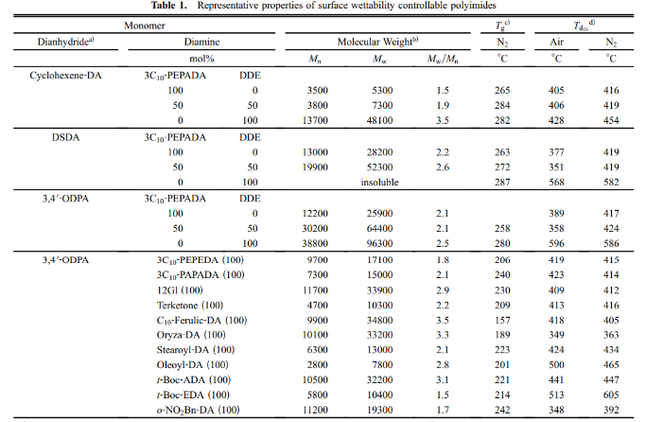
Reference | 1~100
NO. | DOI
104 | https://doi.org/10.1080/15422110601003481
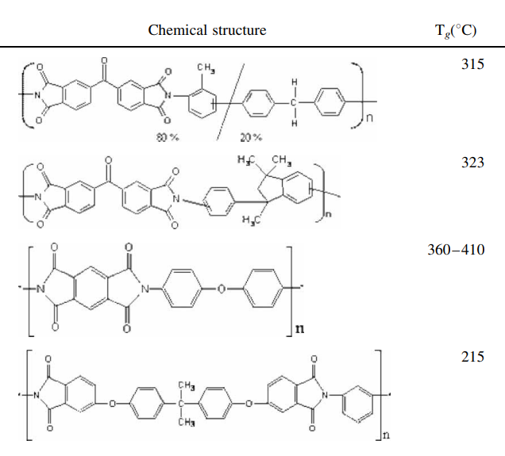

115 | https://doi.org/10.1002/macp.201800313
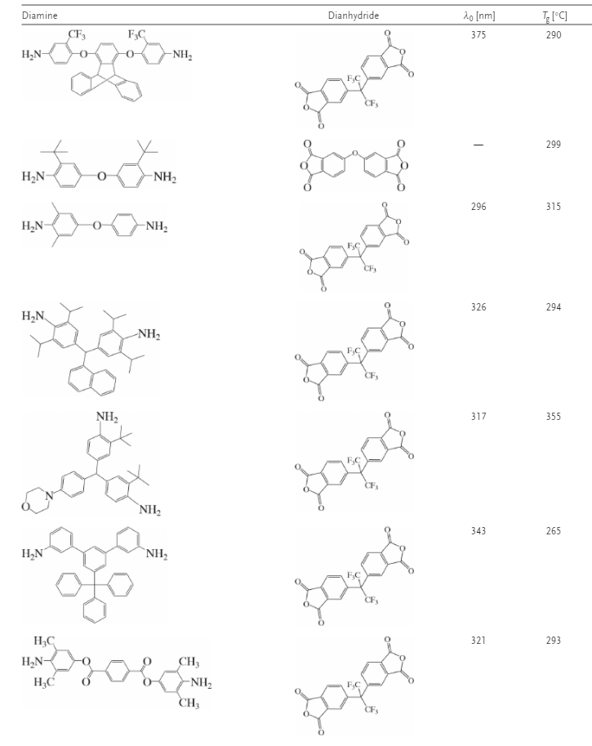

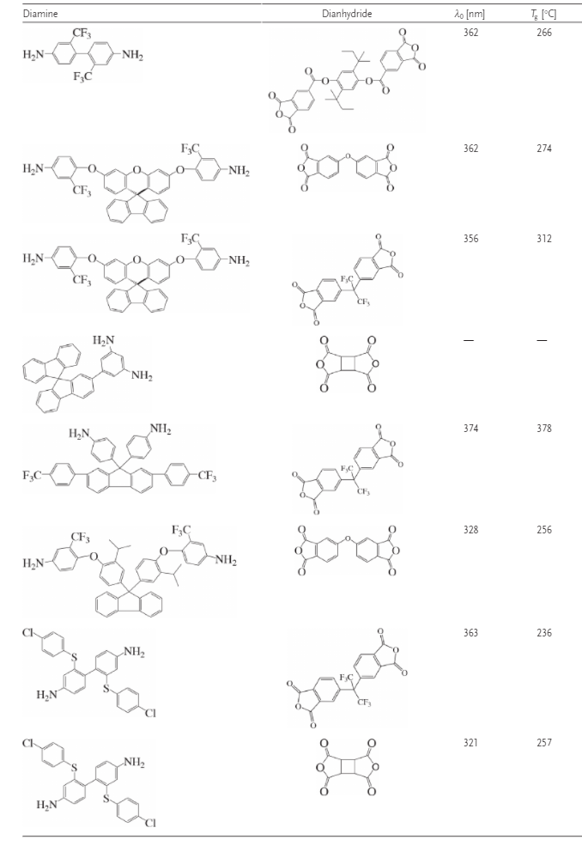

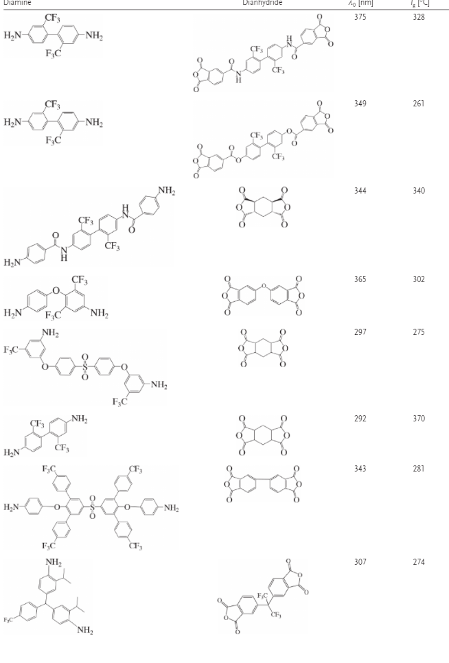

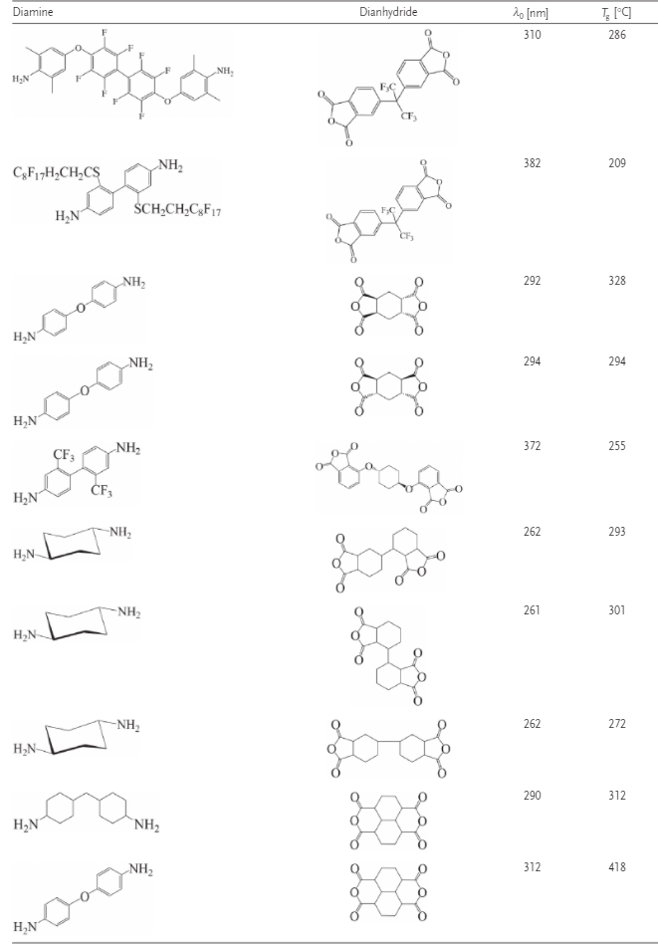

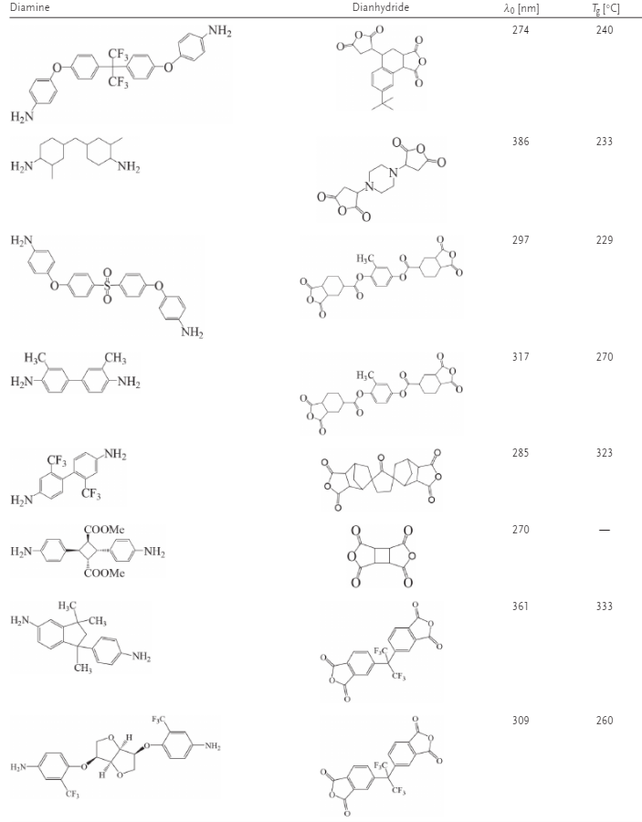

135 | https://doi.org/10.1295/koron.2016-0047

data
Polyimide structure and performance data
NO. | polyimide |  | Tg/℃ | λcutoff/nm | reference (please fill in, thank you) | Remark | Other properties
 | Diamine | Dianhydride |  |  | "paper doi number"or "original URL" or "book name + page number"
 |  |  |  |  |  |  | CTE、Td、Tensile modulus (Gpa) etc.
104.1 |  |  |  |  | https://doi.org/10.1080/15422110601003481
 |  |  | 323

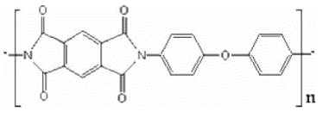
104.2
 |  |  | 360-410

104.3 |  |  | 215

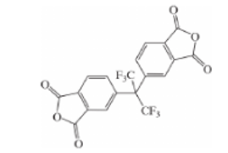
115.1 |  |  | 290 | 375 | https://doi.org/10.1002/macp.201800313

115.2
 |  |  | 299

115.3 |  |  | 315 | 296

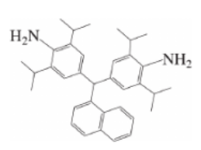
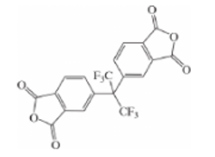
115.4 |  |  | 294 | 326

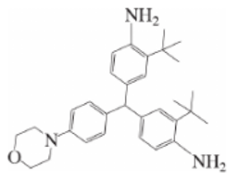
115.5 |  |  | 355 | 317

115.6 |  |  | 265 | 343

115.7 |  |  | 293 | 321

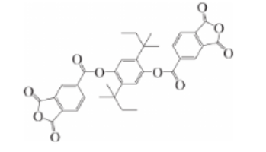
115.8 |  |  | 266 | 362

115.9 |  |  | 274 | 362

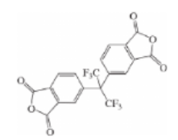
115.10 |  |  | 312 | 356

115.11 |  |  | 378 | 374

115.12 |  |  | 256 | 328

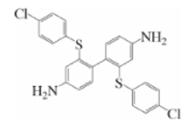
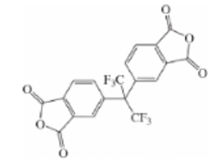
115.13 |  |  | 236 | 363

115.14 |  |  | 257 | 321

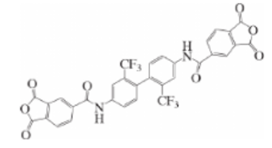
115.15 |  |  | 328 | 375

115.16 |  |  | 261 | 349

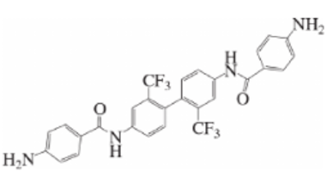
115.17 |  |  | 340 | 344

115.18 |  |  | 302 | 365

15.19 |  |  | 275 | 297

115.20 |  |  | 370 | 292

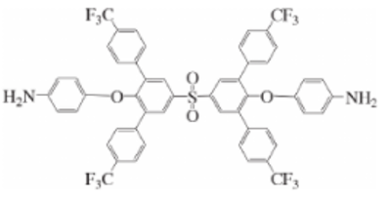

115.21 |  |  | 281 | 343

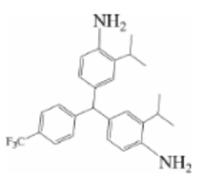
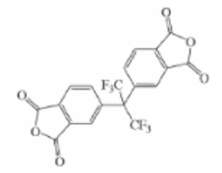
115.22 |  |  | 274 | 307

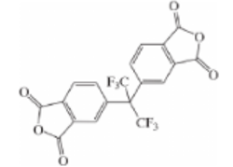
115.23 |  |  | 286 | 310

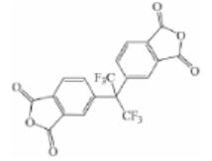
115.24 |  |  | 209 | 382

115.25 |  |  | 328 | 292

115.26 |  |  | 294 | 294

115.27 |  |  | 255 | 372

115.28 |  |  | 293 | 262

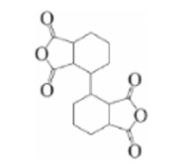
115.29 |  |  | 301 | 261

115.30 |  |  | 272 | 262

115.31 |  |  | 312 | 290

115.32 |  |  | 418 | 312

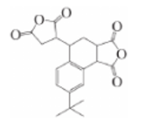
115.33 |  |  | 240 | 274

115.34 |  |  | 233 | 386

115.35 |  |  | 229 | 297

115.36 |  |  | 270 | 317

115.37 |  |  | 323 | 285

115.38 |  |  |  | 270

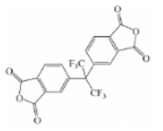
115.39 |  |  | 333 | 361

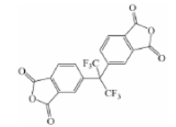
115.40 |  |  | 260 | 309

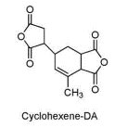
135.1 |  |  | 265 |  | https://doi.org/10.1295/koron.2016-0047

135.2 |  |  | 282

135.3 |  |  | 263

135.4 |  |  | 287

135.6 |  |  | 280

135.7 |  |  | 206

135.8 |  |  | 240

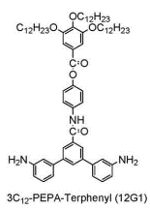

135.9 |  |  | 230

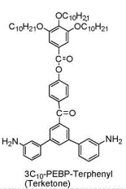

135.10 |  |  | 209

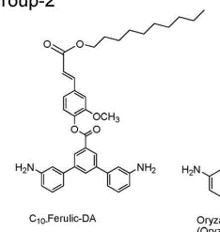
 |  |  | 157
135.11

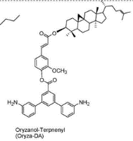

135.12 |  |  | 189

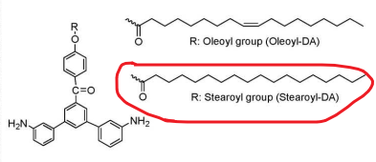
135.13 |  |  | 223

135.14 |  |  | 201

135.15 |  |  | 221

 |  |  | 214
135.16

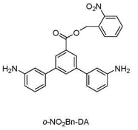
135.17 |  |  | 242

