reference
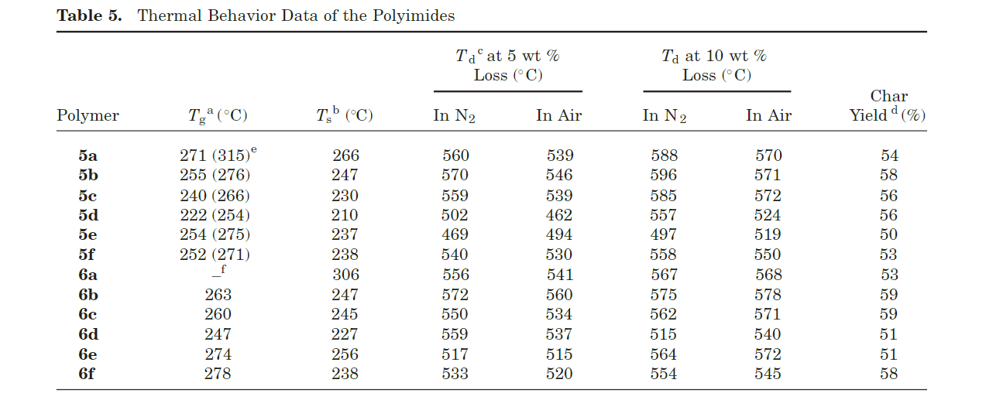
Reference | 1101~1200
NO. | DOI
15 | https://doi.org/10.1016/j.eurpolymj.2010.01.007

17 | https://doi.org/10.1016/j.polymer.2008.02.004
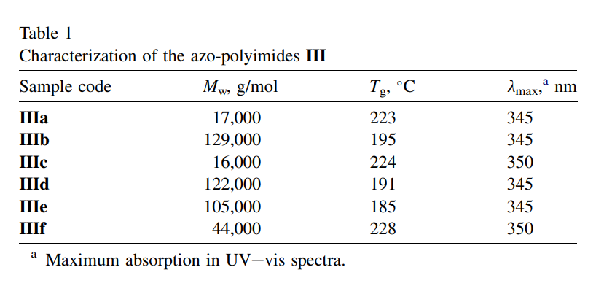

20 | https://doi.org/10.1016/j.polymer.2005.10.003

27 | https://doi.org/10.1177/095400830301500102

38 | https://doi.org/10.1002/marc.201400638
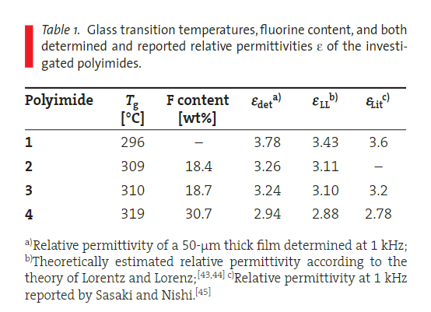

60 | https://doi.org/10.1016/0032-3861(91)90524-m
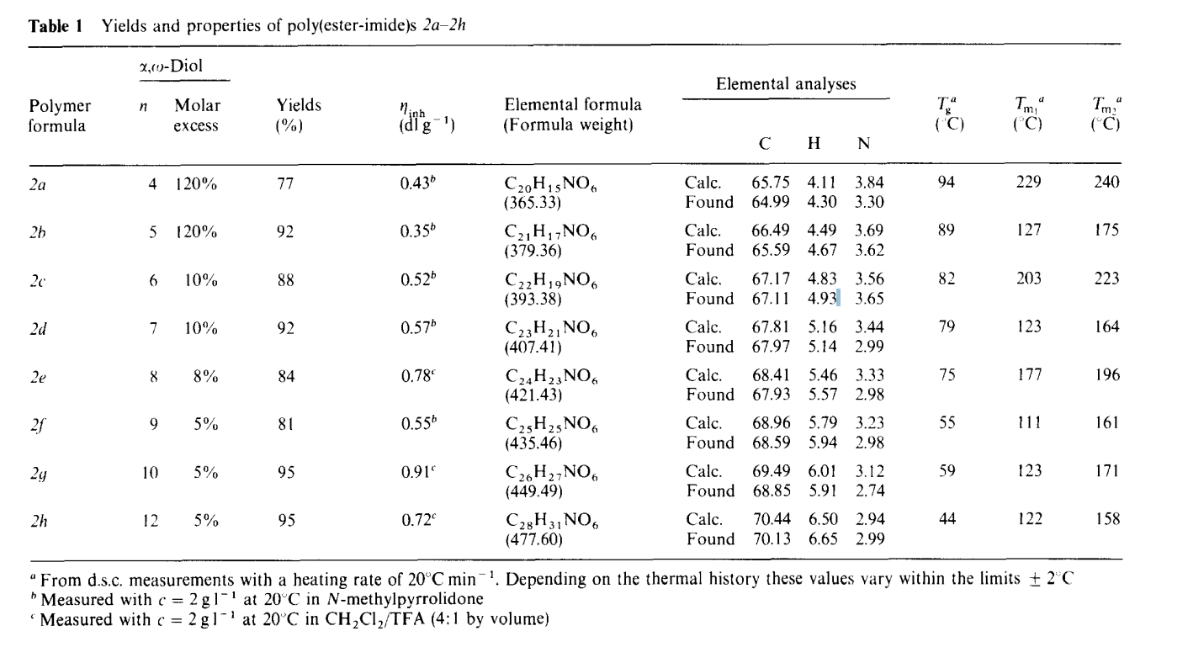

69 | https://doi.org/10.1002/(sici)1099-0518(199608)34:11%3C2205::aid-pola14%3E3.0.co;2-j
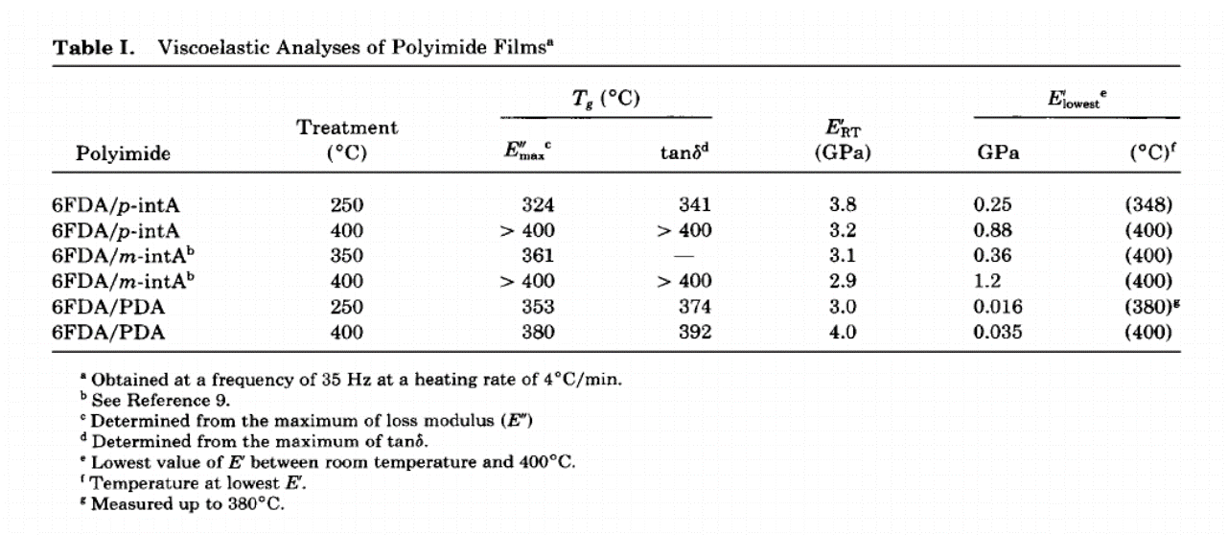

76 | https://doi.org/10.1002/pola.23306
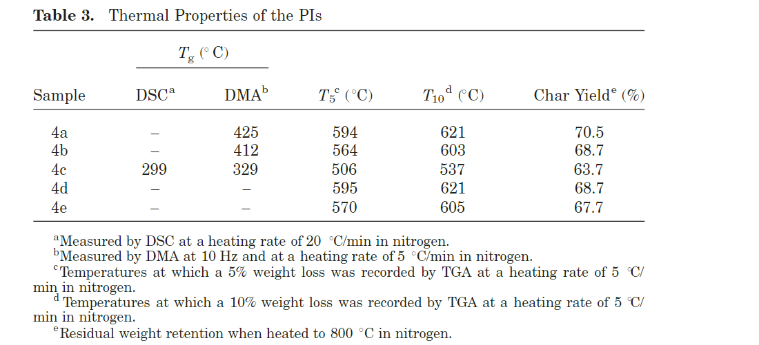

77 | https://doi.org/10.1002/pola.1994.080320303

78 | https://doi.org/10.1016/s0032-3861(02)00801-7
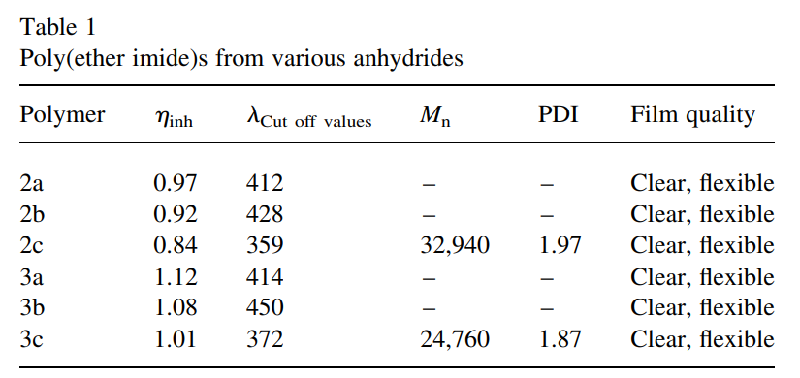

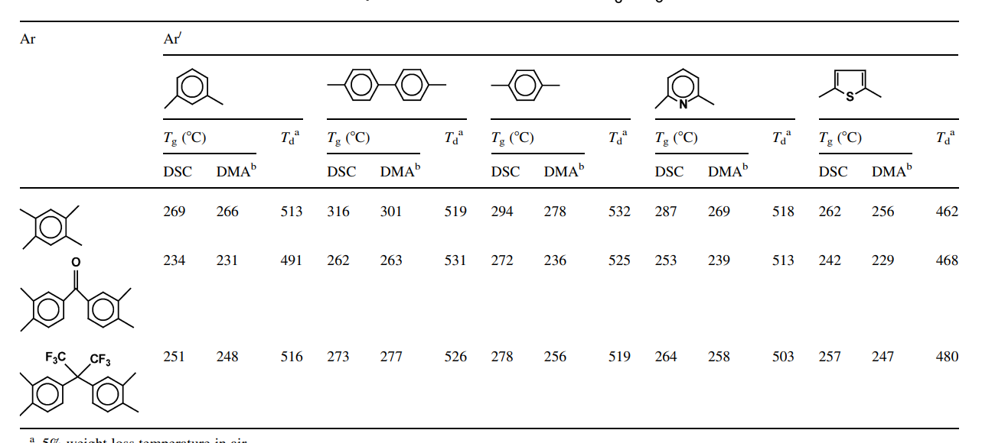

90 | https://doi.org/10.1016/j.memsci.2017.01.008
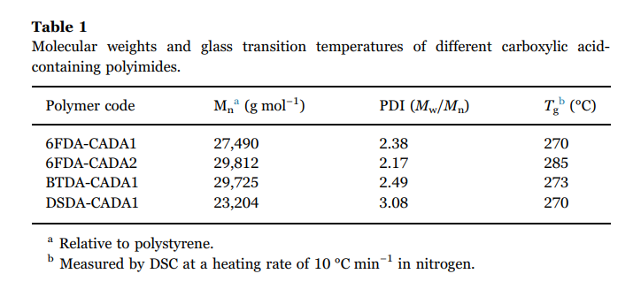

92 | https://doi.org/10.1002/pi.4235

96 | https://doi.org/10.1021/ma047433x

99 | https://doi.org/10.1016/s0014-3057(02)00115-5
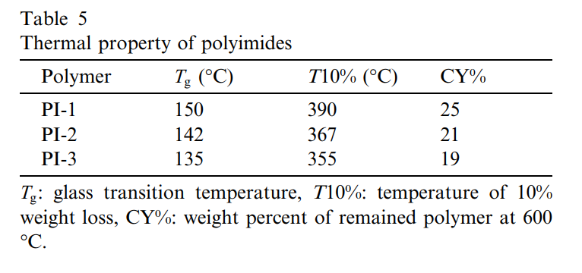

100 | https://doi.org/10.1002/pola.23269

data
Polyimide structure and performance data
NO. | polyimide |  | Tg/℃ | λcutoff/nm | reference (please fill in, thank you) | Remark | Other properties
 | Diamine | Dianhydride |  |  | "paper doi number"or "original URL" or "book name + page number"
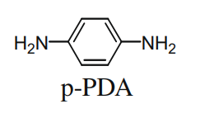
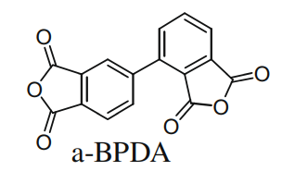
15-1 |  |  |  |  |  |  | CTE、Td、Tensile modulus (Gpa) etc.
 |  |  |  |  | https://doi.org/10.1016/j.eurpolymj.2010.01.007

 |  |  | 383

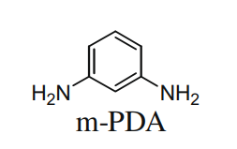

15-2 |  |  | 341

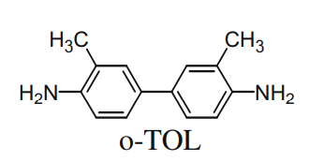

15-3 |  |  | 384

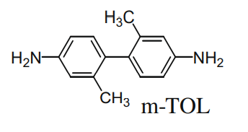

15-4 |  |  | 372

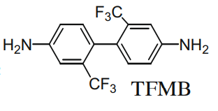

15-5
 |  |  | 346

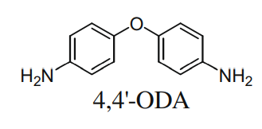

15-6 |  |  | 316

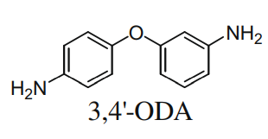

15-7 |  |  | 286

15-8 |  |  | 285

15-9 |  |  | 259

15-10 |  |  | 213

17-1
 |  |  | 223 | 345 | https://doi.org/10.1016/j.polymer.2008.02.004

17-2
 |  |  | 195 | 345

17-3
 |  |  | 224 | 350

17-4

 |  |  | 191 | 345

17-5 |  |  | 185 | 345

17-6
 |  |  | 228 | 350

20-1
 |  |  | 208
 |  |  |  |  | https://doi.org/10.1016/j.polymer.2005.10.003

20-2
 |  |  | 226

20-3 |  |  | 314

 |  |  | 324
20-4

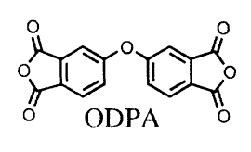
27-1

 |  |  | 319 |  | https://doi.org/10.1177/095400830301500102

27-2 |  |  | 337

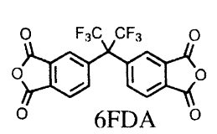

27-3
 |  |  | 340

27-4
 |  |  | 335

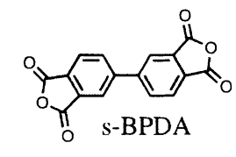

27-5
 |  |  | 360

27-6
 |  |  | 314

27-7
 |  |  | 370

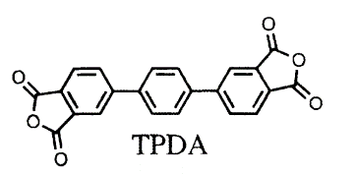

 |  |  | 316
27-8

27-9 |  |  | 254

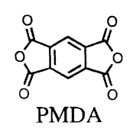

27-10 |  |  | 400

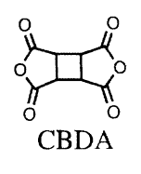

27-11 |  |  | 356

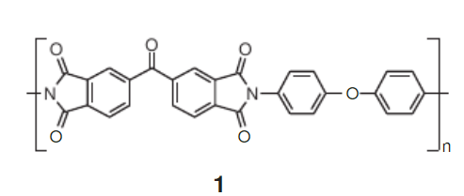
38-1

 |  |  |  |  | https://doi.org/10.1002/marc.201400638

 |  |  |  | 296

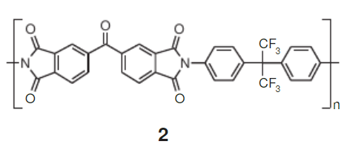

38-2
 |  |  |  | 309

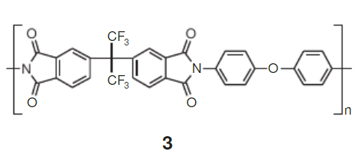

38-3
 |  |  |  | 310

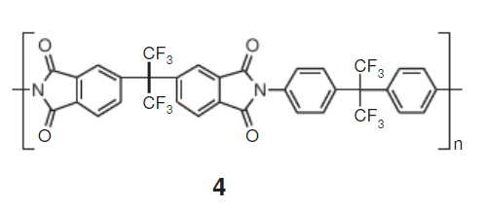

38-4 |  |  |  | 319

60-1

 |  | n=4 | 94 | 94 | https://doi.org/10.1016/0032-3861(91)90524-m

60-2 |  | n=5 | 89 | 89

60-3 |  | n=6 | 82

60-4 |  | n=7 | 79

60-5 |  | n=8 | 75

60-6 |  | n=9 | 55

60-7 |  | n=10 | 59

60-8
 |  | n=12 | 44

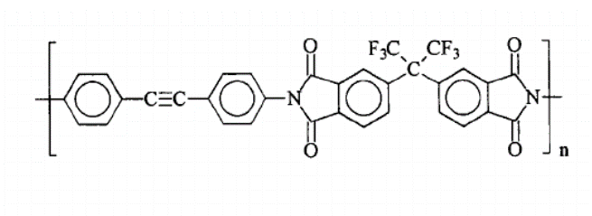
69-1

 |  |  |  |  | https://doi.org/10.1002/(sici)1099-0518(199608)34:11%3C2205::aid-pola14%3E3.0.co;2-j
 |  |  | 325

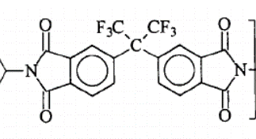

69-2 |  |  | 361

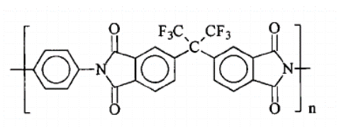

69-3
 |  |  | 353

76-1

 |  |  | 425

76-2 |  |  | 412

76-3 |  |  | 329

77-1

 |  |  | 328

 |  |  |  |  | https://doi.org/10.1002/pola.1994.080320303

 |  |  | 290
77-2

77-3 |  |  | 287

77-4 |  |  | 274

77-5 |  |  | 260

78-1

 |  |  |  |  | https://doi.org/10.1016/s0032-3861(02)00801-7

 |  |  |  | 412

 |  |  |  | 428

78-2

78-3 |  |  |  | 359

 |  |  |  | 414

78-4

 |  |  |  | 450

78-5

 |  |  |  | 372

78-6

 |  |  | 266
78-7

 |  |  | 231
78-8

78-9 |  |  | 248

78-10 |  |  | 301

78-11 |  |  | 263

 |  |  | 277
78-12

 |  |  | 278
78-13

78-14 |  |  | 236

 |  |  | 256
78-15

78-16 |  |  | 269

78-17
 |  |  | 239

78-18 |  |  | 258

78-19 |  |  | 256

78-20
 |  |  | 229

78-21 |  |  | 247

90-1

 |  |  | 270 |  | https://doi.org/10.1016/j.memsci.2017.01.008

90-2 |  |  | 285

90-3 |  |  | 273

90-4 |  |  | 270

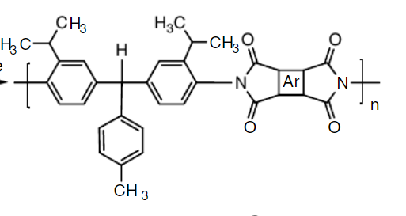
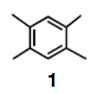
92-1

 |  |  | 308 | 332

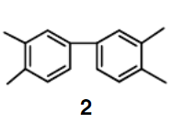

92-2 |  |  | 294 | 356

92-3
 |  |  | 261 | 337

92-4
 |  |  | 274 | 323

92-5
 |  |  | 272 | 302


96-1

 |  |  |  |  | https://doi.org/10.1021/ma047433x

 |  |  | 353

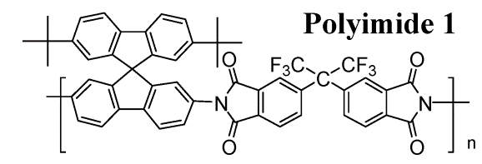

96-2
 |  |  | 360

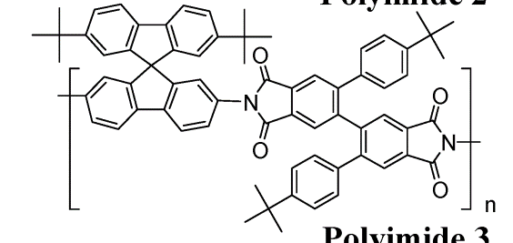

96-3 |  |  | 401

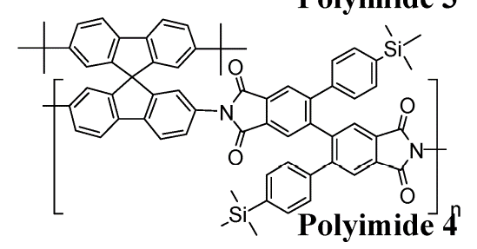

96-4
 |  |  | 398

99-1

 |  |  |  |  | https://doi.org/10.1016/s0014-3057(02)00115-5

 |  |  | 150

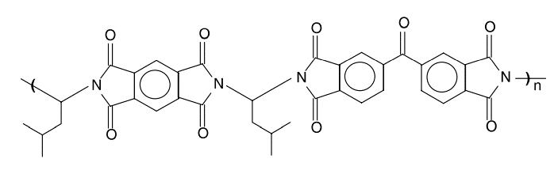

99-2 |  |  | 142

99-3 |  |  | 135

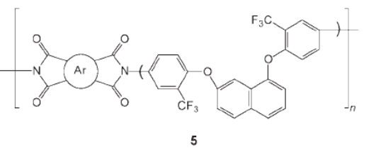
100-1

 |  |  | 271

100-2 |  |  | 255

100-3 |  |  | 240

100-4
 |  |  | 222

100-5 |  |  | 254

100-6 |  |  | 252

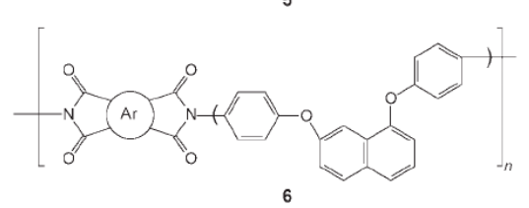

100-7 |  |  | 263

100-8
 |  |  | 260

100-9 |  |  | 247

100-10 |  |  | 274

100-11 |  |  | 278

