reference
Reference | R
NO. | DOI
1 | https://doi.org/10.2494/photopolymer.15.213

 |  | Here the diamine is 4,4'-hexafluoroisopropylidenebis(cyclohexylamine) (6FBCA).

2 | https://doi.org/10.1002/pi.4235
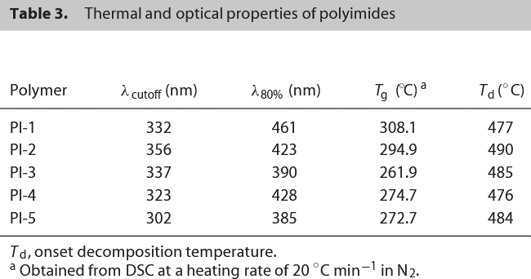

 |  | PI-1 (PAPMT-PMDA)
 |  | PI-2 (PAPMT-BPDA)
 |  | PI-3 (PAPMT-ODPA
 |  | PI-4 (PAPMT- BTDA)
 |  | PI-5 (PAPMT-6FDA)

3 | https://doi.org/10.1038/pj.2012.19

4 | https://doi.org/10.1002/app.1986.070320228
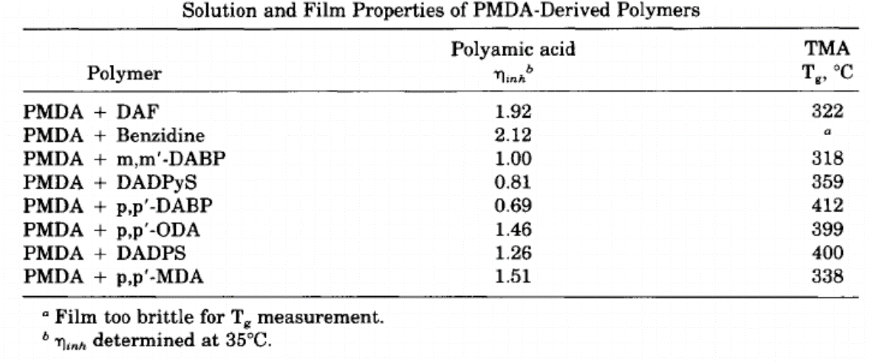

5 | https://doi.org/10.1002/pola.1990.080280208
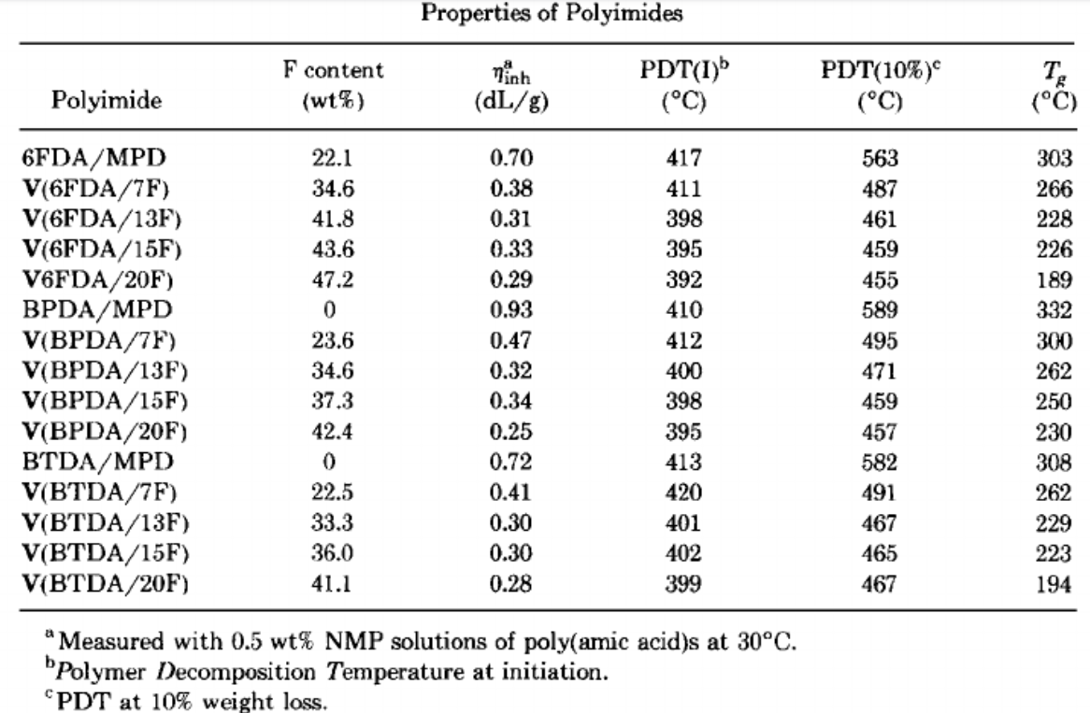

6 | https://doi.org/10.1007/s10118-011-1058-2

7 | https://doi.org/10.1016/j.polymer.2006.02.083
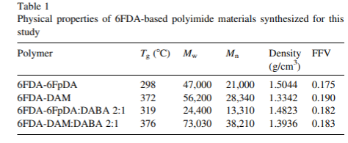

8 | https://doi.org/10.1016/j.eurpolymj.2007.07.002
 |  | PI-1=ODPA–OAPB, PI-2 =BTDA–OAPB, PI-3 = 6FDA–OAPB and PI-4 =PMDA–OAPB)

data
Polyimide structure and performance data
NO. | polyimide |  | Tg/℃ | λcutoff/nm | reference (please fill in, thank you) | Remark | Other properties
 | Diamine | Dianhydride |  |  | "paper doi number"or "original URL" or "book name + page number"

1 |  |  |  |  | https://doi.org/10.2494/photopolymer.15.213

1.1 |  |  | 271 |  | https://doi.org/10.2494/photopolymer.15.213

1.2
 |  |  | 283 |  | https://doi.org/10.2494/photopolymer.15.213

2 |  |  |  |  | https://doi.org/10.1002/pi.4235
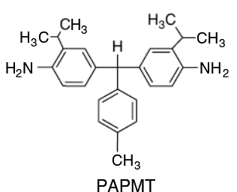
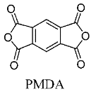
2.1 |  |  | 308.1 | 332
 |  |  |  |  | https://doi.org/10.1002/pi.4235

2.2 |  |  | 294.9 | 356

2.3 |  |  | 261.9 | 337

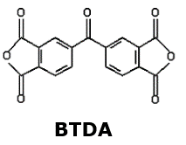
2.4 |  |  | 274.7 | 323

2.5 |  |  | 272.7 | 302 | https://doi.org/10.1002/pi.4235

3 |  |  |  |  | https://doi.org/10.1038/pj.2012.19

3.1 |  |  | 333

 |  |  | ND
 |  |  |  |  | https://doi.org/10.1038/pj.2012.19 | ND= not detected
3.2

 |  |  |  |  | 重复
4 |  |  |  |  | https://doi.org/10.1002/app.1986.070320228
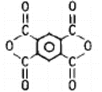
 |  |  |  |  | https://doi.org/10.1002/app.1986.070320228
4.1
 |  |  | 322

 |  | DAF
 | PMDA
 |  |  |  |  | 重复
4.2 |  |  | ND

 |  | Benzidine
 | PMDA

 |  |  | 318
4.3

 |  | m.m'-DABP
 | PMDA

4.4 |  |  | 359

 |  | DADPyS
 | PMDA

4.5 |  |  | 412

 |  | P,P'-DABP
 | PMDA

4.6
 |  |  | 399

 |  | p,p'-ODA
 | PMDA

4.7 |  |  | 400

 |  | DADPS

 | PMDA

4.8 |  |  | 338

 |  | p,p'-MDA

 | PMDA

6 |  |  |  |  | https://doi.org/10.1007/s10118-011-1058-2
 |  |  |  |  | https://doi.org/10.1007/s10118-011-1058-2
6.1

 |  |  | 286

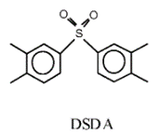
6.2

 |  |  | 314

7 |  |  |  |  | https://doi.org/10.1016/j.polymer.2006.02.083
 |  |  |  |  | https://doi.org/10.1016/j.polymer.2006.02.083
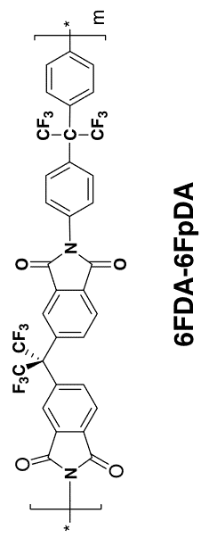

 |  |  | 298

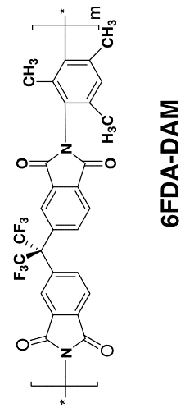

 |  |  | 372

8 |  |  |  |  | https://doi.org/10.1016/j.eurpolymj.2007.07.002

8.1 |  |  | 230.2
 |  |  |  |  | https://doi.org/10.1016/j.eurpolymj.2007.07.002

8.2
 |  |  | 344.2

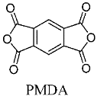

8.3 |  |  | 253.1

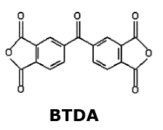
8.4 |  |  | 299

