reference
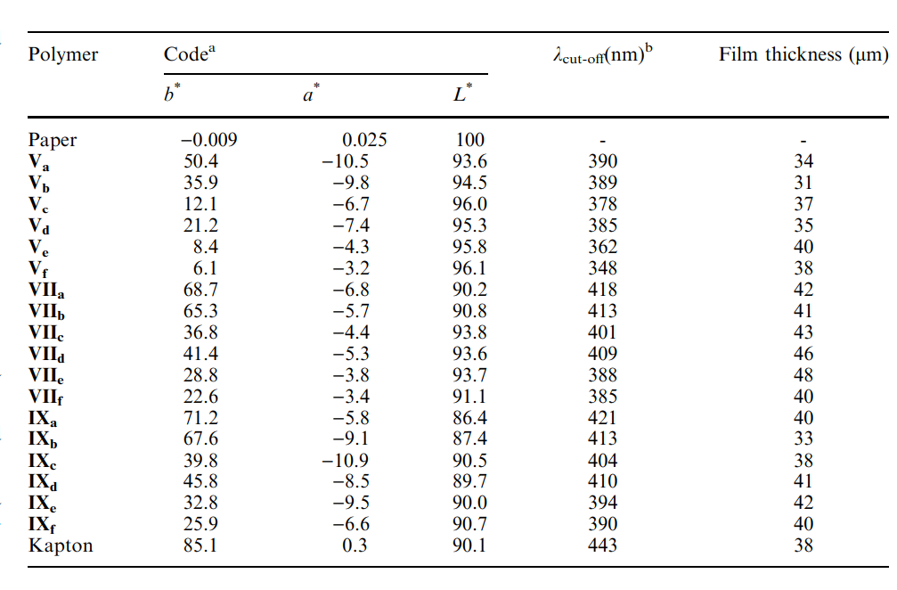
Reference | 1501~1600
NO. | DOI

13 | https://doi.org/10.1016/s0376-7388(00)81169-2

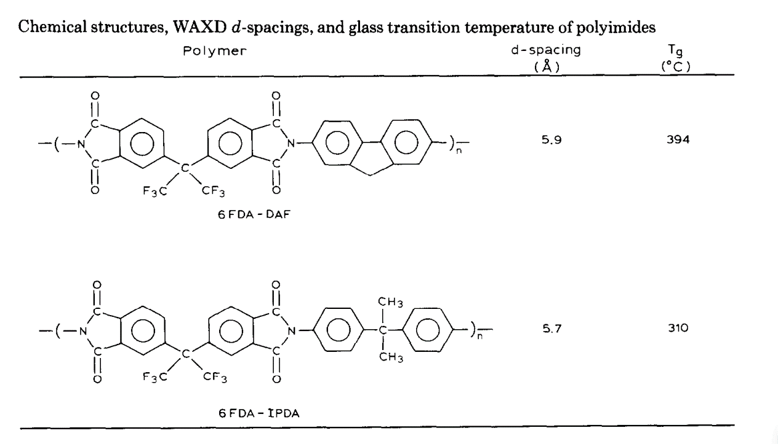

21 | https://doi.org/10.1016/j.memsci.2006.05.004

33 | https://doi.org/10.1002/pola.21395
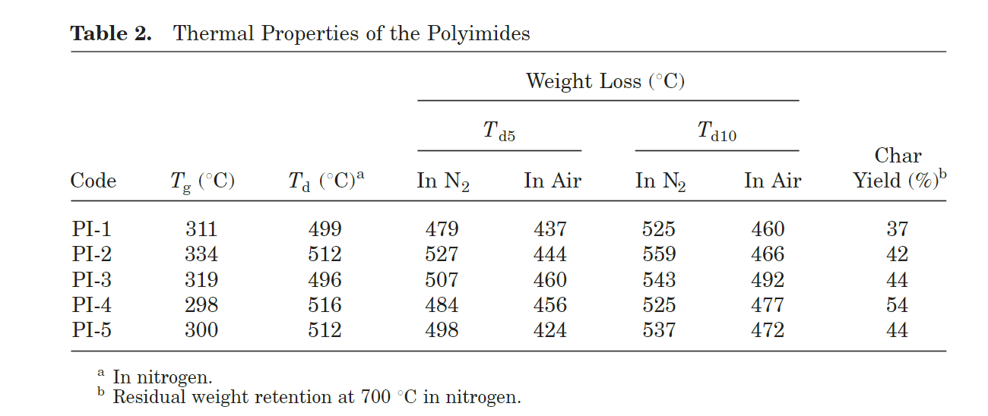

36 | https://doi.org/10.1002/pola.1994.080321012
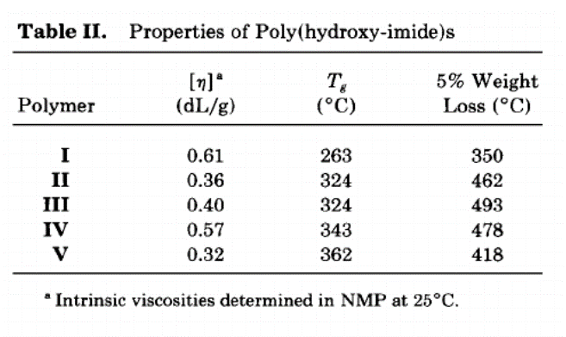

41 | https://doi.org/10.1016/j.eurpolymj.2009.03.021

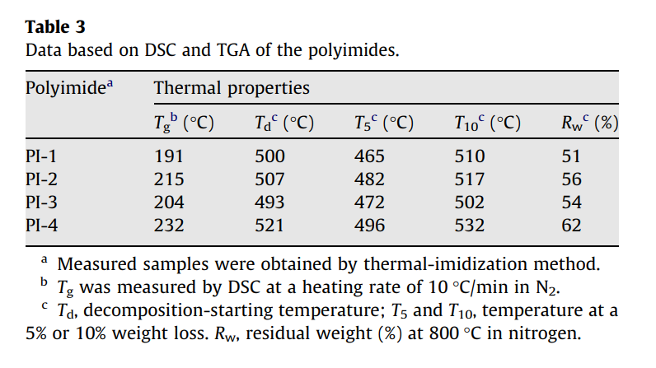

51 | https://doi.org/10.1002/macp.200500459

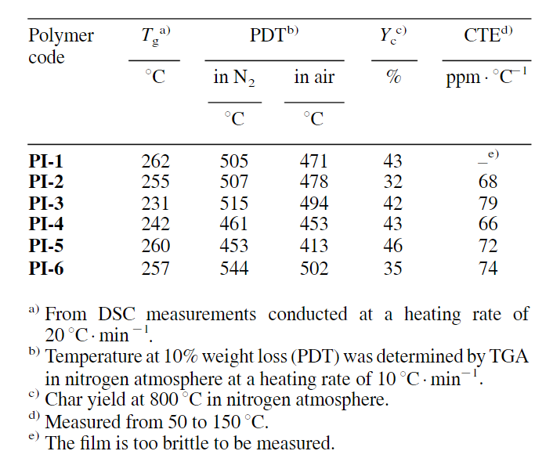

54 | https://doi.org/10.1007/s10965-006-9072-8

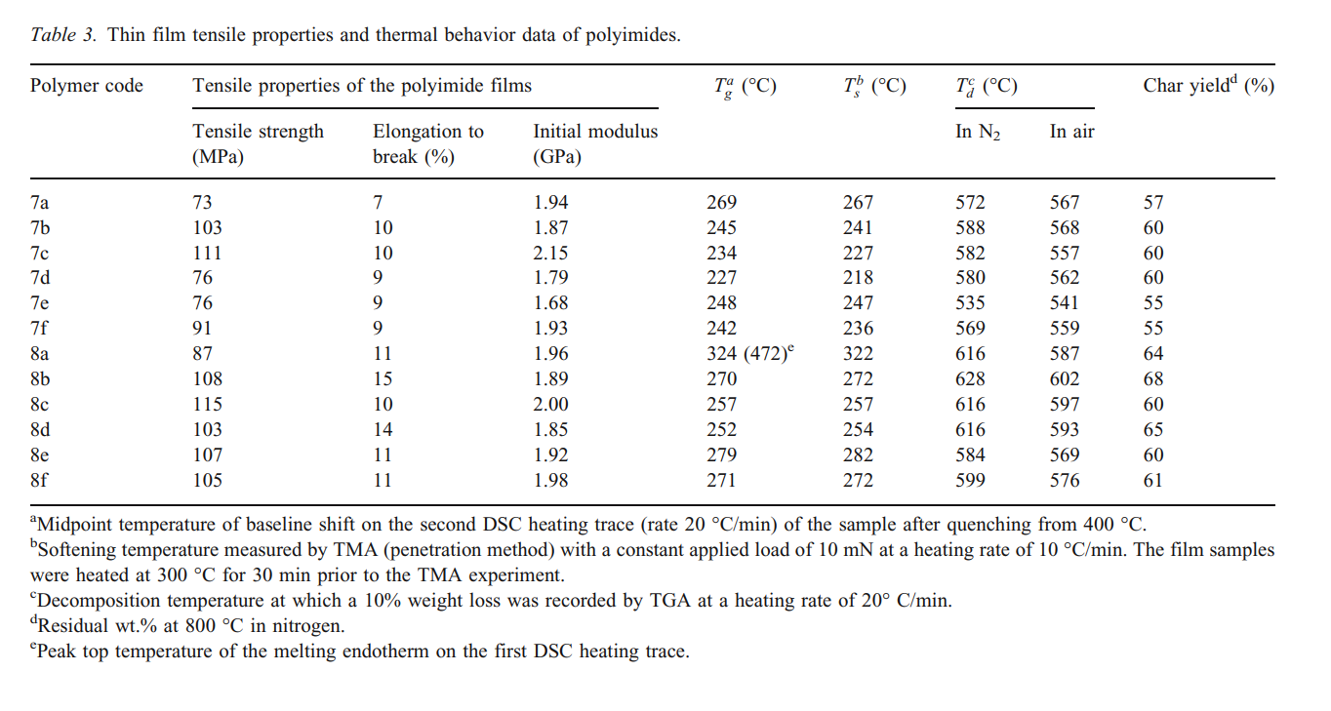

60 | https://doi.org/10.1002/app.13189

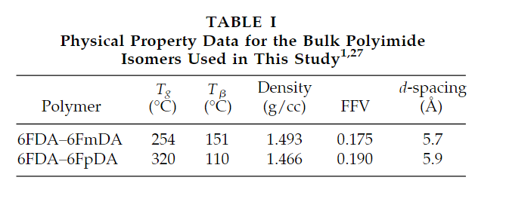

61 | https://doi.org/10.1016/0032-3861(95)91208-o

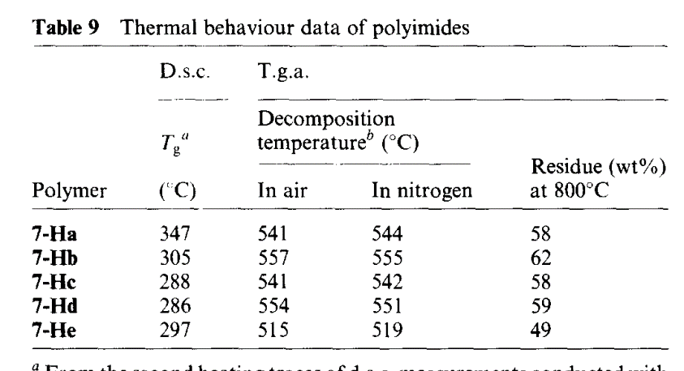

69 | https://doi.org/10.1016/s0014-3057(96)00279-0
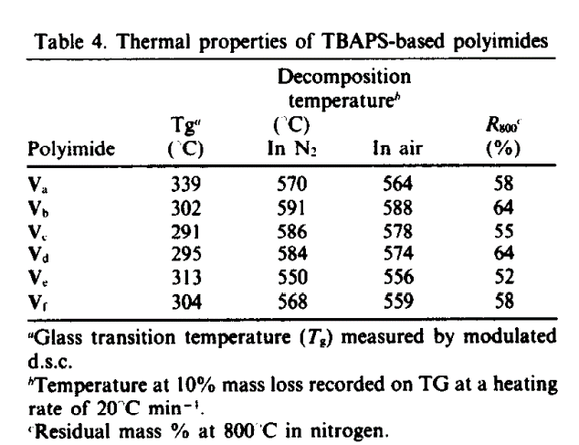

77 | https://doi.org/10.1016/j.polymdegradstab.2012.03.010
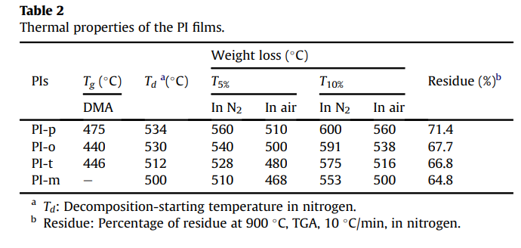

83 | https://doi.org/10.1021/ma961323b

87 | https://doi.org/10.1002/pola.1316
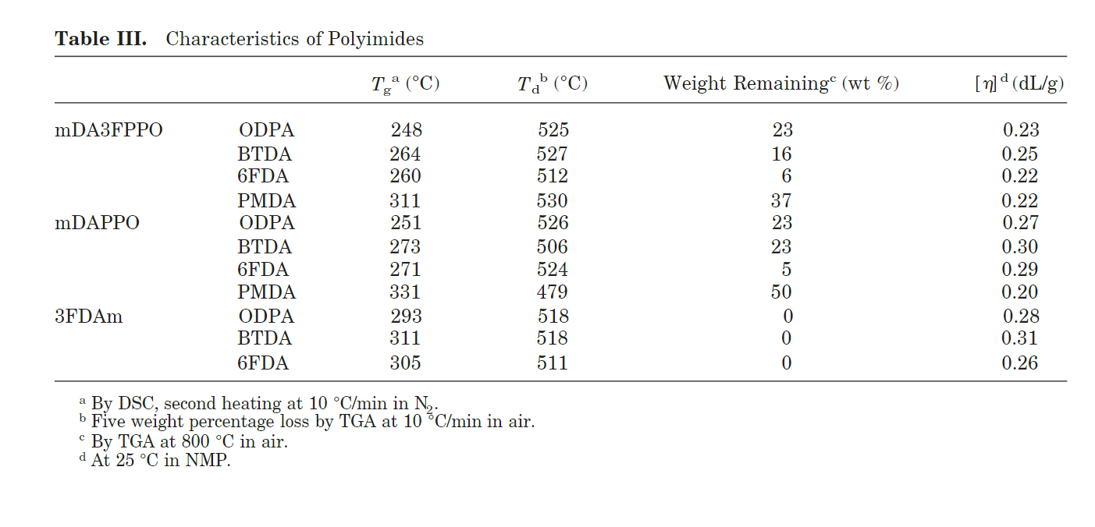

89 | https://doi.org/10.1295/polymj.pj2006232

93 | https://doi.org/10.1007/s00396-003-1036-5

data
Polyimide structure and performance data
NO. | polyimide |  | Tg/℃ | λcutoff/nm | reference (please fill in, thank you) | Remark | Other properties
 | Diamine | Dianhydride |  |  | "paper doi number"or "original URL" or "book name + page number"

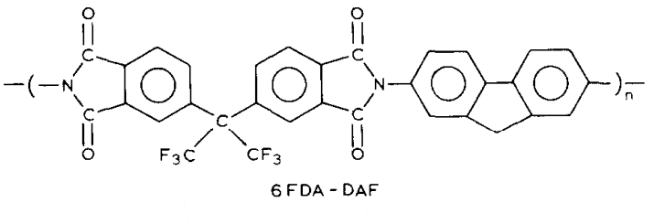
13-1
 |  |  |  |  | https://doi.org/10.1016/s0376-7388(00)81169-2

 |  |  | 394

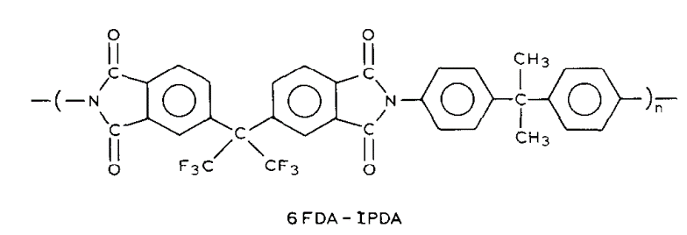

13-2
 |  |  | 310

21-1

 |  |  |  |  | https://doi.org/10.1016/j.memsci.2006.05.004
 |  |  | 298

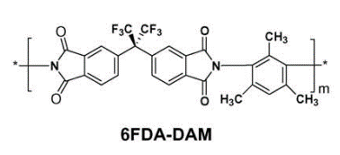

21-2 |  |  | 372

21-3 |  |  | 319

 | m=2 | n=1

21-4
 |  |  | 376

 | m=2 | n=1

33-1
 |  |  |  |  | https://doi.org/10.1002/pola.21395
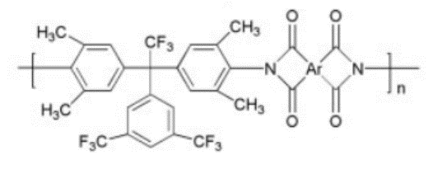

 |  |  | 311

33-2 |  |  | 334

33-3
 |  |  | 319

33-4 |  |  | 298

33-5 |  |  | 300

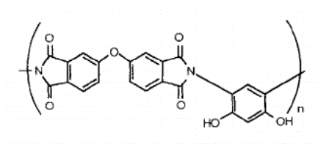
36-1

 |  |  |  |  | https://doi.org/10.1002/pola.1994.080321012

 |  |  | 263

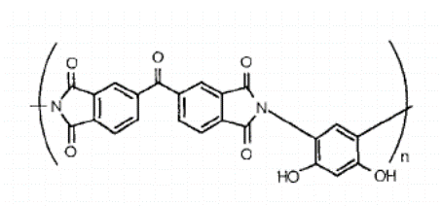

36-2
 |  |  | 324

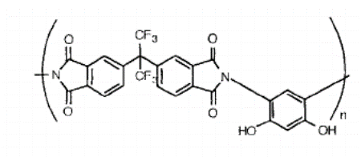

36-3
 |  |  | 324

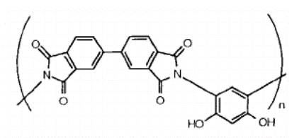

36-4 |  |  | 343

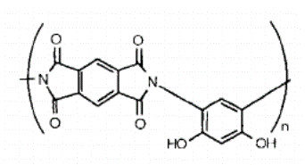

36-5 |  |  | 362

41-1

 |  |  |  |  | https://doi.org/10.1016/j.eurpolymj.2009.03.021
 |  |  | 191

41-2
 |  |  | 215

41-3
 |  |  | 204

41-4
 |  |  | 232

51-1

 |  |  |  |  | https://doi.org/10.1002/macp.200500459
 |  |  | 262



51-2
 |  |  | 255

51-3 |  |  | 231

 |  |  | 242
51-4

51-5
 |  |  | 260

51-6 |  |  | 257

54-1

 |  |  |  |  | https://doi.org/10.1007/s10965-006-9072-8
 |  |  | 269

54-2 |  |  | 245

54-3 |  |  | 234

54-4
 |  |  | 227

54-5 |  |  | 248

54-6
 |  |  | 242

54-7 |  |  | 324

54-8 |  |  | 270

54-9 |  |  | 257

54-10
 |  |  | 252

54-11 |  |  | 279

54-12 |  |  | 271

60-1

 |  |  |  |  | https://doi.org/10.1002/app.13189
 |  |  | 254

60-2 |  |  | 320

61-1

 |  |  | 347 |  | https://doi.org/10.1016/0032-3861(95)91208-o

61-2
 |  |  | 305

61-3 |  |  | 288

61-4 |  |  | 286

61-5
 |  |  | 297

69-1

 |  |  |  |  | https://doi.org/10.1016/s0014-3057(96)00279-0
 |  |  | 339

69-2 |  |  | 302

69-3
 |  |  | 291

69-4 |  |  | 295

69-5
 |  |  | 313

69-6
 |  |  | 304

77-1

 |  |  | 475 |  | https://doi.org/10.1016/j.polymdegradstab.2012.03.010

77-2
 |  |  | 440

77-3 |  |  | 446

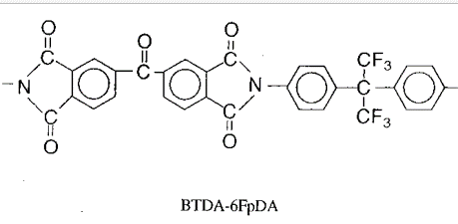
83-1

 |  |  |  |  | https://doi.org/10.1021/ma961323b
 |  |  | 310

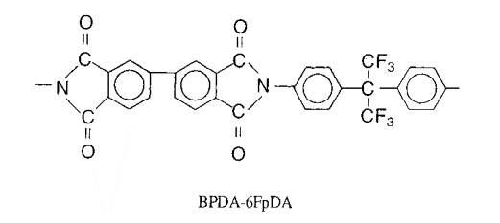

83-2
 |  |  | 360

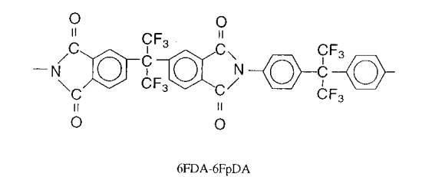

 |  |  | 320
83-3

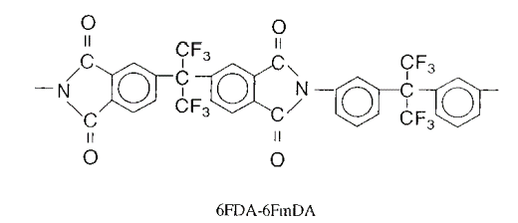

83-4 |  |  | 254

87-1

 |  |  | 248 |  | https://doi.org/10.1002/pola.1316

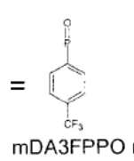

87-2 |  |  | 264

87-3 |  |  | 260

87-4 |  |  | 311

87-5 |  |  | 251

87-6 |  |  | 273

87-7 |  |  | 271

87-8 |  |  | 331

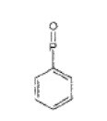

87-9 |  |  | 293

87-10 |  |  | 311

87-11
 |  |  | 305

89-1
 |  |  | 247 | 397 | https://doi.org/10.1295/polymj.pj2006232

89-2
 |  |  | 230 | 376

89-3 |  |  | 222 | 373

93-1

 |  |  |  |  | https://doi.org/10.1007/s00396-003-1036-5
 |  |  | 331 | 390

93-2
 |  |  | 285 | 389

93-3
 |  |  | 302 | 378

93-4
 |  |  | 299 | 385

93-5

 |  |  | 277 | 362

93-6
 |  |  | 292 | 348

93-7 |  |  |  | 418

93-8 |  |  |  | 413

93-9 |  |  |  | 401

93-10 |  |  |  | 409

93-11

 |  |  |  | 388

93-12 |  |  |  | 385

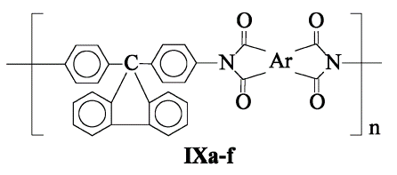

93-13
 |  |  |  | 421

93-14 |  |  |  | 413

93-15
 |  |  |  | 404

93-16 |  |  |  | 410

93-17 |  |  |  | 394

93-18
 |  |  |  | 390

