reference
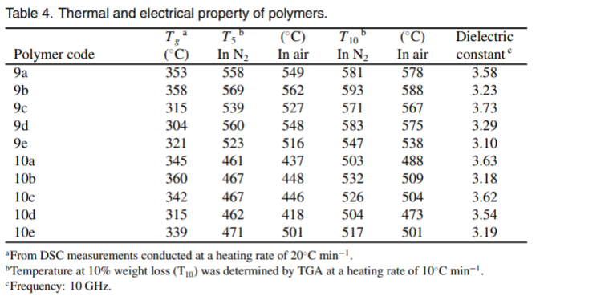
Reference | R
NO. | DOI
1 |  | https://doi.org/10.1016/j.matchemphys.2005.04.037
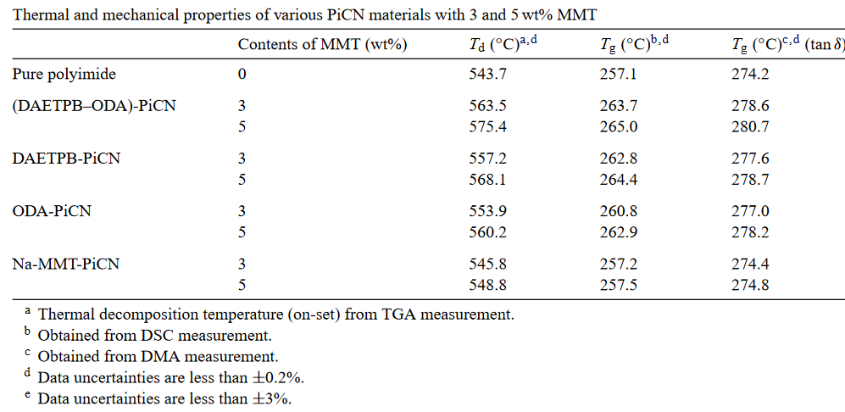
 |  | Pure polyimide refers to 6FBpA–6FDA
 |  | 6FBpA–6FDA were intercalated and became more exfoliated when double (DAETPB–ODA)
 |  | DAETPB is a single-swelling agent
 |  | Polyimide (6FBpA–6FDA)–montmorillonite nanocomposites (PiCN)
 |  | PiCN refers to polyimide–claynano composites
 |  | ODA referst to xydianiline swelling agent
 |  | DAETPB–ODA-MMT referst to double-swelling agent modified organophilic montmorillonite
2 | https://doi.org/10.1016/j.polymer.2014.07.032
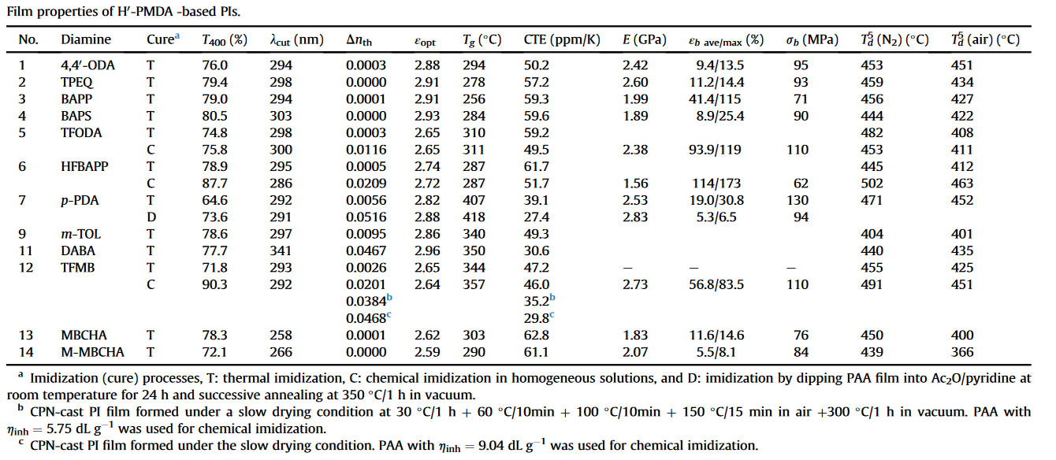

3 | https://doi.org/10.1039/C4TA02303J
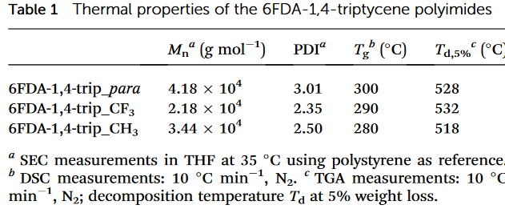

4 | https://doi.org/10.1002/app.1993.070500614
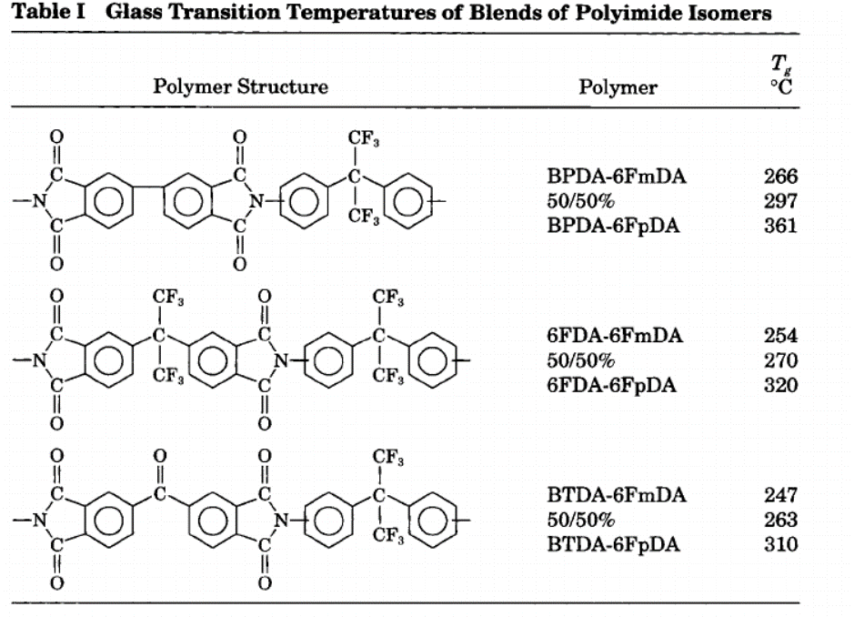

5 | https://doi.org/10.1177%2F0954008309360932
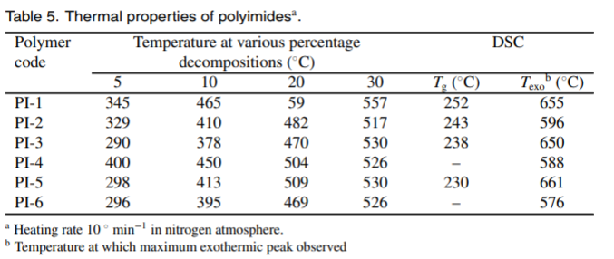

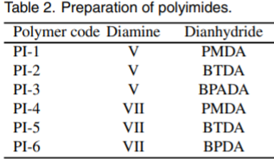

 |  | V= Bis-4,4' [(4-aminophenyl-2,2' -isopropylidene phenyloxy)] diphenyl sulfone
 |  | VII= Bis-4,4' [(4-aminophenyl-2,2' -isopropylidene phenyloxy)] benzophenone

6 | https://doi.org/10.1002/(SICI)1099-0488(19991101)37:21%3C2941::AID-POLB4%3E3.0.CO;2-5

7 | https://doi.org/10.1016/j.polymer.2006.03.002

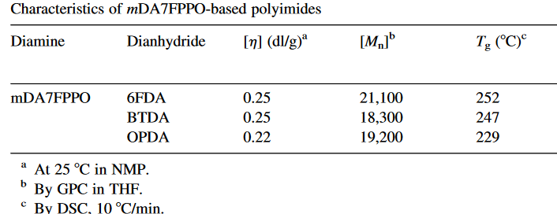

8 | https://doi.org/10.1016/j.eurpolymj.2008.11.013

9 | https://doi.org/10.1002/pola.22046

10 | https://doi.org/10.1002/pen.10029

11 | https://doi.org/10.1016/j.eurpolymj.2008.01.041

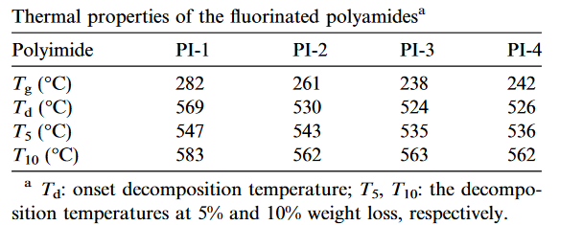

12 | https://doi.org/10.1177%2F0954008305044460

data
Polyimide structure and performance data
NO. | polyimide |  | Tg/℃ | λcutoff/nm | reference (please fill in, thank you) | Remark | Other properties
 | Diamine | Dianhydride |  |  | "paper doi number"or "original URL" or "book name + page number"

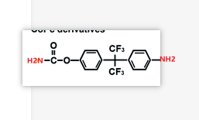
1 |  |  |  |  | https://doi.org/10.1016/j.matchemphys.2005.04.037
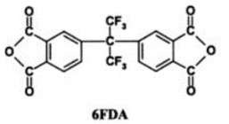

 | 6FBpA |  | 251.7 |  | https://doi.org/10.1016/j.matchemphys.2005.04.037

2 |  |  |  |  | https://doi.org/10.1016/j.polymer.2014.07.032

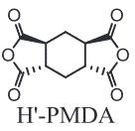
 |  |  |  |  | https://doi.org/10.1016/j.polymer.2014.07.032
2.1
 |  |  | 294 | 294 | https://doi.org/10.1016/j.polymer.2014.07.032 | Thermal imidization,

2.2 |  |  |  |  |  | Thermal imidization
 |  |  | 278 | 298

2.3 |  |  |  |  |  | Thermal imidization
 |  |  | 256 | 294

 |  |  |  |  |  | Thermal imidization
2.4 |  |  | 284 | 303

2.5 |  |  | 310 | 298 |  | Thermal imidization
 |  |  | 311 | 300 |  | Chemical imidization in homogeneous solutions

2.6
 |  |  | 287 | 295 |  | Thermal imidization
 |  |  | 287 | 286 |  | Chemical imidization in homogeneous solutions

2.7 |  |  | 407 | 292 |  | Thermal imidization
 |  |  | 418 | 291 |  | Chemical imidization in homogeneous solutions

2.8
 |  |  | 340 | 297 |  | Thermal imidization

2.9
 |  |  | 350 | 341 |  | Thermal imidization

2.10
 |  |  | 344 | 293 |  | Thermal imidization
 |  |  | 357 | 292 |  | Imidization by dippingAA film into Ac2O/pyridine at room temperature for 24 h and successive annealing at 350 °C/1 h in vacuum.b

2.11
 |  |  | 303 | 258 |  | Thermal imidization

2.12 |  |  | 290 | 266 | https://doi.org/10.1016/j.polymer.2014.07.032 | Thermal imidization

3 |  |  |  |  | https://doi.org/10.1039/C4TA02303J

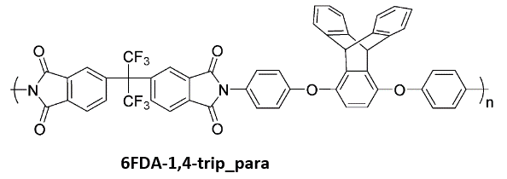
3.1 |  |  |  |  | https://doi.org/10.1039/C4TA02303J

 |  |  | 300

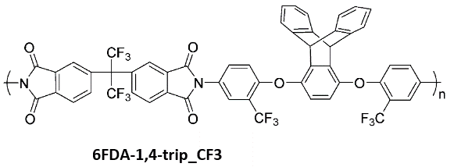
3.2

 |  |  | 290 |  | https://doi.org/10.1039/C4TA02303J

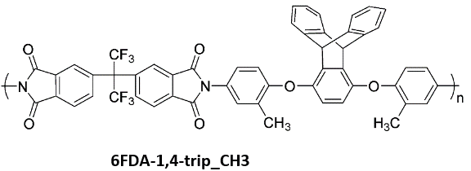
3.3

 |  |  | 280 |  | https://doi.org/10.1039/C4TA02303J

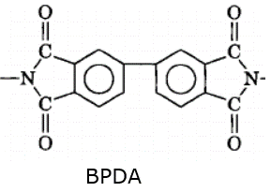
4 |  |  |  |  | https://doi.org/10.1002/app.1993.070500614
 |  |  |  |  | https://doi.org/10.1002/app.1993.070500614
4.1
 |  |  | 266
 |  |  |  |  | https://doi.org/10.1002/app.1993.070500614

4.3
 |  |  | 361

4.4
 |  |  | 254

4.6 |  |  | 320 |  | https://doi.org/10.1002/app.1993.070500614

5 |  |  |  |  | https://doi.org/10.1177%2F0954008309360932

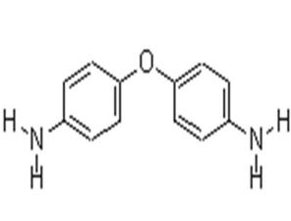 5.1 | Bis-4,4' [(4-aminophenyl-2,2' -isopropylidene phenyloxy)] diphenyl sulfone |  | 252 |  | https://doi.org/10.1177%2F0954008309360932
5.2 | Bis-4,4' [(4-aminophenyl-2,2' -isopropylidene phenyloxy)] diphenyl sulfone |  | 343
5.3 | Bis-4,4' [(4-aminophenyl-2,2' -isopropylidene phenyloxy)] diphenyl sulfone |  | 238 |  |  | Bis-4,4' [(4-aminophenyl-2,2' -isopropylidene phenyloxy)] diphenyl sulfone (V)
 |  |  |  |  |  | Bis-4,4' [(4-aminophenyl-2,2' -isopropylidene phenyloxy)] benzophenone (VII)
5.4 |  |  |  |  |  | ND= not detected
5.5 | Bis-4,4' [(4-aminophenyl-2,2' -isopropylidene phenyloxy)] benzophenone (VII) |  | 230
5.5

6 |  |  |  |  | https://doi.org/10.1002/(SICI)1099-0488(19991101)37:21%3C2941::AID-POLB4%3E3.0.CO;2-5

6.1 |  |  | 275 |  | https://doi.org/10.1002/(SICI)1099-0488(19991101)37:21%3C2941::AID-POLB4%3E3.0.CO;2-5

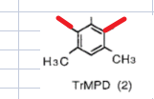

6.2 |  |  | 376

5.3 |  |  | 277

6.4 |  |  | 291

6.5
 |  |  | 237

6.6 |  |  | 286

6.7 |  |  | 300
 |  |  |  |  | https://doi.org/10.1002/(SICI)1099-0488(19991101)37:21%3C2941::AID-POLB4%3E3.0.CO;2-5

7 |  |  |  |  | https://doi.org/10.1016/j.polymer.2006.03.002

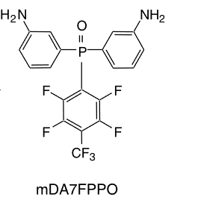
71. |  |  | 252 |  | https://doi.org/10.1016/j.polymer.2006.03.002

7.2 |  |  | 247
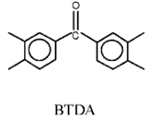

7.3 |  |  | 229 |  | https://doi.org/10.1016/j.polymer.2006.03.002


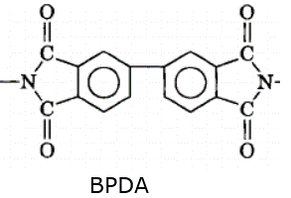
8 |  |  |  |  | https://doi.org/10.1016/j.eurpolymj.2008.11.013
8.1
 |  |  | 206 |  | https://doi.org/10.1016/j.eurpolymj.2008.11.013

8.2

 |  |  | 170

8.3

 |  |  | 159

8.4
 |  |  | 158 |  | https://doi.org/10.1016/j.eurpolymj.2008.11.013

9 |  |  |  |  | https://doi.org/10.1002/pola.22046
9.1
 |  |  |  |  | https://doi.org/10.1002/pola.22046
 |  |  | 304

 |  |  |  |  |  | Name of the diamine is 1,4-bis(4-aminophenoxy)-2-(6-oxido-6H-dibenz[c,e] [1,2]oxaphosphorin-6-yl)phenylene
9.2
 |  |  | 266

9.3

 |  |  | 254

9.4

 |  |  | 277

9.5

 |  |  | 273

9.6
 |  |  | 230 |  | https://doi.org/10.1002/pola.22046

10 |  |  |  |  | https://doi.org/10.1002/pen.10029
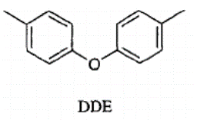
10.1 |  |  | >390 |  | https://doi.org/10.1002/pen.10029

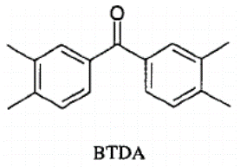
10.2
 |  |  | 280

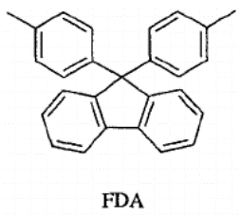
10.3
 |  |  | 370

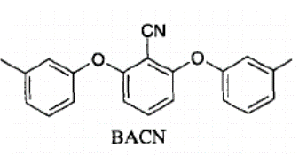
10.4

 |  |  | 240

10.5
 |  |  | 390

10.6
 |  |  | >390

10.7
 |  |  | 270

10.8 |  |  | 320 |  | https://doi.org/10.1002/pen.10029

11 |  |  |  |  | https://doi.org/10.1016/j.eurpolymj.2008.01.041

11.1 |  |  |  |  | https://doi.org/10.1016/j.eurpolymj.2008.01.041
 |  |  | 282

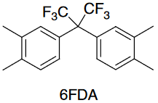
11.2
 |  |  | 261

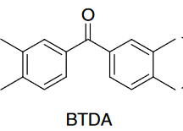
11.3
 |  |  | 238

11.4 |  |  | 242 |  | https://doi.org/10.1016/j.eurpolymj.2008.01.041

12 |  |  |  |  | https://doi.org/10.1177%2F0954008305044460
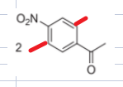
12.1 |  |  |  |  | https://doi.org/10.1177%2F0954008305044460
 |  |  | 353 |  |  | Name of the diamine is 4-[bis(4-aminophenyl)amino]benzonitrile

12.2
 |  |  | 358

12.3
 |  |  | 315

12.4

 |  |  | 304

12.5

 |  |  | 321

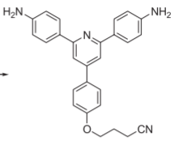
12.6
 |  |  | 345 |  |  | Name of the diamine is 4-[4-(1-Cyanopropoxy)phenyl] 2,6-bis(4-aminophenyl)pyridine

12.7
 |  |  | 360

12.8

 |  |  | 342

12.9
 |  |  | 315

12.10

 |  |  | 339 |  | https://doi.org/10.1177%2F0954008305044460

