reference
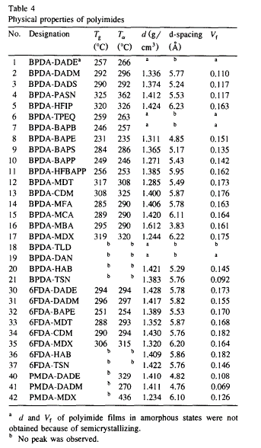
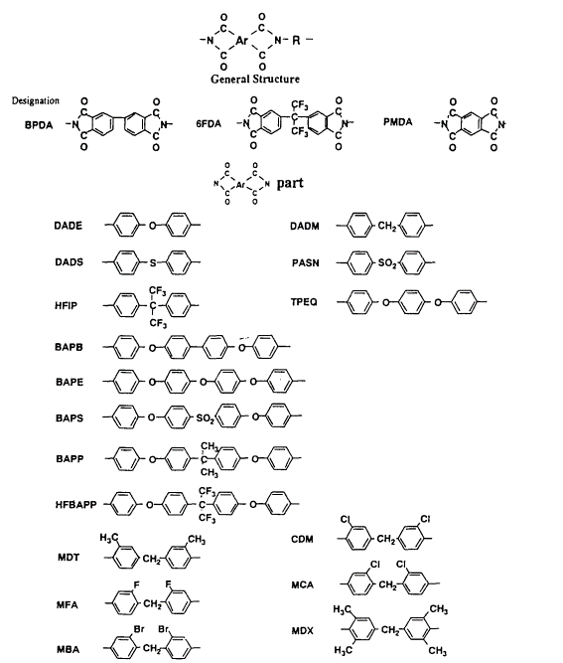
Reference | 1~100
NO. | DOI
1 | https://doi.org/10.1016/S0376-7388(96)00182-2
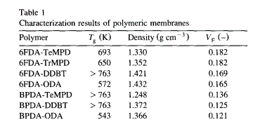

2 | https://doi.org/10.1002/pi.4980200505


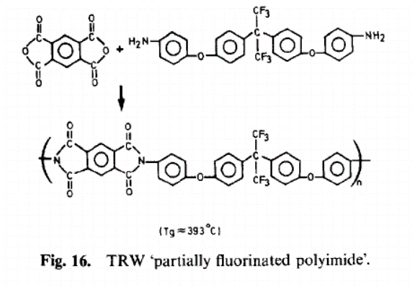

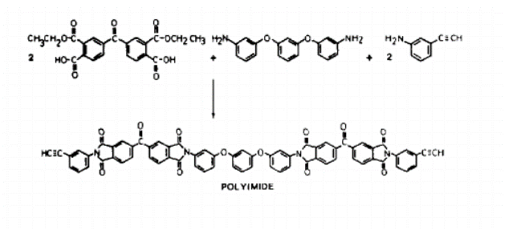

3 | https://doi.org/10.1146/annurev.matsci.28.1.599

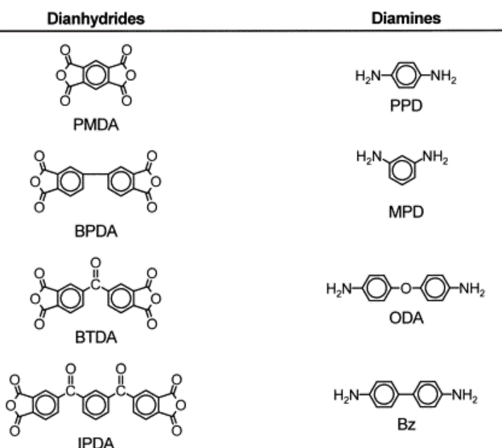
4 | https://doi.org/10.1016/S0079-6700(00)00043-5
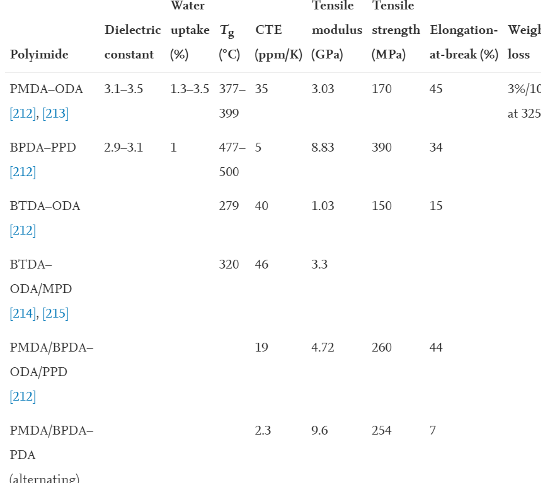

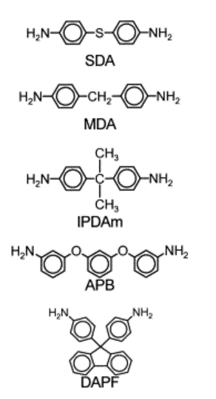
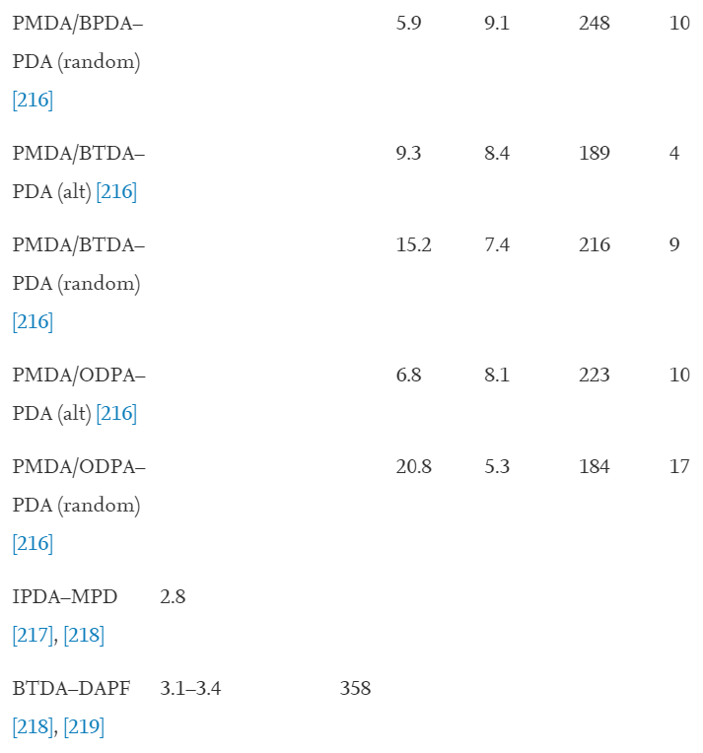

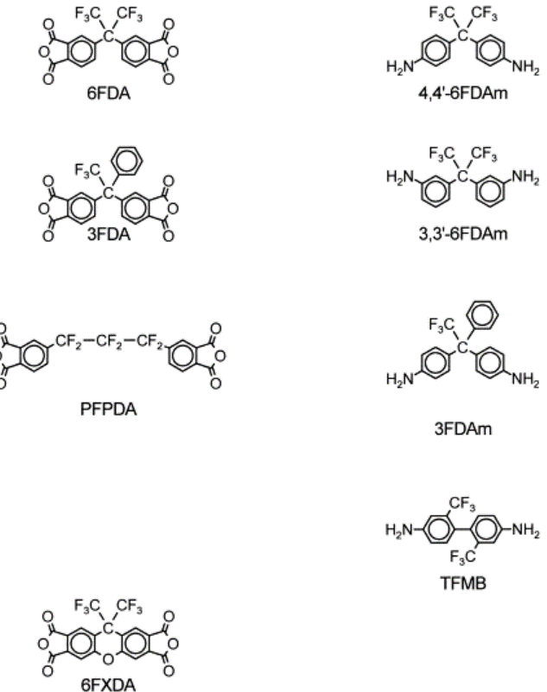

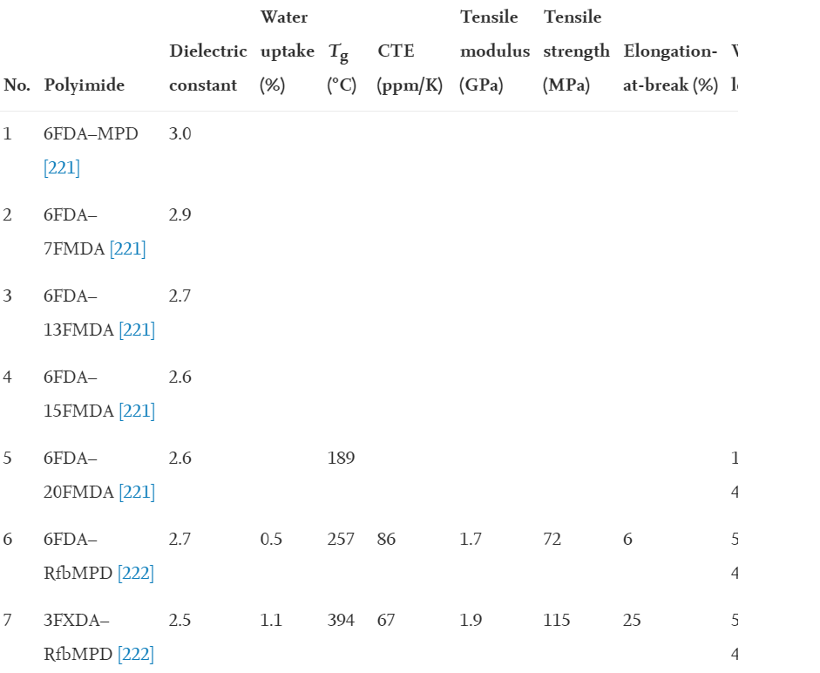

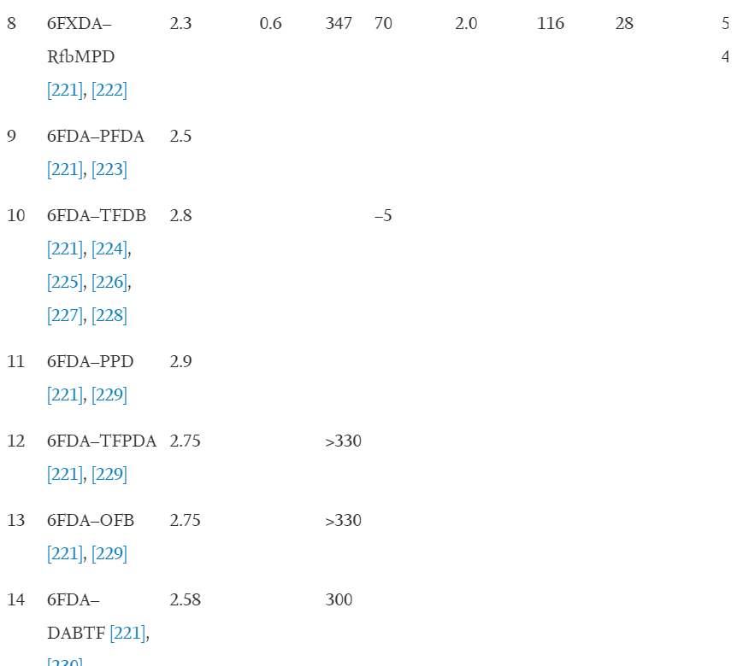

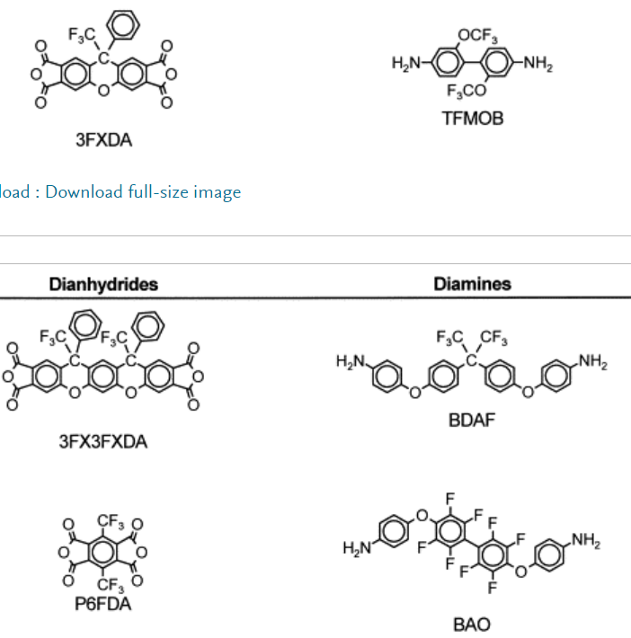

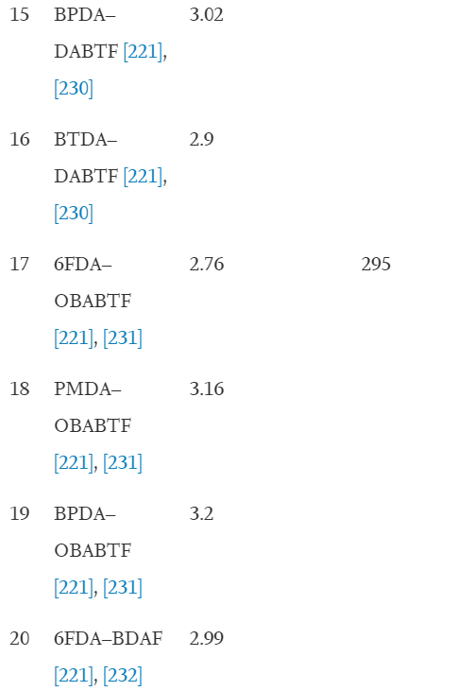



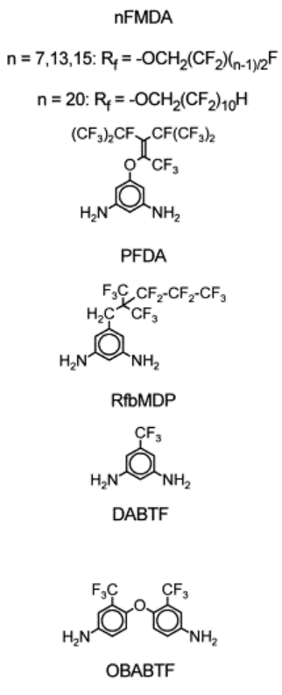

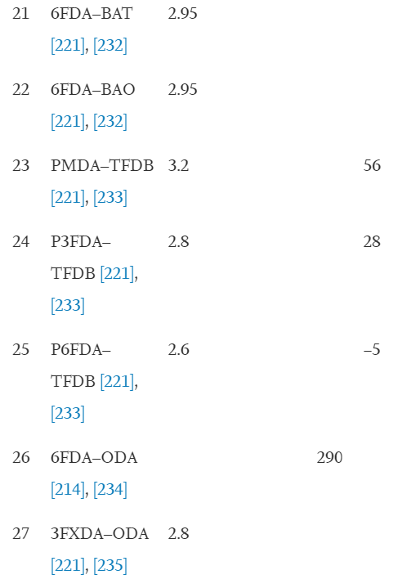
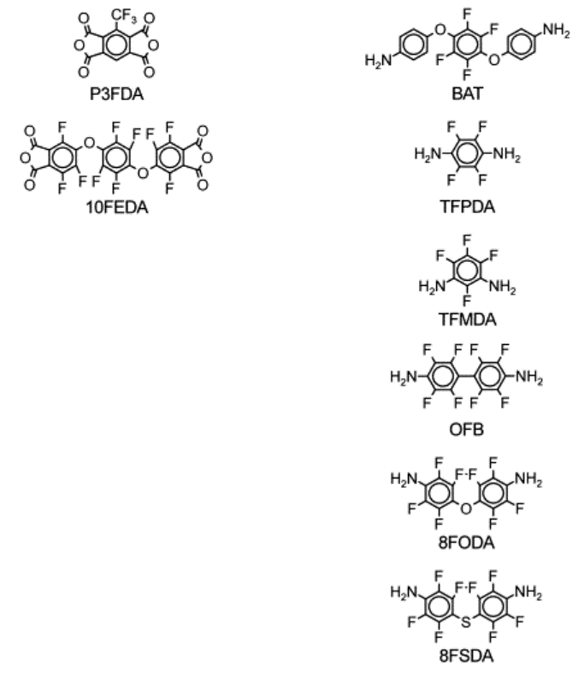

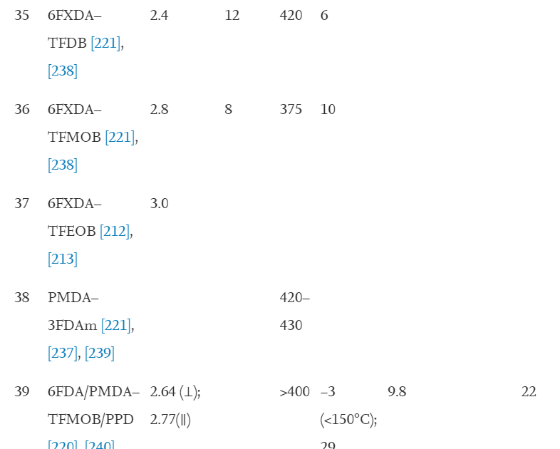

5 | https://doi.org/10.1016/0376-7388(95)00172-7

data
Polyimide structure and performance data
NO. | polyimide |  | Tg/℃ | λcutoff/nm | reference (please fill in, thank you) | Remark | Other properties
 | Diamine | Dianhydride |  |  | "paper doi number"or "original URL" or "book name + page number"
1.1 |  |  |  |  | https://doi.org/10.1016/S0376-7388(96)00182-2
 |  |  | 420

1.2 |  |  | 377

1.3 |  |  | >490

1.4 |  |  | 299

1.5 |  |  | >490

1.6 |  |  | >490

1.7 |  |  | 270


2.1 |  |  | 352 |  | https://doi.org/10.1002/pi.4980200505

2.2 |  |  | 393

2.3 |  |  | 316

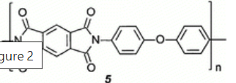
3.1 |  |  | 360 |  | https://doi.org/10.1146/annurev.matsci.28.1.599

 |  |  | 371
3.2

3.3

4.1 |  |  | 377-399 |  | https://doi.org/10.1016/S0079-6700(00)00043-5

4.2 |  |  | 477-500

 |  |  | 279
4.3

 |  |  |  |  | 53排
4.4 |  |  | 320

4.5 |  |  | 358

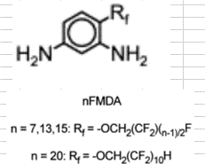

4.6 |  |  | 189 |  |  | 6FDA-20FMDA

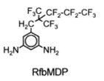
4.7 |  |  | 257


4.8 |  |  | 394

4.9 |  |  | 347

4.10 |  |  | >330

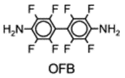
4.11 |  |  | >330

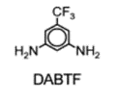
4.12 |  |  | 300

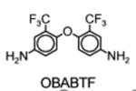
4.13 |  |  | 295

4.14 |  |  | 290

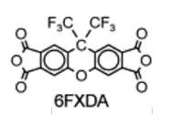
4.15 |  | TFDB? | 420 |  | 99排

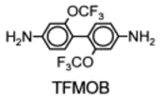
4.16 |  |  | 375


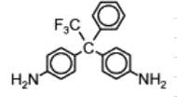
4.17 |  |  | 420-430

4.18 |  |  | >400

5.1 |  |  | 257 |  | https://doi.org/10.1016/0376-7388(95)00172-7

5.2 |  |  | 292

5.3 |  |  | 290

5.4 |  |  | 325

5.5 |  |  | 320

5.6 |  |  | 259

5.7 |  |  | 246

5.8 |  |  | 231

5.9 |  |  | 284

5.10 |  |  | 249

5.11 |  |  | 256

5.12 |  |  | 317

5.13 |  |  | 308

5.14 |  |  | 285

5.15 |  |  | 289

5.16 |  |  | 295

5.17 |  |  | 319

5.18 |  |  | 294

5.19 |  |  | 296

5.20 |  |  | 251

5.21 |  |  | 288

5.22 |  |  | 290

5.23 |  |  | 306

