reference
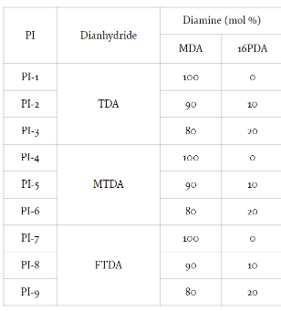
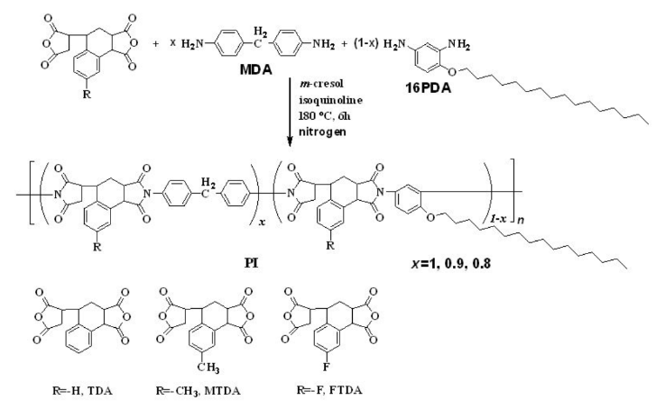
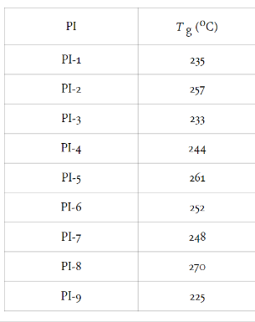
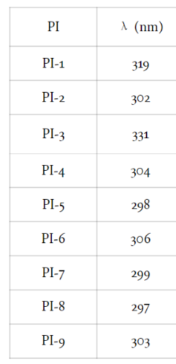
Reference | 1~100
NO. | DOI
2108 | https://doi.org/10.1039/C8TA00377G

2111 | https://doi.org/10.1002/14356007.a21_449.pub4
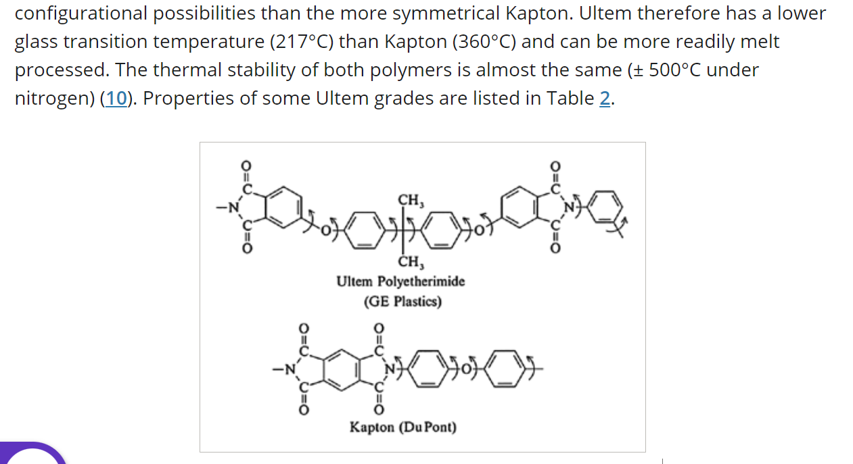

2183 | 10.5772/51182

data
Polyimide structure and performance data
NO. | polyimide |  | Tg/℃ | λcutoff/nm | reference (please fill in, thank you) | Remark | Other properties
 | Diamine | Dianhydride |  |  | "paper doi number"or "original URL" or "book name + page number"

 |  |  |  |  | https://doi.org/10.1039/C8TA00377G
2108.1 |  |  | 260

2108.2 |  |  | 250

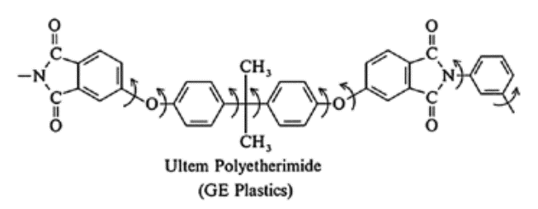
2111.1 |  |  | 217 |  | https://doi.org/10.1002/14356007.a21_449.pub4

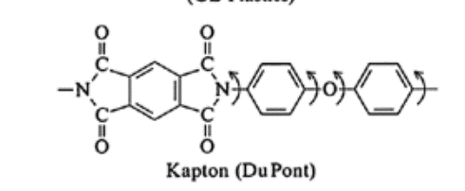
2111.2 |  |  | 360

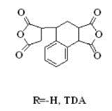
2183.1
 |  |  | 235 | 319 | 10.5772/51182

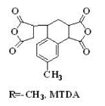
 |  |  | 244 | 304
2183.2

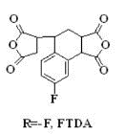
2183.3 |  |  | 248 | 299

