reference
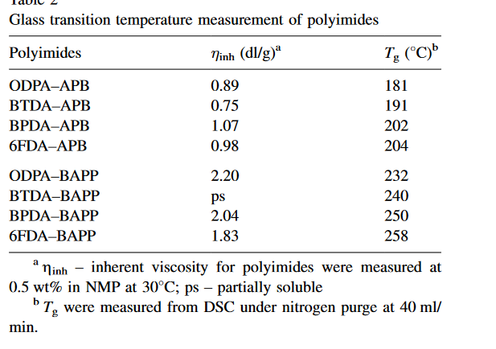
Reference | 1~100
NO. | DOI
1 | https://doi.org/10.1002/(SICI)1521-4044(19990901)50:9%3C332::AID-APOL332%3E3.0.CO;2-1
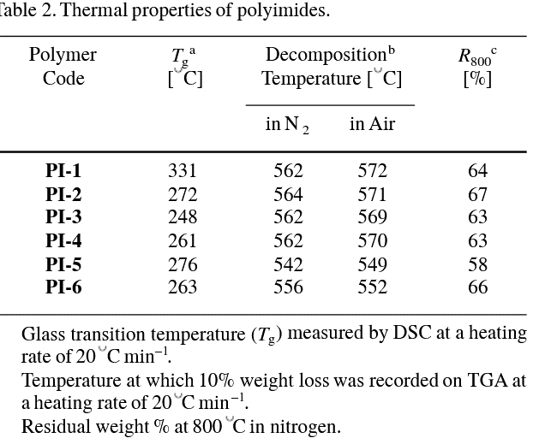

2 | https://doi.org/10.1002/pi.4421
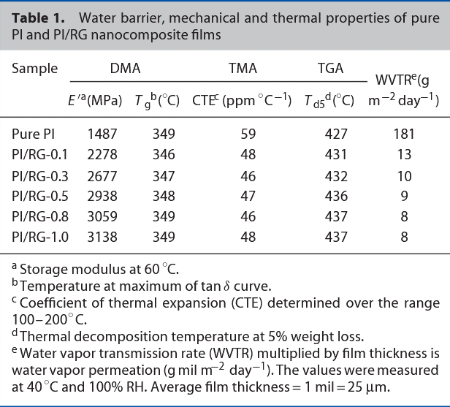

3 | https://doi.org/10.1016/j.polymer.2008.12.001
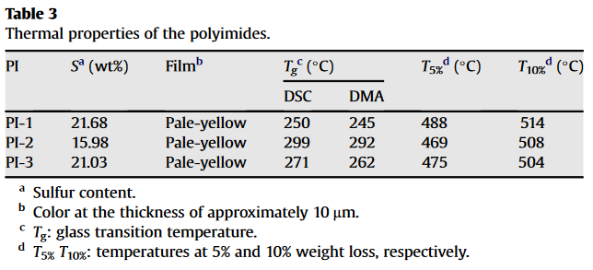

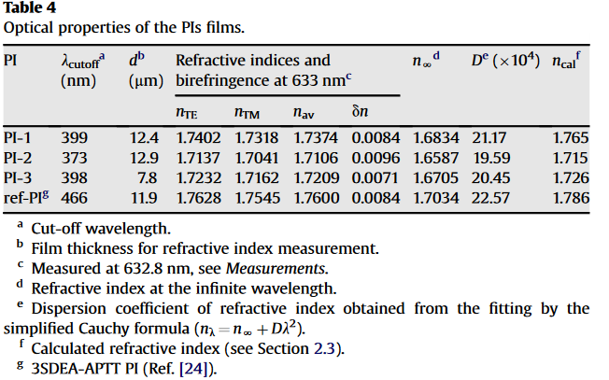

4 | https://doi.org/10.1002/app.38709
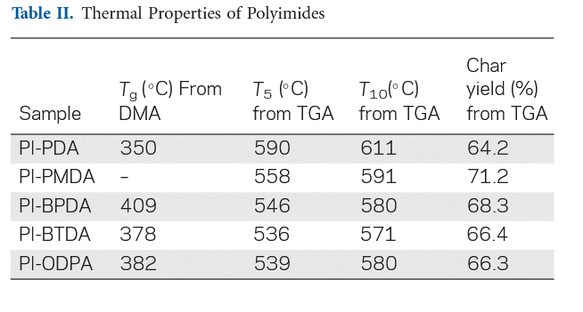

5 | https://doi.org/10.1088%2F0954-0083%2F12%2F3%2F302
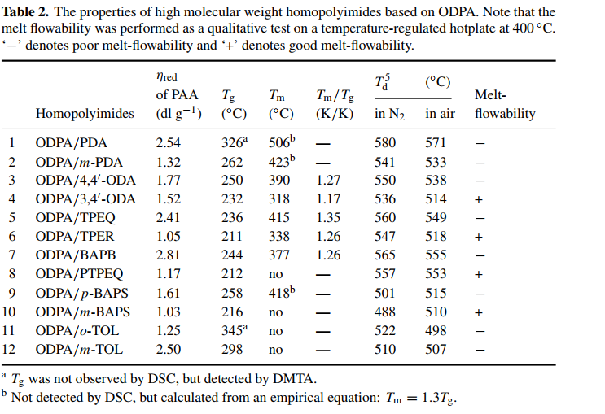

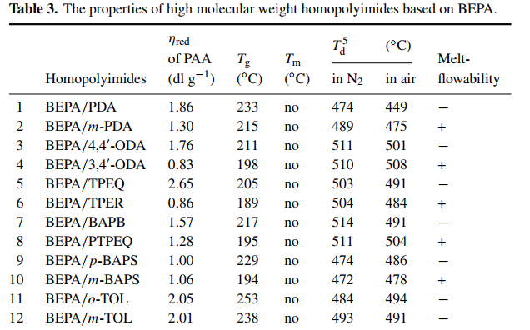

6 | https://doi.org/10.1002/pola.23817

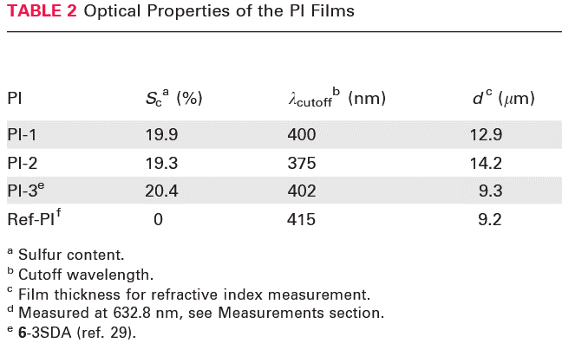

7 | https://doi.org/10.1002/app.24616
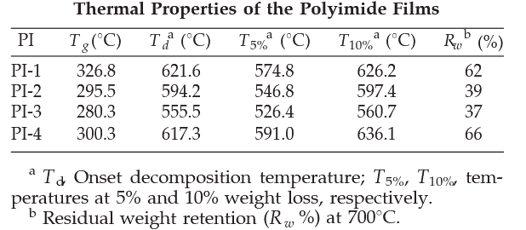

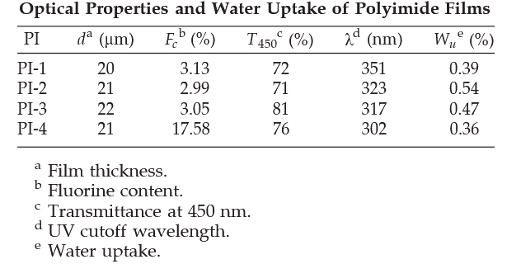

8 | https://doi.org/10.1002/cjoc.201400587

9 | https://doi.org/10.1002/pola.10493
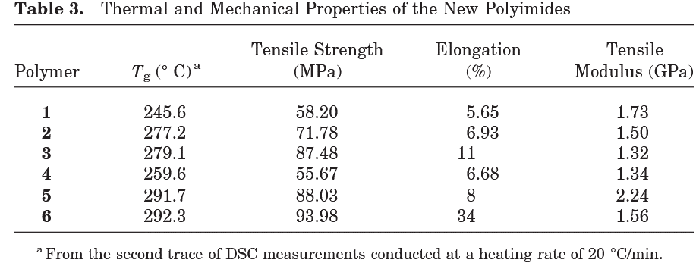

10 | https://doi.org/10.1002/pola.20116
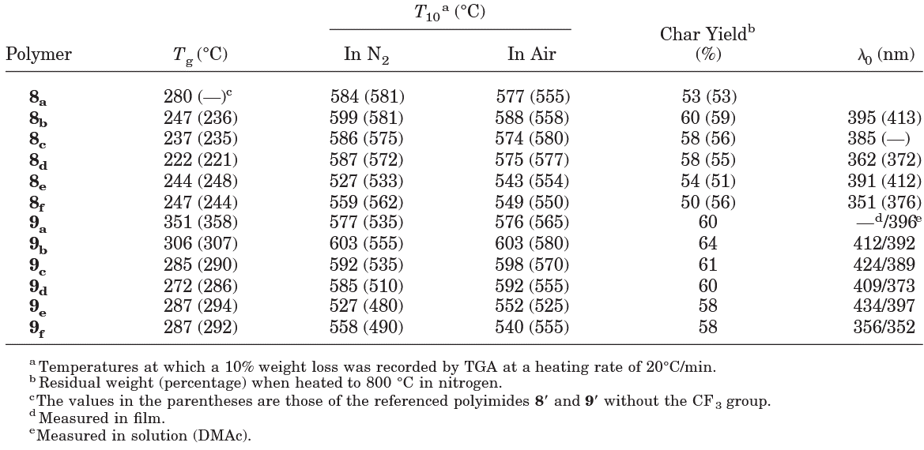

11 | https://doi.org/10.1016/j.memsci.2017.10.015

12 | https://doi.org/10.1007/s00396-002-0798-5
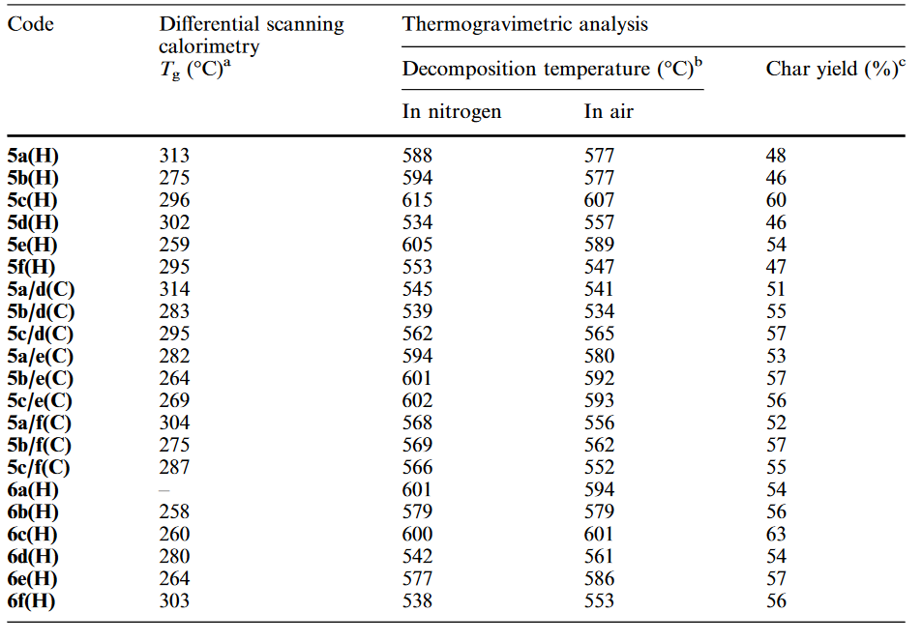

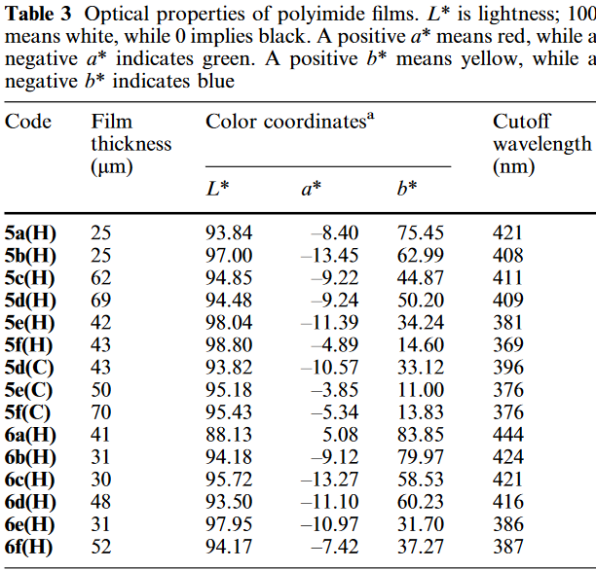

13 | https://doi.org/10.1088%2F0954-0083%2F13%2F2%2F308

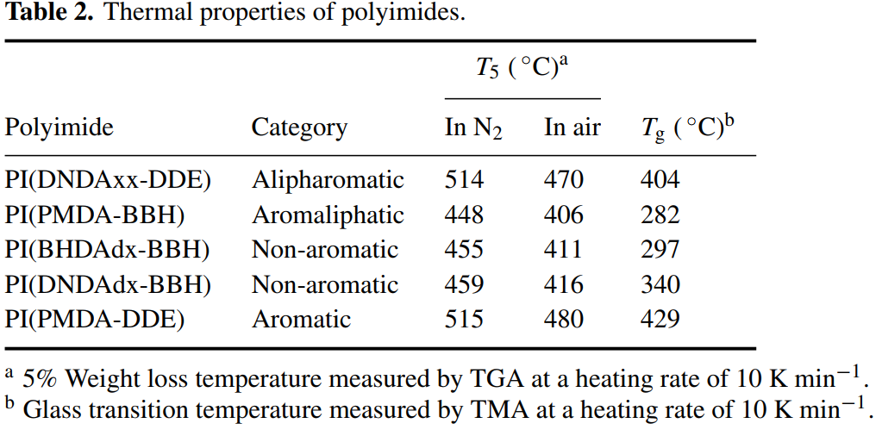

14 | https://doi.org/10.1007/s10853-012-6363-9
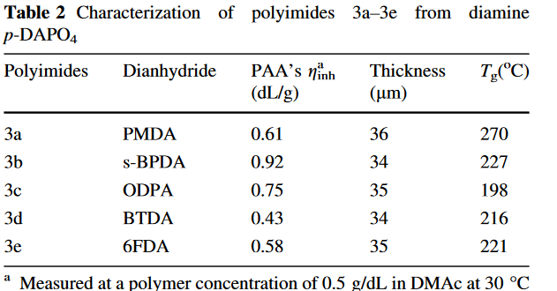

15 | https://doi.org/10.1002/pi.2209
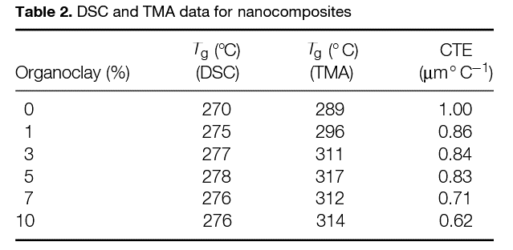

16 | https://doi.org/10.1016/j.eurpolymj.2013.08.002
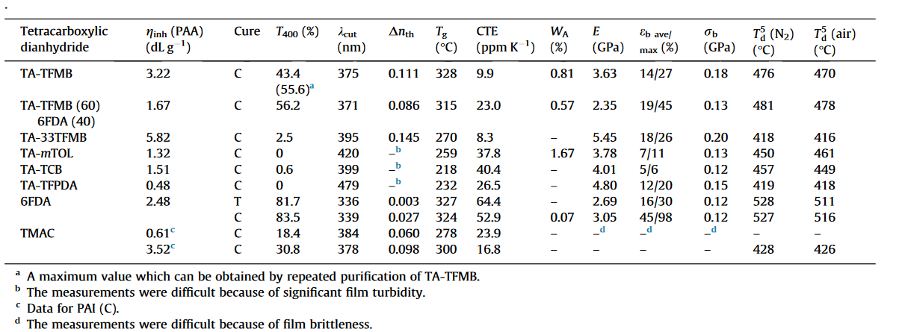

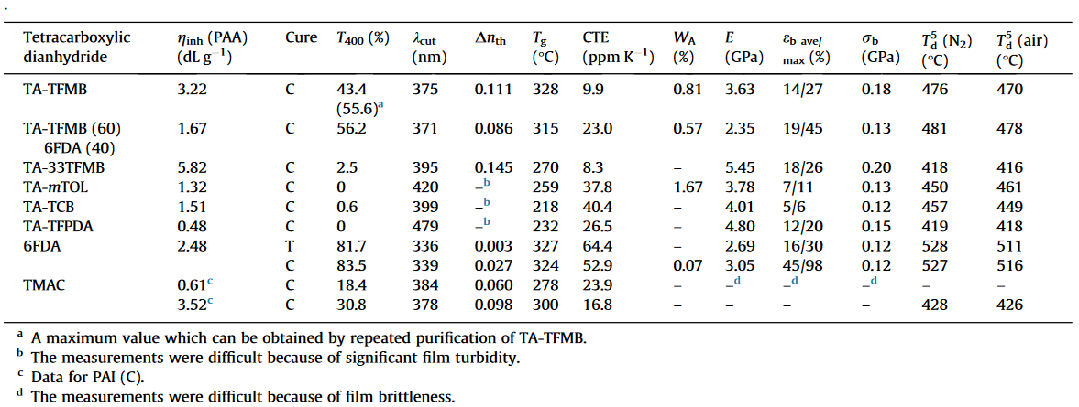

17 | https://doi.org/10.1002/app.25540
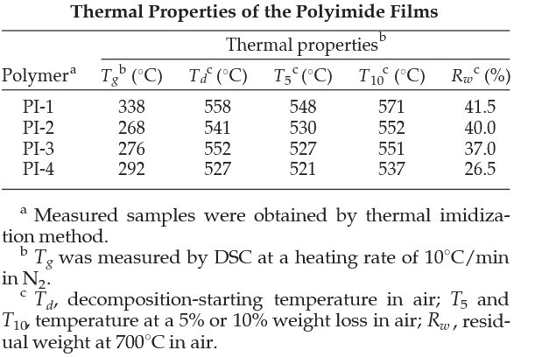

18 | https://doi.org/10.1016/j.tsf.2007.02.015
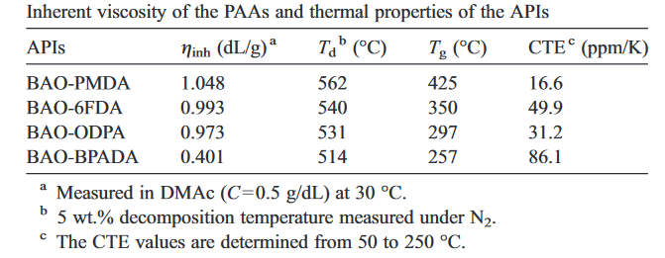

19 | https://doi.org/10.1002/pi.4532
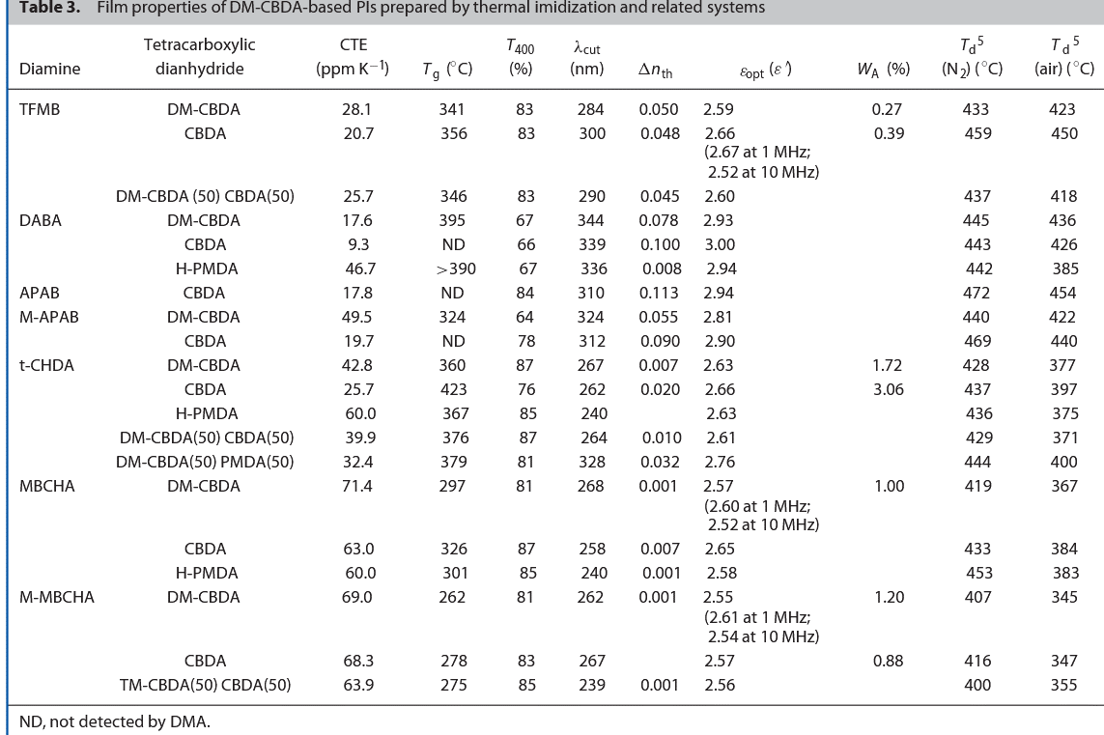

20 | https://doi.org/10.1016/j.polymer.2010.07.023

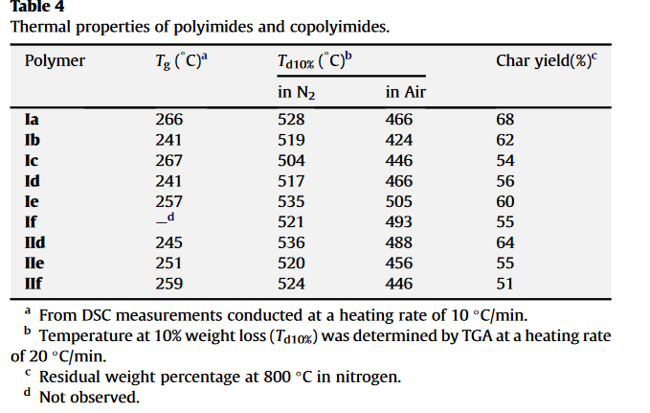

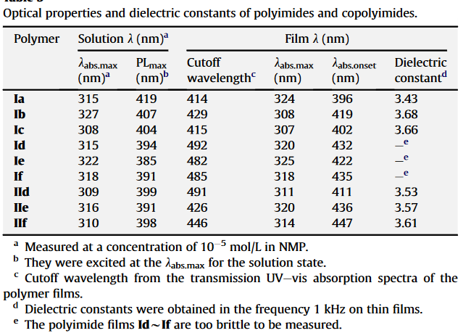

21 | https://doi.org/10.1021/ma0713714
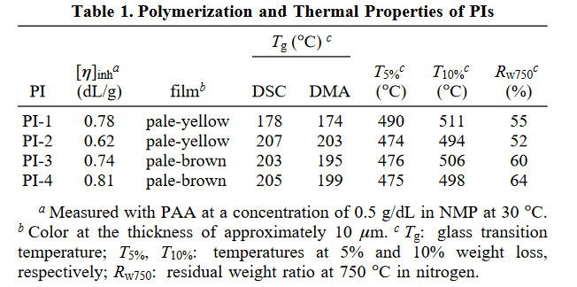

22 | https://doi.org/10.1016/S0040-6031(99)00266-X

data
Polyimide structure and performance data
NO. | polyimide |  | Tg/℃ | λcutoff/nm | reference (please fill in, thank you) | Remark | Other properties
 | Diamine | Dianhydride |  |  | "paper doi number"or "original URL" or "book name + page number"
1 |  |  |  |  | https://doi.org/10.1002/(SICI)1521-4044(19990901)50:9%3C332::AID-APOL332%3E3.0.CO;2-1
1.1 |  |  |  |  | https://doi.org/10.1002/(SICI)1521-4044(19990901)50:9%3C332::AID-APOL332%3E3.0.CO;2-1

 |  |  | 331

1.2
 |  |  | 272

1.3

 |  |  | 248

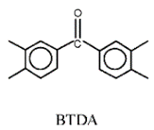

 |  |  | 261

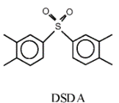
1.4

 |  |  | 276

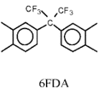
1.5
 |  |  | 263 |  | https://doi.org/10.1002/(SICI)1521-4044(19990901)50:9%3C332::AID-APOL332%3E3.0.CO;2-1

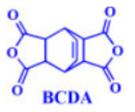
2 |  |  |  |  | https://doi.org/10.1002/pi.4421
 |  |  |  |  |  | Pure polymer
 |  |  |  |  | https://doi.org/10.1002/pi.4421
 |  |  | 349

 |  |  |  |  |  | polymer modified with reduced graphene (RG wt% = 0.1)
 |  |  | 346

 |  |  |  |  | 重复

 |  |  |  |  |  | polymer modified with reduced graphene (RG wt% = 0.3)
 |  |  | 347

 |  |  | 348 |  |  | polymer modified with reduced graphene (RG wt% = 0.5)

 |  |  | 349 |  |  | polymer modified with reduced graphene (RG wt% = 0.8)

 |  |  | 349 |  | https://doi.org/10.1002/pi.4421 | polymer modified with reduced graphene (RG wt% = 1.0)

3 |  |  |  |  | https://doi.org/10.1016/j.polymer.2008.12.001

 |  |  | 250 | 399 | https://doi.org/10.1016/j.polymer.2008.12.001

 |  |  | 299 | 377 | https://doi.org/10.1016/j.polymer.2008.12.001

 |  |  | 271 | 398 | https://doi.org/10.1016/j.polymer.2008.12.001

4 |  |  |  |  | https://doi.org/10.1002/app.38709
4.1
 |  |  | 350 |  | https://doi.org/10.1002/app.38709 | BIA refers to 6,4’-diamino-2-phenylbenzimidazole

4.2

 |  |  | ND |  |  | ND = not detected

4.3
 |  |  | 409

4.4 |  |  |  |  | https://doi.org/10.1002/app.38709
 |  |  | 378

 |  |  | 382

5 |  |  |  |  | https://doi.org/10.1088%2F0954-0083%2F12%2F3%2F302

5.1 |  |  |  |  | https://doi.org/10.1088%2F0954-0083%2F12%2F3%2F302
 |  |  | 233

5.2 |  |  | 262

5.3 |  |  | 250

5.4 |  |  | 232

5.5
 |  |  | 236

5.6
 |  |  | 211

5.7
 |  |  | 244

5.8
 |  |  | 212

5.9 |  |  | 258

5.10
 |  |  | 216

5.11 |  |  | 345

5.12
 |  |  | 298

5.13
 |  |  | 233

5.14
 |  |  | 215

5.15 |  |  | 211

5.16
 |  |  | 198

5.17
 |  |  | 205

5.18

 |  |  | 189

5.19
 |  |  | 217

5.20

 |  |  | 195

5.21
 |  |  | 229

5.22

 |  |  | 194

5.23

 |  |  | 253

5.24

 |  |  | 238 |  | https://doi.org/10.1088%2F0954-0083%2F12%2F3%2F302

6 |  |  |  |  | https://doi.org/10.1002/pola.23817
6.1
 |  |  | 197 | 400 | https://doi.org/10.1002/pola.23817 | Diamine = 4,4’-thiobis[2’’-methyl-4’’-(p-phe-nylenesulfanyl)aniline
 |  |  |  |  |  | Dianhydride= 4,4’-[p-thiobis(phenylsulfanyl)]diphthalic anhydride

6.2
 |  |  | 218 | 372 |  | Diamine = 4,4’-thiobis[2,’’6’’-dimethyl-4’’-(p-phenylenesulfanyl)aniline
 |  |  |  |  |  | Dianhydride= 4,4’-[p-thiobis(phenylsulfanyl)]diphthalic anhydride

6.3 |  |  | 179 | 402 | https://doi.org/10.1002/pola.23817 | Diamine = 4,4’-thiobis[(p-phenylenesulfanyl)aniline] (3SDA)
 |  |  |  |  |  | Dianhydride = 4,4 -[p-thiobis(phenylenesulfanyl)]diphthalic anhydride

7 |  |  |  |  | https://doi.org/10.1002/app.24616

 |  |  | 362.8 | 351 | https://doi.org/10.1002/app.24616

 |  |  | 295.5 | 323

 |  |  | 280.3 | 317

 |  |  | 300.3 | 302 | https://doi.org/10.1002/app.24616

8 |  |  |  |  | https://doi.org/10.1002/cjoc.201400587

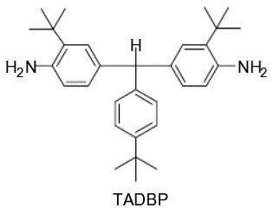
 |  |  | 347 | 336 | https://doi.org/10.1002/cjoc.201400587

 |  |  | 325 | 324 | https://doi.org/10.1002/cjoc.201400587

 |  |  | 298 | 356

 |  |  | 310 | 323

 |  |  | 305 | 302 | https://doi.org/10.1002/cjoc.201400587

9 |  |  |  |  | https://doi.org/10.1002/pola.10493

9.1 |  |  |  |  | https://doi.org/10.1002/pola.10493

 |  |  | 245.6

9.2
 |  |  |  |  |  | BTPD = 1,4-bis(4’-trimethylsilylphenyl)pyromelliticdianhydride

 |  |  | 277.2

9.3

 |  |  | 279.1

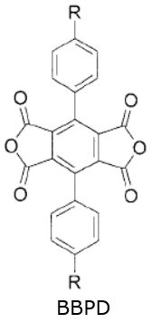

9.4

 |  |  | 259.6

 |  |  |  |  |  | BBPD = 1,4-bis(4’-t-butylphenyl)pyromellitic dianhydride

9.5

 |  |  | 291.7

9.6

 |  |  | 292.3 |  | https://doi.org/10.1002/pola.10493

10 |  |  |  |  | https://doi.org/10.1002/pola.20116
 |  |  |  |  |  | Name of the diamine is 2,2’-Bis(4-amino-2-trifluoromethylphenoxy)biphenyl
10.1 |  |  | 280 |  | https://doi.org/10.1002/pola.20116

10.2 |  |  | 247

10.3 |  |  | 237

10.4
 |  |  | 222

10.5 |  |  | 244

10.6 |  |  | 247

10.7
 |  |  | 351
 |  |  |  |  |  | Name of the diamine is 2,2’-Bis(4-amino-2-trifluoromethylphenoxy)-1,1’-binaphthyl

10.8 |  |  | 306

10.9
 |  |  | 285

10.10

 |  |  | 272

10.11

 |  |  | 287

10.12
 |  |  | 287 |  | https://doi.org/10.1002/pola.20116

11 |  |  |  |  | https://doi.org/10.1016/j.memsci.2017.10.015
11.1 |  |  |  |  | https://doi.org/10.1016/j.memsci.2017.10.015
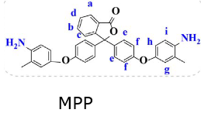
 |  |  | 278 |  | https://doi.org/10.1016/j.memsci.2017.10.015

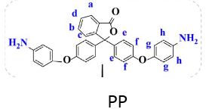
11.2
 |  |  | 274 |  | https://doi.org/10.1016/j.memsci.2017.10.015

12 |  |  |  |  | https://doi.org/10.1007/s00396-002-0798-5 | Name of the diamine is 2-trifluoromethyl-4,4'-diaminodiphenyl ether

12.1 |  |  | 313 | 421 | https://doi.org/10.1007/s00396-002-0798-5

12.2
 |  |  | 275 | 408

12.3
 |  |  | 296 | 411

12.4
 |  |  | 302 | 409

12.5
 |  |  | 259 | 381

12.6

 |  |  | 295 | 369

12.7

 |  |  | 314

12.8

 |  |  | 283

12.9

 |  |  | 295

12.10

 |  |  | 282

12.11

 |  |  | 264

12.12

 |  |  | 269

12.13

 |  |  | 304

12.14

 |  |  | 275

12.15

 |  |  | 285

12.16
 |  |  | ND | 444

12.17

 |  |  | 258 | 424

12.18
 |  |  | 260 | 421

12.19
 |  |  | 280 | 416

12.20
 |  |  | 264 | 386

12.21
 |  |  | 303 | 387 | https://doi.org/10.1007/s00396-002-0798-5

 |  |  |  |  | https://doi.org/10.1088%2F0954-0083%2F13%2F2%2F308
13
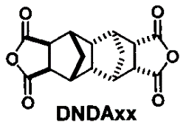
13.1 |  |  | 404 |  | https://doi.org/10.1088%2F0954-0083%2F13%2F2%2F308

13.2

 |  |  | 282

13.3

 |  |  | 297

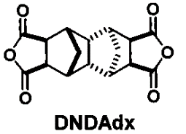
13.4

 |  |  | 340

13.5
 |  |  | 290
 |  |  |  |  | https://doi.org/10.1088%2F0954-0083%2F13%2F2%2F308

14 |  |  |  |  | https://doi.org/10.1007/s10853-012-6363-9
14.1

 |  |  | 270

14.2
 |  |  | 227
 |  |  |  |  | https://doi.org/10.1007/s10853-012-6363-9

14.3
 |  |  | 198

14.4
 |  |  | 216

14.5

 |  |  | 221 |  | https://doi.org/10.1007/s10853-012-6363-9

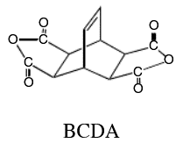
15 |  |  |  |  | https://doi.org/10.1002/pi.2209
15.1
 |  |  | 289 |  | https://doi.org/10.1002/pi.2209 | without Organo clay

15.2
 |  |  |  |  |  | with 1% Organo clay
 |  |  | 296

15.3
 |  |  |  |  |  | with 3% Organo clay
 |  |  | 311

15.4
 |  |  |  |  |  | with 5% Organo clay
 |  |  | 317

15.5
 |  |  |  |  |  | with 7% Organo clay

 |  |  | 312

15.6
 |  |  |  |  |  | with 10% Organo clay
 |  |  | 314 |  | https://doi.org/10.1002/pi.2209

16 |  |  |  |  | https://doi.org/10.1016/j.eurpolymj.2013.08.002
16.1 |  |  | 261 | 349 | https://doi.org/10.1016/j.eurpolymj.2013.08.002

16.2
 |  |  |  |  |  | TA-TFBP(60%) amd s-BPDA (40%)
 |  |  | 270 | 365 | https://doi.org/10.1016/j.eurpolymj.2013.08.002

16.3

 |  |  | 277 | 378 | https://doi.org/10.1016/j.eurpolymj.2013.08.002 | TA-TFBP(70%) amd NTDA (30%)

16.4
 |  |  | 328 | 375 |  | TA-TFMB (60%) and 6FDA (40%)

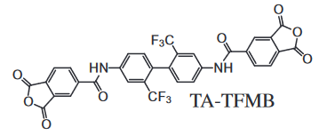
16.5
 |  |  | 315 | 371

16.6 |  |  | 270 | 395

16.7
 |  |  | 259 | 420

16.8
 |  |  | 218 | 399

16.9 |  |  | 232 | 479

16.10
 |  |  | 327 | 336

16.11 |  |  | 300 | 378

17 |  |  |  |  | https://doi.org/10.1002/app.25540

17.1
 |  |  | 338 |  | https://doi.org/10.1002/app.25540

17.2
 |  |  | 268

17.3

 |  |  | 276

17.4

 |  |  | 292 |  | https://doi.org/10.1002/app.25540

18 |  |  |  |  | https://doi.org/10.1016/j.tsf.2007.02.015
18.1

 |  |  | 425 |  | https://doi.org/10.1016/j.tsf.2007.02.015

18.2

 |  |  | 350 |  | https://doi.org/10.1016/j.tsf.2007.02.015

18.3

 |  |  | 297 |  | https://doi.org/10.1016/j.tsf.2007.02.015

18.4

 |  |  | 257 |  | https://doi.org/10.1016/j.tsf.2007.02.015

19 |  |  |  |  | https://doi.org/10.1002/pi.4532
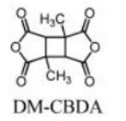
19.1
 |  |  | 341 | 284 | https://doi.org/10.1002/pi.4532

19.2
 |  |  | 356 | 300

19.3 |  |  | 346 | 290
 |  |  |  |  |  | DM-CBDA(50) CBDA(50)

19.4
 |  |  | 395 | 344

19.5
 |  |  | ND | 339

19.6 |  |  | >390 | 336

19.7 |  |  | ND | 310

19.8 |  |  | 324 | 324

19.9
 |  |  | ND | 312

19.10 |  |  | 360 | 267

19.11
 |  |  | 423 | 262

19.12
 |  |  | 367 | 240

19.13
 |  |  | 376 | 328 |  | DM-CBDA(50) CBDA(50)

19.14
 |  |  | 379 | 328
 |  |  |  |  |  | DM-CBDA(50) PMDA(50)

19.15
 |  |  | 297 | 268

19.16
 |  |  | 326 | 258

19.17 |  |  | 301 | 240

 |  |  | 262 | 262
19.18

19.19 |  |  | 278 | 267

19.20
 |  |  |  |  |  | TM-CBDA(50) CBDA(50)
 |  |  | 275 | 239

19.21
 |  |  | 335 | 294 |  | TFMB(80) and 4,4'-ODA(20) with DM-CDA(90) and H-BTA(10)

19.22
 |  |  | 324 | 292 | https://doi.org/10.1002/pi.4532 | TFMB(80) and TFODA(20) with DM-CDA(90) and H-BTA(10)

20 |  |  |  |  | https://doi.org/10.1016/j.polymer.2010.07.023
 |  |  |  |  |  | Name of the diamine is N,N,-bis(4-aminohenyl)-N’,N’-bis[4-(2-phenyl-2-isopropyl)phenyl]-1,4-phenylene-diamine

 |  |  | 266 | 414 | https://doi.org/10.1016/j.polymer.2010.07.023

 |  |  | 241 | 429

 |  |  | 267 | 415

 |  |  | 241 | 492

 |  |  | 257 | 482

 |  |  | ND | 485

 |  |  | 245 | 491

 |  |  | 251 | 426

 |  |  | 259 | 446 | https://doi.org/10.1016/j.polymer.2010.07.023

21 |  |  |  |  | https://doi.org/10.1021/ma0713714

21.1
 |  |  | 178 | 374 | https://doi.org/10.1021/ma0713714

21.2

 |  |  | 207 | 365

21.3
 |  |  | 203 | 380

21.4
 |  |  | 205 | 385 | https://doi.org/10.1021/ma0713714

22 |  |  |  |  | https://doi.org/10.1016/S0040-6031(99)00266-X
22.1

 |  |  | 181 |  | https://doi.org/10.1016/S0040-6031(99)00266-X

22.2
 |  |  | 191

22.3 |  |  | 202

22.4
 |  |  | 204

22.5
 |  |  | 232

22.6

 |  |  | 240

22.7

 |  |  | 250

22.8

 |  |  | 258 |  | https://doi.org/10.1016/S0040-6031(99)00266-X

