reference
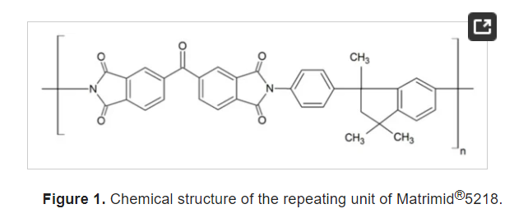
Reference | 1~100
NO. | DOI
2528 | https://doi.org/10.1002/pi.4980200507

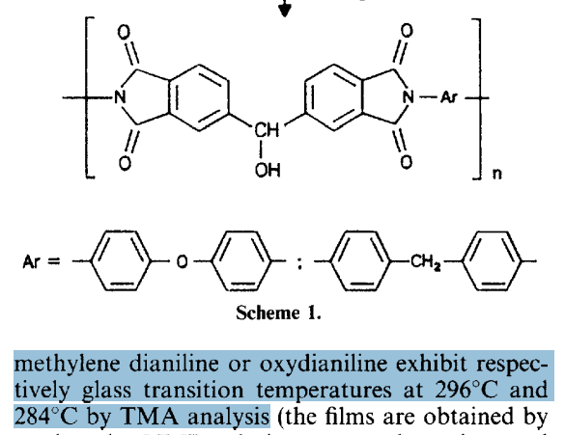

2544 | https://doi.org/10.1002/(SICI)1521-3773(19981116)37:21%3C2960::AID-ANIE2960%3E3.0.CO;2-5

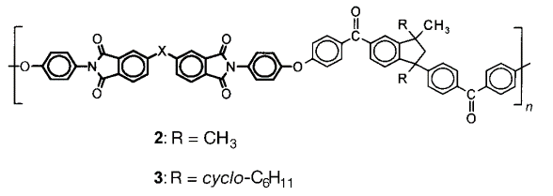
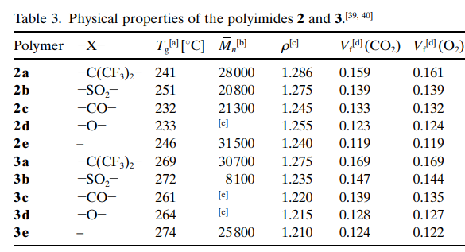

2555 | https://doi.org/10.1002/(SICI)1521-3927(20000101)21:1%3C1::AID-MARC1%3E3.0.CO;2-X

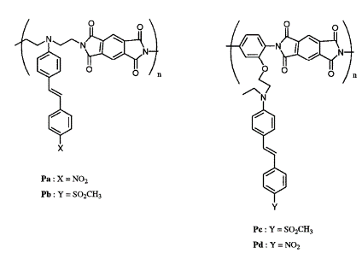
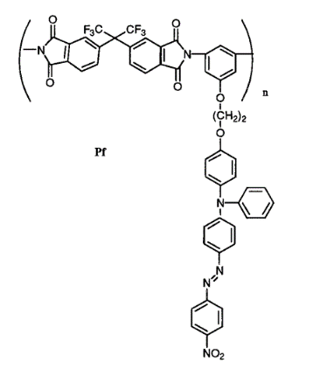

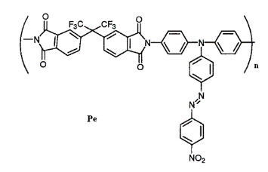

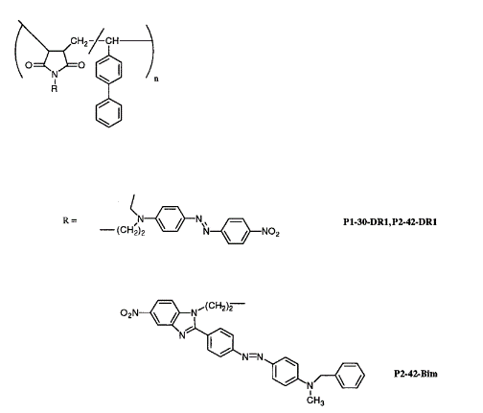
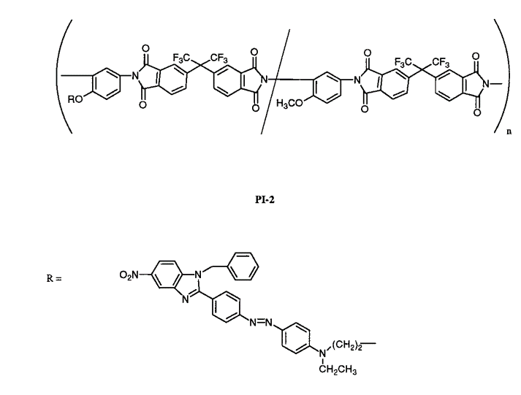
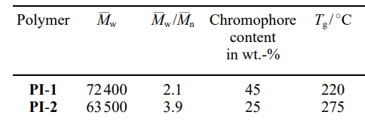

2556 | https://doi.org/10.1002/pen.760110406
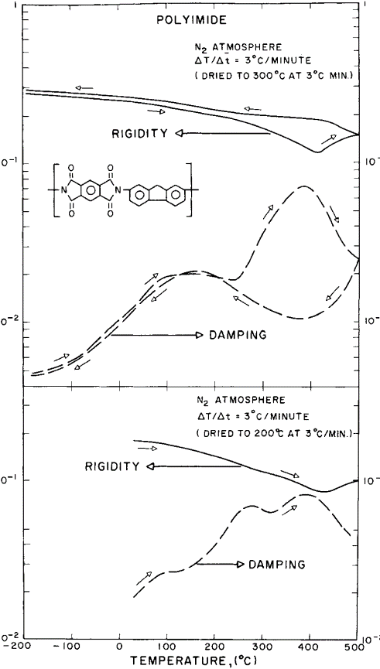

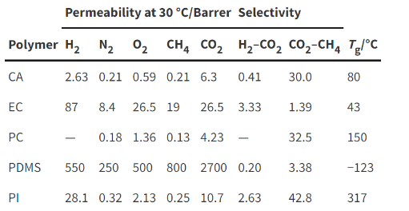
2568 | https://doi.org/10.1039/B817050A

2588 | https://doi.org/10.3390/membranes8020030

data
Polyimide structure and performance data
NO. | polyimide |  | Tg/℃ | λcutoff/nm | reference (please fill in, thank you) | Remark | Other properties
 | Diamine | Dianhydride |  |  | "paper doi number"or "original URL" or "book name + page number"

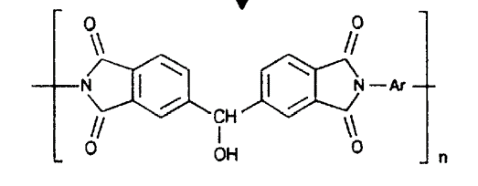
2528.01 |  |  | 284 |  | https://doi.org/10.1002/pi.4980200507

2528.02 |  |  | 296

 |  |  |  |  | https://doi.org/10.1002/(SICI)1521-3773(19981116)37:21%3C2960::AID-ANIE2960%3E3.0.CO;2-5
2544.01 |  |  | 241
2544.02 |  |  | 251
2544.03 |  |  | 232
2544.04 |  |  | 233
2544.05 |  |  | 246
2544.06 |  |  | 269
2544.07 |  |  | 272
2544.08 |  |  | 261
2544.09 |  |  | 264
2544.10 |  |  | 274

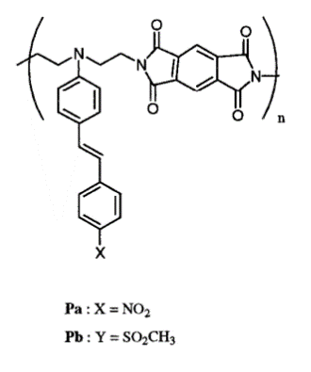

2555.01 |  |  | 230 |  | https://doi.org/10.1002/(SICI)1521-3927(20000101)21:1%3C1::AID-MARC1%3E3.0.CO;2-X | Pa
2555.02 |  |  | 250 |  |  | Pb

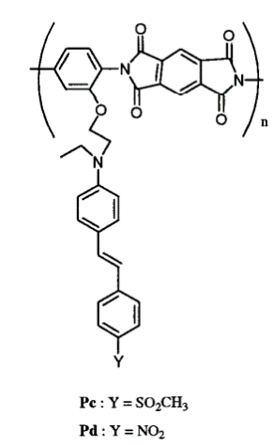
2555.03 |  |  | 240 |  |  | Pc
2555.04 |  |  | 235 |  |  | Pd

2555.05 |  |  | ~350

2555.06 |  |  | 275

2555.07

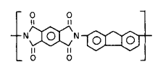
 |  |  |  |  | https://doi.org/10.1002/pen.760110406

2556 |  |  | 350/500

2568 |  |  | 317 |  | https://doi.org/10.1039/B817050A

2588 |  |  | 305-315 |  | https://doi.org/10.3390/membranes8020030

