reference
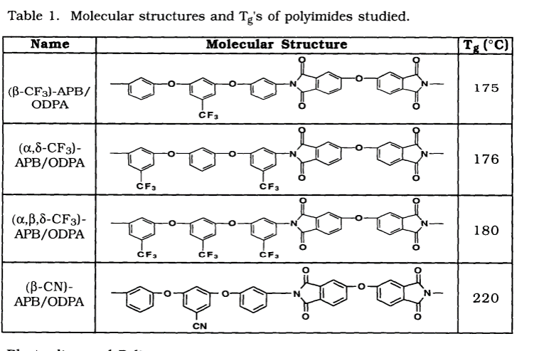
Reference | 1~100
NO. | DOI
1 | https://doi.org/10.1002/1439-2054(20010701)286:7%3C434::AID-MAME434%3E3.0.CO;2-F

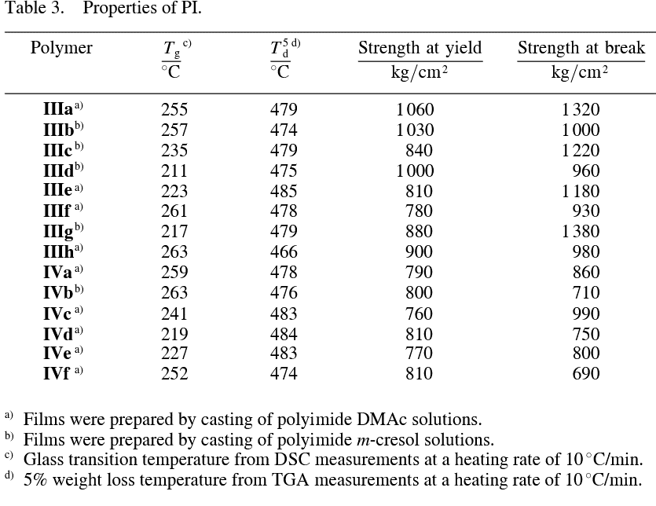

2 | https://doi.org/10.1295/polymj.33.284
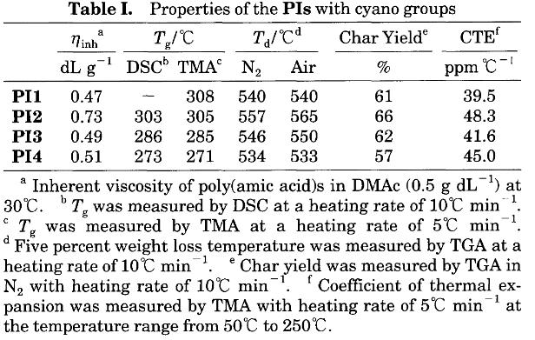

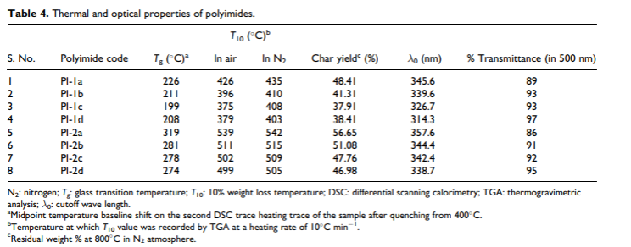
3

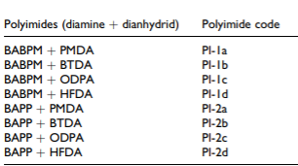

4 | https://doi.org/10.1016/j.polymer.2016.11.062

5 | https://doi.org/10.1002/app.2128
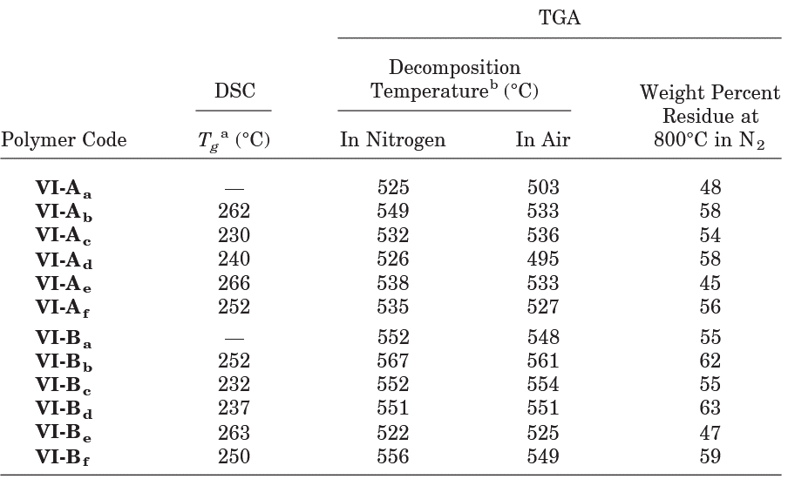

6 | https://doi.org/10.1016/S0376-7388(02)00608-7
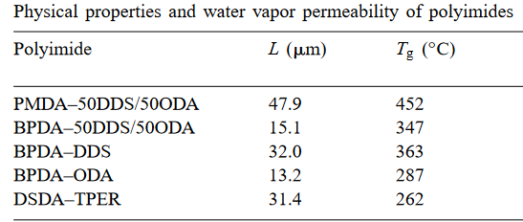

7 | https://doi.org/10.1016/j.jfluchem.2010.03.014
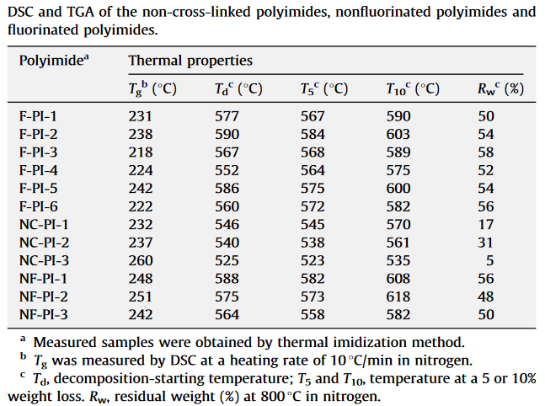

8 | https://doi.org/10.1177%2F0954008303015002003
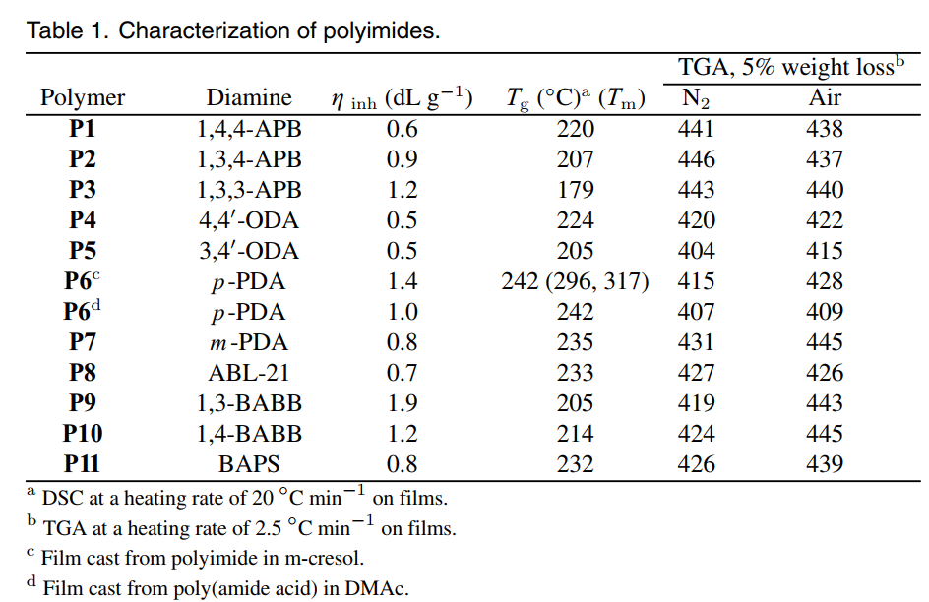

9 | https://doi.org/10.1002/cjoc.201200431
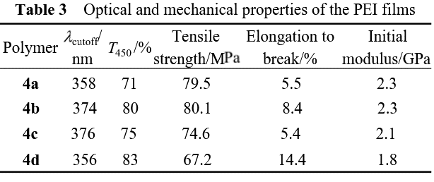

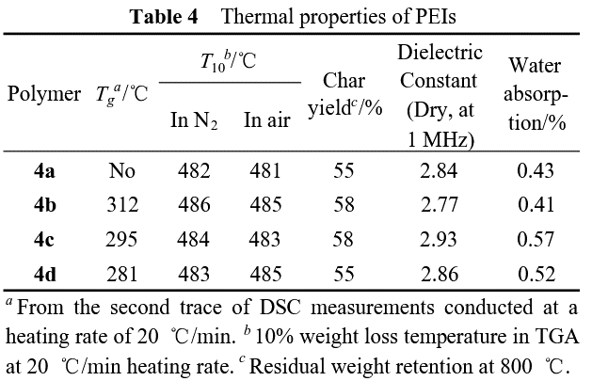

10 | https://doi.org/10.1021/cm981142j
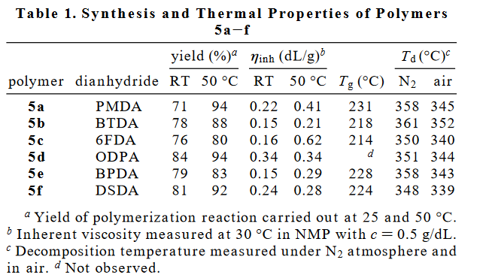

11 | https://doi.org/10.1002/pola.27933

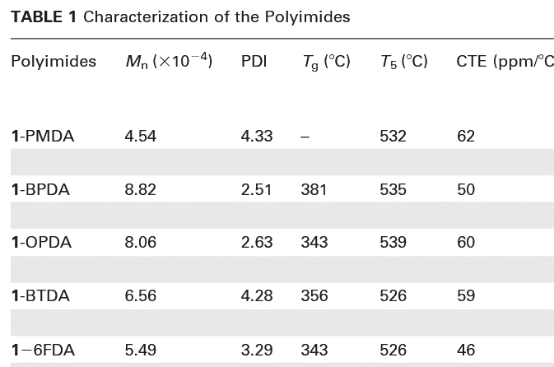

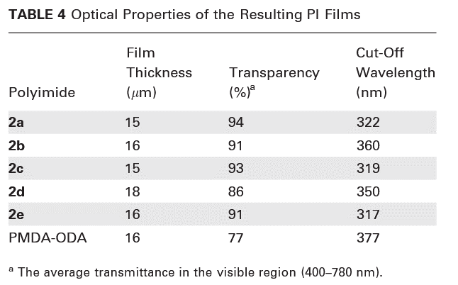

12 | https://doi.org/10.1557/PROC-413-351

data
Polyimide structure and performance data
NO. | polyimide |  | Tg/℃ | λcutoff/nm | reference (please fill in, thank you) | Remark | Other properties
 | Diamine | Dianhydride |  |  | "paper doi number"or "original URL" or "book name + page number"
1 |  |  |  |  | https://doi.org/10.1002/1439-2054(20010701)286:7%3C434::AID-MAME434%3E3.0.CO;2-F
1.1
 |  |  | 255 |  | https://doi.org/10.1002/1439-2054(20010701)286:7%3C434::AID-MAME434%3E3.0.CO;2-F

1.2

 |  |  | 257

1.3

 |  |  | 235

1.4
 |  |  | 211

1.5
 |  |  | 223

1.6
 |  |  | 261

1.7
 |  |  | 217

1.8

 |  |  | 263

1.9

 |  |  | 259

1.10

 |  |  | 263

1.11

 |  |  | 241

1.12

 |  |  | 219

1.13

 |  |  | 227

1.14

 |  |  | 252 |  | https://doi.org/10.1002/1439-2054(20010701)286:7%3C434::AID-MAME434%3E3.0.CO;2-F

2 |  |  |  |  | https://doi.org/10.1295/polymj.33.284
2.1 |  |  |  |  | https://doi.org/10.1295/polymj.33.284 | Name of the diamine is 2-cyano-4,4'-diaminodiphenyl ether
 |  |  | ND |  |  | ND= not identified

2.2

 |  |  | 303

2.3

 |  |  | 286

2.4

 |  |  | 273 |  | https://doi.org/10.1295/polymj.33.284

3 |  |  |  |  | https://doi.org/10.1177%2F0954008315579470
3.1

3.1 |  |  | 226 |  | https://doi.org/10.1177%2F0954008315579470

3.2
 |  |  | 211

3.3
 |  |  | 199

3.4

 |  |  | 208 |  |  | the structure of HFDA not identified

3.5
 |  |  | 319

3.6

 |  |  | 281

3.7
 |  |  | 278

3.8

4 |  |  |  |  | https://doi.org/10.1016/j.polymer.2016.11.062

 |  |  | >400 |  | https://doi.org/10.1016/j.polymer.2016.11.062

 |  |  | >400

 |  |  | 289.6

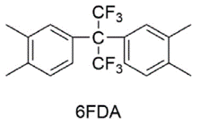
 |  |  | 239.31

 |  |  |  |  |  | The structure of Bis(4-aminophenyl) terephthalate (BAT) was not identified

5 |  |  |  |  | https://doi.org/10.1002/app.2128
5.1
 |  |  |  |  | https://doi.org/10.1002/app.2128

5.2
 |  |  | 262

5.3
 |  |  | 230

5.4
 |  |  | 240

5.5
 |  |  | 266

5.6

 |  |  | 252

5.7

5.8
 |  |  | 252

5.9
 |  |  | 232

5.10
 |  |  | 237

5.11

 |  |  | 263

5.12
 |  |  | 250 |  | https://doi.org/10.1002/app.2128

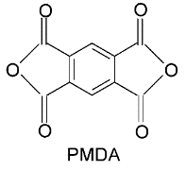
6 |  |  |  |  | https://doi.org/10.1016/S0376-7388(02)00608-7
6.1

 |  |  | 452 |  | https://doi.org/10.1016/S0376-7388(02)00608-7 | 50 DDS/50 ODA

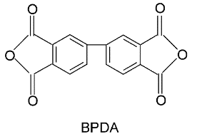
6.2 |  |  |  |  |  | 50 DDS/50 ODA

 |  |  | 347

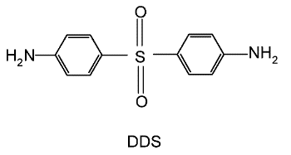
6.3

 |  |  | 363

6.4

6.5

 |  |  | 262 |  | https://doi.org/10.1016/S0376-7388(02)00608-7

7 |  |  |  |  | https://doi.org/10.1016/j.jfluchem.2010.03.014
7.1 |  |  |  |  |  | Fluorinated polyimide
 |  |  |  |  | https://doi.org/10.1016/j.jfluchem.2010.03.014
7.2 |  |  | 231

7.3
 |  |  |  |  |  | Fluorinated polyimide
 |  |  | 238

7.4

 |  |  |  |  |  | Fluorinated polyimide
 |  |  | 218

7.5

 |  |  | 224 |  |  | Fluorinated polyimide

7.6
 |  |  |  |  |  | Fluorinated polyimide
 |  |  | 242

7.7
 |  |  | 222
 |  |  |  |  |  | Fluorinated polyimide

7.8

 |  |  | 231
 |  |  |  |  |  | noncrosslinked polyimides

 |  |  | 237
 |  |  |  |  |  | noncrosslinked polyimides

7.9

 |  |  | 260 |  |  | noncrosslinked polyimides

7.10

 |  |  | 248 |  |  | noncrosslinked polyimides

7.11

 |  |  | 251
 |  |  |  |  |  | noncrosslinked polyimides

7.12

 |  |  | 242
 |  |  |  |  | https://doi.org/10.1016/j.jfluchem.2010.03.014 | noncrosslinked polyimides

8 |  |  |  |  | https://doi.org/10.1177%2F0954008303015002003

8.1 |  |  | 220 |  | https://doi.org/10.1177%2F0954008303015002003 | Name of the anhydride is 4,4-(2-diphenylphosphinyl-1,4-phenylenedioxy)diphthalic

8.2

 |  |  | 207

8.3

 |  |  | 179

8.4
 |  |  | 224

8.5

 |  |  | 205

8.6

 |  |  | 242

8.7
 |  |  | 235

8.8
 |  |  | 233

8.9
 |  |  | 205

8.10

 |  |  | 214

8.11

 |  |  | 232 |  | https://doi.org/10.1177%2F0954008303015002003

9 |  |  |  |  | https://doi.org/10.1002/cjoc.201200431
9.1 |  |  |  |  | https://doi.org/10.1002/cjoc.201200431 | Name of the diamine is 1,4-bis(4- amino-2-trifluoromethylphenoxy)-2,3,5-trimethylbenzene

 |  |  |  | 358

9.2

 |  |  | 312 | 374

9.3
 |  |  | 295 | 376

9.4
 |  |  | 281 | 356 | https://doi.org/10.1002/cjoc.201200431

 |  |  |  |  | https://doi.org/10.1021/cm981142j
10

11 |  |  |  |  | https://doi.org/10.1002/pola.27933
11.1 |  |  |  |  |  | Name of the diamine is 1, 4,4’-(9H-fluorene-9,9-diyl)-bis(2-tert-butylaniline),
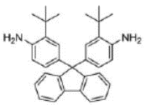
 |  |  |  |  | https://doi.org/10.1002/pola.27933
 |  |  | 532 | 322

11.2

 |  |  | 535 | 360

11.3

 |  |  | 539 | 319

11.4
 |  |  | 526 | 350

11.5

 |  |  | 526 | 317

11.6

12 |  |  |  |  | https://doi.org/10.1557/PROC-413-351
12.1

 |  |  | 175 |  | https://doi.org/10.1557/PROC-413-351

12.2

 |  |  | 176 |  | https://doi.org/10.1557/PROC-413-351

12.3

 |  |  | 180 |  | https://doi.org/10.1557/PROC-413-351

12.4

 |  |  | 220 |  | https://doi.org/10.1557/PROC-413-351

