reference
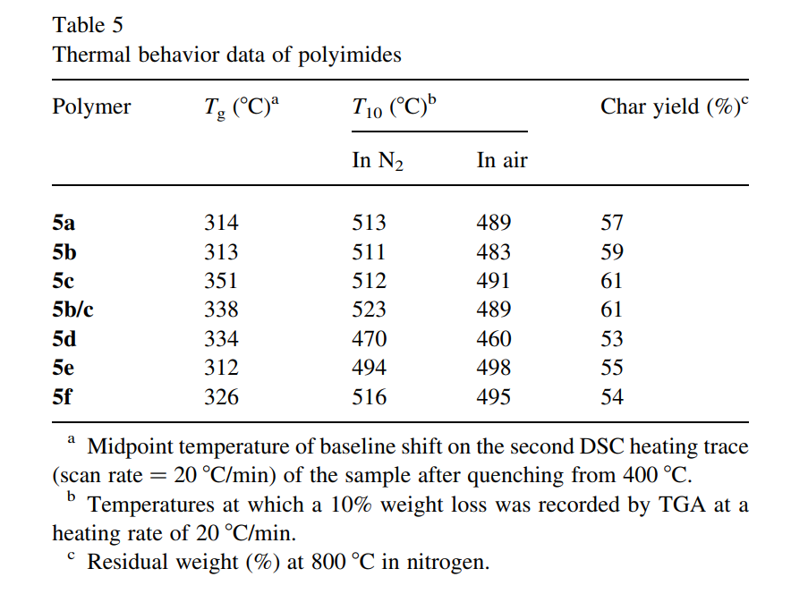
Reference | 301~400
NO. | DOI
1 | https://doi.org/10.1021/ma00112a060

2 | https://doi.org/10.1021/cm00048a022

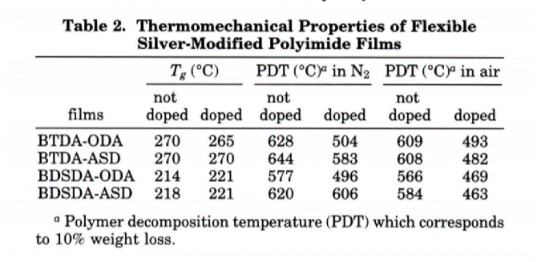

3 | https://doi.org/10.1002/polb.1992.090300506

8 | https://doi.org/10.1002/pola.1327

10 | https://doi.org/10.1002/(sici)1097-4628(19960801)61:5%3C741::aid-app4%3E3.0.co;2-o
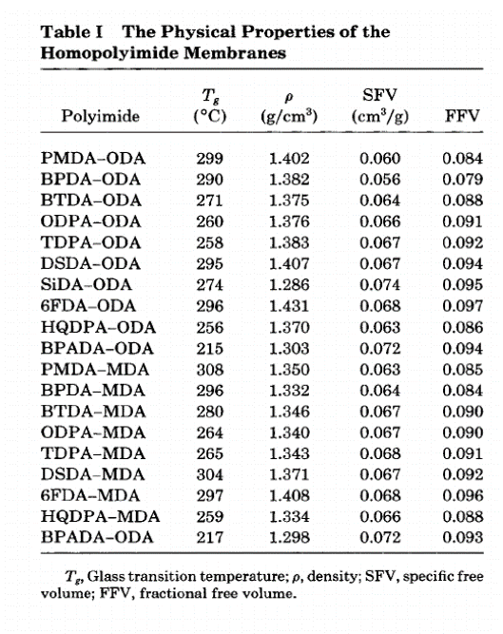

101_200

11 | https://doi.org/10.1021/ma0204610

12 | https://doi.org/10.1002/1099-0518(20010215)39:4%3C514::aid-pola1020%3E3.0.co;2-4

13 | https://doi.org/10.1016/s0032-3861(00)00068-9

14 | https://doi.org/10.1016/s0376-7388(99)00351-8
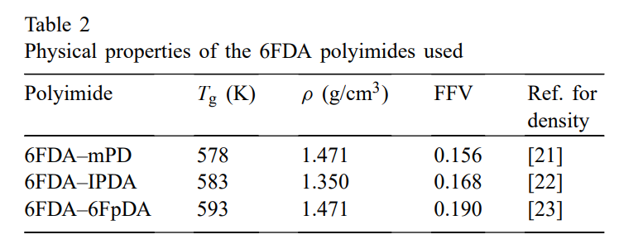

20 | https://doi.org/10.1002/pi.1924

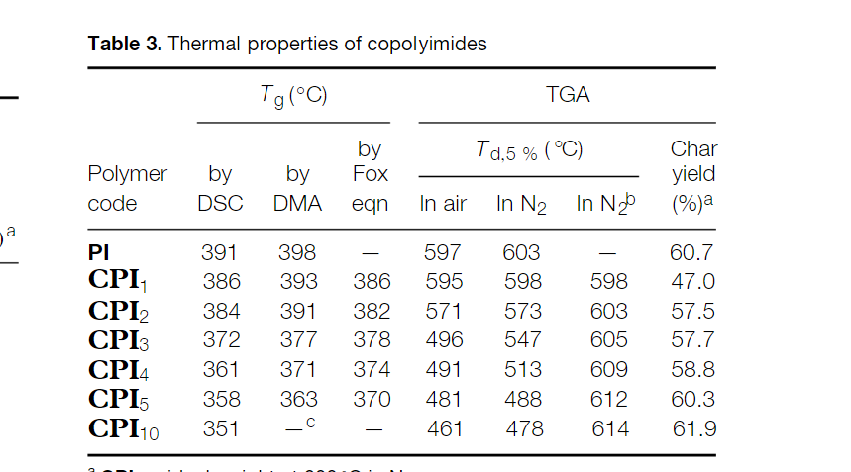

32 | https://doi.org/10.1002/pola.10116

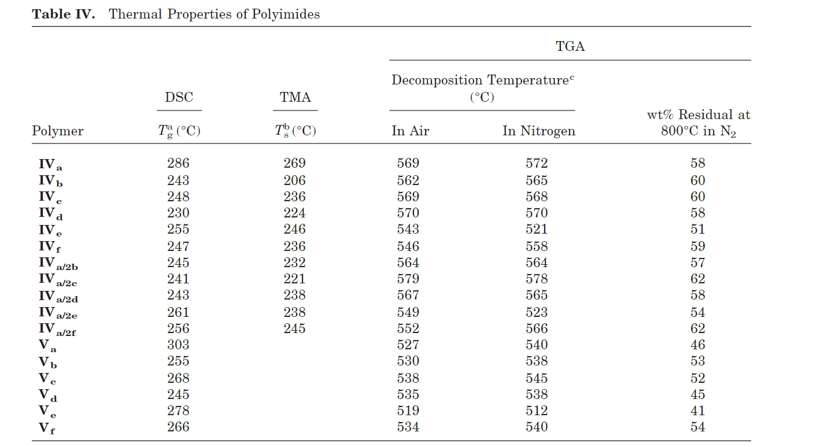

35 | https://doi.org/10.1002/app.20650
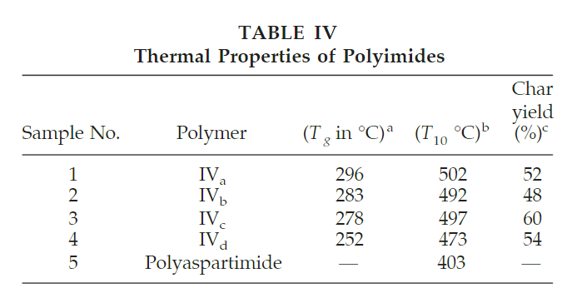

39 | https://doi.org/10.1016/s0032-3861(01)00012-x

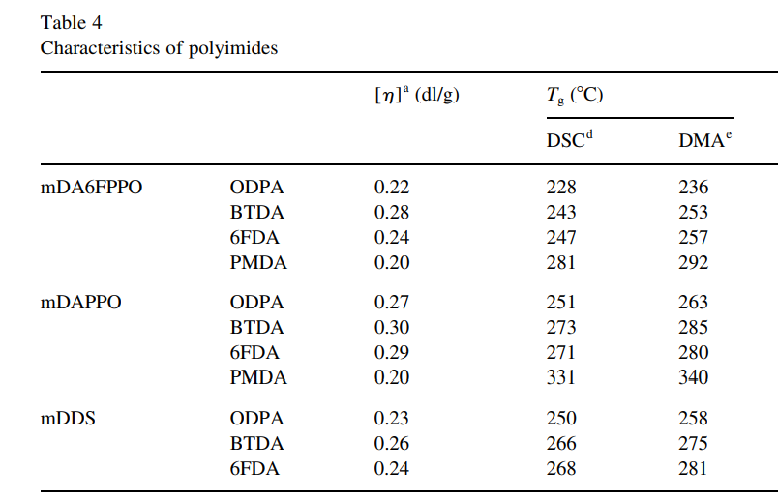

46 | https://doi.org/10.1016/s0014-3057(01)00229-4
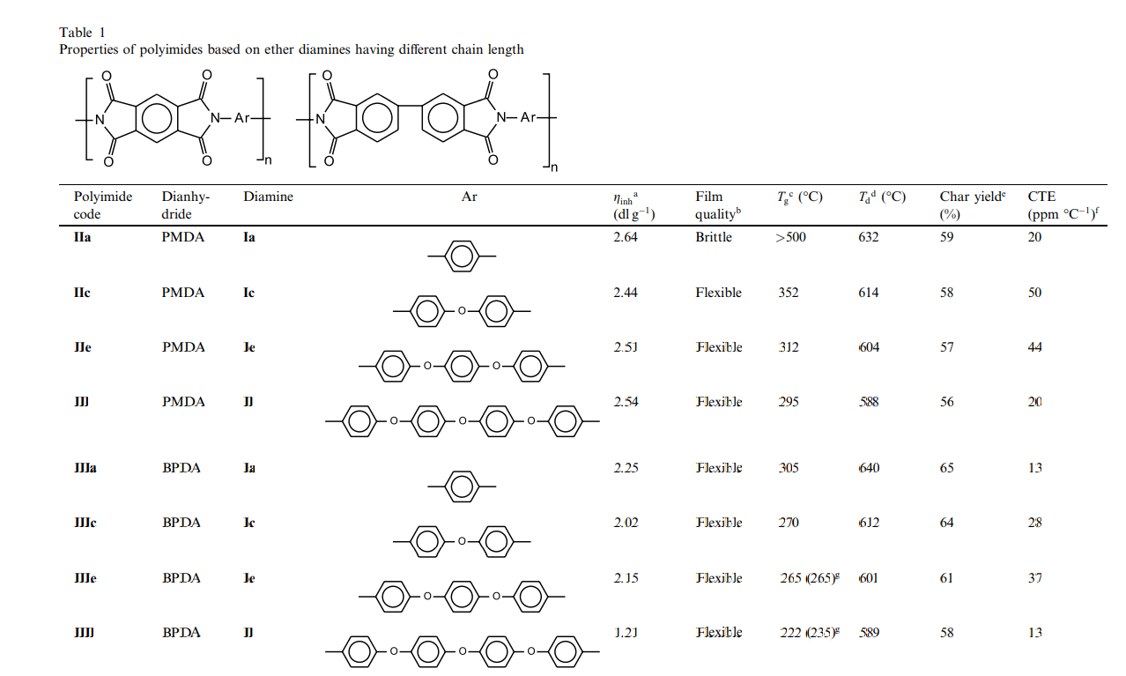

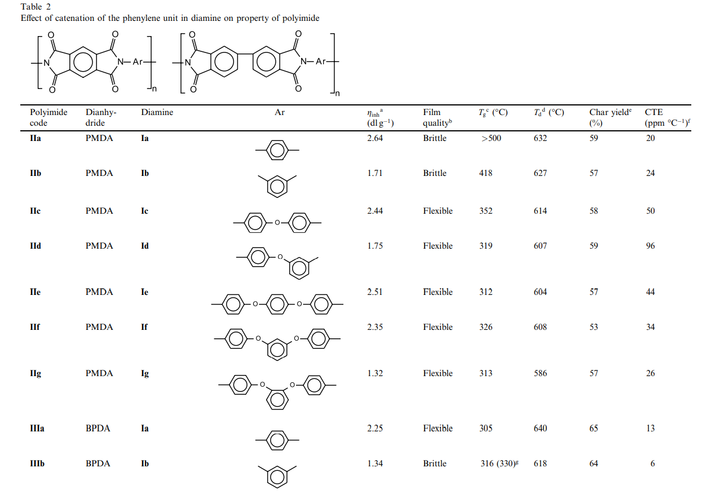

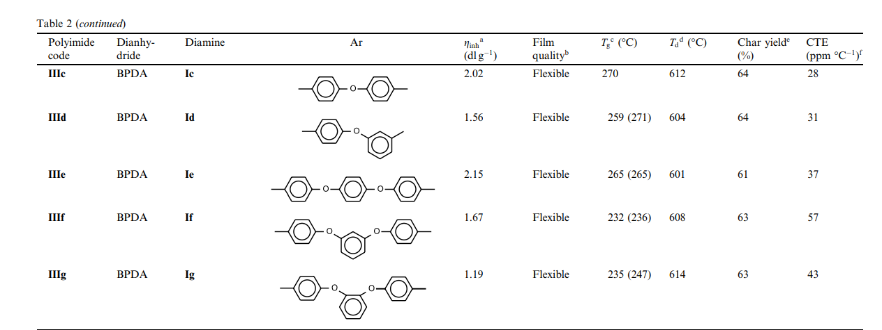

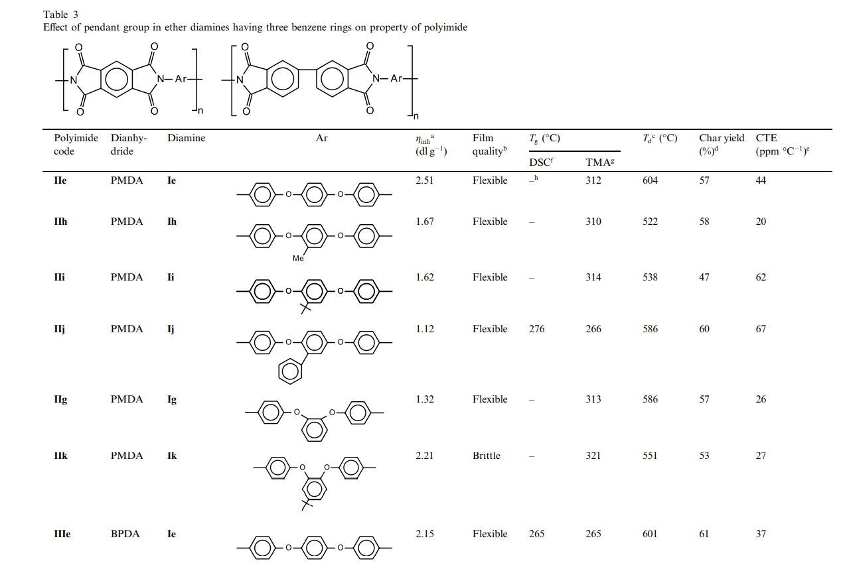

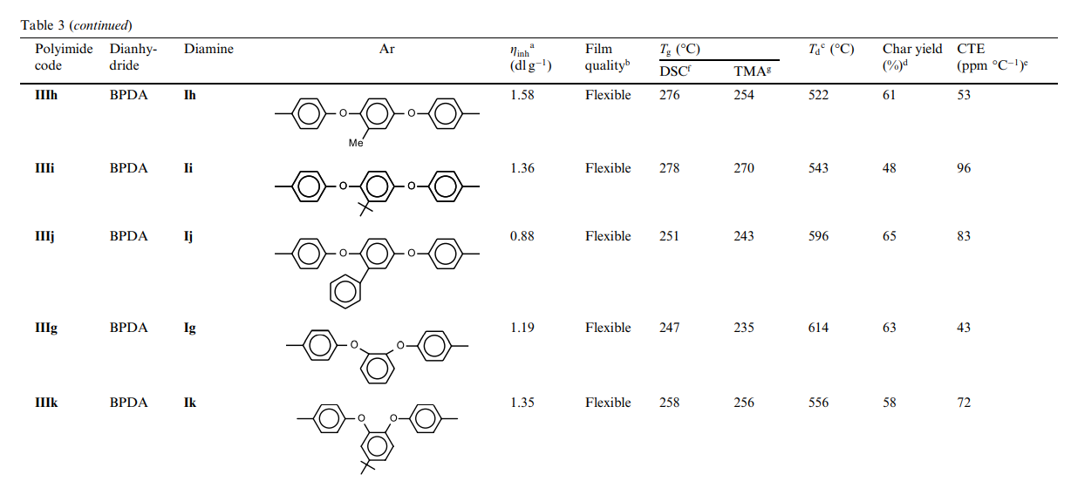

356 | https://doi.org/10.1021/ma00113a030
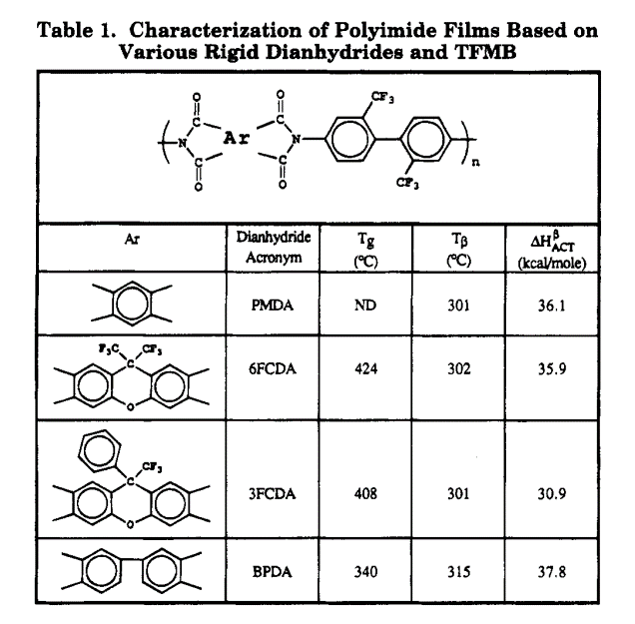

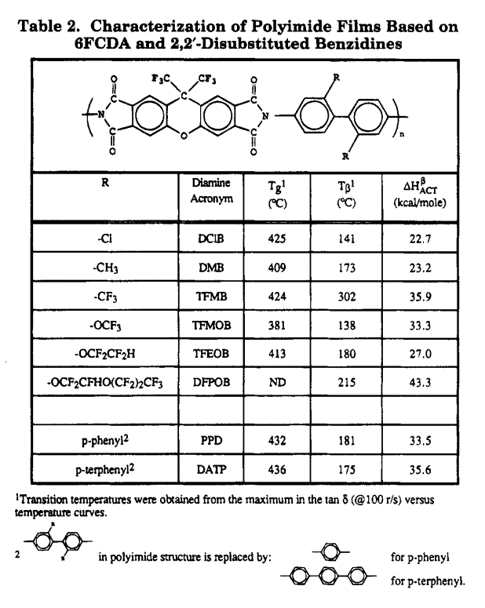

358 | https://doi.org/10.1016/s0376-7388(00)80626-2
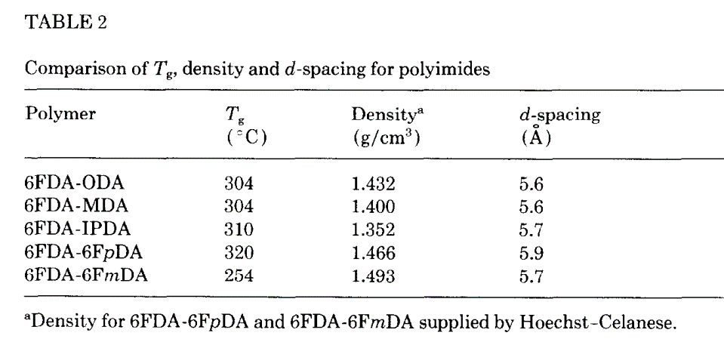

62 | https://doi.org/10.1177%2F0954008306073178
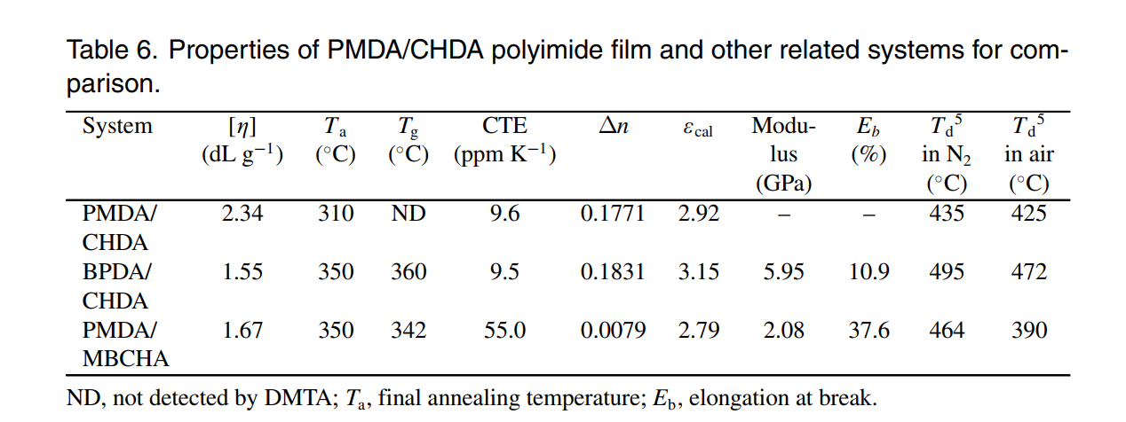

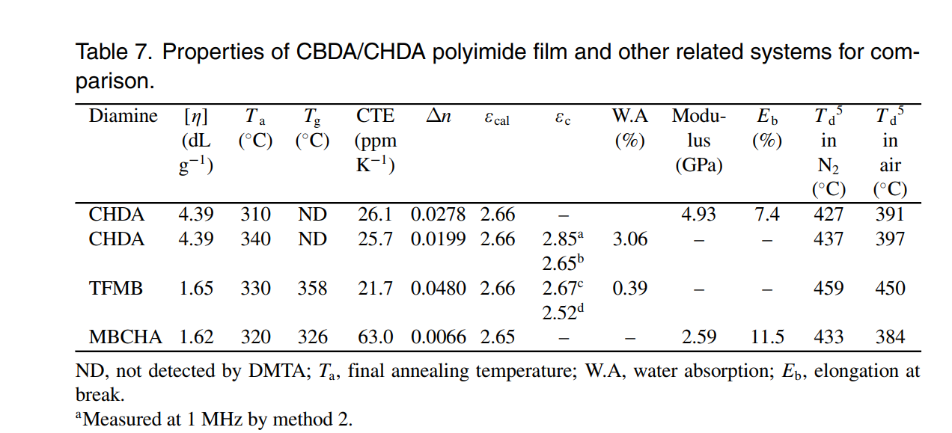

69 | https://doi.org/10.1002/app.1993.070471106

71 | https://doi.org/10.1002/pola.21547
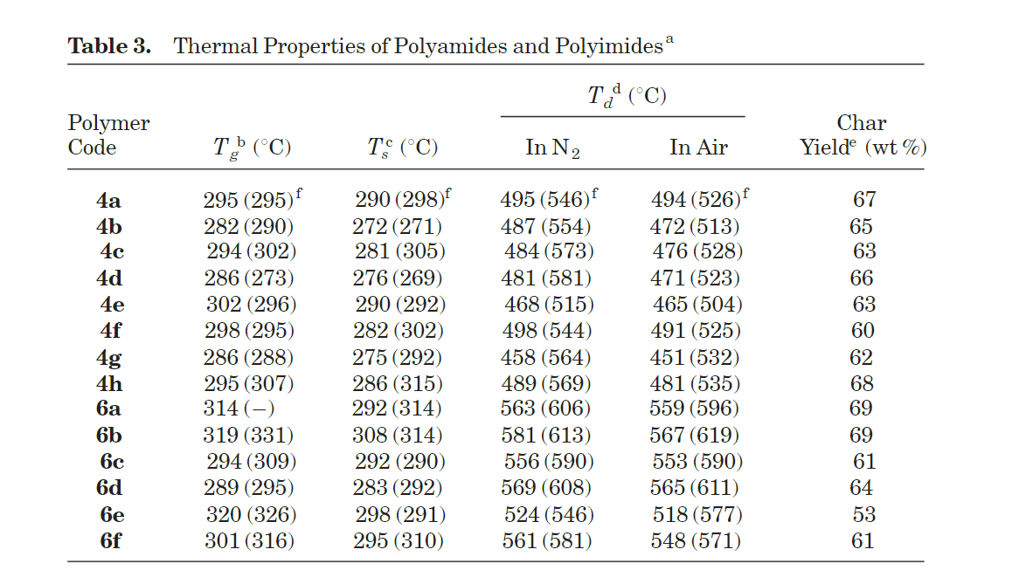

78 | https://doi.org/10.1002/(sici)1097-4628(20000118)75:3%3C384::aid-app7%3E3.0.co;2-r

85 | https://doi.org/10.1002/pola.1995.080331307
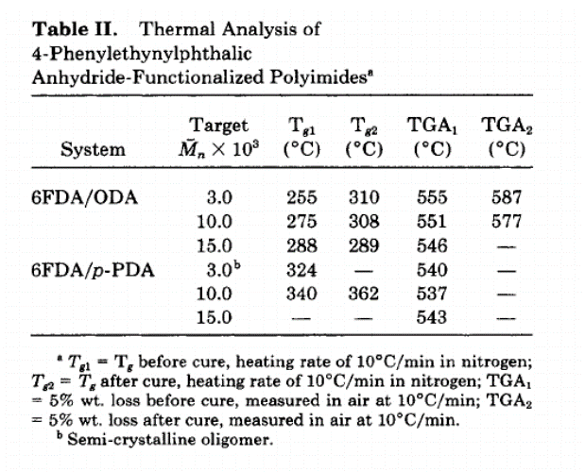

88 | https://doi.org/10.1021/ma00070a034

95 | https://doi.org/10.1016/s0032-3861(02)00359-2

data
Polyimide structure and performance data
NO. | polyimide |  | Tg/℃ | λcutoff/nm | reference (please fill in, thank you) | Remark | Other properties
 | Diamine | Dianhydride |  |  | "paper doi number"or "original URL" or "book name + page number"
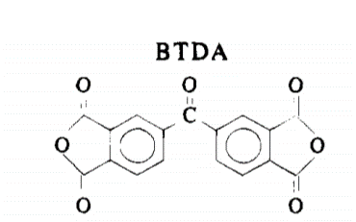
2-1 |  |  |  |  | https://doi.org/10.1021/cm00048a022 |  | CTE、Td、Tensile modulus (Gpa) etc.
 |  |  | 270

2-2 |  |  | 270 |  | https://doi.org/10.1021/cm00048a022

2-3 |  |  |  |  | https://doi.org/10.1021/cm00048a022
 |  |  | 214

2-4 |  |  | 218 |  | https://doi.org/10.1021/cm00048a022

3-1 |  |  | 320 |  | https://doi.org/10.1002/polb.1992.090300506

8-1 |  |  |  |  | https://doi.org/10.1002/pola.1327
 |  |  | 263

10-1 |  |  |  |  | https://doi.org/10.1002/(sici)1097-4628(19960801)61:5%3C741::aid-app4%3E3.0.co;2-o
 |  |  | 299

10-2
 |  |  | 290

10-3
 |  |  | 271
BTDA

10-4
 |  |  | 260

10-5
 |  |  | 258

10-6
 |  |  | 295

10-7
 |  |  | 274

10-8 |  |  | 296

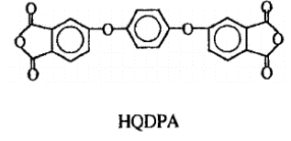
10-9 |  |  | 256

10-10
 |  |  | 215

10-11 |  |  | 308

10-12 |  |  | 296

BTDA
10-13
 |  |  | 280

10-14
 |  |  | 264

10-15 |  |  | 265

10-16 |  |  | 304

10-17
 |  |  | 297

10-18
 |  |  | 259

10-19
 |  |  | 217

11-1 |  |  |  |  | https://doi.org/10.1021/ma0204610
 |  |  | 354

11-2

 |  |  | 292

 |  |  | 274
11-3

11-4
 |  |  | 272

12-1 |  |  |  |  | https://doi.org/10.1002/1099-0518(20010215)39:4%3C514::aid-pola1020%3E3.0.co;2-4
 |  |  | 190
 |  |  |  |  | 不用管黑色的波浪线，画出来的结构就是结构单元

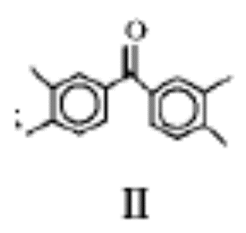

 |  |  | 185
12-2

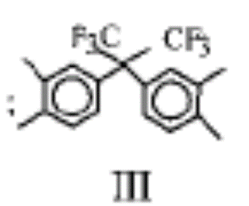

12-3 |  |  | 175

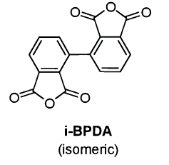
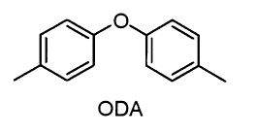
13-1
 |  |  | 326 |  | https://doi.org/10.1016/s0032-3861(00)00068-9

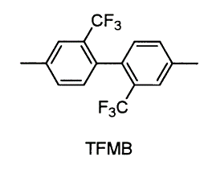

13-2 |  |  | 346

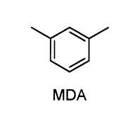
13-3
 |  |  | 337

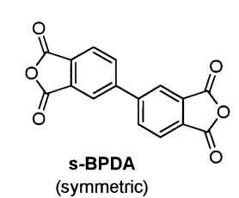

13-4 |  |  | 273

13-5
 |  |  | 287

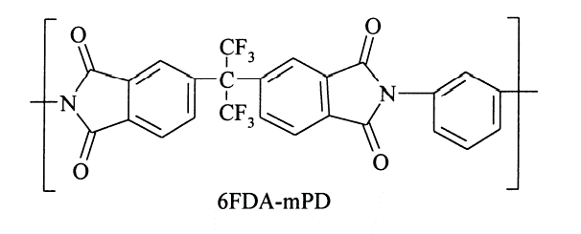
14-1
 |  |  | 305 |  | https://doi.org/10.1016/s0376-7388(99)00351-8

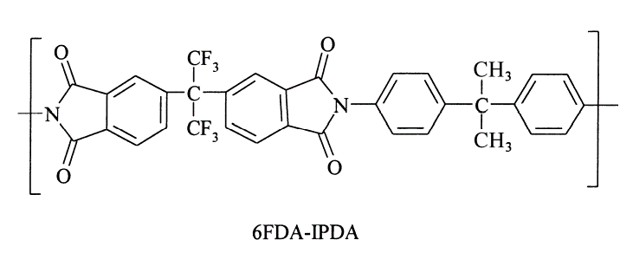

14-2
 |  |  | 310

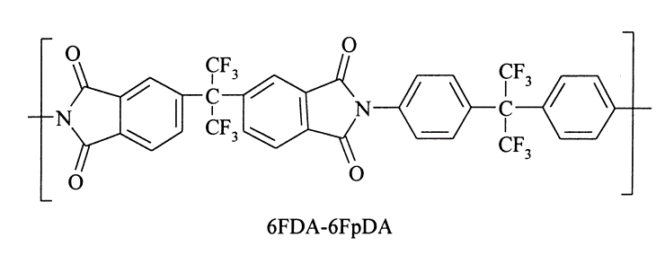

14-3 |  |  | 320

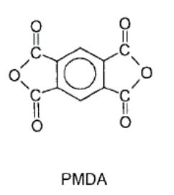
20-1
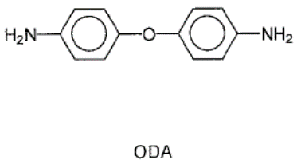

 |  |  | 391 |  | https://doi.org/10.1002/pi.1924

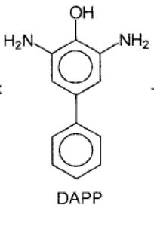

20-2 |  |  | 351

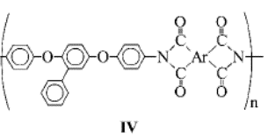
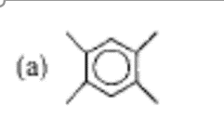
 |  |  |  |  | https://doi.org/10.1002/pola.10116
32-1 |  |  | 286

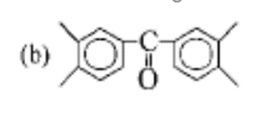

32-2 |  |  | 243

32-3 |  |  | 248

32-4 |  |  | 230

32-5 |  |  | 255

32-6 |  |  | 247

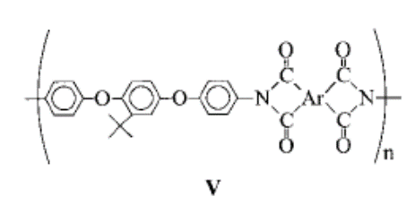

 |  |  | 303
32-7

 |  |  | 255
32-8

 |  |  | 268
32-9

32-10 |  |  | 245

32-11
 |  |  | 278

32-12
 |  |  | 266

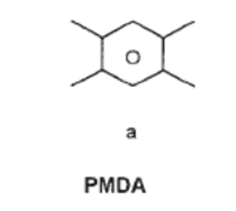
35-1 |  |  |  |  | https://doi.org/10.1002/app.20650
 |  |  | 296

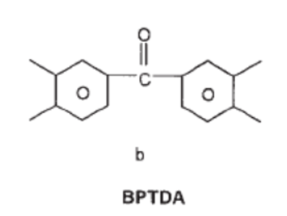

 |  |  | 283
35-2

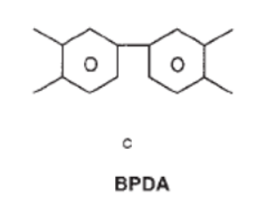

 |  |  | 278
35-3

35-4 |  |  | 252

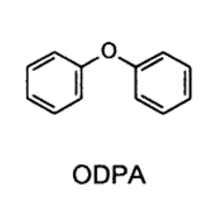

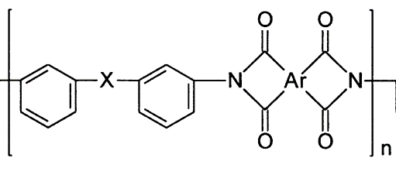
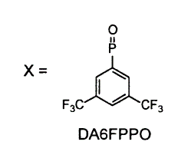

39-1
 |  |  | 236 |  | https://doi.org/10.1016/s0032-3861(01)00012-x

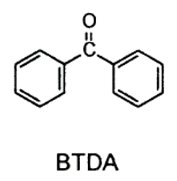

39-2 |  |  | 253

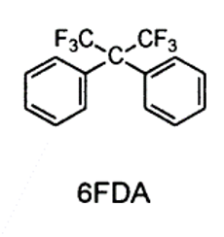

 |  |  | 257
39-3

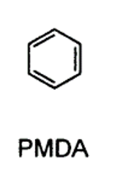

 |  |  | 292
39-4

39-5 |  |  | 263

39-6

 |  |  | 285

39-7
 |  |  | 280

 |  |  | 240
39-8

39-9
 |  |  | 258

39-10
 |  |  | 275

39-11
 |  |  | 281

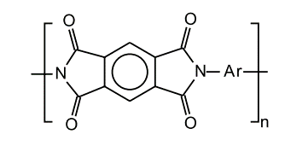
 |  |  |  |  | https://doi.org/10.1016/s0014-3057(01)00229-4

46-1 |  |  | 501

46-2 |  |  | 352

46-3 |  |  | 312

46-4 |  |  | 295

46-5

46-6

46-7

46-8

46-9 |  |  | 418

46-10 |  |  | 319

46-11 |  |  | 326

46-12 |  |  | 313

46-13 |  |  | 316

46-14 |  |  | 259

46-15
 |  |  | 232

46-16 |  |  | 235

46-17
 |  |  | 276

46-18 |  |  | 276

46-19 |  |  | 278

46-20 |  |  | 251

46-21 |  |  | 258

56-1 |  |  | ND
 |  |  |  |  | https://doi.org/10.1021/ma00113a030

56-2 |  |  | 424

56-3 |  |  | 408

56-4 |  |  | 340

56-5
 |  |  | 425

56-6
 |  |  | 409

56-7 |  |  | 424

56-8 |  |  | 381

56-9 |  |  | 413

56-10 |  |  | ND

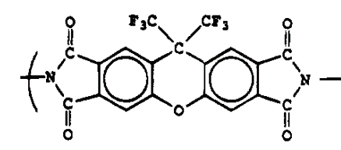

56-11 |  |  | 432

56-12 |  |  | 436

58-1
 |  |  |  |  | https://doi.org/10.1016/s0376-7388(00)80626-2

 |  |  | 304

 |  |  | 304
58-2

 |  |  | 310
58-3

58-4
 |  |  | 320

58-5 |  |  | 254


62-1
 |  |  |  |  | https://doi.org/10.1177%2F0954008306073178

 |  |  | ND




62-2
 |  |  | 360



 |  |  | 342
62-3



62-4 |  |  | 358

62-5 |  |  | 326



62-6 |  |  | 367

62-7 |  |  | 301



69-1 |  |  |  |  | https://doi.org/10.1002/app.1993.070471106
 |  |  | 328

69-2 |  |  | 288


71-1
 |  |  | 314
 |  |  |  |  | https://doi.org/10.1002/pola.21547

71-2 |  |  | 319



71-3 |  |  | 294



71-4
 |  |  | 289

71-5 |  |  | 320



71-6 |  |  | 301



78-1

 |  |  | 287 |  | https://doi.org/10.1002/(sici)1097-4628(20000118)75:3%3C384::aid-app7%3E3.0.co;2-r


85-1

 |  |  |  |  | https://doi.org/10.1002/pola.1995.080331307
 |  |  | 362



85-2 |  |  | 310



88-1
 |  |  | 292
 |  |  |  |  | https://doi.org/10.1021/ma00070a034

88-2 |  |  | 210

88-3 |  |  | 178

88-4 |  |  | 252

88-5 |  |  | 200

88-6
 |  |  | 210

88-7 |  |  | 261

88-8 |  |  | ND

95-1

 |  |  | 314 |  | https://doi.org/10.1016/s0032-3861(02)00359-2

95-2 |  |  | 313

95-3 |  |  | 351

95-4 |  |  | 334

95-5 |  |  | 312

95-6 |  |  | 326

 |  |  | 131

