reference
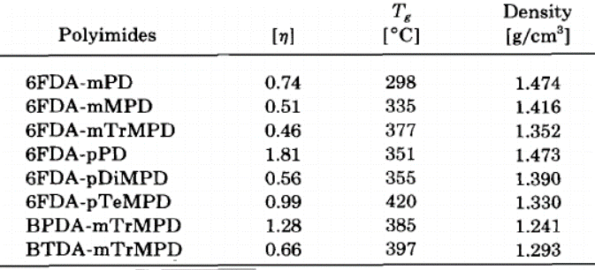
Reference | 1~100
NO. | DOI
1 | https://doi.org/10.1016/S0376-7388(00)80774-7
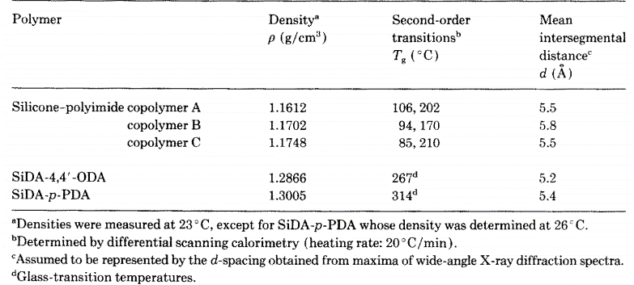

2 | https://doi.org/10.1016/0032-3861(94)90748-X
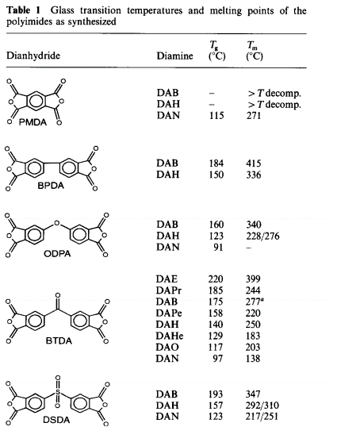

3 | https://doi.org/10.1002/1099-0518(20000801)38:15%3C2840::AID-POLA240%3E3.0.CO;2-N

4 | https://doi.org/10.1002/pola.10924

5 | https://doi.org/10.1021/jp9072922
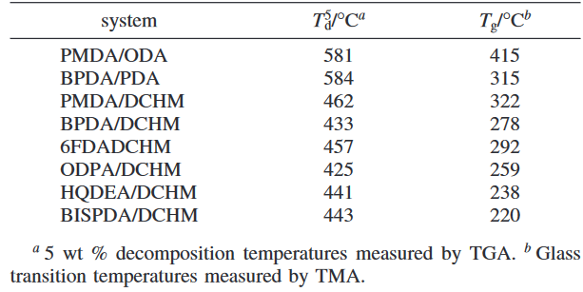

6 | https://doi.org/10.1021/ma9921293
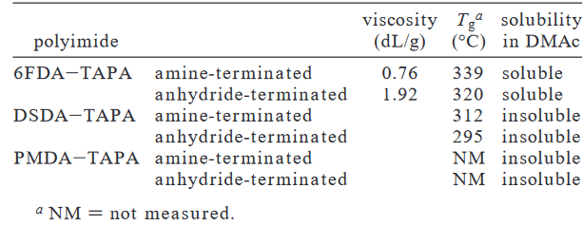

7 | https://doi.org/10.1016/j.eurpolymj.2004.11.014
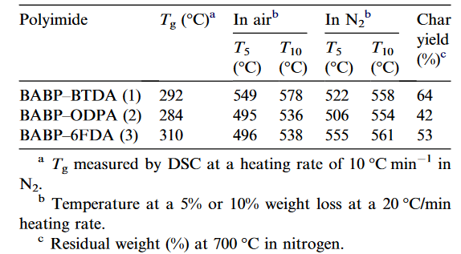

8 | https://doi.org/10.1002/polb.1993.090310908
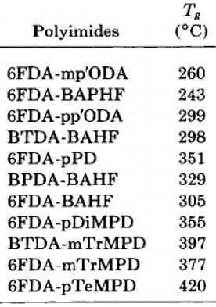

9 | https://doi.org/10.1016/S0376-7388(97)00128-2

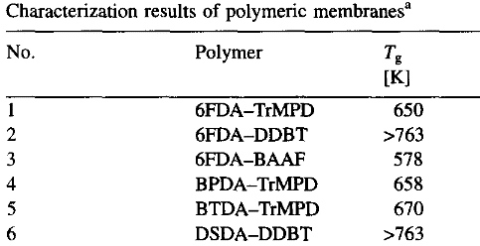

10 | https://doi.org/10.1088%2F0954-0083%2F7%2F1%2F007
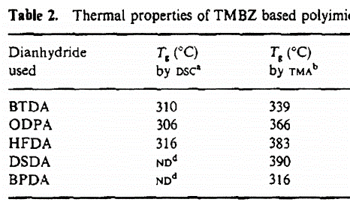

11 | https://doi.org/10.1002/pola.10512
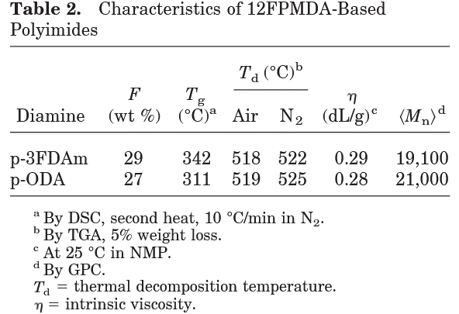

12 | https://doi.org/10.1002/polb.1995.090331306
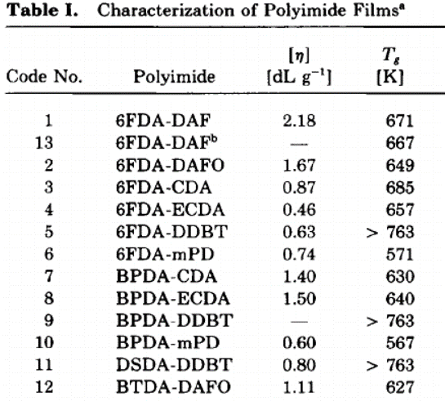

13 | https://doi.org/10.1016/S0376-7388(00)80868-6

14 | https://doi.org/10.1002/polb.1992.090300813

data
Polyimide structure and performance data
NO. | polyimide |  | Tg/℃ | λcutoff/nm | reference (please fill in, thank you) | Remark | Other properties
 | Diamine | Dianhydride |  |  | "paper doi number"or "original URL" or "book name + page number"
1 |  |  |  |  | https://doi.org/10.1016/S0376-7388(00)80774-7 |  | CTE、Td、Tensile modulus (Gpa) etc.
1.1 |  |  |  |  | https://doi.org/10.1016/S0376-7388(00)80774-7
 |  |  | 267

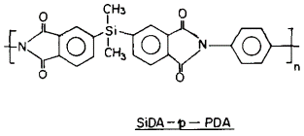
1.2 |  |  | 314

2
2.1 |  |  |  |  | https://doi.org/10.1016/0032-3861(94)90748-X
 |  |  | none |  | https://doi.org/10.1016/0032-3861(94)90748-X

2.2 |  |  | none

2.3
 |  |  | 115

2.4
 |  |  | 184

2.5
 |  |  | 150

2.6 |  |  | 160

2.7 |  |  | 123

2.8
 |  |  | 91

2.9

 |  |  | 220

2.10

 |  |  | 185

2.11

 |  |  | 175

2.12

 |  |  | 158

2.13
 |  |  | 140

2.14
 |  |  | 129

2.15
 |  |  | 117

2.16
 |  |  | 97

2.17
 |  |  | 193

2.18 |  |  | 157

2.19
 |  |  | 123 |  | https://doi.org/10.1016/0032-3861(94)90748-X

3 |  |  |  |  | https://doi.org/10.1002/1099-0518(20000801)38:15%3C2840::AID-POLA240%3E3.0.CO;2-N
3.1 |  |  | 247 |  | https://doi.org/10.1002/1099-0518(20000801)38:15%3C2840::AID-POLA240%3E3.0.CO;2-N

3.2
 |  |  | 288

3.3 |  |  | 333

3.4 |  |  | 331

3.5 |  |  | 368

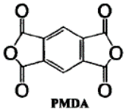
3.6 |  |  | 354 |  | https://doi.org/10.1002/1099-0518(20000801)38:15%3C2840::AID-POLA240%3E3.0.CO;2-N

4 |  |  |  |  | https://doi.org/10.1002/pola.10924
4.1 |  |  |  |  | https://doi.org/10.1002/pola.10924

 |  |  | 290

4.2

 |  |  | 304

4.3

 |  |  | 295 |  | https://doi.org/10.1002/pola.10924

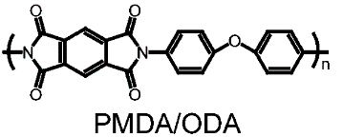
5 |  |  |  |  | https://doi.org/10.1021/jp9072922
5.1
 |  |  | 415

5.2 |  |  | 315

5.3
 |  |  | 322

5.4 |  |  | 278

5.5
 |  |  | 292

5.6 |  |  | 259

5.7 |  |  | 238

5.8 |  |  | 220

6 |  |  |  |  | https://doi.org/10.1021/ma9921293
 |  |  |  |  | https://doi.org/10.1021/ma9921293
6.1 |  |  |  | 339 |  | amine-terminated
 |  |  |  | 320 |  | anhydride-teminated

6.2

 |  |  |  | 312 |  | amine-terminated
 |  |  |  | 295 |  | anhydride-teminated

6.3
 |  |  |  | NM |  | NM= not measures
 |  |  |  | NM

 |  |  |  |  | https://doi.org/10.1021/ma9921293

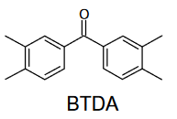
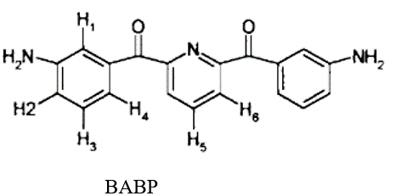
7 |  |  |  |  | https://doi.org/10.1016/j.eurpolymj.2004.11.014
 |  |  |  |  | https://doi.org/10.1016/j.eurpolymj.2004.11.014
7.1
 |  |  | 292

7.2
 |  |  | 284

7.3
 |  |  | 310

8 |  |  |  |  | https://doi.org/10.1002/polb.1993.090310908
 |  |  |  |  | https://doi.org/10.1002/polb.1993.090310908
 |  |  |  |  | https://doi.org/10.1002/polb.1993.090310908
8.1 |  |  | 260

8.2 |  |  | 243

8.3 |  |  | 299

8.4 |  |  | 298

8.5 |  |  | 351

8.6 |  |  | 329

8.7 |  |  | 305

8.8 |  |  | 355

8.9 |  |  | 397

8.10 |  |  | 377

8.11 |  |  | 420 |  | https://doi.org/10.1002/polb.1993.090310908

9 |  |  |  |  | https://doi.org/10.1016/S0376-7388(97)00128-2
 |  |  |  |  | https://doi.org/10.1016/S0376-7388(97)00128-2
9.1 |  |  | 377

9.2 |  |  | >400

 |  |  | 305
9.3

9.4 |  |  | 385

9.5 |  |  | 397

9.6 |  |  | >400 |  | https://doi.org/10.1016/S0376-7388(97)00128-2

10 |  |  |  |  | https://doi.org/10.1088%2F0954-0083%2F7%2F1%2F007
10.1 |  |  |  |  | https://doi.org/10.1088%2F0954-0083%2F7%2F1%2F007
 |  |  | 339

10.2
 |  |  | 366

10.3
 |  |  | 383

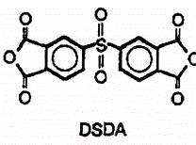
10.4

 |  |  | 390

10.5
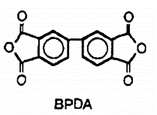
 |  |  | 316
 |  |  |  |  | https://doi.org/10.1088%2F0954-0083%2F7%2F1%2F007

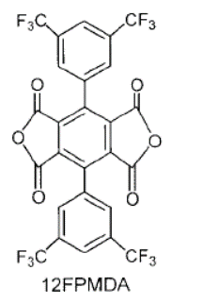
11 |  |  |  |  | https://doi.org/10.1002/pola.10512
 |  |  |  |  | https://doi.org/10.1002/pola.10512
11.1
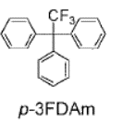
 |  |  | 342

11.2

 |  |  | 311 |  | https://doi.org/10.1002/pola.10512

12 |  |  |  |  | https://doi.org/10.1002/polb.1995.090331306
 |  |  |  |  | https://doi.org/10.1002/polb.1995.090331306
12.1 |  |  | 398

12.2 |  |  | 376

12.3
 |  |  | 412

12.4
 |  |  | 384

12.5
 |  |  | >490

12.6

 |  |  | 298

12.7
 |  |  | 357

12.8 |  |  | 367

12.9
 |  |  | >490

12.10

 |  |  | 294

12.11

 |  |  | >490

12.12

 |  |  | 354 |  | https://doi.org/10.1002/polb.1995.090331306

13 |  |  |  |  | https://doi.org/10.1016/S0376-7388(00)80868-6
 |  |  |  |  | https://doi.org/10.1016/S0376-7388(00)80868-6
13.1
 |  |  | 270

13.2 |  |  | 300

13.3

 |  | 4,4’-diaminodiphenyl sulfone (DDS) | 350

13.4

 |  |  | >490 |  | https://doi.org/10.1016/S0376-7388(00)80868-6

14 |  |  |  |  | https://doi.org/10.1002/polb.1992.090300813
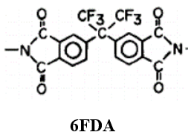
 |  |  | 298 |  | https://doi.org/10.1002/polb.1992.090300813

 |  |  | 335

 |  |  | 377

 |  |  | 351

 |  |  | 355

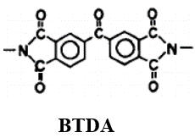

 |  |  | 420

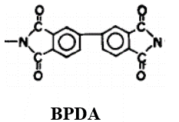

 |  |  | 385

 |  |  | 397 |  | https://doi.org/10.1002/polb.1992.090300813

 |  |  | 81

