reference
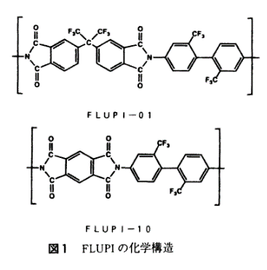
Reference | 1~100
NO. | DOI

522 | https://doi.org/10.2115/fiber.47.6_P319
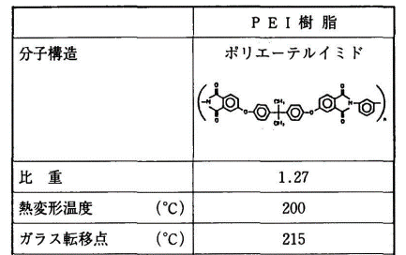

597 | https://doi.org/10.2115/fiber.50.3_P102

data
Polyimide structure and performance data
NO. | polyimide |  | Tg/℃ | λcutoff/nm | reference (please fill in, thank you) | Remark | Other properties
 | Diamine | Dianhydride |  |  | "paper doi number"or "original URL" or "book name + page number"


522 |  |  | 215 |  | https://doi.org/10.2115/fiber.47.6_P319

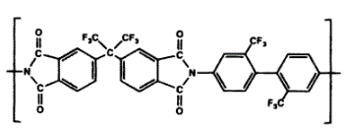
597.1 |  |  | 335 |  | https://doi.org/10.2115/fiber.50.3_P102

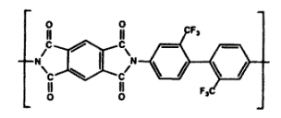

597.2 |  |  | >400

