reference
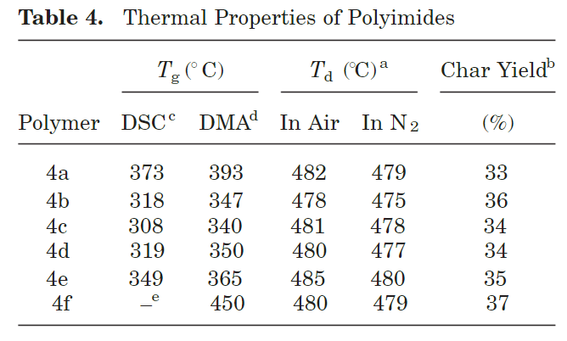
Reference | 301~400
NO. | DOI
2 | https://doi.org/10.1002/(sici)1099-0518(20000501)38:9%3C1487::aid-pola11%3E3.0.co;2-u

9 | https://doi.org/10.1021/ma402499m
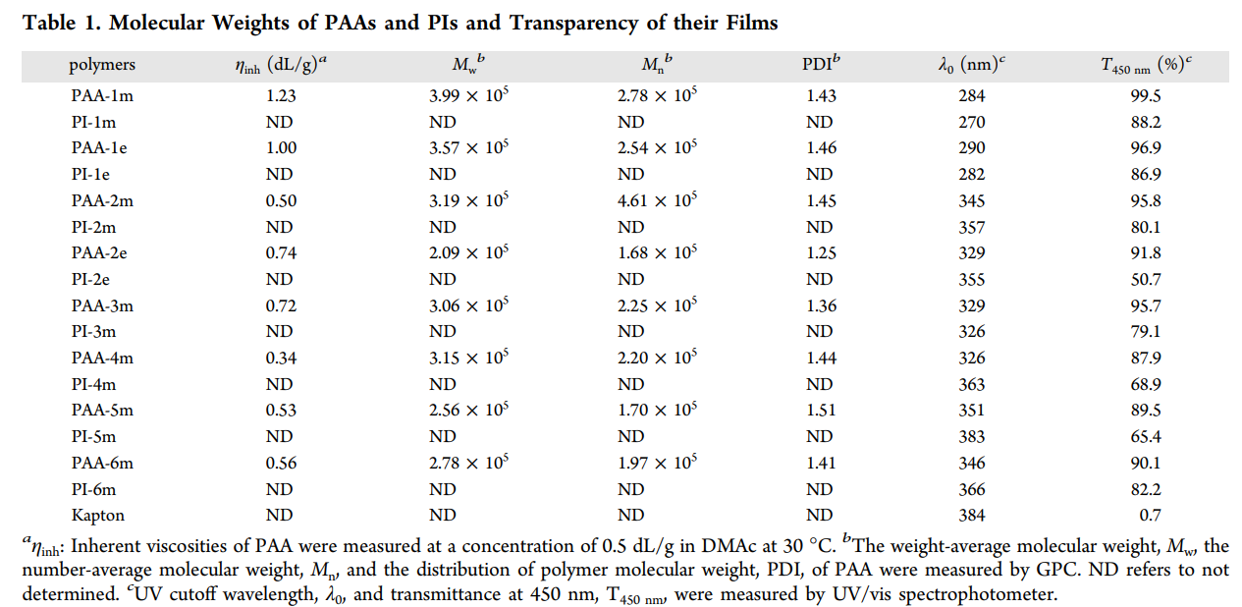

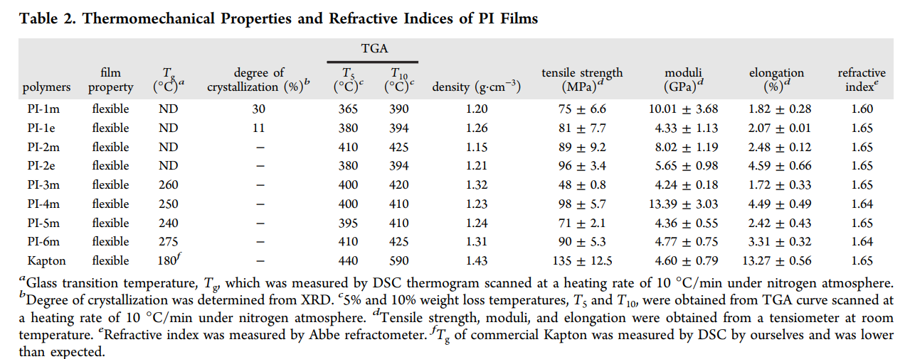

27 | https://doi.org/10.1016/0032-3861(95)90937-w
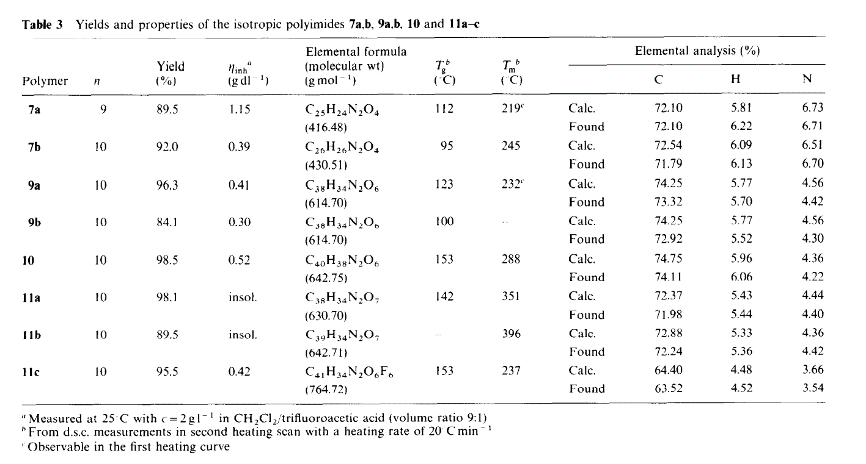

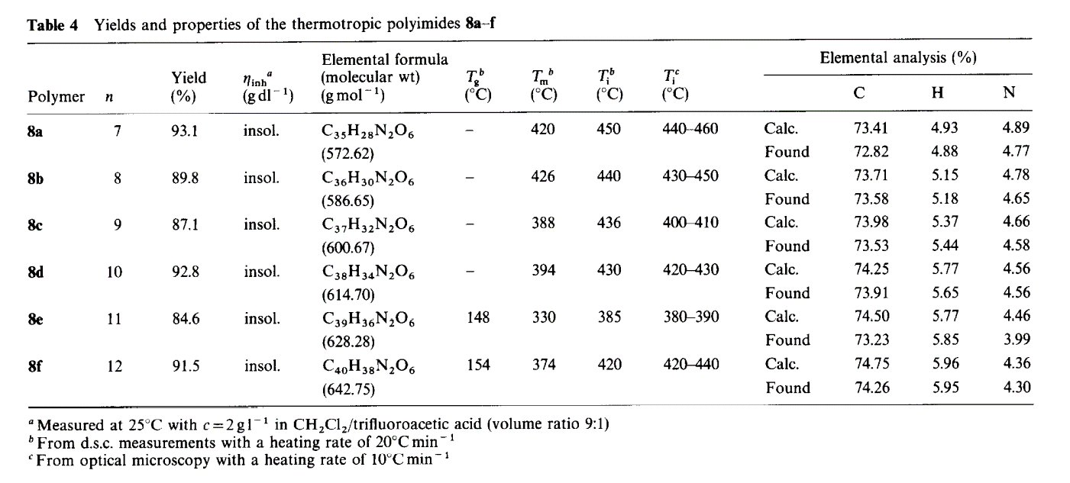

32 | https://doi.org/10.1002/app.1994.070510914
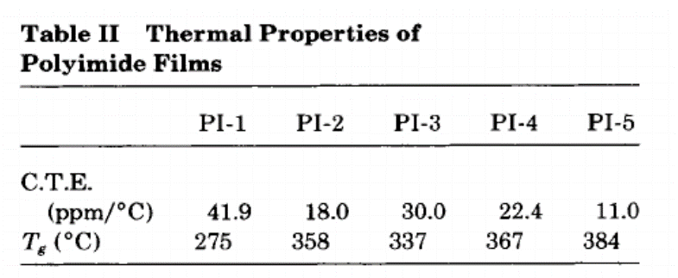

50 | https://doi.org/10.1002/(sici)1097-4628(20000523)76:8%3C1315::aid-app12%3E3.0.co;2-4

56 | https://doi.org/10.1002/pola.23264
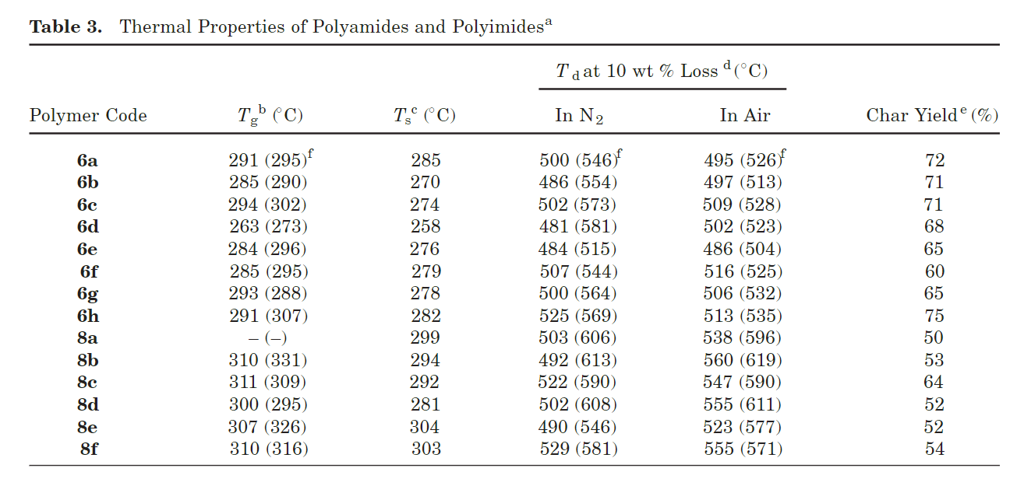

66 | https://doi.org/10.1002/(sici)1099-0518(20000501)38:9%3C1528::aid-pola16%3E3.0.co;2-f

71 | https://doi.org/10.1002/pola.11012
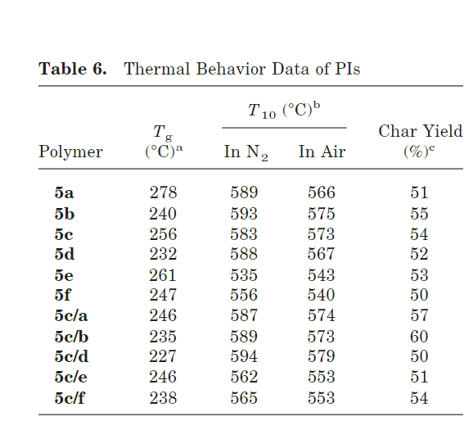

78 | https://doi.org/10.1016/s0032-3861(98)00663-6
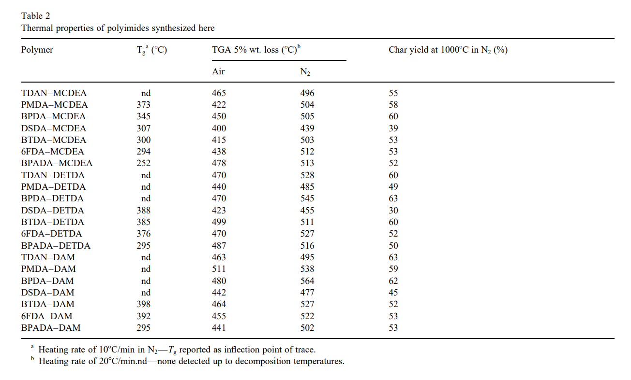

93 | https://doi.org/10.1002/(sici)1099-0518(19980130)36:2%3C301::aid-pola13%3E3.0.co;2-s

96 | https://doi.org/10.1295/polymj.30.805
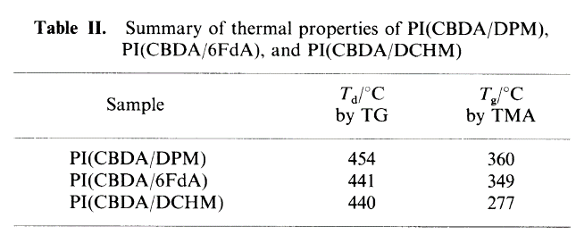

99 | https://doi.org/10.1002/pola.23337

data
Polyimide structure and performance data
NO. | polyimide |  | Tg/℃ | λcutoff/nm | reference (please fill in, thank you) | Remark | Other properties
 | Diamine | Dianhydride |  |  | "paper doi number"or "original URL" or "book name + page number"
2-1 |  |  |  |  |  |  | CTE、Td、Tensile modulus (Gpa) etc.
 |  |  |  |  | https://doi.org/10.1002/(sici)1099-0518(20000501)38:9%3C1487::aid-pola11%3E3.0.co;2-u

 |  |  | 275

2-2
 |  |  | 260

2-3 |  |  | 235

2-4
 |  |  | 220

2-5
 |  |  | 205

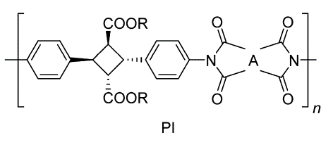
9-1

 |  |  |  | 270 | https://doi.org/10.1021/ma402499m

9-2 |  |  |  | 282

9-3 |  |  |  | 357

9-4 |  |  |  | 355

9-5 |  |  | 260 | 326

9-6 |  |  | 250 | 363

9-7
 |  |  | 240 | 383

9-8 |  |  | 275 | 366

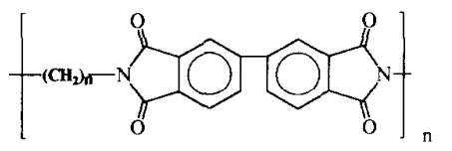

27-1
 |  | n=10 |  |  | https://doi.org/10.1016/0032-3861(95)90937-w

27-2 |  |  | 123

27-3 |  |  | 153

27-4
 |  |  | 142

27-5 |  | n=12 | 154

32-1
 |  |  | 275
 |  |  |  |  | https://doi.org/10.1002/app.1994.070510914

32-2 |  |  | 384

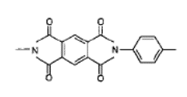
50-1

 |  |  | 501 |  | https://doi.org/10.1002/(sici)1097-4628(20000523)76:8%3C1315::aid-app12%3E3.0.co;2-4

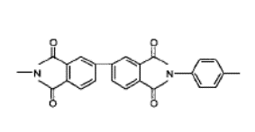

50-2 |  |  | 360

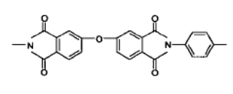

50-3 |  |  | 380

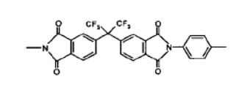

50-4
 |  |  | 350

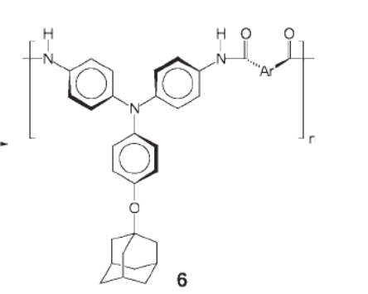
56-1

 |  |  | 291 |  | https://doi.org/10.1002/pola.23264

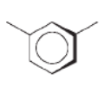

 |  |  | 285

56-2

56-3

 |  |  | 294

56-4

 |  |  | 263

56-5

 |  |  | 284

56-6
 |  |  | 285

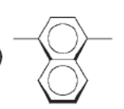

 |  |  | 293
56-7

56-8 |  |  | 291

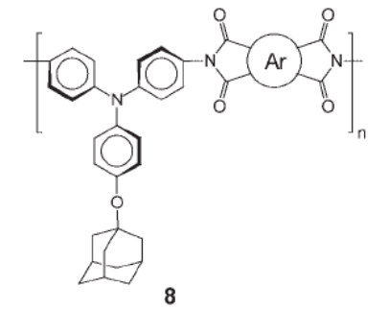

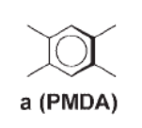

56-9
 |  |  | 300

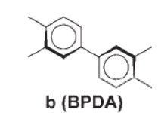

56-10
 |  |  | 310

56-11

 |  |  | 311

56-12
 |  |  | 300

56-13

 |  |  | 307

 |  |  | 310
56-14

66-1

 |  |  | 195 |  | https://doi.org/10.1002/(sici)1099-0518(20000501)38:9%3C1528::aid-pola16%3E3.0.co;2-f

66-2
 |  |  | 180

66-3
 |  |  | 175

71-1

 |  |  | 278 |  | https://doi.org/10.1002/pola.11012

71-2 |  |  | 240

71-3
 |  |  | 256

 |  |  | 232
71-4

 |  |  | 261
71-5

71-6 |  |  | 247

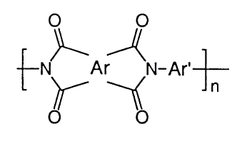
78-1

 |  |  | 373 |  | https://doi.org/10.1016/s0032-3861(98)00663-6

 |  | Et= —CH2CH3

78-2
 |  |  | 300

 |  | Et= —CH2CH3

78-3
 |  |  | 294

 |  | Et= —CH2CH3

78-4 |  |  | 345

 |  | Et= —CH2CH3

78-5 |  |  | 252

 |  | Et= —CH2CH3

78-6 |  |  | 307

 |  | Et= —CH2CH3

78-7 |  |  | 388

 |  | Et= —CH2CH3

78-8 |  |  | 385

 |  | Et= —CH2CH3

78-9 |  |  | 376

 |  | Et= —CH2CH3

78-10 |  |  | 295

 |  | Et= —CH2CH3

78-11 |  |  | 398

78-12 |  |  | 392

78-13 |  |  | 295

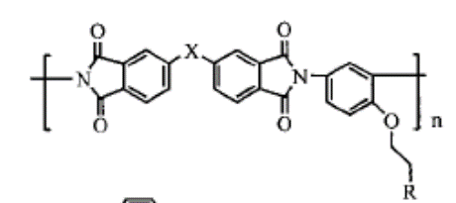
93-1
 |  |  | 223 | 481
 |  |  |  |  | https://doi.org/10.1002/(sici)1099-0518(19980130)36:2%3C301::aid-pola13%3E3.0.co;2-s

93-2 |  |  | 233 | 436

93-3 |  |  | 225 | 496

93-4 |  |  | 221 | 449

96-1

 |  |  | 277 |  | https://doi.org/10.1295/polymj.30.805

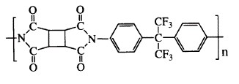

96-2 |  |  | 349

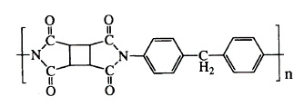

96-3
 |  |  | 360

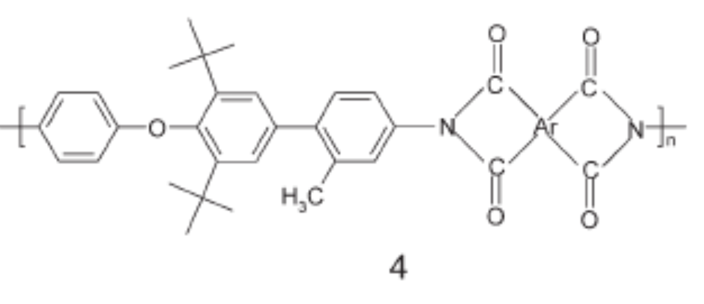
99-1

 |  |  | 393 |  | https://doi.org/10.1002/pola.23337

 |  |  | 347

 |  |  | 340

 |  |  | 350

 |  |  | 365

 |  |  | 350

