reference
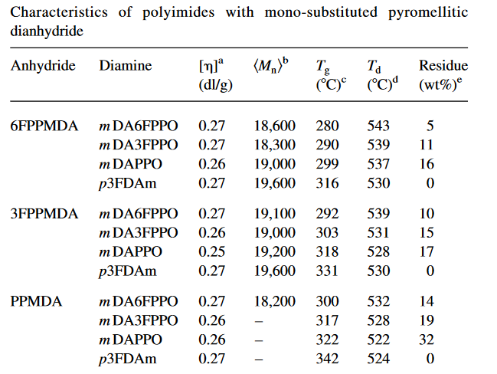
Reference | 1~100
NO. | DOI
1 | https://doi.org/10.1295/polymj.30.805
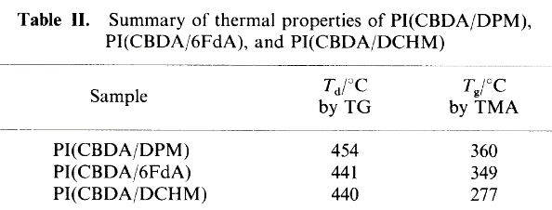

2 | https://doi.org/10.1016/0376-7388(92)80149-E
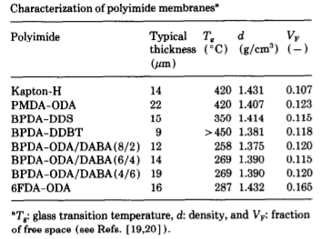

3 | https://doi.org/10.1016/j.polymer.2007.02.028

4 | https://doi.org/10.1002/polb.1995.090330907
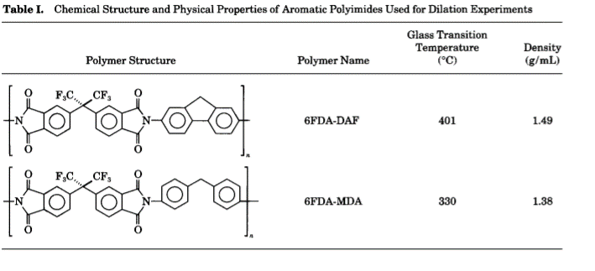

5 | https://doi.org/10.1021/ma035360w
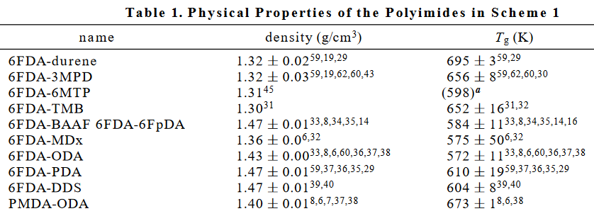

6 | https://doi.org/10.1016/j.eurpolymj.2005.12.013

7 | https://doi.org/10.1016/j.memsci.2012.04.003

8 | https://doi.org/10.1002/pola.21364
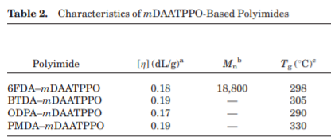

9 | https://doi.org/10.1016/j.matchemphys.2007.09.017


10 | https://doi.org/10.1016/0376-7388(95)00173-5
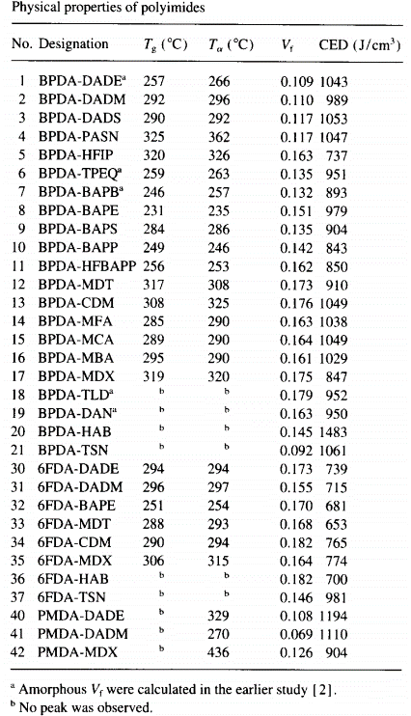

11 | https://doi.org/10.1016/j.ces.2007.01.019
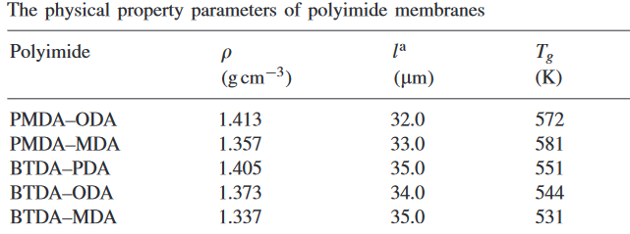

12 | https://doi.org/10.1016/j.polymer.2004.03.010

data
Polyimide structure and performance data
NO. | polyimide |  | Tg/℃ | λcutoff/nm | reference (please fill in, thank you) | Remark | Other properties
 | Diamine | Dianhydride |  |  | "paper doi number"or "original URL" or "book name + page number"
1 |  |  |  |  | https://doi.org/10.1295/polymj.30.805
1.1 |  |  | 360 |  | https://doi.org/10.1295/polymj.30.805

1.2 |  |  | 349

1.3 |  |  | 277 |  | https://doi.org/10.1295/polymj.30.805

2 |  |  |  |  | https://doi.org/10.1016/0376-7388(92)80149-E
 |  |  |  |  | https://doi.org/10.1016/0376-7388(92)80149-E
2.1

 |  |  | 420
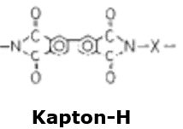

2.2

 |  |  | 350

2.3 |  |  | >450

 |  |  |  |  |  | (8/2)
2.4 |  |  |  |  |  | (6/4)
 |  |  |  |  |  | (4/6)

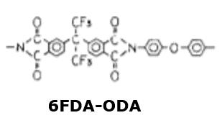

2.5 |  |  | 287 |  | https://doi.org/10.1016/0376-7388(92)80149-E

3 |  |  |  |  | https://doi.org/10.1016/j.polymer.2007.02.028
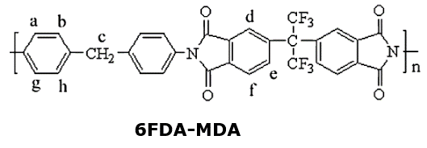
 |  |  | 283 |  | https://doi.org/10.1016/j.polymer.2007.02.028

4 |  |  |  |  | https://doi.org/10.1002/polb.1995.090330907

4.1 |  |  | 401 |  | https://doi.org/10.1002/polb.1995.090330907

4.2 |  |  | 330 |  | https://doi.org/10.1002/polb.1995.090330907

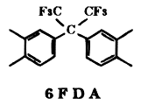
5 |  |  |  |  | https://doi.org/10.1021/ma035360w
 |  |  | 422 |  | https://doi.org/10.1021/ma035360w
5.1

5.2
 |  |  | 311

5.3
 |  |  | 302

5.4
 |  |  | 337

5.5

 |  |  | 331

6

6.1
 |  |  | 289

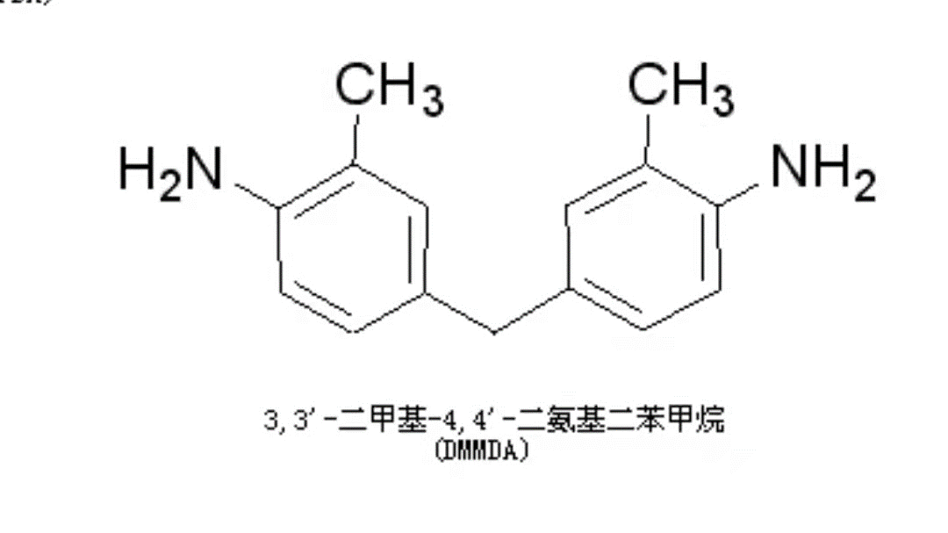
6.2

 |  |  | 281

7 |  |  |  |  | https://doi.org/10.1016/j.memsci.2012.04.003
7.1
 |  |  | 294 |  | https://doi.org/10.1016/j.memsci.2012.04.003

 |  |  |  |  | https://doi.org/10.1002/pola.21364
8

8.1 |  |  | 298

8.2 |  |  | 305

8.3 |  |  | 290

8.4 |  |  | 330

9 |  |  |  |  | https://doi.org/10.1016/j.matchemphys.2007.09.017
9.1 |  |  |  |  | https://doi.org/10.1016/j.matchemphys.2007.09.017
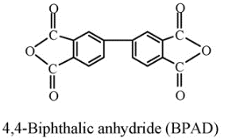
 |  |  | 272 |  | https://doi.org/10.1016/j.matchemphys.2007.09.017 | Amine-terminated
 |  |  | 261 |  |  | Anhydride-terminated

9.2
 |  |  | 270 |  | https://doi.org/10.1016/j.matchemphys.2007.09.017 | Amine-terminated
 |  |  | 267 |  | https://doi.org/10.1016/j.matchemphys.2007.09.017 | Anhydride-terminated

11 |  |  |  |  | https://doi.org/10.1016/j.ces.2007.01.019

11.1 |  |  | 299 |  | https://doi.org/10.1016/j.ces.2007.01.019

11.2 |  |  | 308

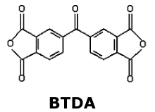
11.3
 |  |  | 278

11.4
 |  |  | 271

11.5
 |  |  | 258 |  | https://doi.org/10.1016/j.ces.2007.01.019

12 |  |  |  |  | https://doi.org/10.1016/j.polymer.2004.03.010

 |  |  |  |  | https://doi.org/10.1016/j.polymer.2004.03.010
12.1 |  |  | 280

12.2 |  |  | 290

12.3 |  |  | 299

12.4 |  |  | 316

12.5 |  |  | 292

12.6 |  |  | 303

12.7 |  |  | 318

12.8 |  |  | 331

12.9 |  |  | 300

12.10 |  |  | 317

12.11 |  |  | 322

12.12 |  |  | 342 |  | https://doi.org/10.1016/j.polymer.2004.03.010

