스티커
1. 박스 밖 스티커 |  |  | 3. 개별 스티커 - 스티커와 동일 색상 (5*5cm)

 | 6cm
 |  |  |  | ORGANIC
 |  |  |  | 100% NATURE SOAP
 |  |  |  | Premium Soap
 |  |  |  | Horse Oil Soap(Vitamin tree fruit)

 |  |  |  | Natural Handmade skin products helps you skin to take
 |  |  |  | a rest and refresh.
 |  |  |  | unadulterated flower waters and pure essential oils.
 |  |  |  | There are no hidden chemicals or synthetic additives.

 |  | 22cm

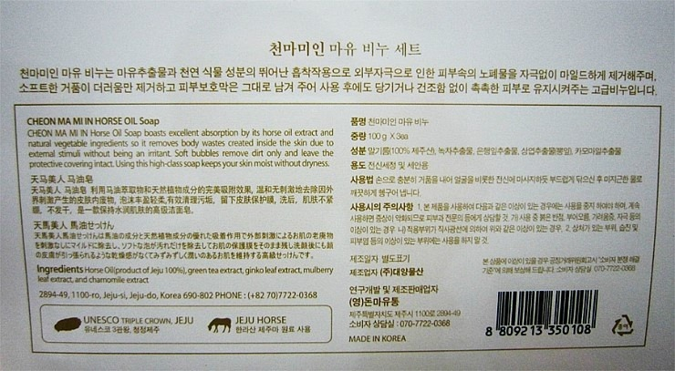
2. 박스 뒤 스티커 (6 * 10cm) - 표시사항 - 위 스티커와 같은 색상
Natural horse oil soap
Montahi horse oil Soap is an excellent stimulant for the absorption of
Mao extract and natural plant ingredients. It removes the dirt in the skin
caused by mild irritation, and the soft foam is dirty.
Remove and protect the skin barrier as it is moistened without pulling or
drying after use Natural soap that keeps the skin.

* Labelling Requirment
1. Product Name : Horse Oil Soap
2. Type : Natural Handmade Soap 3. Weight : Actual Weight 110g ±5
4. Use : Facial Bar , Body Bar,Shapoo Bar
5. Main Ingredient : Horse Oil 30%,Palm Oil,Coconut Oil,
Castd or Seed Oil,VitaminFruit,Rice Bran Oil,Pure Olive Oil,
Grape Seed Oil,Apricot Kernel Oil,Avocado Oil
6. Origin : Made in Mongolia 7. Manufacturer : Montahi Tech LCC
8. Address : Seoul st 4-4, Sukhubaatarar District, UB, Mongolia
9. Usage Precautions
1) Do not use in areas where there is an abnormality such as cuts,
eczema or dermatitis on the skin.
2) Discontinue use if there is any redness, swelling, itching,
irritation, etc.
3) f it gets into your eyes, wash it with clean water.
4) Do not use for purposes other than cleaning the human body.
5) Keep out of reach of children, infants and children.
10. Please use it within one year after opening.

 |  | (pet food 를 natural soap로 변경)

