boarding
Row Labels | Count of PassengerId
C | 168
Q | 78
S | 645
Grand Total | 891

final
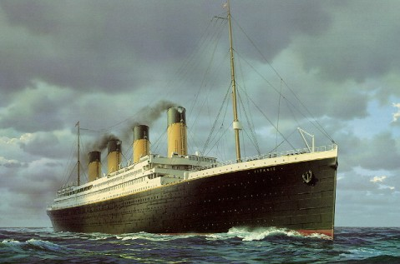
TITANIC SHIP DASHBOARD

Total Passenger 891
Revenue Generated By Class
Passengers by class
Gender of passengers

 | Total
dead | 549
survived | 342
 | Total
1 | 216
2 | 184
3 | 491
 | Total
female | 314
male | 577
 | Total
1 | $18,177.41
2 | $3,801.84
3 | $6,714.70

Passenger's Boarding Points By Count of Passengers
Deaths and Survivals By Class
Deaths By Gender

 | Dead | Survived
1 | 80 | 136
2 | 97 | 87
3 | 372 | 119
 | Dead | Survived
female | 81 | 233
male | 468 | 109
 | Total
C | 168
Q | 78
S | 645

passurvive
Row Labels | Count of PassengerId
dead | 549
survived | 342
total people | 891

dead | 549 | 62%
survived | 342 | 38%
 | 891

class
Row Labels | Count of PassengerId
1 | 216
2 | 184
3 | 491
Grand Total | 891

Count of PassengerId | Column Labels
Row Labels | Dead | Survived | Grand Total
1 | 80 | 136 | 216
2 | 97 | 87 | 184
3 | 372 | 119 | 491
Grand Total | 549 | 342 | 891

gender
Row Labels | Count of PassengerId
female | 314
male | 577
Grand Total | 891

Count of PassengerId | Column Labels
Row Labels | Dead | Survived | Grand Total
female | 81 | 233 | 314
male | 468 | 109 | 577
Grand Total | 549 | 342 | 891

revenue
Row Labels | Sum of Fare
1 | $18,177.41
2 | $3,801.84
3 | $6,714.70
Grand Total | $28,693.95

