PovertyReport
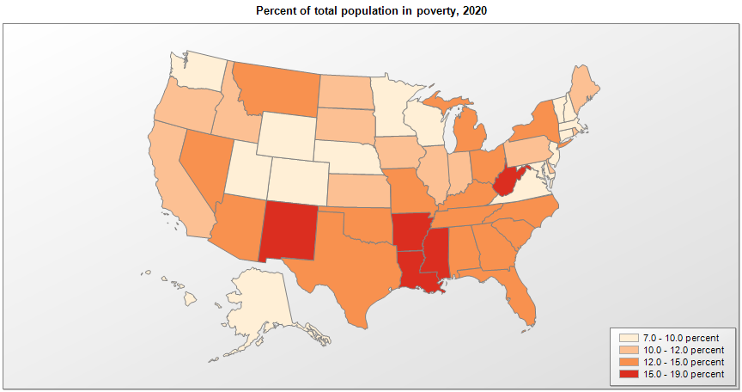
 | Percent | Number

 |  |  | All people in poverty (2020) |  |  | Children ages 0-17 in poverty (2020)
 |  |  |  | 90% confidence interval of estimate |  |  | 90% confidence interval of estimate
Name |  |  | Percent | Lower Bound | Upper Bound | Percent | Lower Bound | Upper Bound
Alabama |  |  | 14.9 | 14.5 | 15.3 | 20.9 | 20 | 21.8
Alaska |  |  | 9.6 | 9.1 | 10.1 | 12.3 | 11.3 | 13.3
Arizona |  |  | 12.8 | 12.4 | 13.2 | 17.6 | 16.7 | 18.5
Arkansas |  |  | 15.2 | 14.7 | 15.7 | 20.8 | 19.8 | 21.8
California |  |  | 11.5 | 11.3 | 11.7 | 14.6 | 14.2 | 15
Colorado |  |  | 9 | 8.7 | 9.3 | 10.6 | 9.9 | 11.3
Connecticut |  |  | 9.7 | 9.3 | 10.1 | 11.8 | 10.9 | 12.7
Delaware |  |  | 10.9 | 10.3 | 11.5 | 15.1 | 14 | 16.2
District of Columbia |  |  | 15 | 14 | 16 | 22.3 | 19.4 | 25.2
Florida |  |  | 12.4 | 12.1 | 12.7 | 17.2 | 16.6 | 17.8
Georgia |  |  | 14 | 13.6 | 14.4 | 19.5 | 18.8 | 20.2
Hawaii |  |  | 8.9 | 8.4 | 9.4 | 10.4 | 9.4 | 11.4
Idaho |  |  | 10.1 | 9.6 | 10.6 | 11.6 | 10.7 | 12.5
Illinois |  |  | 11 | 10.8 | 11.2 | 13.9 | 13.4 | 14.4
Indiana |  |  | 11.6 | 11.3 | 11.9 | 14.9 | 14.2 | 15.6
Iowa |  |  | 10.2 | 9.8 | 10.6 | 12 | 11.2 | 12.8
Kansas |  |  | 10.6 | 10.2 | 11 | 13 | 12.1 | 13.9
Kentucky |  |  | 14.9 | 14.5 | 15.3 | 19.4 | 18.6 | 20.2
Louisiana |  |  | 17.8 | 17.3 | 18.3 | 24.3 | 23.4 | 25.2
Maine |  |  | 10.6 | 10.1 | 11.1 | 12.8 | 11.8 | 13.8
Maryland |  |  | 9 | 8.7 | 9.3 | 11.2 | 10.4 | 12
Massachusetts |  |  | 9.4 | 9.1 | 9.7 | 10.9 | 10.2 | 11.6
Michigan |  |  | 12.6 | 12.3 | 12.9 | 16.8 | 16.2 | 17.4
Minnesota |  |  | 8.3 | 8 | 8.6 | 9.5 | 8.8 | 10.2
Mississippi |  |  | 18.7 | 18.2 | 19.2 | 26 | 24.9 | 27.1
Missouri |  |  | 12.1 | 11.8 | 12.4 | 15.5 | 14.8 | 16.2
Montana |  |  | 12.4 | 11.9 | 12.9 | 14.6 | 13.6 | 15.6
National |  |  | 11.9 | 11.9 | 11.9 | 15.7 | 15.7 | 15.7
Nebraska |  |  | 9.2 | 8.8 | 9.6 | 10.1 | 9.3 | 10.9
Nevada |  |  | 12.5 | 12 | 13 | 16.7 | 15.8 | 17.6
New Hampshire |  |  | 7 | 6.5 | 7.5 | 8.4 | 7.4 | 9.4
New Jersey |  |  | 9.4 | 9.1 | 9.7 | 12.6 | 11.9 | 13.3
New Mexico |  |  | 16.8 | 16.2 | 17.4 | 21.6 | 20.4 | 22.8
New York |  |  | 12.7 | 12.5 | 12.9 | 16.7 | 16.1 | 17.3
North Carolina |  |  | 12.9 | 12.6 | 13.2 | 17.9 | 17.1 | 18.7
North Dakota |  |  | 10.2 | 9.5 | 10.9 | 10.9 | 9.9 | 11.9
Ohio |  |  | 12.6 | 12.3 | 12.9 | 16.6 | 15.9 | 17.3
Oklahoma |  |  | 14.3 | 13.9 | 14.7 | 18.6 | 17.8 | 19.4
Oregon |  |  | 11 | 10.6 | 11.4 | 12.2 | 11.4 | 13
Pennsylvania |  |  | 10.9 | 10.7 | 11.1 | 14.3 | 13.7 | 14.9
Rhode Island |  |  | 10.6 | 10 | 11.2 | 14.5 | 13.4 | 15.6
South Carolina |  |  | 13.8 | 13.4 | 14.2 | 18.7 | 17.9 | 19.5
South Dakota |  |  | 11.6 | 11.1 | 12.1 | 13.9 | 13 | 14.8
Tennessee |  |  | 13.6 | 13.2 | 14 | 18.4 | 17.6 | 19.2
Texas |  |  | 13.4 | 13.2 | 13.6 | 18.8 | 18.2 | 19.4
Utah |  |  | 7.3 | 6.9 | 7.7 | 7.5 | 6.8 | 8.2
Vermont |  |  | 9.4 | 8.8 | 10 | 10 | 9 | 11
Virginia |  |  | 9.2 | 8.9 | 9.5 | 12.2 | 11.6 | 12.8
Washington |  |  | 9.5 | 9.2 | 9.8 | 11 | 10.3 | 11.7
West Virginia |  |  | 15.8 | 15.3 | 16.3 | 20.3 | 19.2 | 21.4
Wisconsin |  |  | 10 | 9.7 | 10.3 | 12.4 | 11.7 | 13.1
Wyoming |  |  | 9.2 | 8.6 | 9.8 | 10.3 | 9.2 | 11.4

See the county-level poverty rates from the 1990 and 2000 Census of Population. See important notes about intercensal model-based poverty estimates. The 2013 rural-urban continuum codes classify metropolitan counties (codes 1 through 3) by size of the Metropolitan Statistical Area (MSA), and nonmetropolitan counties (codes 4 through 9) by degree of urbanization and proximity to metro areas. See rural-urban continuum codes for precise definitions of each code. Source: Census Bureau, Small Area Income and Poverty Estimates.

