PopulationReport
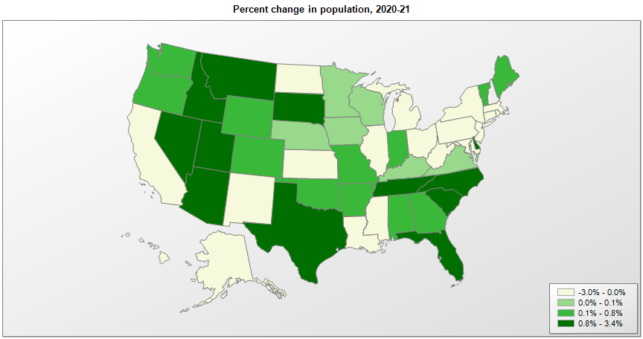

Name | Pop. 1990 | Pop. 2000 | Pop. 2010 | Pop. 2020 | Pop. 2021 | Change 2020-21
United States | 248,790,925 | 281,424,600 | 308,745,538 | 331,449,281 | 331,893,745 | 0.1%
Alabama | 4,040,389 | 4,447,207 | 4,779,736 | 5,024,279 | 5,039,877 | 0.3%
Alaska | 550,043 | 626,933 | 710,231 | 733,391 | 732,673 | -0.1%
Arizona | 3,665,339 | 5,130,247 | 6,392,017 | 7,151,502 | 7,276,316 | 1.7%
Arkansas | 2,350,624 | 2,673,293 | 2,915,918 | 3,011,524 | 3,025,891 | 0.5%
California | 29,811,427 | 33,871,653 | 37,253,956 | 39,538,223 | 39,237,836 | -0.8%
Colorado | 3,294,473 | 4,302,086 | 5,029,196 | 5,773,714 | 5,812,069 | 0.7%
Connecticut | 3,287,116 | 3,405,650 | 3,574,097 | 3,605,944 | 3,605,597 | 0.0%
Delaware | 666,168 | 783,559 | 897,934 | 989,948 | 1,003,384 | 1.4%
District of Columbia | 606,900 | 572,086 | 601,723 | 689,545 | 670,050 | -2.8%
Florida | 12,938,071 | 15,982,571 | 18,801,310 | 21,538,187 | 21,781,128 | 1.1%
Georgia | 6,478,149 | 8,186,653 | 9,687,653 | 10,711,908 | 10,799,566 | 0.8%
Hawaii | 1,108,229 | 1,211,497 | 1,360,301 | 1,455,271 | 1,441,553 | -0.9%
Idaho | 1,006,734 | 1,293,957 | 1,567,582 | 1,839,106 | 1,900,923 | 3.4%
Illinois | 11,430,602 | 12,419,927 | 12,830,632 | 12,812,508 | 12,671,469 | -1.1%
Indiana | 5,544,156 | 6,080,827 | 6,483,802 | 6,785,528 | 6,805,985 | 0.3%
Iowa | 2,776,831 | 2,926,538 | 3,046,355 | 3,190,369 | 3,193,079 | 0.1%
Kansas | 2,477,588 | 2,688,925 | 2,853,118 | 2,937,880 | 2,934,582 | -0.1%
Kentucky | 3,686,892 | 4,042,193 | 4,339,367 | 4,505,836 | 4,509,394 | 0.1%
Louisiana | 4,221,826 | 4,469,035 | 4,533,372 | 4,657,757 | 4,624,047 | -0.7%
Maine | 1,227,928 | 1,274,779 | 1,328,361 | 1,362,359 | 1,372,247 | 0.7%
Maryland | 4,780,753 | 5,296,647 | 5,773,552 | 6,177,224 | 6,165,129 | -0.2%
Massachusetts | 6,016,425 | 6,349,364 | 6,547,629 | 7,029,917 | 6,984,723 | -0.6%
Michigan | 9,295,287 | 9,938,823 | 9,883,640 | 10,077,331 | 10,050,811 | -0.3%
Minnesota | 4,375,665 | 4,919,631 | 5,303,925 | 5,706,494 | 5,707,390 | 0.0%
Mississippi | 2,575,475 | 2,844,754 | 2,967,297 | 2,961,279 | 2,949,965 | -0.4%
Missouri | 5,116,901 | 5,596,564 | 5,988,927 | 6,154,913 | 6,168,187 | 0.2%
Montana | 799,065 | 902,200 | 989,415 | 1,084,225 | 1,104,271 | 1.8%
Nebraska | 1,578,417 | 1,711,230 | 1,826,341 | 1,961,504 | 1,963,692 | 0.1%
Nevada | 1,201,675 | 1,998,250 | 2,700,551 | 3,104,614 | 3,143,991 | 1.3%
New Hampshire | 1,109,252 | 1,235,807 | 1,316,470 | 1,377,529 | 1,388,992 | 0.8%
New Jersey | 7,747,750 | 8,414,764 | 8,791,894 | 9,288,994 | 9,267,130 | -0.2%
New Mexico | 1,515,069 | 1,819,017 | 2,059,179 | 2,117,522 | 2,115,877 | -0.1%
New York | 17,990,778 | 18,977,026 | 19,378,102 | 20,201,249 | 19,835,913 | -1.8%
North Carolina | 6,632,448 | 8,046,346 | 9,535,483 | 10,439,388 | 10,551,162 | 1.1%
North Dakota | 638,800 | 642,237 | 672,591 | 779,094 | 774,948 | -0.5%
Ohio | 10,847,115 | 11,353,336 | 11,536,504 | 11,799,448 | 11,780,017 | -0.2%
Oklahoma | 3,145,576 | 3,450,451 | 3,751,351 | 3,959,353 | 3,986,639 | 0.7%
Oregon | 2,842,337 | 3,421,524 | 3,831,074 | 4,237,256 | 4,246,155 | 0.2%
Pennsylvania | 11,882,842 | 12,280,548 | 12,702,379 | 13,002,700 | 12,964,056 | -0.3%
Rhode Island | 1,003,464 | 1,048,259 | 1,052,567 | 1,097,379 | 1,095,610 | -0.2%
South Carolina | 3,486,310 | 4,012,023 | 4,625,364 | 5,118,425 | 5,190,705 | 1.4%
South Dakota | 696,004 | 754,858 | 814,180 | 886,667 | 895,376 | 1.0%
Tennessee | 4,877,203 | 5,689,427 | 6,346,105 | 6,910,840 | 6,975,218 | 0.9%
Texas | 16,986,335 | 20,851,028 | 25,145,561 | 29,145,505 | 29,527,941 | 1.3%
Utah | 1,722,850 | 2,233,183 | 2,763,885 | 3,271,616 | 3,337,975 | 2.0%
Vermont | 562,758 | 608,613 | 625,741 | 643,077 | 645,570 | 0.4%
Virginia | 6,189,197 | 7,079,057 | 8,001,024 | 8,631,393 | 8,642,274 | 0.1%
Washington | 4,866,669 | 5,894,281 | 6,724,540 | 7,705,281 | 7,738,692 | 0.4%
West Virginia | 1,793,477 | 1,808,193 | 1,852,994 | 1,793,716 | 1,782,959 | -0.6%
Wisconsin | 4,891,954 | 5,363,757 | 5,686,986 | 5,893,718 | 5,895,908 | 0.0%
Wyoming | 453,589 | 493,786 | 563,626 | 576,851 | 578,803 | 0.3%
Puerto Rico | 3,522,037 | 3,808,605 | 3,725,789 | 3,285,874 | 3,263,584 | -0.7%

Source: U.S. Census Bureau, 1990, 2000, 2010, 2020 Censuses of Population, and the population estimate program.

