Mind Map
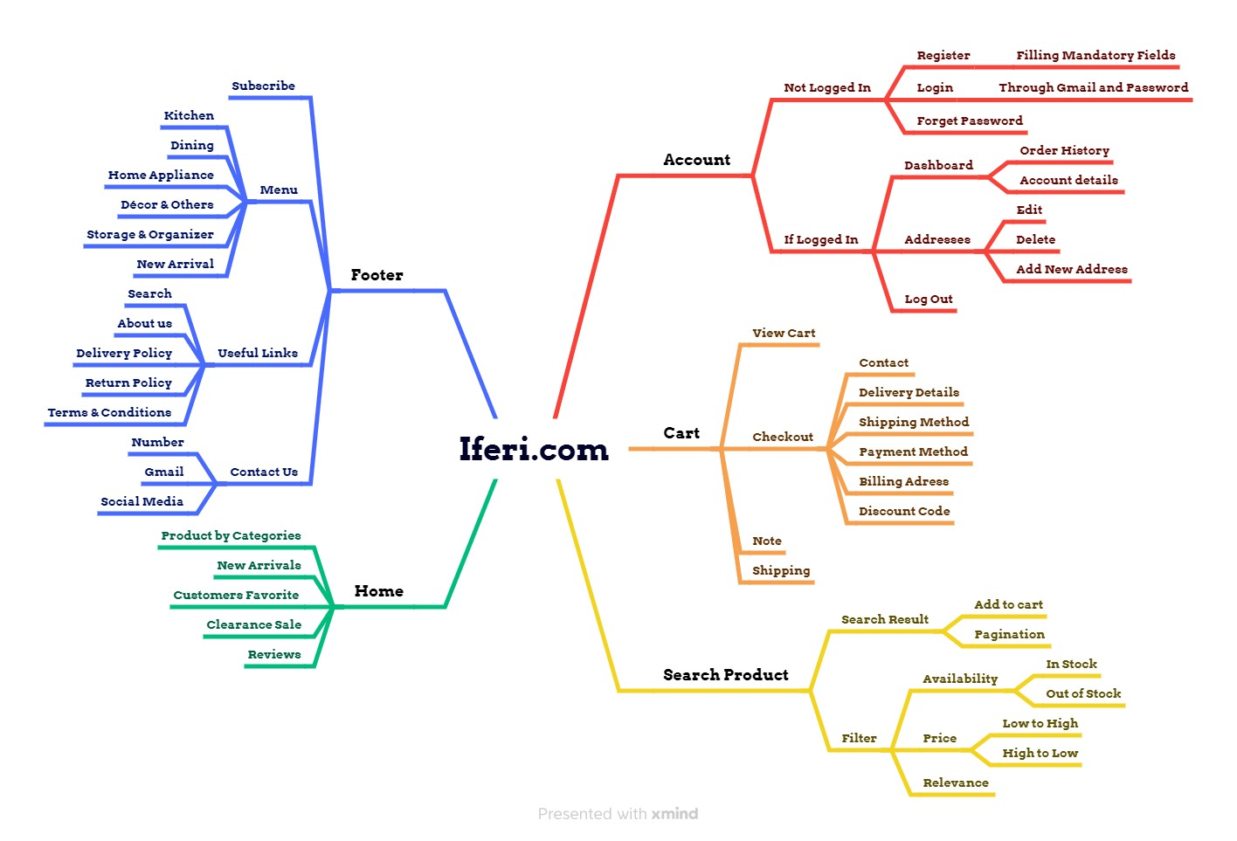

Test Summary Report
TEST CASE REPORT

Project Name | iferi.com | Online Shopping Platform
Module Name | Test Scenario
Feature
Test Case Version
Executed By | Sonjibony Wahid
Written By | Sonjibony Wahid
Reviewed By
TEST EXECUTION REPORT

Test Case | Pass | Fail | Blocked | Not tested | Total
Test Case | 157 | 19 | 0 | 0 | 176

