Iteration 1
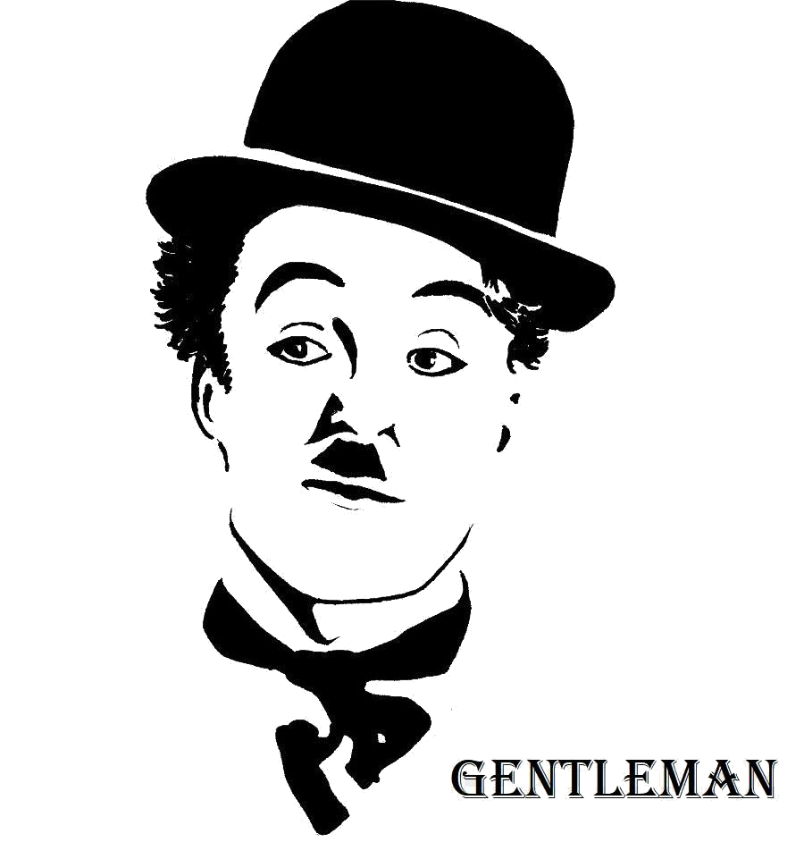
DETAIL PLAN FOR |  |  |  |  |  |  |  |  |  |  |  |  |  |  |  |  |  |  |  |  |  |  |  |  |  |  |  |  |  |  |  |  |  |  |  |  |  |  |  |  |  |  |  |  |  | 40
Iteration 1 |  |  |  |  |  |  |  |  |  |  |  |  |  |  |  |  |  |  |  |  |  |  |  |  |  |  |  |  |  |  |  |  |  |  |  |  |  |  |  |  |  |  |  | GENTLEMAN TEAM | Open
 |  |  |  |  |  |  |  |  |  |  | Plan |  |  |  |  |  | Actual |  |  |  |  |  |  |  |  |  |  |  |  |  |  |  |  |  |  |  |  |  |  |  |  |  |  | VINH NGUYEN | On-Going
RESIDENTIAL COMMUNICATION CHANNEL |  |  |  |  |  |  |  |  |  |  |  |  |  |  |  |  |  |  |  |  |  |  |  |  |  |  |  |  |  |  |  |  |  |  |  |  |  |  |  |  |  |  |  | MANH TRUONG | Close
 |  |  |  |  |  |  |  |  |  |  |  |  |  |  |  |  |  |  |  |  |  |  |  |  |  |  |  |  |  |  |  |  |  |  |  |  |  |  |  |  |  |  |  | QUAN NGO | Re-Open
 |  |  |  |  |  |  |  |  |  |  |  |  |  |  |  |  |  |  |  |  |  |  |  |  |  |  |  |  |  |  |  |  |  |  |  |  |  |  |  |  |  |  |  | HAU VO
START DATE | 8-Oct-18 | TODAY DATE | 8-Dec-18 |  |  |  |  |  |  |  |  |  |  |  |  |  |  |  |  |  |  |  |  |  |  |  |  |  |  |  |  |  |  |  |  |  |  |  |  |  |  |  |  | LAM TO
 |  |  |  |  |  |  |  |  |  |  |  |  |  |  |  |  |  |  |  |  |  |  |  |  |  |  |  |  |  |  |  |  |  |  |  |  |  |  |  |  |  |  |  | AN PHAM
ACTIVITY | ASSIGN TO | START DATE | FINISH DATE | ACTUAL START DATE | ACTUAL FINISH DATE | PLAN HOUR | ACTUAL HOUR | STATUS | PERIODS | 23-Nov-18 | 26-Nov-18 | 27-Nov-18 | 28-Nov-18 | 29-Nov-18 | 30-Nov-18 | 1-Dec-18 | 3-Dec-18 | 4-Dec-18 | 5-Dec-18 | 6-Dec-18 | 7-Dec-18 | 8-Dec-18 | 10-Dec-18 | 11-Dec-18 | 12-Dec-18 | 13-Dec-18 | 14-Dec-18 | 15-Dec-18 | 17-Dec-18 | 18-Dec-18 | 19-Dec-18 | 20-Dec-18 | 21-Dec-18 | 22-Dec-18 | 24-Dec-18 | 25-Dec-18 | 26-Dec-18 | 27-Dec-18 | 28-Dec-18 | 29-Dec-18 | 31-Dec-18 | 1-Jan-19 | 2-Jan-19
Team Kick Off Meeting | GENTLEMAN TEAM | 8-Oct-18 | 8-Oct-18 | 8-Oct-18 | 8-Oct-18 | 2 | 2 | Close

Prepare Team Training Plan | VINH NGUYEN | 9-Oct-18 | 9-Oct-18 | 9-Oct-18 | 9-Oct-18 | 1 | 1 | Close

Prepare Team Charter | VINH NGUYEN | 9-Oct-18 | 9-Oct-18 | 9-Oct-18 | 9-Oct-18 | 1 | 1 | Close

Create Repository for Document | VINH NGUYEN | 10-Oct-18 | 10-Oct-18 | 10-Oct-18 | 10-Oct-18 | 1 | 1 | Close

Prepare Team Training | VINH NGUYEN | 10-Oct-18 | 10-Oct-18 | 10-Oct-18 | 10-Oct-18 | 1 | 1 | Close

Team Training Phase 1 - Mobile and Web | GENTLEMAN TEAM | 11-Oct-18 | 13-Oct-18 | 11-Oct-18 | 13-Oct-18 | 54 | 40 | Close

Team Training Phase 2 - Mobile, Data and Web | GENTLEMAN TEAM | 15-Oct-18 | 20-Oct-18 | 15-Oct-18 | 20-Oct-18 | 108 | 61.5 | Close

Team Training Phase 3 - Review all research | GENTLEMAN TEAM | 22-Oct-18 | 23-Oct-18 | 22-Oct-18 | 23-Oct-18 | 54 | 21 | Close

Prepare Master Plan & Detail Plan | VINH NGUYEN | 24-Oct-18 | 27-Oct-18 | 26-Oct-18 | 27-Oct-18 | 5 | 4 | Close

Prepare and Update Configuration Management | HAU VO | 24-Oct-18 | 27-Oct-18 | 24-Oct-18 | 26-Oct-18 | 5 | 5 | Close

Prepare and Update Communication Management | AN PHAM | 24-Oct-18 | 27-Oct-18 | 24-Oct-18 | 27-Oct-18 | 5 | 3 | Close

Prepare and Update Change Management | QUAN NGO | 24-Oct-18 | 27-Oct-18 | 24-Oct-18 | 27-Oct-18 | 5 | 5 | Close

Prepare and Update Risk Management | LAM TO | 24-Oct-18 | 27-Oct-18 | 24-Oct-18 | 27-Oct-18 | 5 | 5 | Close

Prepare and Update Project Plan | MANH TRUONG | 24-Oct-18 | 27-Oct-18 | 24-Oct-18 | 27-Oct-18 | 5 | 5 | Close

Identify Process & Quality Management | VINH NGUYEN | 26-Oct-18 | 27-Oct-18 | 27-Oct-18 | 27-Oct-18 | 2 | 1 | Close

Gather High Level Requirement | GENTLEMAN TEAM | 24-Oct-18 | 24-Oct-18 | 24-Oct-18 | 24-Oct-18 | 3 | 2 | Close

Draw Business Process and Verifiy with Customer | GENTLEMAN TEAM | 24-Oct-18 | 31-Oct-18 | 26-Oct-18 | 31-Oct-18 | 6 | 4 | Close

Update Document for Project | GENTLEMAN TEAM | 31-Oct-18 | 5-Nov-18 | 31-Oct-18 | 3-Nov-18 | 5 | 5 | Close

Team Training Phase 4 - Research & Demo Login Function | VINH NGUYEN | 1-Nov-18 | 7-Nov-18 | 1-Nov-18 | 7-Nov-18 | 144 | 128 | Close

Update Business Process | GENTLEMAN TEAM | 1-Nov-18 | 7-Nov-18 | 1-Nov-18 | 7-Nov-18 | 6 | 5 | Close

Identify Arhitecture Phase 1 - Identify Constraint and Quality | GENTLEMAN TEAM | 31-Oct-18 | 9-Nov-18 | 5-Nov-18 | 7-Nov-18 | 6 | 6 | Close

Do and Update Process and Quality Management | VINH NGUYEN | 31-Oct-18 | 9-Nov-18 | 5-Nov-18 | 7-Nov-18 | 5 | 5 | Close

Identify Architecture Phase 2 - Continues to identify Quality | GENTLEMAN TEAM | 8-Nov-18 | 14-Nov-18 | 8-Nov-18 | 13-Nov-18 | 10 | 10 | Close

Prepare Architecture Design Template | VINH NGUYEN | 8-Nov-18 | 14-Nov-18 | 8-Nov-18 | 13-Nov-18 | 5 | 5 | Close

Write and Prove Scenario for Security Attribute for Customer | GENTLEMAN TEAM | 8-Nov-18 | 14-Nov-18 | 8-Nov-18 | 13-Nov-18 | 5 | 4 | Close

Research about N - Tier Architecture | GENTLEMAN TEAM | 9-Nov-18 | 17-Nov-18 | 9-Nov-18 | 17-Nov-18 | 32 | 31 | Close

Research about RealTime Pattern | GENTLEMAN TEAM | 9-Nov-18 | 17-Nov-18 | 9-Nov-18 | 17-Nov-18 | 32 | 28 | Close

Research about Unit of Works Layer | QUAN NGO | 9-Nov-18 | 17-Nov-18 | 9-Nov-18 | 17-Nov-18 | 18 | 17 | Close

Research about Repository Layer | MANH TRUONG | 9-Nov-18 | 17-Nov-18 | 9-Nov-18 | 17-Nov-18 | 18 | 17 | Close

Research about Business Layer | VINH NGUYEN | 9-Nov-18 | 17-Nov-18 | 9-Nov-18 | 17-Nov-18 | 18 | 17 | Close

Update Architect Driver Document | AN PHAM | 9-Nov-18 | 17-Nov-18 | 9-Nov-18 | 17-Nov-18 | 4 | 4 | Close

Research ReactNative | HAU VO | 9-Nov-18 | 17-Nov-18 | 9-Nov-18 | 17-Nov-18 | 24 | 24 | Close

Support Research ReactNative | LAM TO | 9-Nov-18 | 17-Nov-18 | 9-Nov-18 | 17-Nov-18 | 24 | 23 | Close

Identify about more Quality of System and Pattern | GENTLEMAN TEAM | 19-Nov-18 | 24-Nov-18 | 19-Nov-18 | 24-Nov-18 | 108 | 107 | Close

Identify and Write Scenario for Quality Compatibility, Performance, Maintainability,Authenticity | GENTLEMAN TEAM | 19-Nov-18 | 24-Nov-18 | 19-Nov-18 | 24-Nov-18 | 12 | 11 | Close

Research about Micro Service Pattern | VINH NGUYEN | 23-Nov-18 | 26-Nov-18 | 23-Nov-18 | 26-Nov-18 | 6 | 6 | Close

Identify Architecture Phase 3 - Make Design View to solve the Constraint, Quality and High Level Requirement | GENTLEMAN TEAM | 27-Nov-18 | 1-Dec-18 | 27-Nov-18 | 30-Nov-18 | 20 | 20 | Close

Gather Requirement for Core System | GENTLEMAN TEAM | 27-Nov-18 | 28-Nov-18 | 27-Nov-18 | 28-Nov-18 | 3 | 3 | Close

Confirm Identified Qualities for System | GENTLEMAN TEAM | 29-Nov-18 | 29-Nov-18 | 29-Nov-18 | 29-Nov-18 | 2 | 2 | Close

Draw Business Process for API Core System ( User, Role, Domain ) | GENTLEMAN TEAM | 29-Nov-18 | 1-Dec-18 | 29-Nov-18 | 1-Dec-18 | 20 | 18 | Close

Review Static View of System | GENTLEMAN TEAM | 30-Nov-18 | 1-Dec-18 | 30-Nov-18 | 1-Dec-18 | 2 | 2 | Close

Draw Business Process for API Core System ( Login, Register,...) | GENTLEMAN TEAM | 3-Dec-18 | 8-Dec-18 | 3-Dec-18 |  | 72 |  | On-Going

Implement Microservice for Login, Register using Token | GENTLEMAN TEAM | 3-Dec-18 | 8-Dec-18 | 3-Dec-18 |  | 72 |  | On-Going

Confirm and Document Architecture View for System | GENTLEMAN TEAM | 8-Dec-18 | 8-Dec-18 | 8-Dec-18 |  | 2 |  | On-Going

